YO06
 | Motilal Oswal Ultra Short Term Fund

 | Fortnightly Portfolio Statement as on June 30,2025
 | Name of the Instrument | ISIN | Rating | Quantity | Market/Fair Value (Rs. in Lacs) | % to Net Assets | YTM
 | Money Market Instruments
 | Certificate of Deposit
BKBA497 | Bank of Baroda (13/10/2025) ** # | INE028A16IH9 | FITCH A1+ | 2,500,000 | 2,457.91 | 4.25% | 6.01%
IDBK520 | IDFC First Bank Limited (18/11/2025) ** # | INE092T16XS1 | CRISIL A1+ | 2,500,000 | 2,441.38 | 4.22% | 6.26%
BKIN460 | Bank of India (28/11/2025) ** # | INE084A16CS2 | CRISIL A1+ | 2,500,000 | 2,438.33 | 4.22% | 6.16%
UNBI408 | Union Bank of India (05/12/2025) ** # | INE692A16ID1 | ICRA A1+ | 2,500,000 | 2,435.98 | 4.21% | 6.11%
CANB1018 | Canara Bank (12/12/2025) ** # | INE476A16ZQ5 | CRISIL A1+ | 2,500,000 | 2,433.31 | 4.21% | 6.10%
UTIB1333 | Axis Bank Limited (08/10/2025) ** # | INE238AD6934 | CRISIL A1+ | 500,000 | 491.94 | 0.85% | 6.04%
 | Sub Total |  |  |  | 12,698.85 | 21.96%
 | Commercial Paper
HDBF341 | HDB Financial Services Limited (04/09/2025) ** | INE756I14EW1 | CRISIL A1+ | 2,500,000 | 2,472.42 | 4.28% | 6.27%
CHOL1084 | Cholamandalam Investment and Finance Company Ltd (14/11/2025) ** | INE121A14XG8 | CRISIL A1+ | 2,500,000 | 2,438.31 | 4.22% | 6.79%
 | Sub Total |  |  |  | 4,910.73 | 8.50%
 | Treasury Bill
TBIL2453 | 364 Days Tbill (MD 26/12/2025) | IN002024Z370 | SOVEREIGN | 7,500,000 | 7,304.09 | 12.63% | 5.50%
TBIL2439 | 364 Days Tbill (MD 28/08/2025) | IN002024Z222 | SOVEREIGN | 5,000,000 | 4,957.78 | 8.58% | 5.36%
TBIL2414 | 364 Days Tbill (MD 09/10/2025) | IN002024Z263 | SOVEREIGN | 4,500,000 | 4,433.95 | 7.67% | 5.44%
TBIL2400 | 364 Days Tbill (MD 21/08/2025) | IN002024Z214 | SOVEREIGN | 3,000,000 | 2,977.70 | 5.15% | 5.36%
TBIL2405 | 364 Days Tbill (MD 04/09/2025) | IN002024Z230 | SOVEREIGN | 3,000,000 | 2,971.60 | 5.14% | 5.37%
TBIL2471 | 364 Days Tbill (MD 12/02/2026) | IN002024Z446 | SOVEREIGN | 3,000,000 | 2,901.01 | 5.02% | 5.51%
TBIL2466 | 182 Days Tbill (MD 31/07/2025) | IN002024Y423 | SOVEREIGN | 2,500,000 | 2,489.14 | 4.31% | 5.31%
TBIL2429 | 364 Days Tbill (MD 06/11/2025) | IN002024Z305 | SOVEREIGN | 2,500,000 | 2,452.95 | 4.24% | 5.47%
TBIL2431 | 364 Days Tbill (MD 13/11/2025) | IN002024Z313 | SOVEREIGN | 2,500,000 | 2,450.43 | 4.24% | 5.47%
 | Sub Total |  |  |  | 32,938.65 | 56.98%
 | Total |  |  |  | 50,548.23 | 87.44%
 | Others
 | Corporate Debt Market Development Fund
CDMD50ME | Corporate Debt Market Development Fund | INF0RQ622028 |  | 1,178 | 132.44 | 0.23%
 | Sub Total |  |  |  | 132.44 | 0.23%
 | Total |  |  |  | 132.44 | 0.23%
 | Tri-Party REPO - Corporate Bonds for which settlement is guaranteed by clearing corporation
TRP_010725 | TRP_010725 |  |  |  | 7,066.00 | 12.22% | 5.28%
 | Sub Total |  |  |  | 7,066.00 | 12.22%
 | Total |  |  |  | 7,066.00 | 12.22%
 | Net Receivables / (Payables) |  |  |  | 66.80 | 0.11%
 | GRAND TOTAL |  |  |  | 57,813.47 | 100.00%

 | ** Thinly Traded / Non Traded Security
 | # Unlisted Security

 | SCHEME RISK-O-METER |  |  | BENCHMARK NAME - CRISIL ULTRA SHORT DURATION FUND AI INDEX
 |  |  |  | BENCHMARK RISK-O-METER
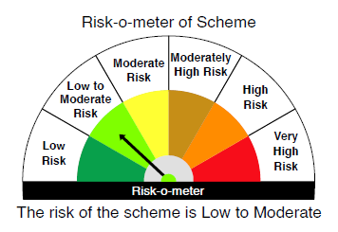
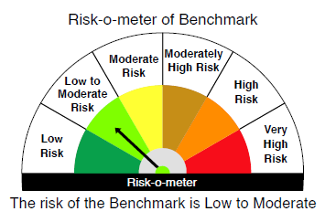

 |  | Relatively Low (Class A: CRV >=12) | Moderate (Class B : CRV >=10) | Relatively High (Class C: CRV <10)

 | Relatively Low Class I: (MD<=1 year) |  | B-I

 | Moderate Class II: (MD<=3 years)

 | Relatively High Class III: Any Macaulay duration

YO25
 | Motilal Oswal Nifty 5 year Benchmark G-Sec ETF

 | Fortnightly Portfolio Statement as on June 30,2025
 | Name of the Instrument | ISIN | Rating | Quantity | Market/Fair Value (Rs. in Lacs) | % to Net Assets | YTM
 | Debt Instruments
 | (a) Listed / awaiting listing on Stock Exchange
GOI6306 | 6.75% Government of India (23/12/2029) | IN0020240183 | SOVEREIGN | 10,566,400 | 10,870.49 | 99.80% | 6.10%
 | Sub Total |  |  |  | 10,870.49 | 99.80%
 | (b) Privately placed / Unlisted |  |  |  | NIL | NIL
 | Sub Total |  |  |  | NIL | NIL
 | Total |  |  |  | 10,870.49 | 99.80%
 | Net Receivables / (Payables) |  |  |  | 21.95 | 0.20%
 | GRAND TOTAL |  |  |  | 10,892.44 | 100.00%

 | SCHEME RISK-O-METER |  |  |  | BENCHMARK NAME - NIFTY 5 YR BENCHMARK G-SEC INDEX
 |  |  |  |  | BENCHMARK RISK-O-METER
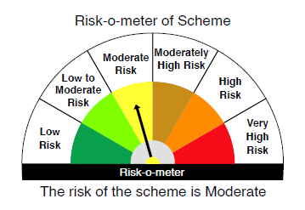
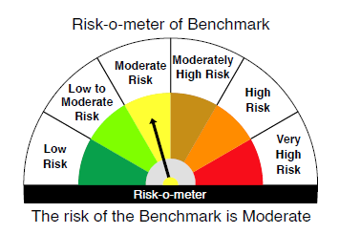

 | Max Credit Risk of scheme→ Max Interest Rate Risk of the scheme ↓ | Relatively Low (Class A: CRV >=12) | Moderate (Class B : CRV >=10) | Relatively High (Class C: CRV <10)

 | Relatively Low Class I: (MD<=1 year)

 | Moderate Class II: (MD<=3 years)

 | Relatively High Class III: Any Macaulay duration | A-III

