YO06
 | Motilal Oswal Ultra Short Term Fund

 | Fortnightly Portfolio Statement as on July 15,2025
 | Name of the Instrument | ISIN | Rating | Quantity | Market/Fair Value (Rs. in Lacs) | % to Net Assets | YTM
 | Money Market Instruments
 | Certificate of Deposit
BKBA497 | Bank of Baroda (13/10/2025) ** # | INE028A16IH9 | FITCH A1+ | 2,500,000 | 2,465.38 | 4.22% | 5.76%
IDBK520 | IDFC First Bank Limited (18/11/2025) ** # | INE092T16XS1 | CRISIL A1+ | 2,500,000 | 2,449.67 | 4.19% | 6.00%
BKIN460 | Bank of India (28/11/2025) ** # | INE084A16CS2 | CRISIL A1+ | 2,500,000 | 2,446.57 | 4.19% | 5.90%
UNBI408 | Union Bank of India (05/12/2025) ** # | INE692A16ID1 | ICRA A1+ | 2,500,000 | 2,444.37 | 4.18% | 5.85%
CANB1018 | Canara Bank (12/12/2025) # | INE476A16ZQ5 | CRISIL A1+ | 2,500,000 | 2,441.53 | 4.18% | 5.87%
NBAR839 | National Bank For Agriculture and Rural Development (25/03/2026) # | INE261F16AA7 | CRISIL A1+ | 2,500,000 | 2,399.76 | 4.11% | 6.05%
UTIB1333 | Axis Bank Limited (08/10/2025) ** # | INE238AD6934 | CRISIL A1+ | 500,000 | 493.42 | 0.84% | 5.79%
 | Sub Total |  |  |  | 15,140.70 | 25.91%
 | Commercial Paper
HDBF341 | HDB Financial Services Limited (04/09/2025) ** | INE756I14EW1 | CRISIL A1+ | 2,500,000 | 2,479.39 | 4.24% | 6.07%
CHOL1084 | Cholamandalam Investment and Finance Company Ltd (14/11/2025) ** | INE121A14XG8 | CRISIL A1+ | 2,500,000 | 2,447.74 | 4.19% | 6.44%
KOMP1732 | Kotak Mahindra Prime Limited (27/03/2026) ** | INE916D144Z5 | CRISIL A1+ | 2,500,000 | 2,394.72 | 4.10% | 6.32%
 | Sub Total |  |  |  | 7,321.85 | 12.53%
 | Treasury Bill
TBIL2453 | 364 Days Tbill (MD 26/12/2025) | IN002024Z370 | SOVEREIGN | 7,500,000 | 7,322.12 | 12.53% | 5.44%
TBIL2439 | 364 Days Tbill (MD 28/08/2025) | IN002024Z222 | SOVEREIGN | 5,000,000 | 4,968.98 | 8.51% | 5.30%
TBIL2414 | 364 Days Tbill (MD 09/10/2025) | IN002024Z263 | SOVEREIGN | 4,500,000 | 4,444.59 | 7.61% | 5.35%
TBIL2400 | 364 Days Tbill (MD 21/08/2025) | IN002024Z214 | SOVEREIGN | 3,000,000 | 2,984.40 | 5.11% | 5.30%
TBIL2405 | 364 Days Tbill (MD 04/09/2025) | IN002024Z230 | SOVEREIGN | 3,000,000 | 2,978.34 | 5.10% | 5.31%
TBIL2471 | 364 Days Tbill (MD 12/02/2026) | IN002024Z446 | SOVEREIGN | 3,000,000 | 2,907.89 | 4.98% | 5.48%
TBIL2466 | 182 Days Tbill (MD 31/07/2025) | IN002024Y423 | SOVEREIGN | 2,500,000 | 2,494.60 | 4.27% | 5.27%
TBIL2429 | 364 Days Tbill (MD 06/11/2025) | IN002024Z305 | SOVEREIGN | 2,500,000 | 2,458.75 | 4.21% | 5.42%
TBIL2431 | 364 Days Tbill (MD 13/11/2025) | IN002024Z313 | SOVEREIGN | 2,500,000 | 2,456.36 | 4.20% | 5.40%
 | Sub Total |  |  |  | 33,016.03 | 56.52%
 | Total |  |  |  | 55,478.58 | 94.96%
 | Others
 | Corporate Debt Market Development Fund
CDMD50ME | Corporate Debt Market Development Fund | INF0RQ622028 |  | 1,358 | 153.05 | 0.26%
 | Sub Total |  |  |  | 153.05 | 0.26%
 | Total |  |  |  | 153.05 | 0.26%
 | Tri-Party REPO - Corporate Bonds for which settlement is guaranteed by clearing corporation
TRP_160725 | TRP_160725 |  |  |  | 2,752.00 | 4.71% | 5.30%
 | Sub Total |  |  |  | 2,752.00 | 4.71%
 | Total |  |  |  | 2,752.00 | 4.71%
 | Net Receivables / (Payables) |  |  |  | 36.06 | 0.07%
 | GRAND TOTAL |  |  |  | 58,419.69 | 100.00%

 | ** Thinly Traded / Non Traded Security
 | # Unlisted Security

 |  |  |  | BENCHMARK NAME - CRISIL ULTRA SHORT DURATION FUND AI INDEX
 |  |  |  | BENCHMARK RISK-O-METER
 | SCHEME RISK-O-METER
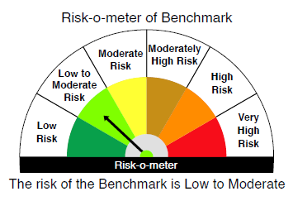
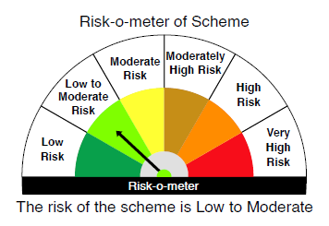

 |  | Relatively Low (Class A: CRV >=12) | Moderate (Class B : CRV >=10) | Relatively High (Class C: CRV <10)

 | Relatively Low Class I: (MD<=1 year) |  | B-I

 | Moderate Class II: (MD<=3 years)

 | Relatively High Class III: Any Macaulay duration

YO25
 | Motilal Oswal Nifty 5 year Benchmark G-Sec ETF

 | Fortnightly Portfolio Statement as on July 15,2025
 | Name of the Instrument | ISIN | Rating | Quantity | Market/Fair Value (Rs. in Lacs) | % to Net Assets | YTM
 | Debt Instruments
 | (a) Listed / awaiting listing on Stock Exchange
GOI6306 | 6.75% Government of India (23/12/2029) | IN0020240183 | SOVEREIGN | 11,286,400 | 11,616.03 | 99.55% | 6.08%
 | Sub Total |  |  |  | 11,616.03 | 99.55%
 | (b) Privately placed / Unlisted |  |  |  | NIL | NIL
 | Sub Total |  |  |  | NIL | NIL
 | Total |  |  |  | 11,616.03 | 99.55%
 | Net Receivables / (Payables) |  |  |  | 53.02 | 0.45%
 | GRAND TOTAL |  |  |  | 11,669.05 | 100.00%

 | SCHEME RISK-O-METER |  |  |  | BENCHMARK NAME - NIFTY 5 YR BENCHMARK G-SEC INDEX
 |  |  |  |  | BENCHMARK RISK-O-METER
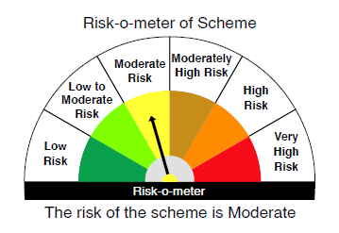
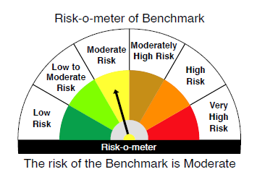

 | Max Credit Risk of scheme→ Max Interest Rate Risk of the scheme ↓ | Relatively Low (Class A: CRV >=12) | Moderate (Class B : CRV >=10) | Relatively High (Class C: CRV <10)

 | Relatively Low Class I: (MD<=1 year)

 | Moderate Class II: (MD<=3 years)

 | Relatively High Class III: Any Macaulay duration | A-III

