YO06
 | Motilal Oswal Ultra Short Term Fund

 | Fortnightly Portfolio Statement as on May 31,2025
 | Name of the Instrument | ISIN | Rating | Quantity | Market/Fair Value (Rs. in Lacs) | % to Net Assets | YTM
 | Money Market Instruments
 | Certificate of Deposit
BKBA497 | Bank of Baroda (13/10/2025) # | INE028A16IH9 | FITCH A1+ | 2,500,000 | 2,442.52 | 4.27% | 6.41%
IDBK520 | IDFC First Bank Limited (18/11/2025) ** # | INE092T16XS1 | CRISIL A1+ | 2,500,000 | 2,424.84 | 4.24% | 6.66%
BKIN460 | Bank of India (28/11/2025) ** # | INE084A16CS2 | CRISIL A1+ | 2,500,000 | 2,421.95 | 4.23% | 6.54%
UNBI408 | Union Bank of India (05/12/2025) ** # | INE692A16ID1 | ICRA A1+ | 2,500,000 | 2,420.18 | 4.23% | 6.44%
CANB1018 | Canara Bank (12/12/2025) # | INE476A16ZQ5 | CRISIL A1+ | 2,500,000 | 2,417.14 | 4.22% | 6.45%
UTIB1333 | Axis Bank Limited (08/10/2025) # | INE238AD6934 | CRISIL A1+ | 500,000 | 488.86 | 0.85% | 6.45%
 | Sub Total |  |  |  | 12,615.49 | 22.04%
 | Commercial Paper
CHOL1084 | Cholamandalam Investment and Finance Company Ltd (14/11/2025) ** | INE121A14XG8 | CRISIL A1+ | 2,500,000 | 2,421.37 | 4.23% | 7.14%
 | Sub Total |  |  |  | 2,421.37 | 4.23%
 | Treasury Bill
TBIL2453 | 364 Days Tbill (MD 26/12/2025) | IN002024Z370 | SOVEREIGN | 7,500,000 | 7,267.96 | 12.70% | 5.60%
TBIL2439 | 364 Days Tbill (MD 28/08/2025) | IN002024Z222 | SOVEREIGN | 5,000,000 | 4,933.39 | 8.62% | 5.60%
TBIL2414 | 364 Days Tbill (MD 09/10/2025) | IN002024Z263 | SOVEREIGN | 4,500,000 | 4,411.89 | 7.71% | 5.61%
TBIL2400 | 364 Days Tbill (MD 21/08/2025) | IN002024Z214 | SOVEREIGN | 3,000,000 | 2,963.18 | 5.18% | 5.60%
TBIL2405 | 364 Days Tbill (MD 04/09/2025) | IN002024Z230 | SOVEREIGN | 3,000,000 | 2,956.83 | 5.17% | 5.61%
TBIL2471 | 364 Days Tbill (MD 12/02/2026) | IN002024Z446 | SOVEREIGN | 3,000,000 | 2,886.60 | 5.04% | 5.60%
TBIL2466 | 182 Days Tbill (MD 31/07/2025) | IN002024Y423 | SOVEREIGN | 2,500,000 | 2,477.15 | 4.33% | 5.61%
TBIL2397 | 364 Days Tbill (MD 15/08/2025) | IN002024Z206 | SOVEREIGN | 2,500,000 | 2,472.03 | 4.32% | 5.51%
TBIL2429 | 364 Days Tbill (MD 06/11/2025) | IN002024Z305 | SOVEREIGN | 2,500,000 | 2,440.81 | 4.26% | 5.60%
TBIL2431 | 364 Days Tbill (MD 13/11/2025) | IN002024Z313 | SOVEREIGN | 2,500,000 | 2,438.21 | 4.26% | 5.61%
 | Sub Total |  |  |  | 35,248.05 | 61.59%
 | Total |  |  |  | 50,284.91 | 87.86%
 | Others
 | Corporate Debt Market Development Fund
CDMD50ME | Corporate Debt Market Development Fund | INF0RQ622028 |  | 1,178 | 131.82 | 0.23%
 | Sub Total |  |  |  | 131.82 | 0.23%
 | Total |  |  |  | 131.82 | 0.23%
 | Tri-Party REPO - Corporate Bonds for which settlement is guaranteed by clearing corporation
TRP_020625 | TRP_020625 |  |  |  | 6,839.90 | 11.95% | 5.88%
 | Sub Total |  |  |  | 6,839.90 | 11.95%
 | Total |  |  |  | 6,839.90 | 11.95%
 | Net Receivables / (Payables) |  |  |  | (12.33) | (0.04)%
 | GRAND TOTAL |  |  |  | 57,244.30 | 100.00%

 | ** Thinly Traded / Non Traded Security
 | # Unlisted Security

 | SCHEME RISK-O-METER |  |  | BENCHMARK NAME - CRISIL ULTRA SHORT DURATION FUND AI INDEX
 |  |  |  | BENCHMARK RISK-O-METER
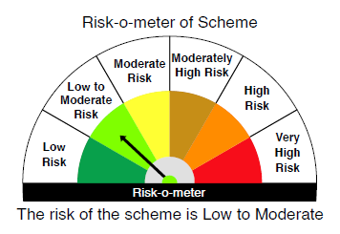
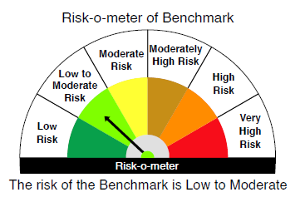

 |  | Relatively Low (Class A: CRV >=12) | Moderate (Class B : CRV >=10) | Relatively High (Class C: CRV <10)

 | Relatively Low Class I: (MD<=1 year) |  | B-I

 | Moderate Class II: (MD<=3 years)

 | Relatively High Class III: Any Macaulay duration

YO25
 | Motilal Oswal Nifty 5 year Benchmark G-Sec ETF

 | Fortnightly Portfolio Statement as on May 31,2025
 | Name of the Instrument | ISIN | Rating | Quantity | Market/Fair Value (Rs. in Lacs) | % to Net Assets | YTM
 | Debt Instruments
 | (a) Listed / awaiting listing on Stock Exchange
GOI6306 | 6.75% Government of India (23/12/2029) | IN0020240183 | SOVEREIGN | 10,210,800 | 10,568.79 | 97.18% | 5.95%
 | Sub Total |  |  |  | 10,568.79 | 97.18%
 | (b) Privately placed / Unlisted |  |  |  | NIL | NIL
 | Sub Total |  |  |  | NIL | NIL
 | Total |  |  |  | 10,568.79 | 97.18%
 | Net Receivables / (Payables) |  |  |  | 307.11 | 2.82%
 | GRAND TOTAL |  |  |  | 10,875.90 | 100.00%

 | SCHEME RISK-O-METER |  |  |  | BENCHMARK NAME - NIFTY 5 YR BENCHMARK G-SEC INDEX
 |  |  |  |  | BENCHMARK RISK-O-METER
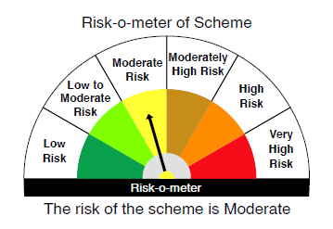
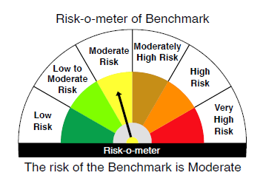

 | Max Credit Risk of scheme→ Max Interest Rate Risk of the scheme ↓ | Relatively Low (Class A: CRV >=12) | Moderate (Class B : CRV >=10) | Relatively High (Class C: CRV <10)

 | Relatively Low Class I: (MD<=1 year)

 | Moderate Class II: (MD<=3 years)

 | Relatively High Class III: Any Macaulay duration | A-III

