YO06
 | Motilal Oswal Ultra Short Term Fund

 | Fortnightly Portfolio Statement as on June 15,2025
 | Name of the Instrument | ISIN | Rating | Quantity | Market/Fair Value (Rs. in Lacs) | % to Net Assets | YTM
 | Money Market Instruments
 | Certificate of Deposit
BKBA497 | Bank of Baroda (13/10/2025) ** # | INE028A16IH9 | FITCH A1+ | 2,500,000 | 2,451.29 | 4.41% | 6.09%
IDBK520 | IDFC First Bank Limited (18/11/2025) ** # | INE092T16XS1 | CRISIL A1+ | 2,500,000 | 2,434.01 | 4.38% | 6.39%
BKIN460 | Bank of India (28/11/2025) # | INE084A16CS2 | CRISIL A1+ | 2,500,000 | 2,431.57 | 4.37% | 6.23%
UNBI408 | Union Bank of India (05/12/2025) # | INE692A16ID1 | ICRA A1+ | 2,500,000 | 2,429.59 | 4.37% | 6.15%
CANB1018 | Canara Bank (12/12/2025) ** # | INE476A16ZQ5 | CRISIL A1+ | 2,500,000 | 2,426.69 | 4.37% | 6.16%
UTIB1333 | Axis Bank Limited (08/10/2025) ** # | INE238AD6934 | CRISIL A1+ | 500,000 | 490.60 | 0.88% | 6.14%
 | Sub Total |  |  |  | 12,663.75 | 22.78%
 | Commercial Paper
HDBF341 | HDB Financial Services Limited (04/09/2025) ** | INE756I14EW1 | CRISIL A1+ | 2,500,000 | 2,466.06 | 4.44% | 6.28%
CHOL1084 | Cholamandalam Investment and Finance Company Ltd (14/11/2025) ** | INE121A14XG8 | CRISIL A1+ | 2,500,000 | 2,431.30 | 4.37% | 6.83%
 | Sub Total |  |  |  | 4,897.36 | 8.81%
 | Treasury Bill
TBIL2453 | 364 Days Tbill (MD 26/12/2025) | IN002024Z370 | SOVEREIGN | 7,500,000 | 7,291.01 | 13.12% | 5.42%
TBIL2439 | 364 Days Tbill (MD 28/08/2025) | IN002024Z222 | SOVEREIGN | 5,000,000 | 4,947.07 | 8.90% | 5.35%
TBIL2414 | 364 Days Tbill (MD 09/10/2025) | IN002024Z263 | SOVEREIGN | 4,500,000 | 4,424.76 | 7.96% | 5.40%
TBIL2400 | 364 Days Tbill (MD 21/08/2025) | IN002024Z214 | SOVEREIGN | 3,000,000 | 2,971.26 | 5.35% | 5.35%
TBIL2405 | 364 Days Tbill (MD 04/09/2025) | IN002024Z230 | SOVEREIGN | 3,000,000 | 2,965.24 | 5.33% | 5.35%
TBIL2471 | 364 Days Tbill (MD 12/02/2026) | IN002024Z446 | SOVEREIGN | 3,000,000 | 2,895.58 | 5.21% | 5.46%
TBIL2466 | 182 Days Tbill (MD 31/07/2025) | IN002024Y423 | SOVEREIGN | 2,500,000 | 2,483.71 | 4.47% | 5.32%
TBIL2397 | 364 Days Tbill (MD 15/08/2025) | IN002024Z206 | SOVEREIGN | 2,500,000 | 2,478.27 | 4.46% | 5.33%
TBIL2429 | 364 Days Tbill (MD 06/11/2025) | IN002024Z305 | SOVEREIGN | 2,500,000 | 2,448.02 | 4.40% | 5.42%
TBIL2431 | 364 Days Tbill (MD 13/11/2025) | IN002024Z313 | SOVEREIGN | 2,500,000 | 2,445.53 | 4.40% | 5.42%
 | Sub Total |  |  |  | 35,350.45 | 63.60%
 | Total |  |  |  | 52,911.56 | 95.19%
 | Others
 | Corporate Debt Market Development Fund
CDMD50ME | Corporate Debt Market Development Fund | INF0RQ622028 |  | 1,178 | 132.16 | 0.24%
 | Sub Total |  |  |  | 132.16 | 0.24%
 | Total |  |  |  | 132.16 | 0.24%
 | Tri-Party REPO - Corporate Bonds for which settlement is guaranteed by clearing corporation
TRP_160625 | TRP_160625 |  |  |  | 2,509.00 | 4.51% | 5.22%
 | Sub Total |  |  |  | 2,509.00 | 4.51%
 | Total |  |  |  | 2,509.00 | 4.51%
 | Net Receivables / (Payables) |  |  |  | 29.64 | 0.06%
 | GRAND TOTAL |  |  |  | 55,582.36 | 100.00%

 | ** Thinly Traded / Non Traded Security
 | # Unlisted Security

 | SCHEME RISK-O-METER |  |  | BENCHMARK NAME - CRISIL ULTRA SHORT DURATION FUND AI INDEX
 |  |  |  | BENCHMARK RISK-O-METER
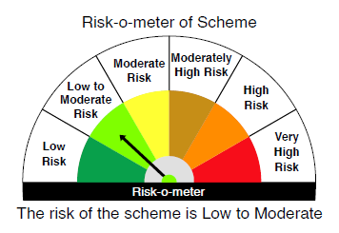
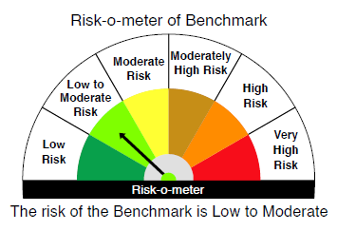

 |  | Relatively Low (Class A: CRV >=12) | Moderate (Class B : CRV >=10) | Relatively High (Class C: CRV <10)

 | Relatively Low Class I: (MD<=1 year) |  | B-I

 | Moderate Class II: (MD<=3 years)

 | Relatively High Class III: Any Macaulay duration

YO25
 | Motilal Oswal Nifty 5 year Benchmark G-Sec ETF

 | Fortnightly Portfolio Statement as on June 15,2025
 | Name of the Instrument | ISIN | Rating | Quantity | Market/Fair Value (Rs. in Lacs) | % to Net Assets | YTM
 | Debt Instruments
 | (a) Listed / awaiting listing on Stock Exchange
GOI6306 | 6.75% Government of India (23/12/2029) | IN0020240183 | SOVEREIGN | 10,118,000 | 10,419.50 | 96.92% | 6.08%
 | Sub Total |  |  |  | 10,419.50 | 96.92%
 | (b) Privately placed / Unlisted |  |  |  | NIL | NIL
 | Sub Total |  |  |  | NIL | NIL
 | Total |  |  |  | 10,419.50 | 96.92%
 | Net Receivables / (Payables) |  |  |  | 331.61 | 3.08%
 | GRAND TOTAL |  |  |  | 10,751.10 | 100.00%

 | SCHEME RISK-O-METER |  |  |  | BENCHMARK NAME - NIFTY 5 YR BENCHMARK G-SEC INDEX
 |  |  |  |  | BENCHMARK RISK-O-METER
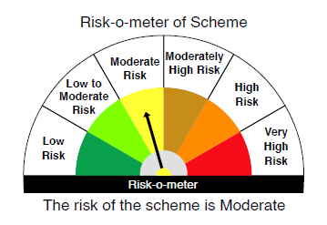
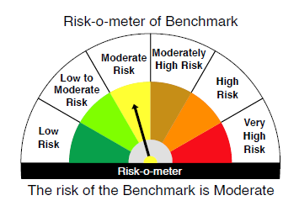

 | Max Credit Risk of scheme→ Max Interest Rate Risk of the scheme ↓ | Relatively Low (Class A: CRV >=12) | Moderate (Class B : CRV >=10) | Relatively High (Class C: CRV <10)

 | Relatively Low Class I: (MD<=1 year)

 | Moderate Class II: (MD<=3 years)

 | Relatively High Class III: Any Macaulay duration | A-III

