YO06
 | Motilal Oswal Ultra Short Term Fund

 | Fortnightly Portfolio Statement as on May 15,2025
 | Name of the Instrument | ISIN | Rating | Quantity | Market/Fair Value (Rs. in Lacs) | % to Net Assets | YTM
 | Money Market Instruments
 | Certificate of Deposit
BKBA497 | Bank of Baroda (13/10/2025) ** # | INE028A16IH9 | FITCH A1+ | 2,500,000 | 2,433.98 | 3.99% | 6.60%
BKIN460 | Bank of India (28/11/2025) ** # | INE084A16CS2 | CRISIL A1+ | 2,500,000 | 2,413.80 | 3.96% | 6.65%
UNBI408 | Union Bank of India (05/12/2025) # | INE692A16ID1 | ICRA A1+ | 2,500,000 | 2,411.48 | 3.95% | 6.60%
CANB1018 | Canara Bank (12/12/2025) ** # | INE476A16ZQ5 | CRISIL A1+ | 2,500,000 | 2,408.52 | 3.95% | 6.60%
UTIB1333 | Axis Bank Limited (08/10/2025) ** # | INE238AD6934 | CRISIL A1+ | 500,000 | 487.15 | 0.80% | 6.64%
 | Sub Total |  |  |  | 10,154.93 | 16.65%
 | Treasury Bill
TBIL2453 | 364 Days Tbill (MD 26/12/2025) | IN002024Z370 | SOVEREIGN | 7,500,000 | 7,242.53 | 11.88% | 5.79%
TBIL2439 | 364 Days Tbill (MD 28/08/2025) | IN002024Z222 | SOVEREIGN | 5,000,000 | 4,918.99 | 8.07% | 5.78%
TBIL2414 | 364 Days Tbill (MD 09/10/2025) | IN002024Z263 | SOVEREIGN | 4,500,000 | 4,398.05 | 7.21% | 5.80%
TBIL2400 | 364 Days Tbill (MD 21/08/2025) | IN002024Z214 | SOVEREIGN | 3,000,000 | 2,954.62 | 4.85% | 5.78%
TBIL2405 | 364 Days Tbill (MD 04/09/2025) | IN002024Z230 | SOVEREIGN | 3,000,000 | 2,948.05 | 4.83% | 5.79%
TBIL2471 | 364 Days Tbill (MD 12/02/2026) | IN002024Z446 | SOVEREIGN | 3,000,000 | 2,875.88 | 4.72% | 5.79%
TBIL2466 | 182 Days Tbill (MD 31/07/2025) | IN002024Y423 | SOVEREIGN | 2,500,000 | 2,470.17 | 4.05% | 5.80%
TBIL2397 | 364 Days Tbill (MD 15/08/2025) | IN002024Z206 | SOVEREIGN | 2,500,000 | 2,464.46 | 4.04% | 5.79%
TBIL2429 | 364 Days Tbill (MD 06/11/2025) | IN002024Z305 | SOVEREIGN | 2,500,000 | 2,432.95 | 3.99% | 5.78%
TBIL2431 | 364 Days Tbill (MD 13/11/2025) | IN002024Z313 | SOVEREIGN | 2,500,000 | 2,430.32 | 3.99% | 5.78%
 | Sub Total |  |  |  | 35,136.02 | 57.63%
 | Total |  |  |  | 45,290.95 | 74.28%
 | Others
 | Corporate Debt Market Development Fund
CDMD50ME | Corporate Debt Market Development Fund | INF0RQ622028 |  | 1,178 | 131.36 | 0.22%
 | Sub Total |  |  |  | 131.36 | 0.22%
 | Total |  |  |  | 131.36 | 0.22%
 | Tri-Party REPO - Corporate Bonds for which settlement is guaranteed by clearing corporation
TRP_160525 | TRP_160525 |  |  |  | 15,340.00 | 25.16% | 5.63%
 | Sub Total |  |  |  | 15,340.00 | 25.16%
 | Total |  |  |  | 15,340.00 | 25.16%
 | Net Receivables / (Payables) |  |  |  | 211.07 | 0.34%
 | GRAND TOTAL |  |  |  | 60,973.38 | 100.00%

 | ** Thinly Traded / Non Traded Security
 | # Unlisted Security

 | SCHEME RISK-O-METER |  |  | BENCHMARK NAME - CRISIL ULTRA SHORT DURATION FUND AI INDEX
 |  |  |  | BENCHMARK RISK-O-METER

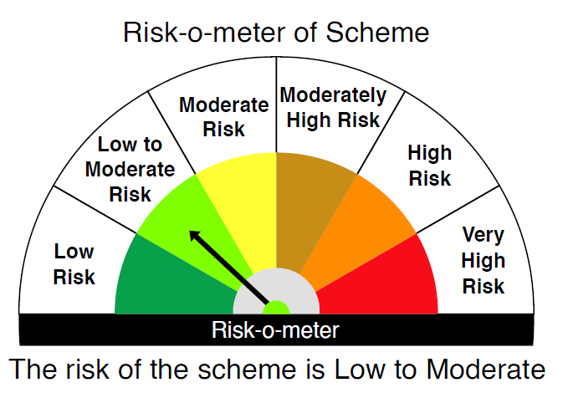
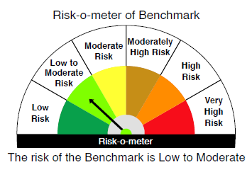

 |  | Relatively Low (Class A: CRV >=12) | Moderate (Class B : CRV >=10) | Relatively High (Class C: CRV <10)

 | Relatively Low Class I: (MD<=1 year) |  | B-I

 | Moderate Class II: (MD<=3 years)

 | Relatively High Class III: Any Macaulay duration

YO15
 | Motilal Oswal Liquid Fund

 | Fortnightly Portfolio Statement as on May 15,2025
 | Name of the Instrument | ISIN | Rating | Quantity | Market/Fair Value (Rs. in Lacs) | % to Net Assets | YTM
 | Money Market Instruments
 | Certificate of Deposit
IDBK518 | IDFC First Bank Limited (27/05/2025) ** # | INE092T16XL6 | CRISIL A1+ | 5,000,000 | 4,990.06 | 4.41% | 6.61%
INBK475 | Indian Bank (25/07/2025) ** # | INE562A16OQ6 | CRISIL A1+ | 5,000,000 | 4,937.97 | 4.36% | 6.55%
UTIB1338 | Axis Bank Limited (16/05/2025) # | INE238AD6975 | CRISIL A1+ | 2,500,000 | 2,500.00 | 2.21% | 5.80%
IIBL986 | IndusInd Bank Limited (19/05/2025) ** # | INE095A16Z00 | CRISIL A1+ | 2,500,000 | 2,498.64 | 2.21% | 6.65%
FEBA348 | The Federal Bank Limited (23/05/2025) ** # | INE171A16ME6 | CRISIL A1+ | 2,500,000 | 2,496.84 | 2.20% | 6.60%
PUBA1081 | Punjab National Bank (26/05/2025) ** # | INE160A16RC2 | CRISIL A1+ | 2,500,000 | 2,495.52 | 2.20% | 6.55%
KMBK866 | Kotak Mahindra Bank Limited (06/06/2025) ** # | INE237A168X4 | CRISIL A1+ | 2,500,000 | 2,490.63 | 2.20% | 6.54%
HDFB993 | HDFC Bank Limited (11/06/2025) # | INE040A16GO4 | CRISIL A1+ | 2,500,000 | 2,488.39 | 2.20% | 6.55%
CANB1042 | Canara Bank (12/06/2025) ** # | INE476A16B49 | CRISIL A1+ | 2,500,000 | 2,487.96 | 2.20% | 6.54%
BKIN469 | Bank of India (19/06/2025) ** # | INE084A16DH3 | CRISIL A1+ | 2,500,000 | 2,484.73 | 2.19% | 6.60%
NBAR788 | National Bank For Agriculture and Rural Development (20/06/2025) ** # | INE261F16876 | CRISIL A1+ | 2,500,000 | 2,484.41 | 2.19% | 6.55%
IBCL1171 | ICICI Bank Limited (27/06/2025) # | INE090AD6162 | ICRA A1+ | 2,500,000 | 2,481.41 | 2.19% | 6.51%
HDFB998 | HDFC Bank Limited (01/07/2025) ** # | INE040A16GU1 | CARE A1+ | 2,500,000 | 2,479.52 | 2.19% | 6.56%
BKBA496 | Bank of Baroda (09/07/2025) ** # | INE028A16IG1 | FITCH A1+ | 2,500,000 | 2,476.04 | 2.19% | 6.54%
UTIB1325 | Axis Bank Limited (15/07/2025) ** # | INE238AD6868 | CRISIL A1+ | 2,500,000 | 2,473.37 | 2.18% | 6.55%
PUBA1096 | Punjab National Bank (24/07/2025) ** # | INE160A16RQ2 | CRISIL A1+ | 2,500,000 | 2,469.40 | 2.18% | 6.56%
 | Sub Total |  |  |  | 44,734.89 | 39.50%
 | Commercial Paper
SIDB567 | Small Industries Dev Bank of India (26/06/2025) ** | INE556F14KM9 | CRISIL A1+ | 5,000,000 | 4,963.48 | 4.38% | 6.55%
IOIC674 | Indian Oil Corporation Limited (27/06/2025) ** | INE242A14XQ1 | ICRA A1+ | 5,000,000 | 4,962.53 | 4.38% | 6.56%
BGFL1138 | Aditya Birla Capital Limited (24/07/2025) ** | INE860H143O3 | CRISIL A1+ | 5,000,000 | 4,936.41 | 4.36% | 6.82%
MUFL432 | Muthoot Finance Limited (27/05/2025) ** | INE414G14TT5 | CRISIL A1+ | 2,500,000 | 2,494.92 | 2.20% | 6.76%
MMFS1201 | Mahindra & Mahindra Financial Services Limited (27/05/2025) ** | INE774D14SH6 | CRISIL A1+ | 2,500,000 | 2,494.91 | 2.20% | 6.78%
 | Sub Total |  |  |  | 19,852.25 | 17.52%
 | Treasury Bill
TBIL2500 | 91 Days Tbill (MD 24/07/2025) | IN002025X042 | SOVEREIGN | 10,000,000 | 9,891.92 | 8.73% | 5.78%
TBIL2492 | 91 Days Tbill (MD 03/07/2025) | IN002025X018 | SOVEREIGN | 7,500,000 | 7,443.42 | 6.57% | 5.78%
 | Sub Total |  |  |  | 17,335.34 | 15.30%
 | Total |  |  |  | 81,922.48 | 72.32%
 | Others
 | Corporate Debt Market Development Fund
CDMD50ME | Corporate Debt Market Development Fund | INF0RQ622028 |  | 2,152 | 240.03 | 0.21%
 | Sub Total |  |  |  | 240.03 | 0.21%
 | Total |  |  |  | 240.03 | 0.21%
 | Tri-Party REPO - Corporate Bonds for which settlement is guaranteed by clearing corporation
TRP_160525 | TRP_160525 |  |  |  | 30,277.00 | 26.73% | 5.63%
 | Sub Total |  |  |  | 30,277.00 | 26.73%
 | Total |  |  |  | 30,277.00 | 26.73%
 | Net Receivables / (Payables) |  |  |  | 811.78 | 0.74%
 | GRAND TOTAL |  |  |  | 113,251.29 | 100.00%

 | ** Thinly Traded / Non Traded Security
 | # Unlisted Security

 | SCHEME RISK-O-METER |  |  |  | BENCHMARK NAME - CRISIL LIQUID FUND AI INDEX
 |  |  |  |  | BENCHMARK RISK-O-METER
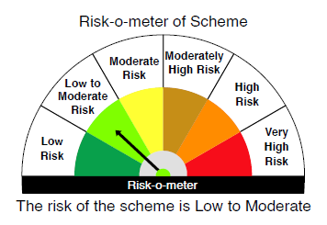

 | Max Credit Risk of scheme→ Max Interest Rate Risk of the scheme ↓ | Relatively Low (Class A: CRV >=12) | Moderate (Class B : CRV >=10) | Relatively High (Class C: CRV <10)

 | Relatively Low Class I: (MD<=1 year) | A-I

 | Moderate Class II: (MD<=3 years)

 | Relatively High Class III: Any Macaulay duration

YO25
 | Motilal Oswal Nifty 5 year Benchmark G-Sec ETF

 | Fortnightly Portfolio Statement as on May 15,2025
 | Name of the Instrument | ISIN | Rating | Quantity | Market/Fair Value (Rs. in Lacs) | % to Net Assets | YTM
 | Debt Instruments
 | (a) Listed / awaiting listing on Stock Exchange
GOI6306 | 6.75% Government of India (23/12/2029) | IN0020240183 | SOVEREIGN | 10,036,800 | 10,350.78 | 97.41% | 6.05%
 | Sub Total |  |  |  | 10,350.78 | 97.41%
 | (b) Privately placed / Unlisted |  |  |  | NIL | NIL
 | Sub Total |  |  |  | NIL | NIL
 | Total |  |  |  | 10,350.78 | 97.41%
 | Net Receivables / (Payables) |  |  |  | 274.69 | 2.59%
 | GRAND TOTAL |  |  |  | 10,625.47 | 100.00%

 | SCHEME RISK-O-METER |  |  |  | BENCHMARK NAME - NIFTY 5 YR BENCHMARK G-SEC INDEX
 |  |  |  |  | BENCHMARK RISK-O-METER
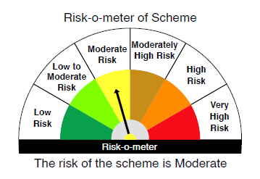
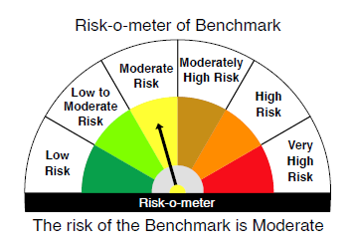

 | Max Credit Risk of scheme→ Max Interest Rate Risk of the scheme ↓ | Relatively Low (Class A: CRV >=12) | Moderate (Class B : CRV >=10) | Relatively High (Class C: CRV <10)

 | Relatively Low Class I: (MD<=1 year)

 | Moderate Class II: (MD<=3 years)

 | Relatively High Class III: Any Macaulay duration | A-III

