YO06
 | Motilal Oswal Ultra Short Term Fund

 | Fortnightly Portfolio Statement as on November 15,2025
 | Name of the Instrument | ISIN | Rating | Quantity | Market/Fair Value (Rs. in Lacs) | % to Net Assets | YTM
 | Money Market Instruments
 | Certificate of Deposit
IDBK520 | IDFC First Bank Limited (18/11/2025) # | INE092T16XS1 | CRISIL A1+ | 2,500,000 | 2,499.21 | 4.30% | 5.80%
BKIN460 | Bank of India (28/11/2025) ** # | INE084A16CS2 | CRISIL A1+ | 2,500,000 | 2,495.29 | 4.29% | 5.75%
CANB1018 | Canara Bank (12/12/2025) # | INE476A16ZQ5 | CRISIL A1+ | 2,500,000 | 2,489.79 | 4.28% | 5.76%
PUBA1074 | Punjab National Bank (08/01/2026) ** # | INE160A16QT8 | CRISIL A1+ | 2,500,000 | 2,478.30 | 4.26% | 6.03%
NBAR839 | National Bank For Agriculture and Rural Development (25/03/2026) ** # | INE261F16AA7 | CRISIL A1+ | 2,500,000 | 2,447.71 | 4.21% | 6.05%
SIDB604 | Small Industries Dev Bank of India (05/05/2026) ** # | INE556F16BH3 | CRISIL A1+ | 2,500,000 | 2,429.18 | 4.17% | 6.26%
BKBA530 | Bank of Baroda (25/05/2026) ** # | INE028A16JR6 | FITCH A1+ | 2,500,000 | 2,421.60 | 4.16% | 6.22%
EXIM808 | Export Import Bank of India (11/06/2026) ** # | INE514E16CM3 | CRISIL A1+ | 2,500,000 | 2,415.08 | 4.15% | 6.20%
INBK489 | Indian Bank (12/06/2026) ** # | INE562A16PB5 | CRISIL A1+ | 2,500,000 | 2,414.49 | 4.15% | 6.22%
UNBI444 | Union Bank of India (25/06/2026) ** # | INE692A16JQ1 | ICRA A1+ | 2,500,000 | 2,409.20 | 4.14% | 6.22%
UTIB1369 | Axis Bank Limited (11/08/2026) ** # | INE238AD6BD9 | CRISIL A1+ | 2,500,000 | 2,388.30 | 4.10% | 6.37%
HDFB1015 | HDFC Bank Limited (11/09/2026) # | INE040A16HN4 | CRISIL A1+ | 2,500,000 | 2,375.83 | 4.08% | 6.38%
 | Sub Total |  |  |  | 29,263.98 | 50.29%
 | Commercial Paper
MUFL443 | Muthoot Finance Limited (12/01/2026) ** | INE414G14UB1 | ICRA A1+ | 2,500,000 | 2,473.66 | 4.25% | 6.82%
KOMP1732 | Kotak Mahindra Prime Limited (27/03/2026) ** | INE916D144Z5 | CRISIL A1+ | 2,500,000 | 2,442.20 | 4.20% | 6.60%
TCAL520 | Tata Capital Limited (21/05/2026) ** | INE976I14PZ4 | CRISIL A1+ | 2,500,000 | 2,418.00 | 4.16% | 6.66%
BAFL1005 | Bajaj Finance Limited (06/11/2026) ** | INE296A14D21 | CRISIL A1+ | 2,500,000 | 2,346.20 | 4.03% | 6.74%
 | Sub Total |  |  |  | 9,680.06 | 16.64%
 | Treasury Bill
TBIL2453 | 364 Days Tbill (MD 26/12/2025) | IN002024Z370 | SOVEREIGN | 7,500,000 | 7,456.59 | 12.81% | 5.31%
TBIL2471 | 364 Days Tbill (MD 12/02/2026) | IN002024Z446 | SOVEREIGN | 3,000,000 | 2,961.43 | 5.09% | 5.40%
TBIL2588 | 182 Days Tbill (MD 14/05/2026) | IN002025Y339 | SOVEREIGN | 2,500,000 | 2,433.76 | 4.18% | 5.55%
TBIL2560 | 364 Days Tbill (MD 10/09/2026) | IN002025Z245 | SOVEREIGN | 2,500,000 | 2,391.57 | 4.11% | 5.55%
 | Sub Total |  |  |  | 15,243.35 | 26.19%
 | Total |  |  |  | 54,187.39 | 93.12%
 | Others
 | Corporate Debt Market Development Fund
CDMD50ME | Corporate Debt Market Development Fund | INF0RQ622028 |  | 1,358 | 155.73 | 0.27%
 | Sub Total |  |  |  | 155.73 | 0.27%
 | Total |  |  |  | 155.73 | 0.27%
 | Tri-Party REPO - Corporate Bonds for which settlement is guaranteed by clearing corporation
TRP_171125 | TRP_171125 |  |  |  | 5,891.13 | 10.12% | 5.40%
 | Sub Total |  |  |  | 5,891.13 | 10.12%
 | Total |  |  |  | 5,891.13 | 10.12%
 | Net Receivables / (Payables) |  |  |  | (2,045.89) | (3.51)%
 | GRAND TOTAL |  |  |  | 58,188.36 | 100.00%

 | ** Thinly Traded / Non Traded Security
 | # Unlisted Security

 | SCHEME RISK-O-METER |  |  | BENCHMARK NAME - CRISIL ULTRA SHORT DURATION FUND AI INDEX
 |  |  |  | BENCHMARK RISK-O-METER
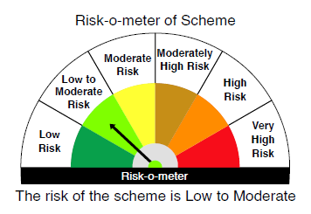
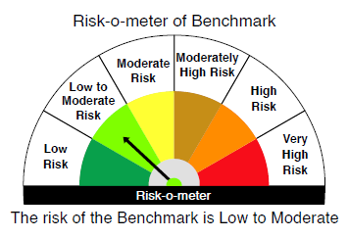

 |  | Relatively Low (Class A: CRV >=12) | Moderate (Class B : CRV >=10) | Relatively High (Class C: CRV <10)

 | Relatively Low Class I: (MD<=1 year) |  | B-I

 | Moderate Class II: (MD<=3 years)

 | Relatively High Class III: Any Macaulay duration

YO25
 | Motilal Oswal Nifty 5 year Benchmark G-Sec ETF

 | Fortnightly Portfolio Statement as on November 15,2025
 | Name of the Instrument | ISIN | Rating | Quantity | Market/Fair Value (Rs. in Lacs) | % to Net Assets | YTM
 | Debt Instruments
 | (a) Listed / awaiting listing on Stock Exchange
GOI6919 | 6.01% Government of India (21/07/2030) | IN0020250067 | SOVEREIGN | 13,931,600 | 13,833.56 | 98.08% | 6.28%
 | Sub Total |  |  |  | 13,833.56 | 98.08%
 | (b) Privately placed / Unlisted |  |  |  | NIL | NIL
 | Sub Total |  |  |  | NIL | NIL
 | Total |  |  |  | 13,833.56 | 98.08%
 | Net Receivables / (Payables) |  |  |  | 270.12 | 1.92%
 | GRAND TOTAL |  |  |  | 14,103.68 | 100.00%

 | SCHEME RISK-O-METER |  |  |  | BENCHMARK NAME - NIFTY 5 YR BENCHMARK G-SEC INDEX
 |  |  |  |  | BENCHMARK RISK-O-METER
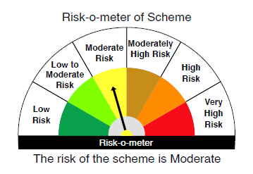
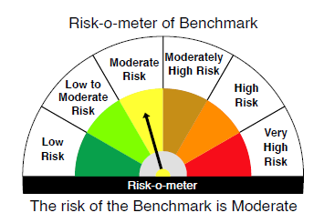

 | Max Credit Risk of scheme→ Max Interest Rate Risk of the scheme ↓ | Relatively Low (Class A: CRV >=12) | Moderate (Class B : CRV >=10) | Relatively High (Class C: CRV <10)

 | Relatively Low Class I: (MD<=1 year)

 | Moderate Class II: (MD<=3 years)

 | Relatively High Class III: Any Macaulay duration | A-III

