YO06
 | Motilal Oswal Ultra Short Term Fund

 | Fortnightly Portfolio Statement as on October 31,2025
 | Name of the Instrument | ISIN | Rating | Quantity | Market/Fair Value (Rs. in Lacs) | % to Net Assets | YTM
 | Money Market Instruments
 | Certificate of Deposit
IDBK520 | IDFC First Bank Limited (18/11/2025) ** # | INE092T16XS1 | CRISIL A1+ | 2,500,000 | 2,493.14 | 4.36% | 5.91%
BKIN460 | Bank of India (28/11/2025) ** # | INE084A16CS2 | CRISIL A1+ | 2,500,000 | 2,489.19 | 4.35% | 5.87%
CANB1018 | Canara Bank (12/12/2025) # | INE476A16ZQ5 | CRISIL A1+ | 2,500,000 | 2,483.53 | 4.34% | 5.91%
PUBA1074 | Punjab National Bank (08/01/2026) ** # | INE160A16QT8 | CRISIL A1+ | 2,500,000 | 2,472.34 | 4.32% | 6.01%
NBAR839 | National Bank For Agriculture and Rural Development (25/03/2026) ** # | INE261F16AA7 | CRISIL A1+ | 2,500,000 | 2,441.25 | 4.27% | 6.10%
SIDB604 | Small Industries Dev Bank of India (05/05/2026) ** # | INE556F16BH3 | CRISIL A1+ | 2,500,000 | 2,422.94 | 4.24% | 6.28%
BKBA530 | Bank of Baroda (25/05/2026) ** # | INE028A16JR6 | FITCH A1+ | 2,500,000 | 2,415.22 | 4.22% | 6.25%
EXIM808 | Export Import Bank of India (11/06/2026) ** # | INE514E16CM3 | CRISIL A1+ | 2,500,000 | 2,408.87 | 4.21% | 6.22%
INBK489 | Indian Bank (12/06/2026) ** # | INE562A16PB5 | CRISIL A1+ | 2,500,000 | 2,408.19 | 4.21% | 6.24%
UNBI444 | Union Bank of India (25/06/2026) ** # | INE692A16JQ1 | ICRA A1+ | 2,500,000 | 2,402.79 | 4.20% | 6.26%
UTIB1369 | Axis Bank Limited (11/08/2026) ** # | INE238AD6BD9 | CRISIL A1+ | 2,500,000 | 2,381.55 | 4.17% | 6.42%
HDFB1015 | HDFC Bank Limited (11/09/2026) ** # | INE040A16HN4 | CRISIL A1+ | 2,500,000 | 2,369.35 | 4.14% | 6.41%
 | Sub Total |  |  |  | 29,188.36 | 51.03%
 | Commercial Paper
CHOL1084 | Cholamandalam Investment and Finance Company Ltd (14/11/2025) ** | INE121A14XG8 | CRISIL A1+ | 2,500,000 | 2,494.31 | 4.36% | 6.40%
MUFL443 | Muthoot Finance Limited (12/01/2026) ** | INE414G14UB1 | ICRA A1+ | 2,500,000 | 2,466.77 | 4.32% | 6.83%
KOMP1732 | Kotak Mahindra Prime Limited (27/03/2026) ** | INE916D144Z5 | CRISIL A1+ | 2,500,000 | 2,435.37 | 4.26% | 6.64%
TCAL520 | Tata Capital Limited (21/05/2026) ** | INE976I14PZ4 | CRISIL A1+ | 2,500,000 | 2,410.53 | 4.22% | 6.74%
 | Sub Total |  |  |  | 9,806.98 | 17.16%
 | Treasury Bill
TBIL2453 | 364 Days Tbill (MD 26/12/2025) | IN002024Z370 | SOVEREIGN | 7,500,000 | 7,439.27 | 13.01% | 5.42%
TBIL2471 | 364 Days Tbill (MD 12/02/2026) | IN002024Z446 | SOVEREIGN | 3,000,000 | 2,954.28 | 5.17% | 5.48%
TBIL2429 | 364 Days Tbill (MD 06/11/2025) | IN002024Z305 | SOVEREIGN | 2,500,000 | 2,498.11 | 4.37% | 5.52%
TBIL2431 | 364 Days Tbill (MD 13/11/2025) | IN002024Z313 | SOVEREIGN | 2,500,000 | 2,495.53 | 4.37% | 5.45%
 | Sub Total |  |  |  | 15,387.19 | 26.92%
 | Total |  |  |  | 54,382.53 | 95.11%
 | Others
 | Corporate Debt Market Development Fund
CDMD50ME | Corporate Debt Market Development Fund | INF0RQ622028 |  | 1,358 | 155.40 | 0.27%
 | Sub Total |  |  |  | 155.40 | 0.27%
 | Total |  |  |  | 155.40 | 0.27%
 | Tri-Party REPO - Corporate Bonds for which settlement is guaranteed by clearing corporation
TRP_031125 | TRP_031125 |  |  |  | 2,568.20 | 4.49% | 5.68%
 | Sub Total |  |  |  | 2,568.20 | 4.49%
 | Total |  |  |  | 2,568.20 | 4.49%
 | Net Receivables / (Payables) |  |  |  | 60.63 | 0.13%
 | GRAND TOTAL |  |  |  | 57,166.76 | 100.00%

 | ** Thinly Traded / Non Traded Security
 | # Unlisted Security

 | SCHEME RISK-O-METER |  |  | BENCHMARK NAME - CRISIL ULTRA SHORT DURATION FUND AI INDEX
 |  |  |  | BENCHMARK RISK-O-METER
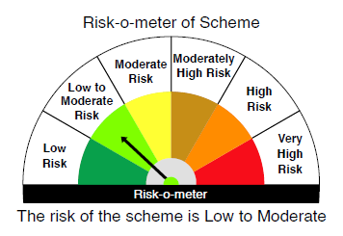
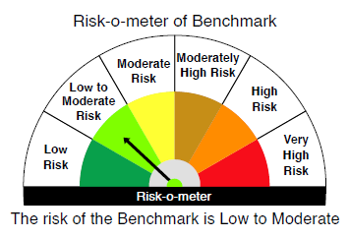

 |  | Relatively Low (Class A: CRV >=12) | Moderate (Class B : CRV >=10) | Relatively High (Class C: CRV <10)

 | Relatively Low Class I: (MD<=1 year) |  | B-I

 | Moderate Class II: (MD<=3 years)

 | Relatively High Class III: Any Macaulay duration

YO25
 | Motilal Oswal Nifty 5 year Benchmark G-Sec ETF

 | Fortnightly Portfolio Statement as on October 31,2025
 | Name of the Instrument | ISIN | Rating | Quantity | Market/Fair Value (Rs. in Lacs) | % to Net Assets | YTM
 | Debt Instruments
 | (a) Listed / awaiting listing on Stock Exchange
GOI6919 | 6.01% Government of India (21/07/2030) | IN0020250067 | SOVEREIGN | 13,634,000 | 13,540.54 | 98.32% | 6.27%
 | Sub Total |  |  |  | 13,540.54 | 98.32%
 | (b) Privately placed / Unlisted |  |  |  | NIL | NIL
 | Sub Total |  |  |  | NIL | NIL
 | Total |  |  |  | 13,540.54 | 98.32%
 | Net Receivables / (Payables) |  |  |  | 231.62 | 1.68%
 | GRAND TOTAL |  |  |  | 13,772.16 | 100.00%

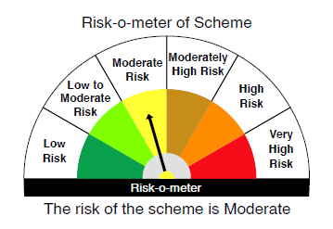
 | SCHEME RISK-O-METER |  |  |  | BENCHMARK NAME - NIFTY 5 YR BENCHMARK G-SEC INDEX
 |  |  |  |  | BENCHMARK RISK-O-METER
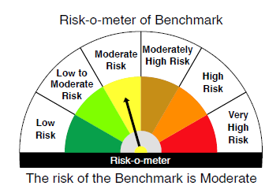

 | Max Credit Risk of scheme→ Max Interest Rate Risk of the scheme ↓ | Relatively Low (Class A: CRV >=12) | Moderate (Class B : CRV >=10) | Relatively High (Class C: CRV <10)

 | Relatively Low Class I: (MD<=1 year)

 | Moderate Class II: (MD<=3 years)

 | Relatively High Class III: Any Macaulay duration | A-III

