YO06
 | Motilal Oswal Ultra Short Term Fund

 | Fortnightly Portfolio Statement as on October 15,2025
 | Name of the Instrument | ISIN | Rating | Quantity | Market/Fair Value (Rs. in Lacs) | % to Net Assets | YTM
 | Money Market Instruments
 | Certificate of Deposit
IDBK520 | IDFC First Bank Limited (18/11/2025) ** # | INE092T16XS1 | CRISIL A1+ | 2,500,000 | 2,486.91 | 4.26% | 5.82%
BKIN460 | Bank of India (28/11/2025) ** # | INE084A16CS2 | CRISIL A1+ | 2,500,000 | 2,483.09 | 4.25% | 5.78%
CANB1018 | Canara Bank (12/12/2025) ** # | INE476A16ZQ5 | CRISIL A1+ | 2,500,000 | 2,477.56 | 4.25% | 5.80%
PUBA1074 | Punjab National Bank (08/01/2026) # | INE160A16QT8 | CRISIL A1+ | 2,500,000 | 2,466.20 | 4.23% | 5.96%
NBAR839 | National Bank For Agriculture and Rural Development (25/03/2026) ** # | INE261F16AA7 | CRISIL A1+ | 2,500,000 | 2,435.41 | 4.17% | 6.05%
SIDB604 | Small Industries Dev Bank of India (05/05/2026) ** # | INE556F16BH3 | CRISIL A1+ | 2,500,000 | 2,417.14 | 4.14% | 6.22%
BKBA530 | Bank of Baroda (25/05/2026) ** # | INE028A16JR6 | FITCH A1+ | 2,500,000 | 2,409.41 | 4.13% | 6.21%
EXIM808 | Export Import Bank of India (11/06/2026) ** # | INE514E16CM3 | CRISIL A1+ | 2,500,000 | 2,403.09 | 4.12% | 6.19%
INBK489 | Indian Bank (12/06/2026) ** # | INE562A16PB5 | CRISIL A1+ | 2,500,000 | 2,402.54 | 4.12% | 6.20%
UNBI444 | Union Bank of India (25/06/2026) ** # | INE692A16JQ1 | ICRA A1+ | 2,500,000 | 2,397.54 | 4.11% | 6.19%
UTIB1369 | Axis Bank Limited (11/08/2026) # | INE238AD6BD9 | CRISIL A1+ | 2,500,000 | 2,376.29 | 4.07% | 6.36%
HDFB1015 | HDFC Bank Limited (11/09/2026) ** # | INE040A16HN4 | CRISIL A1+ | 2,500,000 | 2,363.66 | 4.05% | 6.38%
 | Sub Total |  |  |  | 29,118.84 | 49.90%
 | Commercial Paper
CHOL1084 | Cholamandalam Investment and Finance Company Ltd (14/11/2025) ** | INE121A14XG8 | CRISIL A1+ | 2,500,000 | 2,487.10 | 4.26% | 6.53%
MUFL443 | Muthoot Finance Limited (12/01/2026) | INE414G14UB1 | ICRA A1+ | 2,500,000 | 2,459.68 | 4.21% | 6.80%
KOMP1732 | Kotak Mahindra Prime Limited (27/03/2026) ** | INE916D144Z5 | CRISIL A1+ | 2,500,000 | 2,429.22 | 4.16% | 6.56%
TCAL520 | Tata Capital Limited (21/05/2026) ** | INE976I14PZ4 | CRISIL A1+ | 2,500,000 | 2,404.03 | 4.12% | 6.71%
 | Sub Total |  |  |  | 9,780.03 | 16.75%
 | Treasury Bill
TBIL2453 | 364 Days Tbill (MD 26/12/2025) | IN002024Z370 | SOVEREIGN | 7,500,000 | 7,421.95 | 12.72% | 5.41%
TBIL2471 | 364 Days Tbill (MD 12/02/2026) | IN002024Z446 | SOVEREIGN | 3,000,000 | 2,947.25 | 5.05% | 5.49%
TBIL2429 | 364 Days Tbill (MD 06/11/2025) | IN002024Z305 | SOVEREIGN | 2,500,000 | 2,492.26 | 4.27% | 5.40%
TBIL2431 | 364 Days Tbill (MD 13/11/2025) | IN002024Z313 | SOVEREIGN | 2,500,000 | 2,489.69 | 4.27% | 5.40%
 | Sub Total |  |  |  | 15,351.15 | 26.31%
 | Total |  |  |  | 54,250.02 | 92.96%
 | Others
 | Corporate Debt Market Development Fund
CDMD50ME | Corporate Debt Market Development Fund | INF0RQ622028 |  | 1,358 | 155.07 | 0.27%
 | Sub Total |  |  |  | 155.07 | 0.27%
 | Total |  |  |  | 155.07 | 0.27%
 | Tri-Party REPO - Corporate Bonds for which settlement is guaranteed by clearing corporation
TRP_161025 | TRP_161025 |  |  |  | 3,884.00 | 6.66% | 5.45%
 | Sub Total |  |  |  | 3,884.00 | 6.66%
 | Total |  |  |  | 3,884.00 | 6.66%
 | Net Receivables / (Payables) |  |  |  | 70.36 | 0.11%
 | GRAND TOTAL |  |  |  | 58,359.45 | 100.00%

 | ** Thinly Traded / Non Traded Security
 | # Unlisted Security

 | SCHEME RISK-O-METER |  |  | BENCHMARK NAME - CRISIL ULTRA SHORT DURATION FUND AI INDEX
 |  |  |  | BENCHMARK RISK-O-METER
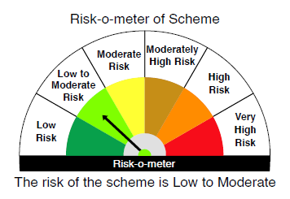
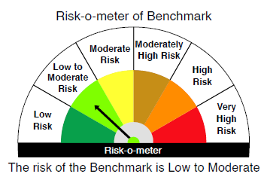

 |  | Relatively Low (Class A: CRV >=12) | Moderate (Class B : CRV >=10) | Relatively High (Class C: CRV <10)

 | Relatively Low Class I: (MD<=1 year) |  | B-I

 | Moderate Class II: (MD<=3 years)

 | Relatively High Class III: Any Macaulay duration

YO25
 | Motilal Oswal Nifty 5 year Benchmark G-Sec ETF

 | Fortnightly Portfolio Statement as on October 15,2025
 | Name of the Instrument | ISIN | Rating | Quantity | Market/Fair Value (Rs. in Lacs) | % to Net Assets | YTM
 | Debt Instruments
 | (a) Listed / awaiting listing on Stock Exchange
GOI6919 | 6.01% Government of India (21/07/2030) | IN0020250067 | SOVEREIGN | 13,487,200 | 13,428.41 | 98.57% | 6.21%
 | Sub Total |  |  |  | 13,428.41 | 98.57%
 | (b) Privately placed / Unlisted |  |  |  | NIL | NIL
 | Sub Total |  |  |  | NIL | NIL
 | Total |  |  |  | 13,428.41 | 98.57%
 | Net Receivables / (Payables) |  |  |  | 194.80 | 1.43%
 | GRAND TOTAL |  |  |  | 13,623.21 | 100.00%

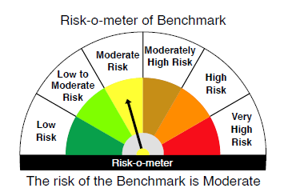
 | SCHEME RISK-O-METER |  |  |  | BENCHMARK NAME - NIFTY 5 YR BENCHMARK G-SEC INDEX
 |  |  |  |  | BENCHMARK RISK-O-METER
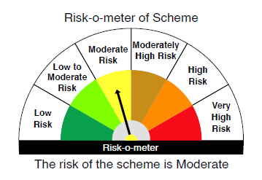

 | Max Credit Risk of scheme→ Max Interest Rate Risk of the scheme ↓ | Relatively Low (Class A: CRV >=12) | Moderate (Class B : CRV >=10) | Relatively High (Class C: CRV <10)

 | Relatively Low Class I: (MD<=1 year)

 | Moderate Class II: (MD<=3 years)

 | Relatively High Class III: Any Macaulay duration | A-III

