YO06
 | Motilal Oswal Ultra Short Term Fund

 | Fortnightly Portfolio Statement as on September 30,2025
 | Name of the Instrument | ISIN | Rating | Quantity | Market/Fair Value (Rs. in Lacs) | % to Net Assets | YTM
 | Money Market Instruments
 | Certificate of Deposit
BKBA497 | Bank of Baroda (13/10/2025) # | INE028A16IH9 | FITCH A1+ | 2,500,000 | 2,495.15 | 4.13% | 5.92%
IDBK520 | IDFC First Bank Limited (18/11/2025) ** # | INE092T16XS1 | CRISIL A1+ | 2,500,000 | 2,480.79 | 4.11% | 5.89%
BKIN460 | Bank of India (28/11/2025) ** # | INE084A16CS2 | CRISIL A1+ | 2,500,000 | 2,476.88 | 4.10% | 5.87%
CANB1018 | Canara Bank (12/12/2025) ** # | INE476A16ZQ5 | CRISIL A1+ | 2,500,000 | 2,471.92 | 4.09% | 5.76%
NBAR839 | National Bank For Agriculture and Rural Development (25/03/2026) ** # | INE261F16AA7 | CRISIL A1+ | 2,500,000 | 2,428.53 | 4.02% | 6.14%
SIDB604 | Small Industries Dev Bank of India (05/05/2026) ** # | INE556F16BH3 | CRISIL A1+ | 2,500,000 | 2,409.87 | 3.99% | 6.32%
EXIM808 | Export Import Bank of India (11/06/2026) ** # | INE514E16CM3 | CRISIL A1+ | 2,500,000 | 2,396.19 | 3.97% | 6.25%
INBK489 | Indian Bank (12/06/2026) ** # | INE562A16PB5 | CRISIL A1+ | 2,500,000 | 2,395.68 | 3.97% | 6.26%
UNBI444 | Union Bank of India (25/06/2026) # | INE692A16JQ1 | ICRA A1+ | 2,500,000 | 2,389.61 | 3.96% | 6.32%
UTIB1369 | Axis Bank Limited (11/08/2026) ** # | INE238AD6BD9 | CRISIL A1+ | 2,500,000 | 2,369.73 | 3.92% | 6.39%
HDFB1015 | HDFC Bank Limited (11/09/2026) # | INE040A16HN4 | CRISIL A1+ | 2,500,000 | 2,357.40 | 3.90% | 6.40%
UTIB1333 | Axis Bank Limited (08/10/2025) ** # | INE238AD6934 | CRISIL A1+ | 500,000 | 499.44 | 0.83% | 5.89%
 | Sub Total |  |  |  | 27,171.19 | 44.99%
 | Commercial Paper
CHOL1084 | Cholamandalam Investment and Finance Company Ltd (14/11/2025) ** | INE121A14XG8 | CRISIL A1+ | 2,500,000 | 2,479.92 | 4.11% | 6.72%
KOMP1732 | Kotak Mahindra Prime Limited (27/03/2026) ** | INE916D144Z5 | CRISIL A1+ | 2,500,000 | 2,422.61 | 4.01% | 6.59%
TCAL520 | Tata Capital Limited (21/05/2026) ** | INE976I14PZ4 | CRISIL A1+ | 2,500,000 | 2,397.23 | 3.97% | 6.75%
 | Sub Total |  |  |  | 7,299.76 | 12.09%
 | Treasury Bill
TBIL2453 | 364 Days Tbill (MD 26/12/2025) | IN002024Z370 | SOVEREIGN | 7,500,000 | 7,405.55 | 12.26% | 5.41%
TBIL2414 | 364 Days Tbill (MD 09/10/2025) | IN002024Z263 | SOVEREIGN | 4,500,000 | 4,494.68 | 7.44% | 5.40%
TBIL2471 | 364 Days Tbill (MD 12/02/2026) | IN002024Z446 | SOVEREIGN | 3,000,000 | 2,940.55 | 4.87% | 5.51%
TBIL2429 | 364 Days Tbill (MD 06/11/2025) | IN002024Z305 | SOVEREIGN | 2,500,000 | 2,486.76 | 4.12% | 5.40%
TBIL2431 | 364 Days Tbill (MD 13/11/2025) | IN002024Z313 | SOVEREIGN | 2,500,000 | 2,484.20 | 4.11% | 5.40%
 | Sub Total |  |  |  | 19,811.74 | 32.80%
 | Total |  |  |  | 54,282.69 | 89.88%
 | Others
 | Corporate Debt Market Development Fund
CDMD50ME | Corporate Debt Market Development Fund | INF0RQ622028 |  | 1,358 | 154.65 | 0.26%
 | Sub Total |  |  |  | 154.65 | 0.26%
 | Total |  |  |  | 154.65 | 0.26%
 | Tri-Party REPO - Corporate Bonds for which settlement is guaranteed by clearing corporation
TRP_011025 | TRP_011025 |  |  |  | 6,908.00 | 11.44% | 5.70%
 | Sub Total |  |  |  | 6,908.00 | 11.44%
 | Total |  |  |  | 6,908.00 | 11.44%
 | Net Receivables / (Payables) |  |  |  | (963.44) | (1.58)%
 | GRAND TOTAL |  |  |  | 60,381.90 | 100.00%

 | ** Thinly Traded / Non Traded Security
 | # Unlisted Security

 | SCHEME RISK-O-METER |  |  | BENCHMARK NAME - CRISIL ULTRA SHORT DURATION FUND AI INDEX
 |  |  |  | BENCHMARK RISK-O-METER
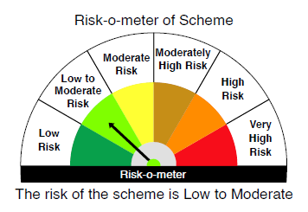
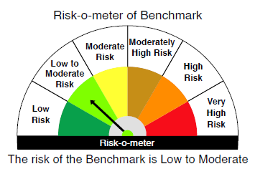

 |  | Relatively Low (Class A: CRV >=12) | Moderate (Class B : CRV >=10) | Relatively High (Class C: CRV <10)

 | Relatively Low Class I: (MD<=1 year) |  | B-I

 | Moderate Class II: (MD<=3 years)

 | Relatively High Class III: Any Macaulay duration

YO25
 | Motilal Oswal Nifty 5 year Benchmark G-Sec ETF

 | Fortnightly Portfolio Statement as on September 30,2025
 | Name of the Instrument | ISIN | Rating | Quantity | Market/Fair Value (Rs. in Lacs) | % to Net Assets | YTM
 | Debt Instruments
 | (a) Listed / awaiting listing on Stock Exchange
GOI6919 | 6.01% Government of India (21/07/2030) | IN0020250067 | SOVEREIGN | 13,303,200 | 13,194.38 | 98.82% | 6.30%
 | Sub Total |  |  |  | 13,194.38 | 98.82%
 | (b) Privately placed / Unlisted |  |  |  | NIL | NIL
 | Sub Total |  |  |  | NIL | NIL
 | Total |  |  |  | 13,194.38 | 98.82%
 | Net Receivables / (Payables) |  |  |  | 158.15 | 1.18%
 | GRAND TOTAL |  |  |  | 13,352.53 | 100.00%

 | SCHEME RISK-O-METER |  |  |  | BENCHMARK NAME - NIFTY 5 YR BENCHMARK G-SEC INDEX
 |  |  |  |  | BENCHMARK RISK-O-METER
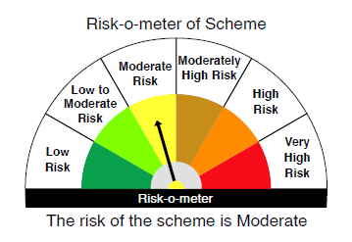
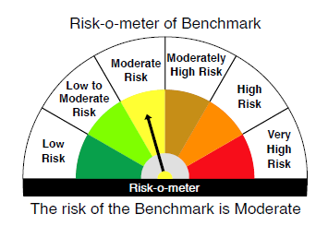

 | Max Credit Risk of scheme→ Max Interest Rate Risk of the scheme ↓ | Relatively Low (Class A: CRV >=12) | Moderate (Class B : CRV >=10) | Relatively High (Class C: CRV <10)

 | Relatively Low Class I: (MD<=1 year)

 | Moderate Class II: (MD<=3 years)

 | Relatively High Class III: Any Macaulay duration | A-III

