YO06
 | Motilal Oswal Ultra Short Term Fund

 | Fortnightly Portfolio Statement as on August 31,2025
 | Name of the Instrument | ISIN | Rating | Quantity | Market/Fair Value (Rs. in Lacs) | % to Net Assets | YTM
 | Money Market Instruments
 | Certificate of Deposit
BKBA497 | Bank of Baroda (13/10/2025) ** # | INE028A16IH9 | FITCH A1+ | 2,500,000 | 2,483.43 | 4.14% | 5.80%
IDBK520 | IDFC First Bank Limited (18/11/2025) ** # | INE092T16XS1 | CRISIL A1+ | 2,500,000 | 2,469.00 | 4.11% | 5.88%
BKIN460 | Bank of India (28/11/2025) ** # | INE084A16CS2 | CRISIL A1+ | 2,500,000 | 2,465.29 | 4.11% | 5.84%
UNBI408 | Union Bank of India (05/12/2025) ** # | INE692A16ID1 | ICRA A1+ | 2,500,000 | 2,462.30 | 4.10% | 5.88%
CANB1018 | Canara Bank (12/12/2025) ** # | INE476A16ZQ5 | CRISIL A1+ | 2,500,000 | 2,459.53 | 4.10% | 5.89%
NBAR839 | National Bank For Agriculture and Rural Development (25/03/2026) ** # | INE261F16AA7 | CRISIL A1+ | 2,500,000 | 2,416.53 | 4.03% | 6.15%
INBK489 | Indian Bank (12/06/2026) ** # | INE562A16PB5 | CRISIL A1+ | 2,500,000 | 2,383.36 | 3.97% | 6.29%
UTIB1369 | Axis Bank Limited (11/08/2026) ** # | INE238AD6BD9 | CRISIL A1+ | 2,500,000 | 2,357.68 | 3.93% | 6.41%
UTIB1333 | Axis Bank Limited (08/10/2025) # | INE238AD6934 | CRISIL A1+ | 500,000 | 497.08 | 0.83% | 5.80%
 | Sub Total |  |  |  | 19,994.20 | 33.32%
 | Commercial Paper
HDBF341 | HDB Financial Services Limited (04/09/2025) ** | INE756I14EW1 | CRISIL A1+ | 2,500,000 | 2,498.76 | 4.16% | 6.07%
CHOL1084 | Cholamandalam Investment and Finance Company Ltd (14/11/2025) ** | INE121A14XG8 | CRISIL A1+ | 2,500,000 | 2,467.44 | 4.11% | 6.51%
KOMP1732 | Kotak Mahindra Prime Limited (27/03/2026) ** | INE916D144Z5 | CRISIL A1+ | 2,500,000 | 2,411.78 | 4.02% | 6.45%
TCAL520 | Tata Capital Limited (21/05/2026) ** | INE976I14PZ4 | CRISIL A1+ | 2,500,000 | 2,385.69 | 3.97% | 6.68%
 | Sub Total |  |  |  | 9,763.67 | 16.26%
 | Treasury Bill
TBIL2453 | 364 Days Tbill (MD 26/12/2025) | IN002024Z370 | SOVEREIGN | 7,500,000 | 7,371.41 | 12.28% | 5.49%
TBIL2414 | 364 Days Tbill (MD 09/10/2025) | IN002024Z263 | SOVEREIGN | 4,500,000 | 4,474.66 | 7.45% | 5.44%
TBIL2405 | 364 Days Tbill (MD 04/09/2025) | IN002024Z230 | SOVEREIGN | 3,000,000 | 2,998.67 | 5.00% | 5.40%
TBIL2471 | 364 Days Tbill (MD 12/02/2026) | IN002024Z446 | SOVEREIGN | 3,000,000 | 2,926.70 | 4.88% | 5.57%
TBIL2429 | 364 Days Tbill (MD 06/11/2025) | IN002024Z305 | SOVEREIGN | 2,500,000 | 2,475.65 | 4.12% | 5.44%
TBIL2431 | 364 Days Tbill (MD 13/11/2025) | IN002024Z313 | SOVEREIGN | 2,500,000 | 2,473.19 | 4.12% | 5.42%
 | Sub Total |  |  |  | 22,720.28 | 37.85%
 | Total |  |  |  | 52,478.15 | 87.43%
 | Others
 | Corporate Debt Market Development Fund
CDMD50ME | Corporate Debt Market Development Fund | INF0RQ622028 |  | 1,358 | 153.91 | 0.26%
 | Sub Total |  |  |  | 153.91 | 0.26%
 | Total |  |  |  | 153.91 | 0.26%
 | Tri-Party REPO - Corporate Bonds for which settlement is guaranteed by clearing corporation
TRP_010925 | TRP_010925 |  |  |  | 6,275.00 | 10.45% | 5.43%
 | Sub Total |  |  |  | 6,275.00 | 10.45%
 | Total |  |  |  | 6,275.00 | 10.45%
 | Net Receivables / (Payables) |  |  |  | 1,124.05 | 1.86%
 | GRAND TOTAL |  |  |  | 60,031.11 | 100.00%

 | ** Thinly Traded / Non Traded Security
 | # Unlisted Security

 | SCHEME RISK-O-METER |  |  | BENCHMARK NAME - CRISIL ULTRA SHORT DURATION FUND AI INDEX
 |  |  |  | BENCHMARK RISK-O-METER
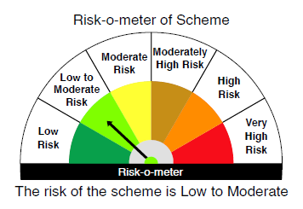
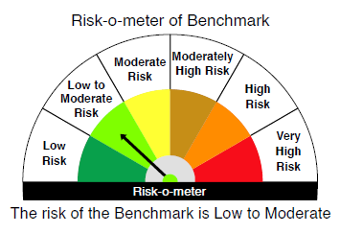

 |  | Relatively Low (Class A: CRV >=12) | Moderate (Class B : CRV >=10) | Relatively High (Class C: CRV <10)

 | Relatively Low Class I: (MD<=1 year) |  | B-I

 | Moderate Class II: (MD<=3 years)

 | Relatively High Class III: Any Macaulay duration

YO25
 | Motilal Oswal Nifty 5 year Benchmark G-Sec ETF

 | Fortnightly Portfolio Statement as on August 31,2025
 | Name of the Instrument | ISIN | Rating | Quantity | Market/Fair Value (Rs. in Lacs) | % to Net Assets | YTM
 | Debt Instruments
 | (a) Listed / awaiting listing on Stock Exchange
GOI6919 | 6.01% Government of India (21/07/2030) | IN0020250067 | SOVEREIGN | 13,082,000 | 12,925.70 | 99.30% | 6.39%
 | Sub Total |  |  |  | 12,925.70 | 99.30%
 | (b) Privately placed / Unlisted |  |  |  | NIL | NIL
 | Sub Total |  |  |  | NIL | NIL
 | Total |  |  |  | 12,925.70 | 99.30%
 | Net Receivables / (Payables) |  |  |  | 90.57 | 0.70%
 | GRAND TOTAL |  |  |  | 13,016.27 | 100.00%

 | SCHEME RISK-O-METER |  |  |  | BENCHMARK NAME - NIFTY 5 YR BENCHMARK G-SEC INDEX
 |  |  |  |  | BENCHMARK RISK-O-METER
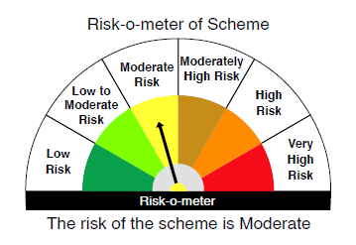
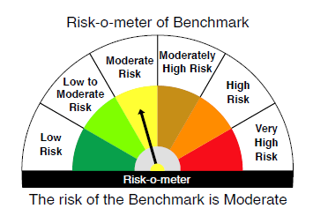

 | Max Credit Risk of scheme→ Max Interest Rate Risk of the scheme ↓ | Relatively Low (Class A: CRV >=12) | Moderate (Class B : CRV >=10) | Relatively High (Class C: CRV <10)

 | Relatively Low Class I: (MD<=1 year)

 | Moderate Class II: (MD<=3 years)

 | Relatively High Class III: Any Macaulay duration | A-III

