YO06
 | Motilal Oswal Ultra Short Term Fund

 | Fortnightly Portfolio Statement as on March 31,2026
 | Name of the Instrument | ISIN | Rating | Quantity | Market/Fair Value (Rs. in Lacs) | % to Net Assets | YTM
 | Money Market Instruments
 | Certificate of Deposit
SIDB604 | Small Industries Dev Bank of India (05/05/2026) # | INE556F16BH3 | CRISIL A1+ | 2,500,000 | 2,481.74 | 6.04% | 7.90%
BKBA530 | Bank of Baroda (25/05/2026) # | INE028A16JR6 | FITCH A1+ | 2,500,000 | 2,471.12 | 6.01% | 7.90%
FEBA351 | The Federal Bank Limited (29/05/2026) ** # | INE171A16MY4 | CRISIL A1+ | 2,500,000 | 2,468.33 | 6.01% | 8.08%
EXIM808 | Export Import Bank of India (11/06/2026) ** # | INE514E16CM3 | CRISIL A1+ | 2,500,000 | 2,464.79 | 6.00% | 7.35%
INBK489 | Indian Bank (12/06/2026) ** # | INE562A16PB5 | CRISIL A1+ | 2,500,000 | 2,464.18 | 5.99% | 7.37%
UNBI444 | Union Bank of India (25/06/2026) ** # | INE692A16JQ1 | ICRA A1+ | 2,500,000 | 2,457.76 | 5.98% | 7.38%
UTIB1369 | Axis Bank Limited (11/08/2026) ** # | INE238AD6BD9 | CRISIL A1+ | 2,500,000 | 2,435.27 | 5.92% | 7.35%
HDFB1015 | HDFC Bank Limited (11/09/2026) # | INE040A16HN4 | CRISIL A1+ | 2,500,000 | 2,420.76 | 5.89% | 7.33%
 | Sub Total |  |  |  | 19,663.95 | 47.84%
 | Commercial Paper
TCAL520 | Tata Capital Limited (21/05/2026) ** | INE976I14PZ4 | CRISIL A1+ | 2,500,000 | 2,471.86 | 6.01% | 8.31%
SUFI773 | Sundaram Finance Limited (31/07/2026) ** | INE660A14YR0 | CRISIL A1+ | 2,500,000 | 2,438.13 | 5.93% | 7.65%
BAFL1005 | Bajaj Finance Limited (06/11/2026) ** | INE296A14D21 | CRISIL A1+ | 2,500,000 | 2,390.29 | 5.82% | 7.65%
 | Sub Total |  |  |  | 7,300.28 | 17.76%
 | Treasury Bill
TBIL2542 | 364 Days Tbill (MD 30/07/2026) | IN002025Z187 | SOVEREIGN | 7,500,000 | 7,369.19 | 17.93% | 5.40%
TBIL2588 | 182 Days Tbill (MD 14/05/2026) | IN002025Y339 | SOVEREIGN | 2,500,000 | 2,484.63 | 6.04% | 5.25%
TBIL2560 | 364 Days Tbill (MD 10/09/2026) | IN002025Z245 | SOVEREIGN | 2,500,000 | 2,440.13 | 5.94% | 5.53%
 | Sub Total |  |  |  | 12,293.95 | 29.91%
 | Total |  |  |  | 39,258.18 | 95.51%
 | Others
 | Corporate Debt Market Development Fund
CDMD50ME | Corporate Debt Market Development Fund | INF0RQ622028 |  | 1,358 | 158.82 | 0.39%
 | Sub Total |  |  |  | 158.82 | 0.39%
 | Total |  |  |  | 158.82 | 0.39%
 | Tri-Party REPO - Corporate Bonds for which settlement is guaranteed by clearing corporation
TRP_020426 | TRP_020426 |  |  |  | 1,834.66 | 4.46% | 6.68%
 | Sub Total |  |  |  | 1,834.66 | 4.46%
 | Total |  |  |  | 1,834.66 | 4.46%
 | Net Receivables / (Payables) |  |  |  | (147.31) | (0.36)%
 | GRAND TOTAL |  |  |  | 41,104.35 | 100.00%

 | ** Thinly Traded / Non Traded Security
 | # Unlisted Security

 | SCHEME RISK-O-METER |  |  | BENCHMARK NAME - CRISIL ULTRA SHORT DURATION FUND AI INDEX
 |  |  |  | BENCHMARK RISK-O-METER
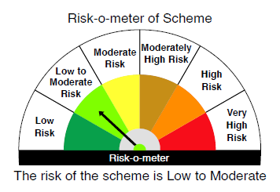
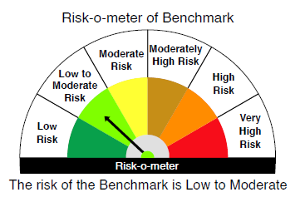

 |  | Relatively Low (Class A: CRV >=12) | Moderate (Class B : CRV >=10) | Relatively High (Class C: CRV <10)

 | Relatively Low Class I: (MD<=1 year) |  | B-I

 | Moderate Class II: (MD<=3 years)

 | Relatively High Class III: Any Macaulay duration

YO25
 | Motilal Oswal Nifty 5 year Benchmark G-Sec ETF

 | Fortnightly Portfolio Statement as on March 31,2026
 | Name of the Instrument | ISIN | Rating | Quantity | Market/Fair Value (Rs. in Lacs) | % to Net Assets | YTM
 | Debt Instruments
 | (a) Listed / awaiting listing on Stock Exchange
GOI6919 | 6.01% Government of India (21/07/2030) | IN0020250067 | SOVEREIGN | 15,592,800 | 15,156.61 | 98.78% | 6.88%
 | Sub Total |  |  |  | 15,156.61 | 98.78%
 | (b) Privately placed / Unlisted |  |  |  | NIL | NIL
 | Sub Total |  |  |  | NIL | NIL
 | Total |  |  |  | 15,156.61 | 98.78%
 | Net Receivables / (Payables) |  |  |  | 187.50 | 1.22%
 | GRAND TOTAL |  |  |  | 15,344.11 | 100.00%

 | SCHEME RISK-O-METER |  |  |  | BENCHMARK NAME - NIFTY 5 YR BENCHMARK G-SEC INDEX
 |  |  |  |  | BENCHMARK RISK-O-METER
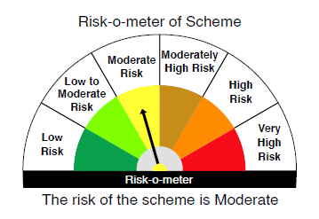
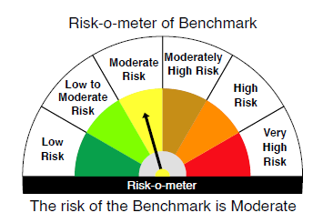

 | Max Credit Risk of scheme→ Max Interest Rate Risk of the scheme ↓ | Relatively Low (Class A: CRV >=12) | Moderate (Class B : CRV >=10) | Relatively High (Class C: CRV <10)

 | Relatively Low Class I: (MD<=1 year)

 | Moderate Class II: (MD<=3 years)

 | Relatively High Class III: Any Macaulay duration | A-III

