YO06
 | Motilal Oswal Ultra Short Term Fund

 | Fortnightly Portfolio Statement as on January 31,2026
 | Name of the Instrument | ISIN | Rating | Quantity | Market/Fair Value (Rs. in Lacs) | % to Net Assets | YTM
 | Money Market Instruments
 | Certificate of Deposit
NBAR839 | National Bank For Agriculture and Rural Development (25/03/2026) ** # | INE261F16AA7 | CRISIL A1+ | 2,500,000 | 2,476.49 | 4.95% | 6.67%
SIDB604 | Small Industries Dev Bank of India (05/05/2026) ** # | INE556F16BH3 | CRISIL A1+ | 2,500,000 | 2,454.44 | 4.91% | 7.28%
BKBA530 | Bank of Baroda (25/05/2026) # | INE028A16JR6 | FITCH A1+ | 2,500,000 | 2,445.34 | 4.89% | 7.22%
FEBA351 | The Federal Bank Limited (29/05/2026) ** # | INE171A16MY4 | CRISIL A1+ | 2,500,000 | 2,441.69 | 4.88% | 7.45%
EXIM808 | Export Import Bank of India (11/06/2026) ** # | INE514E16CM3 | CRISIL A1+ | 2,500,000 | 2,437.03 | 4.87% | 7.25%
CANB1067 | Canara Bank (12/06/2026) ** # | INE476A16E20 | CRISIL A1+ | 2,500,000 | 2,436.92 | 4.87% | 7.21%
INBK489 | Indian Bank (12/06/2026) ** # | INE562A16PB5 | CRISIL A1+ | 2,500,000 | 2,436.62 | 4.87% | 7.25%
UNBI444 | Union Bank of India (25/06/2026) # | INE692A16JQ1 | ICRA A1+ | 2,500,000 | 2,431.42 | 4.86% | 7.15%
UTIB1369 | Axis Bank Limited (11/08/2026) ** # | INE238AD6BD9 | CRISIL A1+ | 2,500,000 | 2,408.97 | 4.82% | 7.22%
HDFB1015 | HDFC Bank Limited (11/09/2026) # | INE040A16HN4 | CRISIL A1+ | 2,500,000 | 2,396.79 | 4.79% | 7.08%
 | Sub Total |  |  |  | 24,365.71 | 48.71%
 | Commercial Paper
KOMP1732 | Kotak Mahindra Prime Limited (27/03/2026) ** | INE916D144Z5 | CRISIL A1+ | 2,500,000 | 2,474.32 | 4.95% | 7.01%
TCAL520 | Tata Capital Limited (21/05/2026) ** | INE976I14PZ4 | CRISIL A1+ | 2,500,000 | 2,443.27 | 4.89% | 7.78%
SUFI773 | Sundaram Finance Limited (31/07/2026) ** | INE660A14YR0 | CRISIL A1+ | 2,500,000 | 2,407.97 | 4.82% | 7.75%
BAFL1005 | Bajaj Finance Limited (06/11/2026) ** | INE296A14D21 | CRISIL A1+ | 2,500,000 | 2,362.36 | 4.72% | 7.65%
 | Sub Total |  |  |  | 9,687.92 | 19.38%
 | Treasury Bill
TBIL2542 | 364 Days Tbill (MD 30/07/2026) | IN002025Z187 | SOVEREIGN | 7,500,000 | 7,298.82 | 14.60% | 5.62%
TBIL2471 | 364 Days Tbill (MD 12/02/2026) | IN002024Z446 | SOVEREIGN | 3,000,000 | 2,995.40 | 5.99% | 5.10%
TBIL2588 | 182 Days Tbill (MD 14/05/2026) | IN002025Y339 | SOVEREIGN | 2,500,000 | 2,461.97 | 4.92% | 5.53%
TBIL2560 | 364 Days Tbill (MD 10/09/2026) | IN002025Z245 | SOVEREIGN | 2,500,000 | 2,418.03 | 4.84% | 5.60%
 | Sub Total |  |  |  | 15,174.22 | 30.35%
 | Total |  |  |  | 49,227.85 | 98.44%
 | Others
 | Corporate Debt Market Development Fund
CDMD50ME | Corporate Debt Market Development Fund | INF0RQ622028 |  | 1,358 | 157.54 | 0.32%
 | Sub Total |  |  |  | 157.54 | 0.32%
 | Total |  |  |  | 157.54 | 0.32%
 | Tri-Party REPO - Corporate Bonds for which settlement is guaranteed by clearing corporation
TRP_020226 | TRP_020226 |  |  |  | 904.87 | 1.81% | 5.33%
 | Sub Total |  |  |  | 904.87 | 1.81%
 | Total |  |  |  | 904.87 | 1.81%
 | Net Receivables / (Payables) |  |  |  | (288.46) | (0.57)%
 | GRAND TOTAL |  |  |  | 50,001.80 | 100.00%

 | ** Thinly Traded / Non Traded Security
 | # Unlisted Security

 | SCHEME RISK-O-METER |  |  | BENCHMARK NAME - CRISIL ULTRA SHORT DURATION FUND AI INDEX
 |  |  |  | BENCHMARK RISK-O-METER
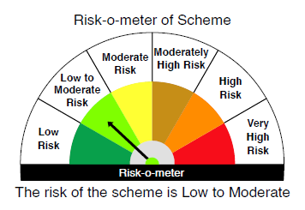
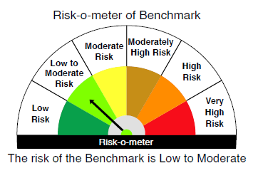

 |  | Relatively Low (Class A: CRV >=12) | Moderate (Class B : CRV >=10) | Relatively High (Class C: CRV <10)

 | Relatively Low Class I: (MD<=1 year) |  | B-I

 | Moderate Class II: (MD<=3 years)

 | Relatively High Class III: Any Macaulay duration

YO25
 | Motilal Oswal Nifty 5 year Benchmark G-Sec ETF

 | Fortnightly Portfolio Statement as on January 31,2026
 | Name of the Instrument | ISIN | Rating | Quantity | Market/Fair Value (Rs. in Lacs) | % to Net Assets | YTM
 | Debt Instruments
 | (a) Listed / awaiting listing on Stock Exchange
GOI6919 | 6.01% Government of India (21/07/2030) | IN0020250067 | SOVEREIGN | 15,433,400 | 15,223.74 | 99.80% | 6.46%
 | Sub Total |  |  |  | 15,223.74 | 99.80%
 | (b) Privately placed / Unlisted |  |  |  | NIL | NIL
 | Sub Total |  |  |  | NIL | NIL
 | Total |  |  |  | 15,223.74 | 99.80%
 | Net Receivables / (Payables) |  |  |  | 30.45 | 0.20%
 | GRAND TOTAL |  |  |  | 15,254.19 | 100.00%

 | SCHEME RISK-O-METER |  |  |  | BENCHMARK NAME - NIFTY 5 YR BENCHMARK G-SEC INDEX
 |  |  |  |  | BENCHMARK RISK-O-METER
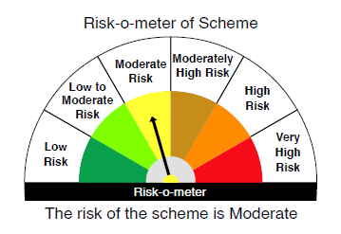
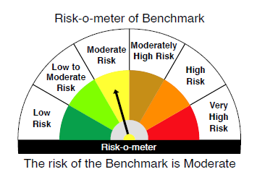

 | Max Credit Risk of scheme→ Max Interest Rate Risk of the scheme ↓ | Relatively Low (Class A: CRV >=12) | Moderate (Class B : CRV >=10) | Relatively High (Class C: CRV <10)

 | Relatively Low Class I: (MD<=1 year)

 | Moderate Class II: (MD<=3 years)

 | Relatively High Class III: Any Macaulay duration | A-III

