YO06
 | Motilal Oswal Ultra Short Term Fund

 | Fortnightly Portfolio Statement as on February 15,2026
 | Name of the Instrument | ISIN | Rating | Quantity | Market/Fair Value (Rs. in Lacs) | % to Net Assets | YTM
 | Money Market Instruments
 | Certificate of Deposit
SIDB604 | Small Industries Dev Bank of India (05/05/2026) ** # | INE556F16BH3 | CRISIL A1+ | 2,500,000 | 2,463.41 | 5.36% | 6.95%
BKBA530 | Bank of Baroda (25/05/2026) # | INE028A16JR6 | FITCH A1+ | 2,500,000 | 2,454.53 | 5.34% | 6.90%
FEBA351 | The Federal Bank Limited (29/05/2026) ** # | INE171A16MY4 | CRISIL A1+ | 2,500,000 | 2,451.25 | 5.33% | 7.12%
EXIM808 | Export Import Bank of India (11/06/2026) ** # | INE514E16CM3 | CRISIL A1+ | 2,500,000 | 2,446.83 | 5.32% | 6.90%
CANB1067 | Canara Bank (12/06/2026) # | INE476A16E20 | CRISIL A1+ | 2,500,000 | 2,445.98 | 5.32% | 6.95%
INBK489 | Indian Bank (12/06/2026) # | INE562A16PB5 | CRISIL A1+ | 2,500,000 | 2,445.98 | 5.32% | 6.95%
UNBI444 | Union Bank of India (25/06/2026) # | INE692A16JQ1 | ICRA A1+ | 2,500,000 | 2,440.49 | 5.31% | 6.90%
UTIB1369 | Axis Bank Limited (11/08/2026) ** # | INE238AD6BD9 | CRISIL A1+ | 2,500,000 | 2,418.96 | 5.26% | 6.95%
HDFB1015 | HDFC Bank Limited (11/09/2026) # | INE040A16HN4 | CRISIL A1+ | 2,500,000 | 2,405.07 | 5.23% | 6.96%
 | Sub Total |  |  |  | 21,972.50 | 47.79%
 | Commercial Paper
KOMP1732 | Kotak Mahindra Prime Limited (27/03/2026) ** | INE916D144Z5 | CRISIL A1+ | 2,500,000 | 2,483.09 | 5.40% | 6.37%
TCAL520 | Tata Capital Limited (21/05/2026) ** | INE976I14PZ4 | CRISIL A1+ | 2,500,000 | 2,453.08 | 5.34% | 7.43%
SUFI773 | Sundaram Finance Limited (31/07/2026) ** | INE660A14YR0 | CRISIL A1+ | 2,500,000 | 2,418.81 | 5.26% | 7.43%
BAFL1005 | Bajaj Finance Limited (06/11/2026) ** | INE296A14D21 | CRISIL A1+ | 2,500,000 | 2,373.45 | 5.16% | 7.40%
 | Sub Total |  |  |  | 9,728.43 | 21.16%
 | Treasury Bill
TBIL2542 | 364 Days Tbill (MD 30/07/2026) | IN002025Z187 | SOVEREIGN | 7,500,000 | 7,322.02 | 15.93% | 5.41%
TBIL2588 | 182 Days Tbill (MD 14/05/2026) | IN002025Y339 | SOVEREIGN | 2,500,000 | 2,468.99 | 5.37% | 5.27%
TBIL2560 | 364 Days Tbill (MD 10/09/2026) | IN002025Z245 | SOVEREIGN | 2,500,000 | 2,424.86 | 5.27% | 5.49%
 | Sub Total |  |  |  | 12,215.87 | 26.57%
 | Total |  |  |  | 43,916.80 | 95.52%
 | Others
 | Corporate Debt Market Development Fund
CDMD50ME | Corporate Debt Market Development Fund | INF0RQ622028 |  | 1,358 | 158.09 | 0.34%
 | Sub Total |  |  |  | 158.09 | 0.34%
 | Total |  |  |  | 158.09 | 0.34%
 | Tri-Party REPO - Corporate Bonds for which settlement is guaranteed by clearing corporation
TRP_160226 | TRP_160226 |  |  |  | 2,081.00 | 4.53% | 4.90%
 | Sub Total |  |  |  | 2,081.00 | 4.53%
 | Total |  |  |  | 2,081.00 | 4.53%
 | Net Receivables / (Payables) |  |  |  | (183.76) | (0.39)%
 | GRAND TOTAL |  |  |  | 45,972.13 | 100.00%

 | ** Thinly Traded / Non Traded Security
 | # Unlisted Security

 | SCHEME RISK-O-METER |  |  | BENCHMARK NAME - CRISIL ULTRA SHORT DURATION FUND AI INDEX
 |  |  |  | BENCHMARK RISK-O-METER
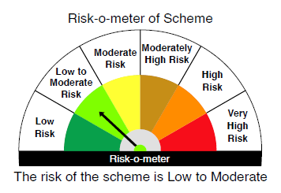
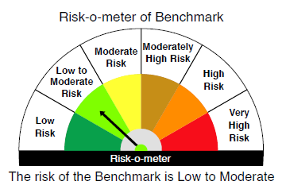

 |  | Relatively Low (Class A: CRV >=12) | Moderate (Class B : CRV >=10) | Relatively High (Class C: CRV <10)

 | Relatively Low Class I: (MD<=1 year) |  | B-I

 | Moderate Class II: (MD<=3 years)

 | Relatively High Class III: Any Macaulay duration

YO25
 | Motilal Oswal Nifty 5 year Benchmark G-Sec ETF

 | Fortnightly Portfolio Statement as on February 15,2026
 | Name of the Instrument | ISIN | Rating | Quantity | Market/Fair Value (Rs. in Lacs) | % to Net Assets | YTM
 | Debt Instruments
 | (a) Listed / awaiting listing on Stock Exchange
GOI6919 | 6.01% Government of India (21/07/2030) | IN0020250067 | SOVEREIGN | 15,622,400 | 15,439.40 | 99.54% | 6.42%
 | Sub Total |  |  |  | 15,439.40 | 99.54%
 | (b) Privately placed / Unlisted |  |  |  | NIL | NIL
 | Sub Total |  |  |  | NIL | NIL
 | Total |  |  |  | 15,439.40 | 99.54%
 | Net Receivables / (Payables) |  |  |  | 70.90 | 0.46%
 | GRAND TOTAL |  |  |  | 15,510.30 | 100.00%

 | SCHEME RISK-O-METER |  |  |  | BENCHMARK NAME - NIFTY 5 YR BENCHMARK G-SEC INDEX
 |  |  |  |  | BENCHMARK RISK-O-METER
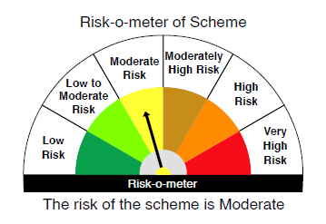
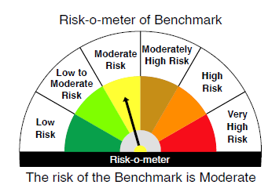

 | Max Credit Risk of scheme→ Max Interest Rate Risk of the scheme ↓ | Relatively Low (Class A: CRV >=12) | Moderate (Class B : CRV >=10) | Relatively High (Class C: CRV <10)

 | Relatively Low Class I: (MD<=1 year)

 | Moderate Class II: (MD<=3 years)

 | Relatively High Class III: Any Macaulay duration | A-III

