YO06
 | Motilal Oswal Ultra Short Term Fund

 | Fortnightly Portfolio Statement as on December 31,2025
 | Name of the Instrument | ISIN | Rating | Quantity | Market/Fair Value (Rs. in Lacs) | % to Net Assets | YTM
 | Money Market Instruments
 | Certificate of Deposit
PUBA1074 | Punjab National Bank (08/01/2026) # | INE160A16QT8 | CRISIL A1+ | 2,500,000 | 2,497.09 | 4.87% | 6.08%
NBAR839 | National Bank For Agriculture and Rural Development (25/03/2026) ** # | INE261F16AA7 | CRISIL A1+ | 2,500,000 | 2,466.41 | 4.81% | 5.99%
SIDB604 | Small Industries Dev Bank of India (05/05/2026) ** # | INE556F16BH3 | CRISIL A1+ | 2,500,000 | 2,446.80 | 4.77% | 6.40%
BKBA530 | Bank of Baroda (25/05/2026) ** # | INE028A16JR6 | FITCH A1+ | 2,500,000 | 2,438.81 | 4.75% | 6.36%
FEBA351 | The Federal Bank Limited (29/05/2026) ** # | INE171A16MY4 | CRISIL A1+ | 2,500,000 | 2,435.32 | 4.75% | 6.55%
EXIM808 | Export Import Bank of India (11/06/2026) ** # | INE514E16CM3 | CRISIL A1+ | 2,500,000 | 2,432.15 | 4.74% | 6.33%
INBK489 | Indian Bank (12/06/2026) ** # | INE562A16PB5 | CRISIL A1+ | 2,500,000 | 2,431.53 | 4.74% | 6.34%
UNBI444 | Union Bank of India (25/06/2026) ** # | INE692A16JQ1 | ICRA A1+ | 2,500,000 | 2,425.57 | 4.73% | 6.40%
UTIB1369 | Axis Bank Limited (11/08/2026) ** # | INE238AD6BD9 | CRISIL A1+ | 2,500,000 | 2,404.50 | 4.69% | 6.53%
HDFB1015 | HDFC Bank Limited (11/09/2026) ** # | INE040A16HN4 | CRISIL A1+ | 2,500,000 | 2,391.43 | 4.66% | 6.55%
 | Sub Total |  |  |  | 24,369.61 | 47.51%
 | Commercial Paper
MUFL443 | Muthoot Finance Limited (12/01/2026) ** | INE414G14UB1 | ICRA A1+ | 2,500,000 | 2,494.98 | 4.86% | 6.68%
KOMP1732 | Kotak Mahindra Prime Limited (27/03/2026) | INE916D144Z5 | CRISIL A1+ | 2,500,000 | 2,463.29 | 4.80% | 6.40%
TCAL520 | Tata Capital Limited (21/05/2026) ** | INE976I14PZ4 | CRISIL A1+ | 2,500,000 | 2,437.05 | 4.75% | 6.74%
BAFL1005 | Bajaj Finance Limited (06/11/2026) ** | INE296A14D21 | CRISIL A1+ | 2,500,000 | 2,360.42 | 4.60% | 6.99%
 | Sub Total |  |  |  | 9,755.74 | 19.01%
 | Treasury Bill
TBIL2542 | 364 Days Tbill (MD 30/07/2026) | IN002025Z187 | SOVEREIGN | 7,500,000 | 7,272.47 | 14.18% | 5.44%
TBIL2471 | 364 Days Tbill (MD 12/02/2026) | IN002024Z446 | SOVEREIGN | 3,000,000 | 2,981.82 | 5.81% | 5.30%
TBIL2588 | 182 Days Tbill (MD 14/05/2026) | IN002025Y339 | SOVEREIGN | 2,500,000 | 2,452.03 | 4.78% | 5.37%
TBIL2560 | 364 Days Tbill (MD 10/09/2026) | IN002025Z245 | SOVEREIGN | 2,500,000 | 2,409.16 | 4.70% | 5.46%
 | Sub Total |  |  |  | 15,115.48 | 29.47%
 | Total |  |  |  | 49,240.83 | 95.99%
 | Others
 | Corporate Debt Market Development Fund
CDMD50ME | Corporate Debt Market Development Fund | INF0RQ622028 |  | 1,358 | 156.93 | 0.31%
 | Sub Total |  |  |  | 156.93 | 0.31%
 | Total |  |  |  | 156.93 | 0.31%
 | Tri-Party REPO - Corporate Bonds for which settlement is guaranteed by clearing corporation
TRP_010126 | TRP_010126 |  |  |  | 1,934.00 | 3.77% | 5.40%
 | Sub Total |  |  |  | 1,934.00 | 3.77%
 | Total |  |  |  | 1,934.00 | 3.77%
 | Net Receivables / (Payables) |  |  |  | (31.07) | (0.07)%
 | GRAND TOTAL |  |  |  | 51,300.69 | 100.00%

 | ** Thinly Traded / Non Traded Security
 | # Unlisted Security

 | SCHEME RISK-O-METER |  |  | BENCHMARK NAME - CRISIL ULTRA SHORT DURATION FUND AI INDEX
 |  |  |  | BENCHMARK RISK-O-METER
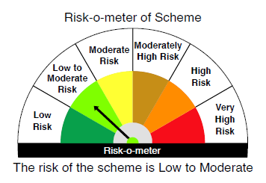
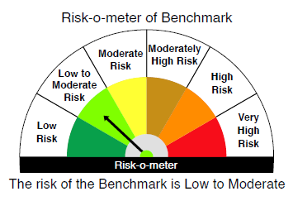

 |  | Relatively Low (Class A: CRV >=12) | Moderate (Class B : CRV >=10) | Relatively High (Class C: CRV <10)

 | Relatively Low Class I: (MD<=1 year) |  | B-I

 | Moderate Class II: (MD<=3 years)

 | Relatively High Class III: Any Macaulay duration

YO25
 | Motilal Oswal Nifty 5 year Benchmark G-Sec ETF

 | Fortnightly Portfolio Statement as on December 31,2025
 | Name of the Instrument | ISIN | Rating | Quantity | Market/Fair Value (Rs. in Lacs) | % to Net Assets | YTM
 | Debt Instruments
 | (a) Listed / awaiting listing on Stock Exchange
GOI6919 | 6.01% Government of India (21/07/2030) | IN0020250067 | SOVEREIGN | 14,200,400 | 14,028.11 | 97.35% | 6.42%
 | Sub Total |  |  |  | 14,028.11 | 97.35%
 | (b) Privately placed / Unlisted |  |  |  | NIL | NIL
 | Sub Total |  |  |  | NIL | NIL
 | Total |  |  |  | 14,028.11 | 97.35%
 | Net Receivables / (Payables) |  |  |  | 381.64 | 2.65%
 | GRAND TOTAL |  |  |  | 14,409.75 | 100.00%

 | SCHEME RISK-O-METER |  |  |  | BENCHMARK NAME - NIFTY 5 YR BENCHMARK G-SEC INDEX
 |  |  |  |  | BENCHMARK RISK-O-METER
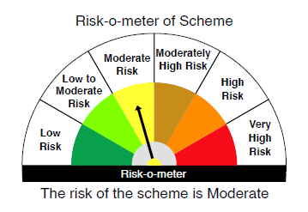
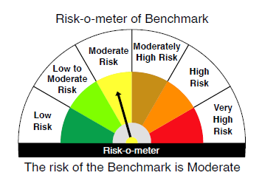

 | Max Credit Risk of scheme→ Max Interest Rate Risk of the scheme ↓ | Relatively Low (Class A: CRV >=12) | Moderate (Class B : CRV >=10) | Relatively High (Class C: CRV <10)

 | Relatively Low Class I: (MD<=1 year)

 | Moderate Class II: (MD<=3 years)

 | Relatively High Class III: Any Macaulay duration | A-III

