YO06
 | Motilal Oswal Ultra Short Term Fund

 | Fortnightly Portfolio Statement as on February 28,2026
 | Name of the Instrument | ISIN | Rating | Quantity | Market/Fair Value (Rs. in Lacs) | % to Net Assets | YTM
 | Money Market Instruments
 | Certificate of Deposit
SIDB604 | Small Industries Dev Bank of India (05/05/2026) ** # | INE556F16BH3 | CRISIL A1+ | 2,500,000 | 2,468.14 | 5.60% | 7.25%
BKBA530 | Bank of Baroda (25/05/2026) ** # | INE028A16JR6 | FITCH A1+ | 2,500,000 | 2,459.70 | 5.58% | 7.04%
FEBA351 | The Federal Bank Limited (29/05/2026) ** # | INE171A16MY4 | CRISIL A1+ | 2,500,000 | 2,457.25 | 5.57% | 7.14%
EXIM808 | Export Import Bank of India (11/06/2026) # | INE514E16CM3 | CRISIL A1+ | 2,500,000 | 2,451.90 | 5.56% | 7.02%
CANB1067 | Canara Bank (12/06/2026) # | INE476A16E20 | CRISIL A1+ | 2,500,000 | 2,451.44 | 5.56% | 7.02%
INBK489 | Indian Bank (12/06/2026) ** # | INE562A16PB5 | CRISIL A1+ | 2,500,000 | 2,451.34 | 5.56% | 7.04%
UNBI444 | Union Bank of India (25/06/2026) ** # | INE692A16JQ1 | ICRA A1+ | 2,500,000 | 2,445.46 | 5.55% | 7.02%
UTIB1369 | Axis Bank Limited (11/08/2026) # | INE238AD6BD9 | CRISIL A1+ | 2,500,000 | 2,423.69 | 5.50% | 7.05%
HDFB1015 | HDFC Bank Limited (11/09/2026) ** # | INE040A16HN4 | CRISIL A1+ | 2,500,000 | 2,409.83 | 5.46% | 7.04%
 | Sub Total |  |  |  | 22,018.75 | 49.94%
 | Commercial Paper
TCAL520 | Tata Capital Limited (21/05/2026) ** | INE976I14PZ4 | CRISIL A1+ | 2,500,000 | 2,459.23 | 5.58% | 7.47%
SUFI773 | Sundaram Finance Limited (31/07/2026) ** | INE660A14YR0 | CRISIL A1+ | 2,500,000 | 2,425.12 | 5.50% | 7.42%
BAFL1005 | Bajaj Finance Limited (06/11/2026) ** | INE296A14D21 | CRISIL A1+ | 2,500,000 | 2,379.63 | 5.40% | 7.39%
 | Sub Total |  |  |  | 7,263.98 | 16.48%
 | Treasury Bill
TBIL2542 | 364 Days Tbill (MD 30/07/2026) | IN002025Z187 | SOVEREIGN | 7,500,000 | 7,337.08 | 16.64% | 5.37%
TBIL2588 | 182 Days Tbill (MD 14/05/2026) | IN002025Y339 | SOVEREIGN | 2,500,000 | 2,473.72 | 5.61% | 5.24%
TBIL2560 | 364 Days Tbill (MD 10/09/2026) | IN002025Z245 | SOVEREIGN | 2,500,000 | 2,430.47 | 5.51% | 5.41%
 | Sub Total |  |  |  | 12,241.27 | 27.76%
 | Total |  |  |  | 41,524.00 | 94.18%
 | Others
 | Corporate Debt Market Development Fund
CDMD50ME | Corporate Debt Market Development Fund | INF0RQ622028 |  | 1,358 | 158.45 | 0.36%
 | Sub Total |  |  |  | 158.45 | 0.36%
 | Total |  |  |  | 158.45 | 0.36%
 | Tri-Party REPO - Corporate Bonds for which settlement is guaranteed by clearing corporation
TRP_020326 | TRP_020326 |  |  |  | 2,602.65 | 5.90% | 4.95%
 | Sub Total |  |  |  | 2,602.65 | 5.90%
 | Total |  |  |  | 2,602.65 | 5.90%
 | Net Receivables / (Payables) |  |  |  | (186.22) | (0.44)%
 | GRAND TOTAL |  |  |  | 44,098.88 | 100.00%

 | ** Thinly Traded / Non Traded Security
 | # Unlisted Security

 | SCHEME RISK-O-METER |  |  | BENCHMARK NAME - CRISIL ULTRA SHORT DURATION FUND AI INDEX
 |  |  |  | BENCHMARK RISK-O-METER
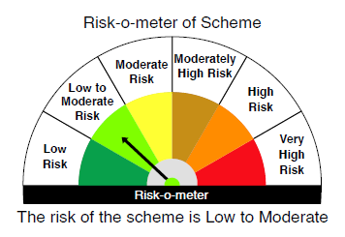
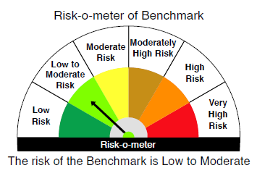

 |  | Relatively Low (Class A: CRV >=12) | Moderate (Class B : CRV >=10) | Relatively High (Class C: CRV <10)

 | Relatively Low Class I: (MD<=1 year) |  | B-I

 | Moderate Class II: (MD<=3 years)

 | Relatively High Class III: Any Macaulay duration

YO25
 | Motilal Oswal Nifty 5 year Benchmark G-Sec ETF

 | Fortnightly Portfolio Statement as on February 28,2026
 | Name of the Instrument | ISIN | Rating | Quantity | Market/Fair Value (Rs. in Lacs) | % to Net Assets | YTM
 | Debt Instruments
 | (a) Listed / awaiting listing on Stock Exchange
GOI6919 | 6.01% Government of India (21/07/2030) | IN0020250067 | SOVEREIGN | 15,724,800 | 15,589.50 | 99.30% | 6.33%
 | Sub Total |  |  |  | 15,589.50 | 99.30%
 | (b) Privately placed / Unlisted |  |  |  | NIL | NIL
 | Sub Total |  |  |  | NIL | NIL
 | Total |  |  |  | 15,589.50 | 99.30%
 | Net Receivables / (Payables) |  |  |  | 109.11 | 0.70%
 | GRAND TOTAL |  |  |  | 15,698.61 | 100.00%

 | SCHEME RISK-O-METER |  |  |  | BENCHMARK NAME - NIFTY 5 YR BENCHMARK G-SEC INDEX
 |  |  |  |  | BENCHMARK RISK-O-METER
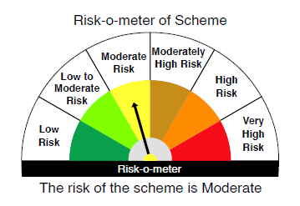
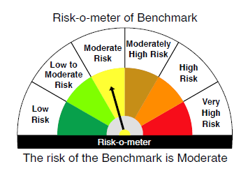

 | Max Credit Risk of scheme→ Max Interest Rate Risk of the scheme ↓ | Relatively Low (Class A: CRV >=12) | Moderate (Class B : CRV >=10) | Relatively High (Class C: CRV <10)

 | Relatively Low Class I: (MD<=1 year)

 | Moderate Class II: (MD<=3 years)

 | Relatively High Class III: Any Macaulay duration | A-III

