YO06
 | Motilal Oswal Ultra Short Term Fund

 | Fortnightly Portfolio Statement as on March 15,2026
 | Name of the Instrument | ISIN | Rating | Quantity | Market/Fair Value (Rs. in Lacs) | % to Net Assets | YTM
 | Money Market Instruments
 | Certificate of Deposit
SIDB604 | Small Industries Dev Bank of India (05/05/2026) ** # | INE556F16BH3 | CRISIL A1+ | 2,500,000 | 2,473.40 | 5.94% | 7.85%
BKBA530 | Bank of Baroda (25/05/2026) ** # | INE028A16JR6 | FITCH A1+ | 2,500,000 | 2,463.16 | 5.91% | 7.80%
FEBA351 | The Federal Bank Limited (29/05/2026) ** # | INE171A16MY4 | CRISIL A1+ | 2,500,000 | 2,460.76 | 5.91% | 7.87%
EXIM808 | Export Import Bank of India (11/06/2026) ** # | INE514E16CM3 | CRISIL A1+ | 2,500,000 | 2,457.52 | 5.90% | 7.25%
INBK489 | Indian Bank (12/06/2026) # | INE562A16PB5 | CRISIL A1+ | 2,500,000 | 2,456.78 | 5.90% | 7.30%
CANB1067 | Canara Bank (12/06/2026) # | INE476A16E20 | CRISIL A1+ | 2,500,000 | 2,456.77 | 5.90% | 7.30%
UNBI444 | Union Bank of India (25/06/2026) ** # | INE692A16JQ1 | ICRA A1+ | 2,500,000 | 2,450.20 | 5.88% | 7.35%
UTIB1369 | Axis Bank Limited (11/08/2026) ** # | INE238AD6BD9 | CRISIL A1+ | 2,500,000 | 2,426.68 | 5.82% | 7.45%
HDFB1015 | HDFC Bank Limited (11/09/2026) # | INE040A16HN4 | CRISIL A1+ | 2,500,000 | 2,411.88 | 5.79% | 7.45%
 | Sub Total |  |  |  | 22,057.15 | 52.95%
 | Commercial Paper
TCAL520 | Tata Capital Limited (21/05/2026) | INE976I14PZ4 | CRISIL A1+ | 2,500,000 | 2,465.23 | 5.92% | 7.80%
SUFI773 | Sundaram Finance Limited (31/07/2026) ** | INE660A14YR0 | CRISIL A1+ | 2,500,000 | 2,429.82 | 5.83% | 7.70%
BAFL1005 | Bajaj Finance Limited (06/11/2026) ** | INE296A14D21 | CRISIL A1+ | 2,500,000 | 2,383.60 | 5.72% | 7.59%
 | Sub Total |  |  |  | 7,278.65 | 17.47%
 | Treasury Bill
TBIL2542 | 364 Days Tbill (MD 30/07/2026) | IN002025Z187 | SOVEREIGN | 7,500,000 | 7,349.91 | 17.64% | 5.48%
TBIL2588 | 182 Days Tbill (MD 14/05/2026) | IN002025Y339 | SOVEREIGN | 2,500,000 | 2,478.45 | 5.95% | 5.38%
TBIL2560 | 364 Days Tbill (MD 10/09/2026) | IN002025Z245 | SOVEREIGN | 2,500,000 | 2,434.35 | 5.84% | 5.53%
 | Sub Total |  |  |  | 12,262.71 | 29.43%
 | Total |  |  |  | 41,598.51 | 99.85%
 | Others
 | Corporate Debt Market Development Fund
CDMD50ME | Corporate Debt Market Development Fund | INF0RQ622028 |  | 1,358 | 158.62 | 0.38% | 5.64%
 | Sub Total |  |  |  | 158.62 | 0.38%
 | Total |  |  |  | 158.62 | 0.38%
 | Tri-Party REPO - Corporate Bonds for which settlement is guaranteed by clearing corporation
TRP_160326 | TRP_160326 |  |  |  | 328.00 | 0.79% | 5.12%
 | Sub Total |  |  |  | 328.00 | 0.79%
 | Total |  |  |  | 328.00 | 0.79%
 | Net Receivables / (Payables) |  |  |  | (423.06) | (1.02)%
 | GRAND TOTAL |  |  |  | 41,662.07 | 100.00%

 | ** Thinly Traded / Non Traded Security
 | # Unlisted Security

 | SCHEME RISK-O-METER |  |  | BENCHMARK NAME - CRISIL ULTRA SHORT DURATION FUND AI INDEX
 |  |  |  | BENCHMARK RISK-O-METER
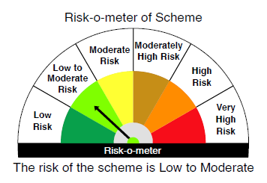
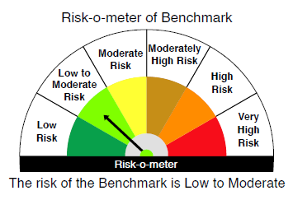

 |  | Relatively Low (Class A: CRV >=12) | Moderate (Class B : CRV >=10) | Relatively High (Class C: CRV <10)

 | Relatively Low Class I: (MD<=1 year) |  | B-I

 | Moderate Class II: (MD<=3 years)

 | Relatively High Class III: Any Macaulay duration

YO25
 | Motilal Oswal Nifty 5 year Benchmark G-Sec ETF

 | Fortnightly Portfolio Statement as on March 15,2026
 | Name of the Instrument | ISIN | Rating | Quantity | Market/Fair Value (Rs. in Lacs) | % to Net Assets | YTM
 | Debt Instruments
 | (a) Listed / awaiting listing on Stock Exchange
GOI6919 | 6.01% Government of India (21/07/2030) | IN0020250067 | SOVEREIGN | 15,439,200 | 15,264.40 | 99.03% | 6.41%
 | Sub Total |  |  |  | 15,264.40 | 99.03%
 | (b) Privately placed / Unlisted |  |  |  | NIL | NIL
 | Sub Total |  |  |  | NIL | NIL
 | Total |  |  |  | 15,264.40 | 99.03%
 | Net Receivables / (Payables) |  |  |  | 149.08 | 0.97%
 | GRAND TOTAL |  |  |  | 15,413.48 | 100.00%

 | SCHEME RISK-O-METER |  |  |  | BENCHMARK NAME - NIFTY 5 YR BENCHMARK G-SEC INDEX
 |  |  |  |  | BENCHMARK RISK-O-METER
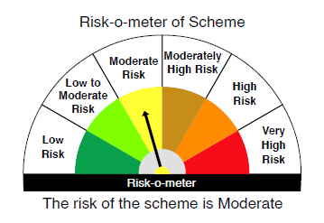
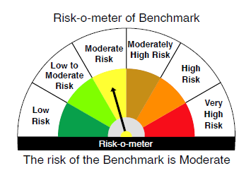

 | Max Credit Risk of scheme→ Max Interest Rate Risk of the scheme ↓ | Relatively Low (Class A: CRV >=12) | Moderate (Class B : CRV >=10) | Relatively High (Class C: CRV <10)

 | Relatively Low Class I: (MD<=1 year)

 | Moderate Class II: (MD<=3 years)

 | Relatively High Class III: Any Macaulay duration | A-III

