Riskometers
Scheme Name and Type | Product Labeling | Scheme Riskometers | Scheme Benchmark | Benchmark Riskometers
 | This Product is Suitable for investors who are seeking*
MAHINDRA MANULIFE LIQUID FUND (AN OPEN ENDED LIQUID SCHEME. A RELATIVELY LOW INTEREST RATE RISK AND MODERATE CREDIT RISK. ) | l Regular income over short term l Investment in money market and debt instruments | 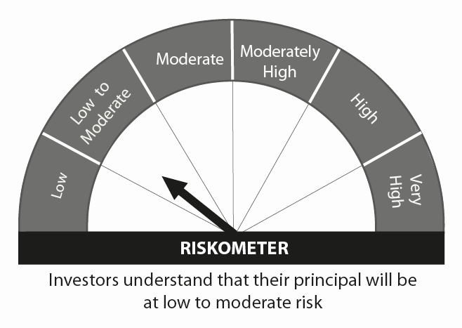 | CRISIL Liquid Fund Index | 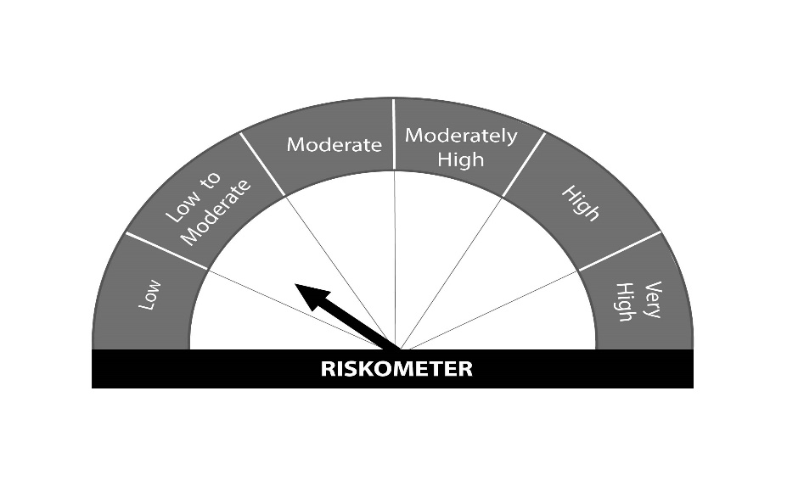
MAHINDRA MANULIFE LOW DURATION FUND (AN OPEN ENDED LOW DURATION DEBT SCHEME INVESTING IN INSTRUMENTS SUCH THAT THE MACAULAY DURATION OF THE PORTFOLIO IS BETWEEN 6 MONTHS AND 12 MONTHS (PLEASE REFER TO PAGE NO. 32 OF SID). A RELATIVELY LOW INTEREST RATE RISK AND MODERATE CREDIT RISK. ) | l Regular Income over short term. l Investment in debt and money market instruments. | 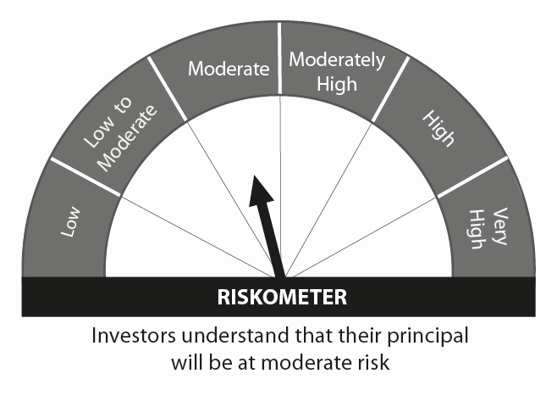 | CRISIL Low Duration Debt Index
MAHINDRA MANULIFE DYNAMIC BOND YOJANA (AN OPEN ENDED DYNAMIC DEBT SCHEME INVESTING ACROSS DURATION. A RELATIVELY HIGH INTEREST RATE RISK AND MODERATE CREDIT RISK. ) | l To generate regular returns and capital appreciation through active management of portfolio. l Investments in debt & money market instruments across duration. |  | CRISIL Composite Bond Fund Index
MAHINDRA MANULIFE OVERNIGHT FUND (AN OPEN ENDED DEBT SCHEME INVESTING IN OVERNIGHT SECURITIES. A RELATIVELY LOW INTEREST RATE RISK AND RELATIVELY LOW CREDIT RISK. ) | l To generate reasonable returns with high levels of safety and convenience of liquidity over short term l To invest in debt and money market instruments having maturity of upto 1 business day | 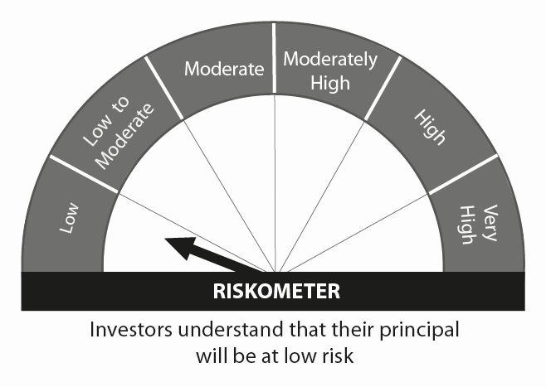 | CRISIL Overnight Index
MAHINDRA MANULIFE ULTRA SHORT TERM FUND ( AN OPEN ENDED ULTRA-SHORT TERM DEBT SCHEME INVESTING IN INSTRUMENTS SUCH THAT THE MACAULAY DURATION OF THE PORTFOLIO IS BETWEEN 3 TO 6 MONTHS (PLEASE REFER TO PAGE NO. 32 OF SID). A RELATIVELY LOW INTEREST RATE RISK AND MODERATE CREDIT RISK.) | l Regular Income over short term. l Investment in a portfolio of short term debt and money market instruments. |  | CRISIL Ultra Short Term Debt Index
MAHINDRA MANULIFE SHORT TERM FUND (AN OPEN ENDED SHORT TERM DEBT SCHEME INVESTING IN INSTRUMENTS SUCH THAT THE MACAULAY DURATION OF THE PORTFOLIO IS BETWEEN 1 YEAR AND 3 YEARS (PLEASE REFER TO PAGE NO. 35 OF SID). A MODERATE INTEREST RATE RISK AND MODERATE CREDIT RISK. ) | l Income over short to medium term. l Investment in debt and money market instruments. |  | CRISIL Short Term Bond Fund Index
MAHINDRA MANULIFE ELSS KAR BACHAT YOJANA (AN OPEN ENDED EQUITY LINKED SAVINGS SCHEME WITH A STATUTORY LOCK IN OF 3 YEARS AND TAX BENEFIT) | l Long term capital appreciation l Investment predominantly in equity and equity related securities. | 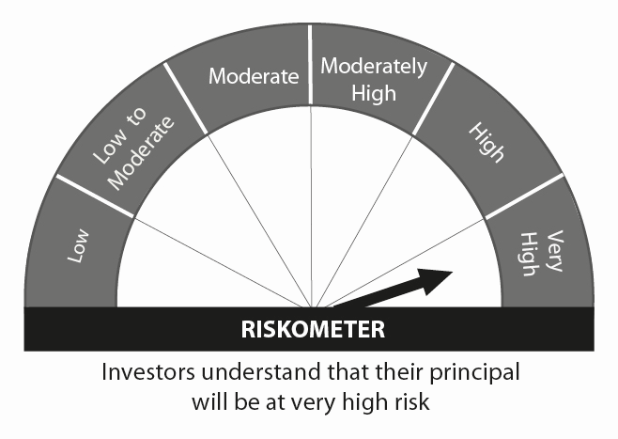 | Nifty 500 TRI Index
MAHINDRA MANULIFE MULTI CAP BADHAT YOJANA (MULTI CAP FUND - AN OPEN-ENDED EQUITY SCHEME INVESTING ACROSS LARGE CAP,MID CAP, SMALL CAP STOCKS) | l Medium to Long term capital appreciation. l Investment predominantly in equity and equity related securities including derivatives. |  | Nifty 500 Multicap 50:25:25 Index TRI
MAHINDRA MANULIFE MID CAP UNNATI YOJANA (MID CAP FUND – AN OPEN ENDED EQUITY SCHEME PREDOMINANTLY INVESTING IN MID CAP STOCKS) | l Long term capital appreciation l Investment predominantly in equity and equity related securities including derivatives of mid cap companies. |  | Nifty Midcap 150 TRI
MAHINDRA MANULIFE RURAL BHARAT AND CONSUMPTION YOJANA (AN OPEN ENDED EQUITY SCHEME FOLLOWING RURAL INDIA THEME) | l Long term capital appreciation l Investment predominantly in equity and equity related securities including derivatives of entities engaged in and/or expected to benefit from the growth in rural India |  | Nifty India Consumption Index TRI
MAHINDRA MANULIFE LARGE CAP PRAGATI YOJANA (LARGE CAP FUND - AN OPEN ENDED EQUITY SCHEME PREDOMINANTLY INVESTING IN LARGE CAP STOCKS) | l Long term capital appreciation l Investment predominantly in equity and equity related securities including derivatives of large cap companies. |  | Nifty 100 Index TRI
MAHINDRA MANULIFE TOP 250 NIVESH YOJANA (LARGE & MID CAP FUND- AN OPEN ENDED EQUITY SCHEME INVESTING IN BOTH LARGE CAP AND MID CAP STOCKS) | l Long term wealth creation and income l Investment predominantly in equity and equity related securities of large and mid cap companies |  | Nifty LargeMidcap 250 Index TRI
MAHINDRA MANULIFE FOCUSED EQUITY YOJANA (AN OPEN ENDED EQUITY SCHEME INVESTING IN MAXIMUM 30 STOCKS ACROSS MARKET CAPS I.E MULTI CAP) | l Long term capital appreciation l Investment in equity and equity related instruments in concentrated portfolio of maximum 30 stocks across market capitalziation |  | Nifty 500 Index TRI
MAHINDRA MANULIFE FLEXI CAP YOJANA (AN OPEN ENDED EQUITY SCHEME INVESTING ACROSS LARGE CAP, MID CAP, SMALL CAP STOCKS) | l Long term capital appreciation. l Investment in diversified portfolio of equity & equity related instruments across market capitalization |  | Nifty 500 Index TRI
MAHINDRA MANULIFE EQUITY SAVINGS DHAN SANCHAY YOJANA (AN OPEN ENDED SCHEME INVESTING IN EQUITY, ARBITRAGE AND DEBT) | l Long term capital appreciation and generation of income l Investment in equity and equity related instruments, arbitrage opportunities and debt and money market instruments. | 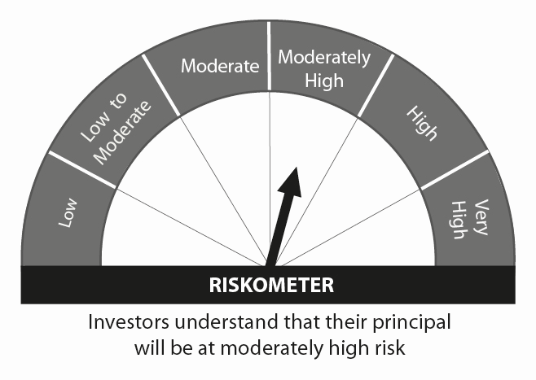 | Nifty Equity Savings Index TRI
MAHINDRA MANULIFE HYBRID EQUITY NIVESH YOJANA (AN OPEN ENDED HYBRID SCHEME INVESTING PREDOMINANTLY IN EQUITY AND EQUITY RELATED INSTRUMENTS) | l Long term capital appreciation and generation of income; l Investment in equity and equity related instruments and debt and money market instruments |  | CRISIL Hybrid 35+65 Aggressive Index
MAHINDRA MANULIFE ARBITRAGE YOJANA (AN OPEN ENDED SCHEME INVESTING IN ARBITRAGE OPPORTUNITIES) | l Income over short term. l Income through arbitrage opportunities between cash and derivative market and arbitrage opportunities within the derivative segment. |  | Nifty 50 Arbitrage Index
MAHINDRA MANULIFE ASIA PACIFIC REITS FOF (AN OPEN ENDED FUND OF FUND SCHEME INVESTING IN MANULIFE GLOBAL FUND – ASIA PACIFIC REIT FUND) | l Capital appreciation over long term l Investments in units of Manulife Global Fund – Asia Pacific REIT Fund |  | FTSE EPRA Nareit Asia ex Japan REITs Index
MAHINDRA MANULIFE BALANCED ADVANTAGE YOJANA (AN OPEN ENDED DYNAMIC ASSET ALLOCATION FUND) | l Capital appreciation while generating income over medium to long term l Investments in a dynamically managed portfolio of equity and equity related instruments and debt and money market instruments. |  | Nifty 50 Hybrid Composite Debt 50: 50 Index TRI | 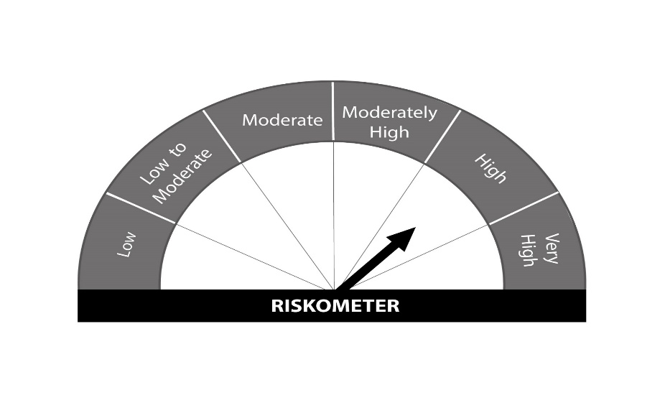
 | *Investors should consult their financial advisers if in doubt about whether the product is suitable for them.

