Riskometers
Scheme Name and Type | Product Labeling | Scheme Riskometers | Scheme Benchmark | Benchmark Riskometers
 | This Product is Suitable for investors who are seeking*
MAHINDRA MANULIFE LIQUID FUND (AN OPEN ENDED LIQUID SCHEME. A RELATIVELY LOW INTEREST RATE RISK AND MODERATE CREDIT RISK. ) | l Regular income over short term l Investment in money market and debt instruments | 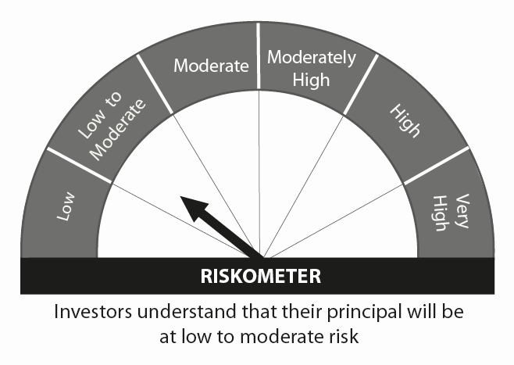 | CRISIL Liquid Fund Index
MAHINDRA MANULIFE LOW DURATION FUND (AN OPEN ENDED LOW DURATION DEBT SCHEME INVESTING IN INSTRUMENTS SUCH THAT THE MACAULAY DURATION OF THE PORTFOLIO IS BETWEEN 6 MONTHS AND 12 MONTHS (PLEASE REFER TO PAGE NO. 32 OF SID). A RELATIVELY LOW INTEREST RATE RISK AND MODERATE CREDIT RISK. ) | l Regular Income over short term. l Investment in debt and money market instruments. | 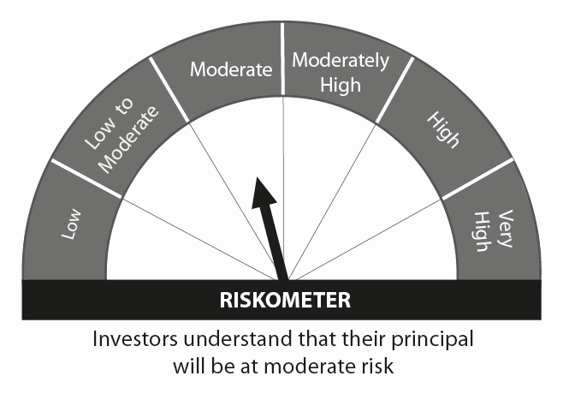 | CRISIL Low Duration Debt Index
MAHINDRA MANULIFE DYNAMIC BOND YOJANA (AN OPEN ENDED DYNAMIC DEBT SCHEME INVESTING ACROSS DURATION. A RELATIVELY HIGH INTEREST RATE RISK AND MODERATE CREDIT RISK. ) | l To generate regular returns and capital appreciation through active management of portfolio. l Investments in debt & money market instruments across duration. |  | CRISIL Composite Bond Fund Index
MAHINDRA MANULIFE OVERNIGHT FUND (AN OPEN ENDED DEBT SCHEME INVESTING IN OVERNIGHT SECURITIES. A RELATIVELY LOW INTEREST RATE RISK AND RELATIVELY LOW CREDIT RISK. ) | l To generate reasonable returns with high levels of safety and convenience of liquidity over short term l To invest in debt and money market instruments having maturity of upto 1 business day | 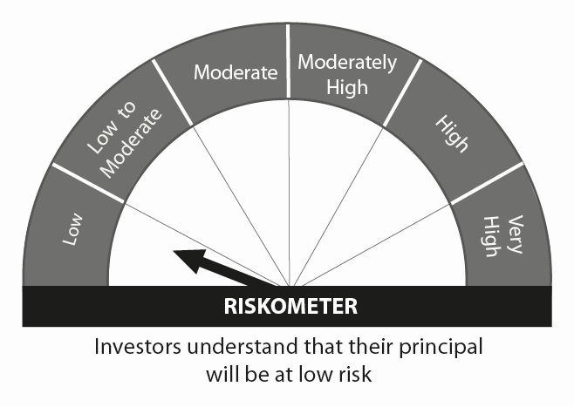 | CRISIL Overnight Index
MAHINDRA MANULIFE ULTRA SHORT TERM FUND ( AN OPEN ENDED ULTRA-SHORT TERM DEBT SCHEME INVESTING IN INSTRUMENTS SUCH THAT THE MACAULAY DURATION OF THE PORTFOLIO IS BETWEEN 3 TO 6 MONTHS (PLEASE REFER TO PAGE NO. 32 OF SID). A RELATIVELY LOW INTEREST RATE RISK AND MODERATE CREDIT RISK.) | l Regular Income over short term. l Investment in a portfolio of short term debt and money market instruments. |  | CRISIL Ultra Short Term Debt Index | 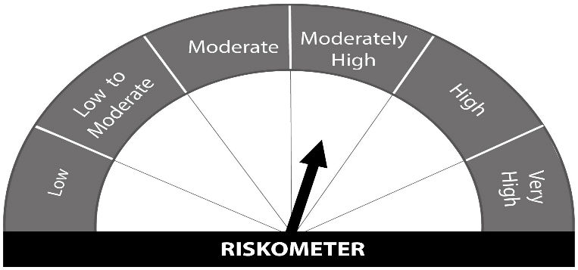
MAHINDRA MANULIFE SHORT TERM FUND (AN OPEN ENDED SHORT TERM DEBT SCHEME INVESTING IN INSTRUMENTS SUCH THAT THE MACAULAY DURATION OF THE PORTFOLIO IS BETWEEN 1 YEAR AND 3 YEARS (PLEASE REFER TO PAGE NO. 35 OF SID). A MODERATE INTEREST RATE RISK AND MODERATE CREDIT RISK. ) | l Income over short to medium term. l Investment in debt and money market instruments. |  | CRISIL Short Term Bond Fund Index
MAHINDRA MANULIFE ELSS KAR BACHAT YOJANA (AN OPEN ENDED EQUITY LINKED SAVINGS SCHEME WITH A STATUTORY LOCK IN OF 3 YEARS AND TAX BENEFIT) | l Long term capital appreciation l Investment predominantly in equity and equity related securities. | 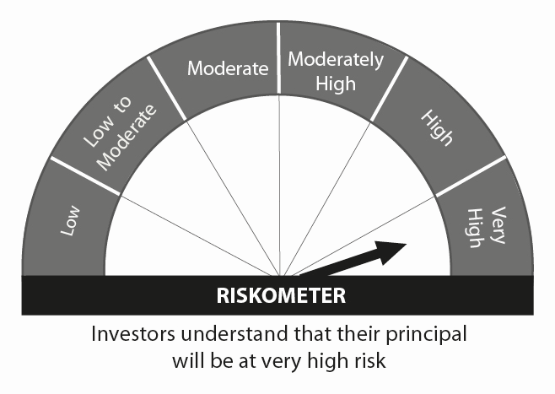 | Nifty 500 TRI Index
MAHINDRA MANULIFE MULTI CAP BADHAT YOJANA (MULTI CAP FUND - AN OPEN-ENDED EQUITY SCHEME INVESTING ACROSS LARGE CAP,MID CAP, SMALL CAP STOCKS) | l Medium to Long term capital appreciation. l Investment predominantly in equity and equity related securities including derivatives. |  | Nifty 500 Multicap 50:25:25 Index TRI
MAHINDRA MANULIFE MID CAP UNNATI YOJANA (MID CAP FUND – AN OPEN ENDED EQUITY SCHEME PREDOMINANTLY INVESTING IN MID CAP STOCKS) | l Long term capital appreciation l Investment predominantly in equity and equity related securities including derivatives of mid cap companies. |  | Nifty Midcap 150 TRI
MAHINDRA MANULIFE RURAL BHARAT AND CONSUMPTION YOJANA (AN OPEN ENDED EQUITY SCHEME FOLLOWING RURAL INDIA THEME) | l Long term capital appreciation l Investment predominantly in equity and equity related securities including derivatives of entities engaged in and/or expected to benefit from the growth in rural India |  | Nifty India Consumption Index TRI
MAHINDRA MANULIFE LARGE CAP PRAGATI YOJANA (LARGE CAP FUND - AN OPEN ENDED EQUITY SCHEME PREDOMINANTLY INVESTING IN LARGE CAP STOCKS) | l Long term capital appreciation l Investment predominantly in equity and equity related securities including derivatives of large cap companies. |  | Nifty 100 Index TRI
MAHINDRA MANULIFE TOP 250 NIVESH YOJANA (LARGE & MID CAP FUND- AN OPEN ENDED EQUITY SCHEME INVESTING IN BOTH LARGE CAP AND MID CAP STOCKS) | l Long term wealth creation and income l Investment predominantly in equity and equity related securities of large and mid cap companies |  | Nifty LargeMidcap 250 Index TRI
MAHINDRA MANULIFE FOCUSED EQUITY YOJANA (AN OPEN ENDED EQUITY SCHEME INVESTING IN MAXIMUM 30 STOCKS ACROSS MARKET CAPS (I.E MULTI CAP)) | l Long term capital appreciation l Investment in equity and equity related instruments in concentrated portfolio of maximum 30 stocks across market capitalziation |  | Nifty 500 Index TRI
MAHINDRA MANULIFE FLEXI CAP YOJANA (AN OPEN ENDED DYNAMIC EQUITY SCHEME INVESTING ACROSS LARGE CAP, MID CAP, SMALL CAP STOCKS) | l Long term capital appreciation. l Investment in diversified portfolio of equity & equity related instruments across market capitalization |  | Nifty 500 Index TRI
MAHINDRA MANULIFE EQUITY SAVINGS DHAN SANCHAY YOJANA (AN OPEN ENDED SCHEME INVESTING IN EQUITY, ARBITRAGE AND DEBT) | l Long term capital appreciation and generation of income l Investment in equity and equity related instruments, arbitrage opportunities and debt and money market instruments. | 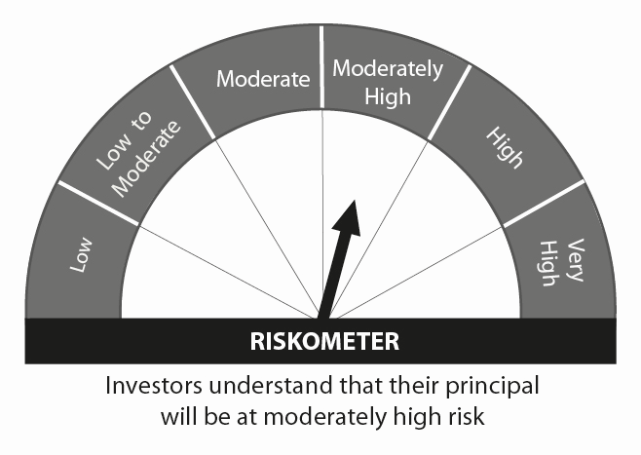 | Nifty Equity Savings Index TRI
MAHINDRA MANULIFE HYBRID EQUITY NIVESH YOJANA (AN OPEN ENDED HYBRID SCHEME INVESTING PREDOMINANTLY IN EQUITY AND EQUITY RELATED INSTRUMENTS) | l Long term capital appreciation and generation of income; l Investment in equity and equity related instruments and debt and money market instruments |  | CRISIL Hybrid 35+65 Aggressive Index
MAHINDRA MANULIFE ARBITRAGE YOJANA (AN OPEN ENDED SCHEME INVESTING IN ARBITRAGE OPPORTUNITIES) | l Income over short term. l Income through arbitrage opportunities between cash and derivative market and arbitrage opportunities within the derivative segment. |  | Nifty 50 Arbitrage Index
MAHINDRA MANULIFE ASIA PACIFIC REITS FOF (AN OPEN ENDED FUND OF FUND SCHEME INVESTING IN MANULIFE GLOBAL FUND – ASIA PACIFIC REIT FUND) | l Capital appreciation over long term l Investments in units of Manulife Global Fund – Asia Pacific REIT Fund |  | FTSE EPRA Nareit Asia ex Japan REITs Index
 | *Investors should consult their financial advisers if in doubt about whether the product is suitable for them.

