Riskometers
Scheme Name and Type | Product Labeling | Riskometers
 | This Product is Suitable for investors who are seeking*
MAHINDRA MANULIFE LIQUID FUND (AN OPEN-ENDED LIQUID SCHEME ) | l Regular income over short term l Investment in money market and debt instruments | 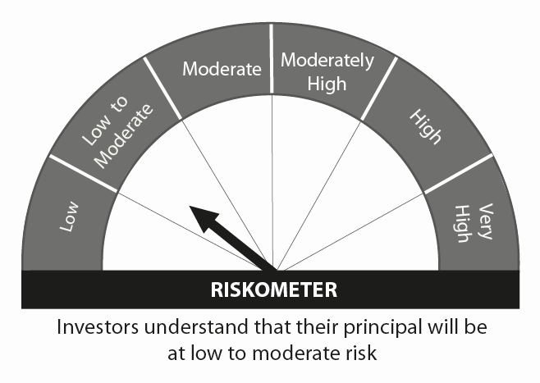
MAHINDRA MANULIFE LOW DURATION FUND (AN OPEN ENDED LOW DURATION DEBT SCHEME INVESTING IN INSTRUMENTS SUCH THAT THE MACAULAY DURATION OF THE PORTFOLIO IS BETWEEN 6 MONTHS AND 12 MONTHS (Please refer page 32 of SID)) | l Regular Income over short term. l Investment in debt and money market instruments. | 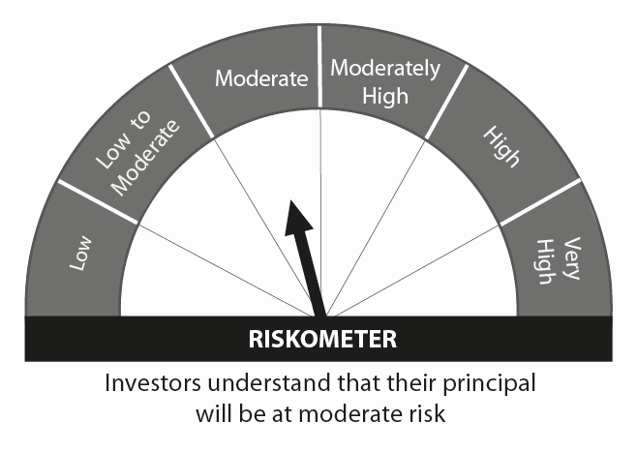
MAHINDRA MANULIFE DYNAMIC BOND YOJANA (AN OPEN ENDED DYNAMIC DEBT SCHEME INVESTING ACROSS DURATION) | l To generate regular returns and capital appreciation through active management of portfolio. l Investments in debt & money market instruments across duration.
MAHINDRA MANULIFE OVERNIGHT FUND (AN OPEN ENDED DEBT SCHEME INVESTING IN OVERNIGHT SECURITIES) | l To generate reasonable returns with high levels of safety and convenience of liquidity over short term l To invest in debt and money market instruments having maturity of upto 1 business day | 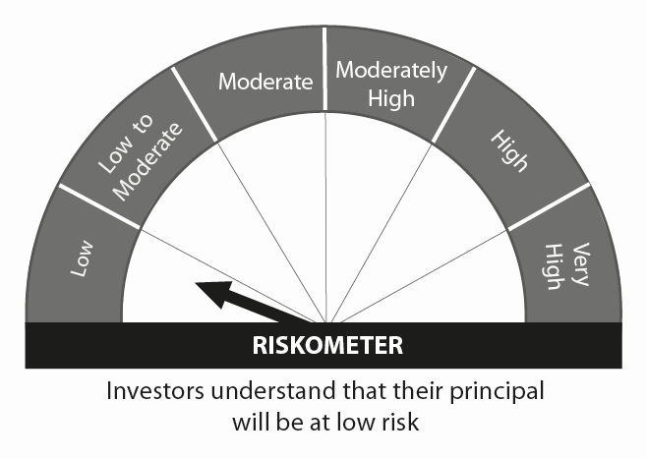
MAHINDRA MANULIFE ULTRA SHORT TERM FUND (AN OPEN ENDED ULTRA-SHORT TERM DEBT SCHEME INVESTING IN INSTRUMENTS SUCH THAT THE MACAULAY DURATION OF THE PORTFOLIO IS BETWEEN 3 TO 6 MONTHS (Please refer page 32 of SID)) | l Regular Income over short term. l Investment in a portfolio of short term debt and money market instruments.
MAHINDRA MANULIFE ELSS KAR BACHAT YOJANA (AN OPEN ENDED EQUITY LINKED SAVINGS SCHEME WITH A STATUTORY LOCK IN OF 3 YEARS AND TAX BENEFIT) | l Long term capital appreciation l Investment predominantly in equity and equity related securities. | 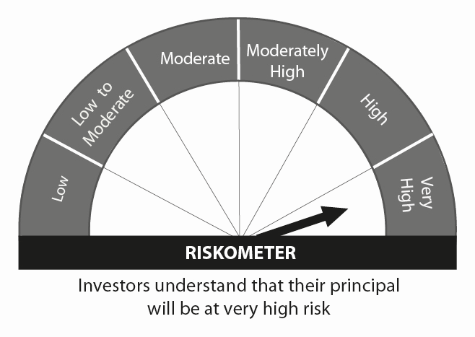
MAHINDRA MANULIFE EQUITY SAVINGS DHAN SANCHAY YOJANA (AN OPEN ENDED SCHEME INVESTING IN EQUITY, ARBITRAGE AND DEBT) | l Long term capital appreciation and generation of income l Investment in equity and equity related instruments, arbitrage opportunities and debt and money market instruments. | 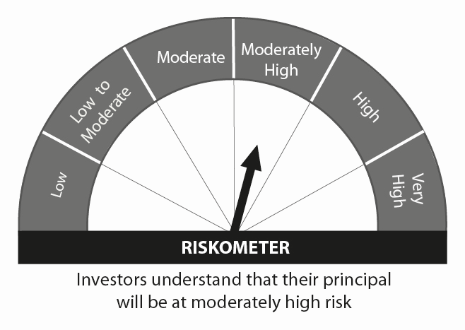
MAHINDRA MANULIFE MULTI CAP BADHAT YOJANA (MULTI CAP FUND - AN OPEN-ENDED EQUITY SCHEME INVESTING ACROSS LARGE CAP,MID CAP, SMALL CAP STOCKS) | l Medium to Long term capital appreciation. l Investment predominantly in equity and equity related securities including derivatives.
MAHINDRA MANULIFE MID CAP UNNATI YOJANA (MID CAP FUND – AN OPEN ENDED EQUITY SCHEME PREDOMINANTLY INVESTING IN MID CAP STOCKS) | l Long term capital appreciation l Investment predominantly in equity and equity related securities including derivatives of mid cap companies.
MAHINDRA MANULIFE RURAL BHARAT AND CONSUMPTION YOJANA (AN OPEN ENDED EQUITY SCHEME FOLLOWING RURAL INDIA THEME) | l Long term capital appreciation l Investment predominantly in equity and equity related securities including derivatives of entities engaged in and/or expected to benefit from the growth in rural India
MAHINDRA MANULIFE LARGE CAP PRAGATI YOJANA (LARGE CAP FUND - AN OPEN ENDED EQUITY SCHEME PREDOMINANTLY INVESTING IN LARGE CAP STOCKS) | l Long term capital appreciation l Investment predominantly in equity and equity related securities including derivatives of large cap companies.
MAHINDRA MANULIFE HYBRID EQUITY NIVESH YOJANA (AN OPEN ENDED HYBRID SCHEME INVESTING PREDOMINANTLY IN EQUITY AND EQUITY RELATED INSTRUMENTS) | l Long term capital appreciation and generation of income; l Investment in equity and equity related instruments and debt and money market instruments
MAHINDRA MANULIFE TOP 250 NIVESH YOJANA (LARGE & MID CAP FUND- AN OPEN ENDED EQUITY SCHEME INVESTING IN BOTH LARGE CAP AND MID CAP STOCKS) | l Long term wealth creation and income l Investment predominantly in equity and equity related securities of large and mid cap companies
MAHINDRA MANULIFE FOCUSED EQUITY YOJANA (AN OPEN ENDED EQUITY SCHEME INVESTING IN MAXIMUM 30 STOCKS ACROSS MARKET CAPS (I.E MULTI CAP)) | l Long term capital appreciation l Investment in equity and equity related instruments in concentrated portfolio of maximum 30 stocks across market capitalziation
MAHINDRA MANULIFE ARBITRAGE YOJANA (AN OPEN ENDED SCHEME INVESTING IN ARBITRAGE OPPORTUNITIES) | l Income over short term. l Income through arbitrage opportunities between cash and derivative market and arbitrage opportunities within the derivative segment.
MAHINDRA MANULIFE SHORT TERM FUND (AN OPEN ENDED SHORT TERM DEBT SCHEME INVESTING IN INSTRUMENTS SUCH THAT THE MACAULAY DURATION OF THE PORTFOLIO IS BETWEEN 1 YEAR AND 3 YEARS (PLEASE REFER TO PAGE NO. 35 OF SID)) | l Income over short to medium term. l Investment in debt and money market instruments.
 | *Investors should consult their financial advisers if in doubt about whether the product is suitable for them.

