SFRLTP

SUNDARAM MUTUAL FUND |  |  |  |  |  |  |  |  | Index
Sundaram Corporate Bond Fund
Monthly Portfolio Statement for the month ended 28 February 2026
SL No | ISIN Code | Name of the instrument | Rating / Industry | Quantity | Mkt Value Rs. in Lacs | % of Net Asset | YTM (%)* | Yield to call date %
 |  | A) Equity & Equity Related
 |  | (a) Listed / awaiting listing on Stock Exchange
 |  | Sub Total |  |  | 0 | 0.00%

 |  | (b) Overseas Security
 |  | Sub Total |  |  | 0 | 0.00%

 |  | (c) Privately Placed / Unlisted
 |  | Sub Total |  |  | 0 | 0.00%

 |  | (d) Preference / Right Shares
 |  | Sub Total |  |  | 0 | 0.00%

 |  | (e) Warrants
 |  | Sub Total |  |  | 0 | 0.00%

 |  | f) Derivative
 |  | Sub Total |  |  | 0 | 0.00%

 |  | Total for Equity & Equity Related |  |  | 0.00 | 0.00%

 |  | B) Debt Instruments
 |  | (a) Listed / awaiting listing on Stock Exchange
1 | INE556F08KL3 | Small Industries Development Bank of India - 7.83% - 24/11/2028** | CRISIL AAA | 5000 | 5082.87 | 8.11% | 7.12
2 | INE053F08411 | Indian Railway Finance Corporation Ltd - 7.37% - 31/07/2029** | ICRA AAA | 4000 | 4049.53 | 6.46% | 6.96
3 | INE115A07QJ2 | LIC Housing Finance Ltd - 7.7% - 16/05/2028** | CRISIL AAA | 300 | 3028.02 | 4.83% | 7.21
4 | INE261F08EH1 | National Bank for Agriculture & Rural Development - 7.62% - 10/05/2029** | CRISIL AAA | 2500 | 2533.58 | 4.04% | 7.12
5 | INE020B08EK4 | REC LTD - 7.46% - 30/06/2028** | ICRA AAA | 2500 | 2523.36 | 4.03% | 6.99
6 | INE261F08EO7 | National Bank for Agriculture & Rural Development - 7.48% - 15/09/2028 | CRISIL AAA | 2500 | 2522.10 | 4.03% | 7.06
7 | INE115A07QY1 | LIC Housing Finance Ltd - 7.57% - 18/10/2029** | CRISIL AAA | 2500 | 2521.68 | 4.02% | 7.27
8 | INE041007167 | Embassy Office Parks REIT - 7.21% - 17/03/2028** | CRISIL AAA | 2500 | 2498.39 | 3.99% | 7.44
9 | INE916DA7TD8 | Kotak Mahindra Prime Ltd - 7.299% - 22/09/2028** | CRISIL AAA | 2500 | 2495.54 | 3.98% | 7.35
10 | INE020B08FX4 | REC LTD - 6.37% - 31/03/2027** | ICRA AAA | 2500 | 2483.63 | 3.96% | 7.01
11 | INE134E08MX3 | Power Finance Corporation Ltd - 7.6% - 13/04/2029 | ICRA AAA | 2000 | 2028.52 | 3.24% | 7.08
12 | INE296A07SV1 | Bajaj Finance Ltd - 7.82% - 31/01/2034 | CRISIL AAA | 2000 | 2022.91 | 3.23% | 7.62
13 | INE756I07FB6 | HDB Financial Services Ltd - 7.9611% - 05/01/2028** | CRISIL AAA | 2000 | 2016.69 | 3.22% | 7.44
14 | INE242A08544 | Indian Oil Corporation Ltd - 7.44% - 25/11/2027** | ICRA AAA | 200 | 2015.85 | 3.22% | 6.91
15 | INE557F08FS6 | National Housing Bank - 7.4% - 16/07/2026** | CRISIL AAA | 2000 | 2000.56 | 3.19% | 7.20
16 | INE296A07TJ4 | Bajaj Finance Ltd - 7.3763% - 26/06/2028** | CRISIL AAA | 2000 | 2000.14 | 3.19% | 7.33
17 | INE514E08GE8 | Export Import Bank of India - 7.35% - 27/07/2028 | ICRA AAA | 1500 | 1514.33 | 2.42% | 6.92
18 | INE403D08298 | Bharti Telecom Ltd - 7.4% - 01/02/2029** | CRISIL AAA | 1500 | 1492.11 | 2.38% | 7.60
19 | INE062A08488 | State Bank of India - 6.93% - 20/10/2035**-Call Dt : 19-Oct-2030 | ICRA AAA | 15 | 1489.53 | 2.38% | 7.02 | 7.02
20 | INE756I07FG5 | HDB Financial Services Ltd - 7.4091% - 05/06/2028** | CRISIL AAA | 1400 | 1398.07 | 2.23% | 7.45
21 | INE134E08NS1 | Power Finance Corporation Ltd - 6.61% - 15/07/2028** | ICRA AAA | 1300 | 1286.87 | 2.05% | 7.08
22 | INE115A07MW4 | LIC Housing Finance Ltd - 7.95% - 29/01/2028** | CRISIL AAA | 100 | 1012.82 | 1.62% | 7.20
23 | INE556F08KR0 | Small Industries Development Bank of India - 7.47% - 05/09/2029** | CRISIL AAA | 1000 | 1008.91 | 1.61% | 7.15
24 | INE134E08NU7 | Power Finance Corporation Ltd - 6.59% - 15/10/2030** | CRISIL AAA | 1000 | 977.51 | 1.56% | 7.18
25 | INE556F08KP4 | Small Industries Development Bank of India - 7.68% - 10/08/2027** | CRISIL AAA | 500 | 504.36 | 0.80% | 7.05
26 | INE020B08FW6 | REC LTD - 6.52% - 31/01/2028** | ICRA AAA | 500 | 496.18 | 0.79% | 6.95
27 | INE556F08KS8 | Small Industries Development Bank of India - 7.34% - 26/02/2029 | CRISIL AAA | 400 | 401.77 | 0.64% | 7.17
 |  | Sub Total |  |  | 53405.80 | 85.24%

 |  | (b) Privately Placed / Unlisted
 |  | Sub Total |  |  | 0 | 0.00%

 |  | (c) Govt Security
1 | IN0020240126 | 6.79% Central Government Securities 07/10/2034 | Sovereign | 1500000 | 1512.12 | 2.41% | 6.77
2 | IN1920230100 | 7.72% Karnataka State Government Securities - 06/12/2035 | Sovereign | 1000000 | 1024.24 | 1.63% | 7.50
3 | IN0020230051 | 7.30% Government Securities - 19/06/2053 | Sovereign | 500000 | 496.25 | 0.79% | 7.50
 |  | Sub Total |  |  | 3032.60 | 4.84%

 |  | (d) Securitized Debt Instruments
 |  | Sub Total |  |  | 0 | 0.00%

 |  | Total for Debt Instruments |  |  | 56438.41 | 90.08%

 |  | C) Money Market Instruments
 |  | (a) Certificate of Deposits
1 | INE562A16QI8 | Indian Bank - 05/02/2027** | CRISIL A1+ | 800 | 3759.25 | 6.00% | 6.86
 |  | Sub Total |  |  | 3759.25 | 6.00%

 |  | (b) Commercial Papers
 |  | Sub Total |  |  | 0 | 0.00%

 |  | (c) Treasury Bills
 |  | Sub Total |  |  | 0 | 0.00%

 |  | (d) ReverseRepo / TREPS
1 |  | TREPS |  |  | 257.75 | 0.41% | 4.92
 |  | Sub Total |  |  | 257.75 | 0.41%

 |  | Total for Money Market Instruments |  |  | 4016.99 | 6.41%

 |  | D) Mutual Fund Units
 |  | (a) Investment in Mutual Fund Units
 |  | Sub Total |  |  | 0 | 0.00%

 |  | (b) Corporate Debt Market Development Fund
1 | INF0RQ622028 | Corporate Debt Market Development Fund - Class A2 |  | 2586.3710 | 301.72 | 0.48%
 |  | Sub Total |  |  | 301.72 | 0.48%

 |  | E) Others
 |  | (a) Deposits with Commercial Banks
 |  | Sub Total |  |  | 0 | 0.00%

 |  | (b) Share Application Money pending Allotment
 |  | Sub Total |  |  | 0 | 0.00%

 |  | Cash and Other Net Current Assets^ |  |  | 1898.92 | 3.03%
 |  | Grand Total |  |  | 62656.04 | 100.00 %

 | **Non Traded Securities - Wherever applicable
 | ^ Net current assets includes interest accrued on fixed income securities - Wherever applicable
 | # percentage to NAV of security is less than 0.01% - Wherever applicable
 | ++ Aggregate Investments by Other schemes of Sundaram Mutual Fund - Rs. 75.07 Lakhs

 | Notes
 | a) Total securities classified as below investment grade or default provided for and its percentage to NAV |  | Nil
 | b) Total value and percentage of illiquid equity shares |  | Nil
 | c) NAV per unit (Rupees per unit)
 |  | At the beginning | At the end
 | Option | 31-Jan-2026 | 28-Feb-2026
 | Direct Plan - Growth | 42.7385 | 43.0304
 | Direct Plan - IDCW | 19.0783 | 19.2087
 | Regular Plan - Growth | 41.2708 | 41.5429
 | Regular Plan - IDCW | 18.4550 | 18.5766

 | d) IDCW declared during the period (Rupees per unit) |  | Nil

 | e) Total outstanding exposure in derivative instruments at the end of the period |  | Nil
 | f) Total investments in foreign securities /ADR'S/GDR'S at the end of the period |  | Nil
 | g) Repo in corporate debt |  | Nil

 | Portfolio Information
 | Scheme Name : |  | Sundaram Corporate Bond Fund
 | Description (if any)

 | Annualised Portfolio YTM %* : |  | 7.15

 | Macaulay Duration (years) |  | 2.68
 | Average Maturity (years) |  | 3.22

 | As on (Date) |  | 28-Feb-2026
 | * in case of semi annual YTM, it will be annualised

 | Scheme Riskometer :

 | 

 | Tier I Benchmark Riskometer :
 | NIFTY Corporate Bond Index A-II

SFRSTP
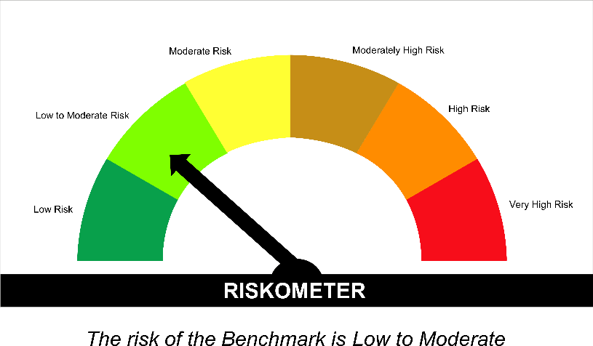
SUNDARAM MUTUAL FUND |  |  |  |  |  |  |  |  | Index
Sundaram Banking & PSU Fund
Monthly Portfolio Statement for the month ended 28 February 2026
SL No | ISIN Code | Name of the instrument | Rating / Industry | Quantity | Mkt Value Rs. in Lacs | % of Net Asset | YTM (%)* | Yield to call date %
 |  | A) Equity & Equity Related
 |  | (a) Listed / awaiting listing on Stock Exchange
 |  | Sub Total |  |  | 0 | 0.00%

 |  | (b) Overseas Security
 |  | Sub Total |  |  | 0 | 0.00%

 |  | (c) Privately Placed / Unlisted
 |  | Sub Total |  |  | 0 | 0.00%

 |  | (d) Preference / Right Shares
 |  | Sub Total |  |  | 0 | 0.00%

 |  | (e) Warrants
 |  | Sub Total |  |  | 0 | 0.00%

 |  | f) Derivative
 |  | Sub Total |  |  | 0 | 0.00%

 |  | Total for Equity & Equity Related |  |  | 0.00 | 0.00%

 |  | B) Debt Instruments
 |  | (a) Listed / awaiting listing on Stock Exchange
1 | INE242A08544 | Indian Oil Corporation Ltd - 7.44% - 25/11/2027** | ICRA AAA | 300 | 3023.78 | 10.74% | 6.91
2 | INE040A08955 | HDFC Bank Ltd - 7.7% - 16/05/2028** | ICRA AAA | 2500 | 2528.10 | 8.98% | 7.11
3 | INE556F08KS8 | Small Industries Development Bank of India - 7.34% - 26/02/2029 | CRISIL AAA | 2500 | 2511.06 | 8.92% | 7.17
4 | INE514E08GE8 | Export Import Bank of India - 7.35% - 27/07/2028 | ICRA AAA | 2000 | 2019.10 | 7.17% | 6.92
5 | INE557F08FY4 | National Housing Bank - 7.59% - 14/07/2027** | CRISIL AAA | 2000 | 2015.74 | 7.16% | 6.95
6 | INE261F08EH1 | National Bank for Agriculture & Rural Development - 7.62% - 10/05/2029** | CRISIL AAA | 1500 | 1520.15 | 5.40% | 7.12
7 | INE053F08411 | Indian Railway Finance Corporation Ltd - 7.37% - 31/07/2029** | ICRA AAA | 1000 | 1012.38 | 3.60% | 6.96
8 | INE261F08EM1 | National Bank for Agriculture & Rural Development - 7.53% - 24/03/2028** | ICRA AAA | 1000 | 1008.78 | 3.58% | 7.05
9 | INE134E08NW3 | Power Finance Corporation Ltd - 6.73% - 15/10/2027** | CRISIL AAA | 1000 | 995.53 | 3.54% | 7.00
10 | INE296A07TM8 | Bajaj Finance Ltd - 7.11% - 10/07/2028** | CRISIL AAA | 1000 | 994.38 | 3.53% | 7.35
11 | INE062A08488 | State Bank of India - 6.93% - 20/10/2035**-Call Dt : 19-Oct-2030 | ICRA AAA | 10 | 993.02 | 3.53% | 7.02 | 7.02
12 | INE134E08NS1 | Power Finance Corporation Ltd - 6.61% - 15/07/2028** | ICRA AAA | 1000 | 989.90 | 3.52% | 7.08
13 | INE556F08LC0 | Small Industries Development Bank of India - 7.22% - 10/04/2029** | CRISIL AAA | 800 | 801.62 | 2.85% | 7.15
14 | INE134E08MX3 | Power Finance Corporation Ltd - 7.6% - 13/04/2029 | ICRA AAA | 500 | 507.13 | 1.80% | 7.08
15 | INE756I07FB6 | HDB Financial Services Ltd - 7.9611% - 05/01/2028** | CRISIL AAA | 500 | 504.17 | 1.79% | 7.44
16 | INE261F08EF5 | National Bank for Agriculture & Rural Development - 7.8% - 15/03/2027** | ICRA AAA | 500 | 503.58 | 1.79% | 7.05
17 | INE020B08FL9 | REC LTD - 7.34% - 30/04/2030 | CRISIL AAA | 500 | 502.97 | 1.79% | 7.16
18 | INE053F08338 | Indian Railway Finance Corporation Ltd - 7.68% - 24/11/2026** | ICRA AAA | 500 | 501.64 | 1.78% | 7.15
19 | INE557F08FS6 | National Housing Bank - 7.4% - 16/07/2026** | CRISIL AAA | 500 | 500.14 | 1.78% | 7.20
20 | INE296A07TJ4 | Bajaj Finance Ltd - 7.3763% - 26/06/2028** | CRISIL AAA | 500 | 500.03 | 1.78% | 7.33
21 | INE403D08272 | Bharti Telecom Ltd - 7.35% - 15/10/2027** | CRISIL AAA | 500 | 498.62 | 1.77% | 7.50
22 | INE134E08NU7 | Power Finance Corporation Ltd - 6.59% - 15/10/2030** | CRISIL AAA | 500 | 488.76 | 1.74% | 7.18
23 | INE020B08FW6 | REC LTD - 6.52% - 31/01/2028** | ICRA AAA | 400 | 396.94 | 1.41% | 6.95
 |  | Sub Total |  |  | 25317.53 | 89.96%

 |  | (b) Privately Placed / Unlisted
 |  | Sub Total |  |  | 0 | 0.00%

 |  | (c) Govt Security
1 | IN1920230100 | 7.72% Karnataka State Government Securities - 06/12/2035 | Sovereign | 500000 | 512.12 | 1.82% | 7.50
 |  | Sub Total |  |  | 512.12 | 1.82%

 |  | (d) Securitized Debt Instruments
 |  | Sub Total |  |  | 0 | 0.00%

 |  | Total for Debt Instruments |  |  | 25829.65 | 91.78%

 |  | C) Money Market Instruments
 |  | (a) Certificate of Deposits
1 | INE562A16QI8 | Indian Bank - 05/02/2027** | CRISIL A1+ | 200 | 939.81 | 3.34% | 6.86
 |  | Sub Total |  |  | 939.81 | 3.34%

 |  | (b) Commercial Papers
 |  | Sub Total |  |  | 0 | 0.00%

 |  | (c) Treasury Bills
 |  | Sub Total |  |  | 0 | 0.00%

 |  | (d) ReverseRepo / TREPS
1 |  | TREPS |  |  | 227.57 | 0.81% | 4.92
 |  | Sub Total |  |  | 227.57 | 0.81%

 |  | Total for Money Market Instruments |  |  | 1167.38 | 4.15%

 |  | D) Mutual Fund Units
 |  | (a) Investment in Mutual Fund Units
 |  | Sub Total |  |  | 0 | 0.00%

 |  | (b) Corporate Debt Market Development Fund
1 | INF0RQ622028 | Corporate Debt Market Development Fund - Class A2 |  | 1167.5340 | 136.20 | 0.48%
 |  | Sub Total |  |  | 136.20 | 0.48%

 |  | E) Others
 |  | (a) Deposits with Commercial Banks
 |  | Sub Total |  |  | 0 | 0.00%

 |  | (b) Share Application Money pending Allotment
 |  | Sub Total |  |  | 0 | 0.00%

 |  | Cash and Other Net Current Assets^ |  |  | 1008.92 | 3.59%
 |  | Grand Total |  |  | 28142.15 | 100.00 %

 | **Non Traded Securities - Wherever applicable
 | ^ Net current assets includes interest accrued on fixed income securities - Wherever applicable
 | # percentage to NAV of security is less than 0.01% - Wherever applicable

 | Notes
 | a) Total securities classified as below investment grade or default provided for and its percentage to NAV |  | Nil
 | b) Total value and percentage of illiquid equity shares |  | Nil
 | c) NAV per unit (Rupees per unit)
 |  | At the beginning | At the end
 | Option | 31-Jan-2026 | 28-Feb-2026
 | Direct Plan - Growth | 44.9389 | 45.2525
 | Direct Plan - IDCW | 11.1876 | 11.2657
 | Regular Plan - Growth | 44.2717 | 44.5748
 | Regular Plan - IDCW | 11.2194 | 11.2962

 | d) IDCW declared during the period (Rupees per unit) |  | Nil

 | e) Total outstanding exposure in derivative instruments at the end of the period |  | Nil
 | f) Total investments in foreign securities /ADR'S/GDR'S at the end of the period |  | Nil
 | g) Repo in corporate debt |  | Nil

 | Portfolio Information
 | Scheme Name : |  | Sundaram Banking & PSU Fund
 | Description (if any)

 | Annualised Portfolio YTM %* : |  | 7.06

 | Macaulay Duration (years) |  | 2.31
 | Average Maturity (years) |  | 2.64

 | As on (Date) |  | 28-Feb-2026
 | * in case of semi annual YTM, it will be annualised

 | Scheme Riskometer :

 | Tier I Benchmark Riskometer :
 | NIFTY Banking and PSU Debt Index A-II

SMMF
SUNDARAM MUTUAL FUND |  |  |  |  |  |  |  | Index
Sundaram Money Market Fund
Monthly Portfolio Statement for the month ended 28 February 2026
SL No | ISIN Code | Name of the instrument | Rating / Industry | Quantity | Mkt Value Rs. in Lacs | % of Net Asset | YTM (%)*
 |  | A) Equity & Equity Related
 |  | (a) Listed / awaiting listing on Stock Exchange
 |  | Sub Total |  |  | 0 | 0.00%

 |  | (b) Overseas Security
 |  | Sub Total |  |  | 0 | 0.00%

 |  | (c) Privately Placed / Unlisted
 |  | Sub Total |  |  | 0 | 0.00%

 |  | (d) Preference / Right Shares
 |  | Sub Total |  |  | 0 | 0.00%

 |  | (e) Warrants
 |  | Sub Total |  |  | 0 | 0.00%

 |  | f) Derivative
 |  | Sub Total |  |  | 0 | 0.00%

 |  | Total for Equity & Equity Related |  |  | 0.00 | 0.00%

 |  | B) Debt Instruments
 |  | (a) Listed / awaiting listing on Stock Exchange
 |  | Sub Total |  |  | 0 | 0.00%

 |  | (b) Privately Placed / Unlisted
 |  | Sub Total |  |  | 0 | 0.00%

 |  | (c) Govt Security
1 | IN3120160186 | 7.20% Tamil Nadu State Development Loan - 25/01/2027 | Sovereign | 3000000 | 3036.47 | 1.30% | 5.87
 |  | Sub Total |  |  | 3036.47 | 1.30%

 |  | (d) Securitized Debt Instruments
 |  | Sub Total |  |  | 0 | 0.00%

 |  | Total for Debt Instruments |  |  | 3036.47 | 1.30%

 |  | C) Money Market Instruments
 |  | (a) Certificate of Deposits
1 | INE514E16CK7 | Export Import Bank of India - 20/03/2026 | CRISIL A1+ | 3200 | 15953.90 | 6.83% | 5.55
2 | INE040A16IO0 | HDFC Bank Ltd - 24/02/2027 | CRISIL A1+ | 2200 | 10301.95 | 4.41% | 6.87
3 | INE565A16BS2 | Indian Overseas Bank - 24/02/2027** | CARE A1+ | 2000 | 9345.78 | 4.00% | 7.10
4 | INE171A16NJ3 | The Federal Bank Ltd - 29/01/2027** | CRISIL A1+ | 1500 | 7048.21 | 3.02% | 7.01
5 | INE237A168Z9 | Kotak Mahindra Bank Ltd - 19/03/2026** | CRISIL A1+ | 1000 | 4986.35 | 2.14% | 5.55
6 | INE476A16F60 | Canara Bank - 03/06/2026** | CRISIL A1+ | 1000 | 4911.21 | 2.10% | 7.02
7 | INE028A16KR4 | Bank of Baroda - 05/06/2026** | IND A1+ | 1000 | 4909.23 | 2.10% | 7.03
8 | INE008A16Y80 | IDBI Bank Ltd - 05/06/2026** | CRISIL A1+ | 1000 | 4907.46 | 2.10% | 7.17
9 | INE238AD6BI8 | Axis Bank Ltd - 15/10/2026** | CRISIL A1+ | 1000 | 4789.96 | 2.05% | 7.02
10 | INE238AD6CA3 | Axis Bank Ltd - 16/12/2026** | CRISIL A1+ | 1000 | 4737.82 | 2.03% | 6.97
11 | INE028A16LE0 | Bank of Baroda - 03/02/2027** | IND A1+ | 1000 | 4700.72 | 2.01% | 6.86
12 | INE160A16UD4 | Punjab National Bank - 04/02/2027** | CRISIL A1+ | 1000 | 4699.28 | 2.01% | 6.87
13 | INE040A16IM4 | HDFC Bank Ltd - 05/02/2027** | CRISIL A1+ | 1000 | 4697.41 | 2.01% | 6.90
14 | INE092T16ZD8 | IDFC First Bank Ltd - 04/02/2027** | CRISIL A1+ | 1000 | 4686.86 | 2.01% | 7.17
15 | INE261F16AK6 | National Bank for Agriculture & Rural Development - 17/02/2027** | CRISIL A1+ | 1000 | 4684.03 | 2.01% | 6.98
16 | INE556F16CB4 | Small Industries Development Bank of India - 18/02/2027** | CRISIL A1+ | 1000 | 4681.28 | 2.01% | 7.02
17 | INE028A16KK9 | Bank of Baroda - 25/11/2026** | IND A1+ | 800 | 3804.30 | 1.63% | 6.98
18 | INE556F16BS0 | Small Industries Development Bank of India - 04/12/2026** | CRISIL A1+ | 800 | 3796.98 | 1.63% | 7.02
19 | INE028A16KW4 | Bank of Baroda - 15/12/2026** | IND A1+ | 800 | 3792.79 | 1.62% | 6.90
20 | INE556F16BW2 | Small Industries Development Bank of India - 28/01/2027 | CRISIL A1+ | 800 | 3759.24 | 1.61% | 7.02
21 | INE028A16LI1 | Bank of Baroda - 12/02/2027** | IND A1+ | 800 | 3754.61 | 1.61% | 6.86
22 | INE160A16UE2 | Punjab National Bank - 05/02/2027** | CRISIL A1+ | 700 | 3288.91 | 1.41% | 6.87
23 | INE160A16TT2 | Punjab National Bank - 09/03/2026 | CRISIL A1+ | 500 | 2496.96 | 1.07% | 5.55
24 | INE238AD6AT7 | Axis Bank Ltd - 11/06/2026** | CRISIL A1+ | 500 | 2451.70 | 1.05% | 7.05
25 | INE238AD6BP3 | Axis Bank Ltd - 27/11/2026** | CRISIL A1+ | 500 | 2376.15 | 1.02% | 7.02
26 | INE949L16EB5 | AU Small Finance Bank Ltd - 25/11/2026** | CRISIL A1+ | 500 | 2370.13 | 1.02% | 7.44
27 | INE556F16BT8 | Small Industries Development Bank of India - 16/12/2026** | CRISIL A1+ | 500 | 2367.93 | 1.01% | 7.02
28 | INE238AD6BO6 | Axis Bank Ltd - 26/11/2026** | CRISIL A1+ | 200 | 950.64 | 0.41% | 7.02
 |  | Sub Total |  |  | 135251.77 | 57.94%

 |  | (b) Commercial Papers
1 | INE556F14LT2 | Small Industries Development Bank of India - 03/06/2026** | CRISIL A1+ | 1500 | 7364.58 | 3.15% | 7.14
2 | INE756I14FC0 | HDB Financial Services Ltd - 04/03/2026 | CRISIL A1+ | 1000 | 4997.50 | 2.14% | 6.10
3 | INE879F14LJ9 | Infina Finance Pvt Ltd - 13/03/2026** | CRISIL A1+ | 1000 | 4989.50 | 2.14% | 6.40
4 | INE041014064 | Embassy Office Parks REIT - 20/03/2026** | CRISIL A1+ | 1000 | 4984.01 | 2.13% | 6.16
5 | INE514E14TE9 | Export Import Bank of India - 01/06/2026** | CRISIL A1+ | 1000 | 4912.89 | 2.10% | 7.04
6 | INE725H14DK5 | Tata Projects Ltd - 11/09/2026** | CRISIL A1+ | 1000 | 4809.93 | 2.06% | 7.44
7 | INE763G14XJ8 | ICICI Securities Ltd - 03/03/2026** | CRISIL A1+ | 800 | 3998.64 | 1.71% | 6.19
8 | INE530B14FZ5 | IIFL Finance Ltd - 20/05/2026** | CRISIL A1+ | 800 | 3921.19 | 1.68% | 9.17
9 | INE879F14MP4 | Infina Finance Pvt Ltd - 01/03/2027** | CRISIL A1+ | 800 | 3715.09 | 1.59% | 7.69
10 | INE865C14PD9 | Aditya Birla Money Ltd - 17/03/2026** | CRISIL A1+ | 500 | 2492.73 | 1.07% | 6.66
11 | INE09OL14HG3 | Birla Group Holdings Pvt Ltd - 22/05/2026** | CRISIL A1+ | 500 | 2457.08 | 1.05% | 7.78
12 | INE121A14YK8 | Cholamandalam Investment and Finance Company Ltd - 11/02/2027** | CRISIL A1+ | 500 | 2335.17 | 1.00% | 7.43
13 | INE338I14LS1 | Motilal Oswal Financial Services Ltd - 03/02/2027** | CRISIL A1+ | 500 | 2333.75 | 1.00% | 7.67
14 | INE466L14FR8 | 360 ONE WAM Ltd (Prev IIFL Wealth Management Ltd) - 21/01/2027** | CRISIL A1+ | 500 | 2331.73 | 1.00% | 8.08
 |  | Sub Total |  |  | 55643.77 | 23.84%

 |  | (c) Treasury Bills
1 | IN002025Y370 | 182 Days - T Bill - 11/06/2026 | Sovereign | 7000000 | 6898.17 | 2.95% | 5.28
2 | IN002025Z468 | 364 Days - T Bill - 19/02/2027 | Sovereign | 5000000 | 4744.41 | 2.03% | 5.54
 |  | Sub Total |  |  | 11642.58 | 4.99%

 |  | (d) ReverseRepo / TREPS
1 |  | TREPS |  |  | 31016.71 | 13.29% | 4.92
 |  | Sub Total |  |  | 31016.71 | 13.29%

 |  | Total for Money Market Instruments |  |  | 233554.83 | 100.05%

 |  | D) Mutual Fund Units
 |  | (a) Investment in Mutual Fund Units
 |  | Sub Total |  |  | 488.21 | 0.21%

 |  | (b) Corporate Debt Market Development Fund
1 | INF0RQ622028 | Corporate Debt Market Development Fund - Class A2 |  | 4185.0570 | 488.21 | 0.21%
 |  | Sub Total |  |  | 488.21 | 0.21%

 |  | E) Others
 |  | (a) Deposits with Commercial Banks
 |  | Sub Total |  |  | 0 | 0.00%

 |  | (b) Share Application Money pending Allotment
 |  | Sub Total |  |  | 0 | 0.00%

 |  | Cash and Other Net Current Assets^ |  |  | (3631.71) | (1.56%)
 |  | Grand Total |  |  | 233447.81 | 100.00 %

 | **Non Traded Securities - Wherever applicable
 | ^ Net current assets includes interest accrued on fixed income securities - Wherever applicable
 | # percentage to NAV of security is less than 0.01% - Wherever applicable
 | ++ Aggregate Investments by Other schemes of Sundaram Mutual Fund - Rs. 23,089.34 Lakhs

 | Notes
 | a) Total securities classified as below investment grade or default provided for and its percentage to NAV |  | Nil
 | b) Total value and percentage of illiquid equity shares |  | Nil
 | c) NAV per unit (Rupees per unit)
 |  | At the beginning | At the end
 | Option | 31-Jan-2026 | 28-Feb-2026
 | Direct Plan - Growth | 15.6455 | 15.7353
 | Direct Plan - IDCW | 11.0004 | 11.0636
 | Regular Plan - Growth | 15.5300 | 15.6175
 | Regular Plan - IDCW | 10.9653 | 11.0271

 | d) IDCW declared during the period (Rupees per unit) |  | Nil

 | e) Total outstanding exposure in derivative instruments at the end of the period |  | Nil
 | f) Total investments in foreign securities /ADR'S/GDR'S at the end of the period |  | Nil
 | g) Repo in corporate debt |  | Nil

 | Portfolio Information
 | Scheme Name : |  | Sundaram Money Market Fund
 | Description (if any)

 | Annualised Portfolio YTM %* : |  | 6.49

 | Macaulay Duration (years) |  | 0.49
 | Average Maturity (years) |  | 0.49

 | As on (Date) |  | 28-Feb-2026
 | * in case of semi annual YTM, it will be annualised

 | Scheme Riskometer :



 | Tier I Benchmark Riskometer :
 | NIFTY Money Market Index A-I

SUNMIA
SUNDARAM MUTUAL FUND |  |  |  |  |  |  |  | Index
Sundaram Conservative Hybrid Fund
Monthly Portfolio Statement for the month ended 28 February 2026
SL No | ISIN Code | Name of the instrument | Rating / Industry | Quantity | Mkt Value Rs. in Lacs | % of Net Asset | YTM (%)*
 |  | A) Equity & Equity Related
 |  | (a) Listed / awaiting listing on Stock Exchange
1 | INE397D01024 | Bharti Airtel Ltd | Telecom - Services | 2400 | 45.10 | 2.30%
2 | INE040A01034 | HDFC Bank Ltd | Banks | 5000 | 44.39 | 2.26%
3 | INE002A01018 | Reliance Industries Ltd | Petroleum Products | 3000 | 41.82 | 2.13%
4 | INE062A01020 | State Bank of India | Banks | 2400 | 28.84 | 1.47%
5 | INE009A01021 | Infosys Ltd | It - Software | 1707 | 22.19 | 1.13%
6 | INE090A01021 | ICICI Bank Ltd | Banks | 1600 | 22.06 | 1.12%
7 | INE860A01027 | HCL Technologies Ltd | It - Software | 1400 | 19.45 | 0.99%
8 | INE238A01034 | Axis Bank Ltd | Banks | 1200 | 16.61 | 0.85%
9 | INE917I01010 | Bajaj Auto Ltd | Automobiles | 160 | 15.96 | 0.81%
10 | INE481G01011 | Ultratech Cement Ltd | Cement & Cement Products | 125 | 15.85 | 0.81%
11 | INE540L01014 | Alkem Laboratories Ltd | Pharmaceuticals & Biotechnology | 250 | 14.10 | 0.72%
12 | INE237A01036 | Kotak Mahindra Bank Ltd | Banks | 3375 | 14.01 | 0.71%
13 | INE669C01036 | Tech Mahindra Ltd | It - Software | 1000 | 13.58 | 0.69%
14 | INE101A01026 | Mahindra & Mahindra Ltd | Automobiles | 350 | 11.89 | 0.61%
15 | INE018A01030 | Larsen & Toubro Ltd | Construction | 250 | 10.70 | 0.54%
16 | INE797F01020 | Jubilant Foodworks Ltd | Leisure Services | 2000 | 10.40 | 0.53%
17 | INE1TAE01010 | TATA Motors Ltd | Agricultural, Commercial & Construction Vehicles | 2000 | 10.11 | 0.51%
18 | INE603J01030 | PI Industries Ltd | Fertilizers & Agrochemicals | 320 | 9.98 | 0.51%
19 | INE066F01020 | Hindustan Aeronautics Ltd | Aerospace & Defense | 250 | 9.78 | 0.50%
20 | INE196A01026 | Marico Ltd | Agricultural Food & Other Products | 1100 | 8.68 | 0.44%
21 | INE298A01020 | Cummins India Ltd | Industrial Products | 150 | 7.35 | 0.37%
22 | INE326A01037 | Lupin Ltd | Pharmaceuticals & Biotechnology | 200 | 4.60 | 0.23%
 |  | Sub Total |  |  | 397.43 | 20.22%

 |  | (b) Overseas Security
 |  | Sub Total |  |  | 0 | 0.00%

 |  | (c) Privately Placed / Unlisted
 |  | Sub Total |  |  | 0 | 0.00%

 |  | (d) Preference / Right Shares
 |  | Sub Total |  |  | 0 | 0.00%

 |  | (e) Warrants
 |  | Sub Total |  |  | 0 | 0.00%

 |  | f) Derivative
 |  | Sub Total |  |  | 0 | 0.00%

 |  | Total for Equity & Equity Related |  |  | 397.43 | 20.22%

 |  | B) Debt Instruments
 |  | (a) Listed / awaiting listing on Stock Exchange
 |  | Sub Total |  |  | 0 | 0.00%

 |  | (b) Privately Placed / Unlisted
 |  | Sub Total |  |  | 0 | 0.00%

 |  | (c) Govt Security
1 | IN0020250141 | 6.36% Central Government Securities 16/02/2031 | Sovereign | 500000 | 501.49 | 25.52% | 6.39
2 | IN0020250075 | 7.24% Central Government Securities 18/08/2055 | Sovereign | 500000 | 493.88 | 25.13% | 7.48
 |  | Sub Total |  |  | 995.38 | 50.65%

 |  | (d) Securitized Debt Instruments
 |  | Sub Total |  |  | 0 | 0.00%

 |  | Total for Debt Instruments |  |  | 995.38 | 50.65%

 |  | C) Money Market Instruments
 |  | (a) Certificate of Deposits
 |  | Sub Total |  |  | 0 | 0.00%

 |  | (b) Commercial Papers
 |  | Sub Total |  |  | 0 | 0.00%

 |  | (c) Treasury Bills
 |  | Sub Total |  |  | 0 | 0.00%

 |  | (d) ReverseRepo / TREPS
1 |  | TREPS |  |  | 543.72 | 27.67% | 4.92
 |  | Sub Total |  |  | 543.72 | 27.67%

 |  | Total for Money Market Instruments |  |  | 543.72 | 27.67%

 |  | D) Mutual Fund Units
 |  | (a) Investment in Mutual Fund Units
 |  | Sub Total |  |  | 0 | 0.00%

 |  | (b) Corporate Debt Market Development Fund
1 | INF0RQ622028 | Corporate Debt Market Development Fund - Class A2 |  | 76.7960 | 8.96 | 0.46%
 |  | Sub Total |  |  | 8.96 | 0.46%

 |  | E) Others
 |  | (a) Deposits with Commercial Banks
 |  | Sub Total |  |  | 0 | 0.00%

 |  | (b) Share Application Money pending Allotment
 |  | Sub Total |  |  | 0 | 0.00%

 |  | Cash and Other Net Current Assets^ |  |  | 19.69 | 1.00%
 |  | Grand Total |  |  | 1965.17 | 100.00 %

 | **Non Traded Securities - Wherever applicable
 | ^ Net current assets includes interest accrued on fixed income securities - Wherever applicable
 | # percentage to NAV of security is less than 0.01% - Wherever applicable

 | Notes
 | a) Total securities classified as below investment grade or default provided for and its percentage to NAV |  | Refer below point h)
 | b) Total value and percentage of illiquid equity shares |  | Nil
 | c) NAV per unit (Rupees per unit)
 |  | At the beginning | At the end
 | Option | 31-Jan-2026 | 28-Feb-2026
 | Direct Plan - Growth | 32.9912 | 32.9405
 | Direct Plan - IDCW | 20.7281 | 20.6962
 | Regular Plan - Growth | 29.7812 | 29.7283
 | Regular Plan - IDCW | 18.5977 | 18.5647

 | d) IDCW declared during the period (Rupees per unit) |  | Nil

 | e) Total outstanding exposure in derivative instruments at the end of the period |  | Nil
 | f) Total investments in foreign securities /ADR'S/GDR'S at the end of the period |  | Nil
 | g) Repo in corporate debt |  | Nil

 | Portfolio Information
 | Scheme Name : |  | Sundaram Conservative Hybrid Fund
 | Description (if any)

 | Annualised Portfolio YTM %* : |  | 6.21

 | Macaulay Duration - only for Debt portion (years) |  | 5.34
 | Average Maturity - only for Debt portion (years) |  | 10.97

 | As on (Date) |  | 28-Feb-2026
 | * in case of semi annual YTM, it will be annualised

 | h) Exposure to securities classified as below investment grade or default as on 28-Feb-2026:-
 | ISIN | NAME OF THE SECURITY | VALUE OF THE SECURITY CONSIDERED UNDER NET RECEIVABLES |  |  | % TO AUM
 | INE202B07654 | 11.55% Prev 11.45%-Dewan Housing Finance Corp Ltd-12/09/2019 | - |  |  | -

 | TOTAL AMOUNT INCLUDING INTEREST DUE TO AND RECOVERED BY THE SCHEME
 | ISIN | NAME OF THE SECURITY | TOTAL AMOUNT DUE |  |  |  | Amount Recovered (Rs. In Lacs) 30th Sep 2021 | Further amount received on 31/08/2024 (Rs. In Lacs) | Total settlement till date ( Rs . In Lacs )
 |  |  | PRINCIPAL (Rs. in Lacs) | Interest Accrued till 3rd June 2019 (Rs. in Lacs) | Interest not accrued due to category by rating agency as default till maturity (Rs. in Lacs) | Total (Rs. in Lacs)
 | INE202B07654 | 11.55%_Prev 11.45%-Dewan Housing Finance Corp Ltd-12/09/2019 | 500.00 | 9.94 | 16.01 | 525.95 | 233.41 | 4.01 | 237.42

 | For Further details please refer the below Links for Rationale

 | https://www.sundarammutual.com/pdf2/2021/Rationale_for_Valuation/DHFL_Valuation_impact_22_Sep_2021.pdf

 | https://www.sundarammutual.com/pdf2/2021/Rationale_for_Valuation/Update_on_DHFL_Recovery_30_sep_2021.pdf

 | https://www.sundarammutual.com/pdf2/2024/Rationale_for_Valuation/Update_on_DHFL_Recovery_31_Aug_2024_V1.pdf

 | https://www.sundarammutual.com/pdf2/2025/Rationale_for_Valuation/Update_on_Valuation_of_RoadStar_InVIT_Units_V1.pdf

 | https://www.sundarammutual.com/pdf2/2025/Rationale_for_Valuation/Update_on_Valuation_of_RoadStar_InVIT_Units_22_Sep_2025.pdf
 | Scheme Riskometer :

 | 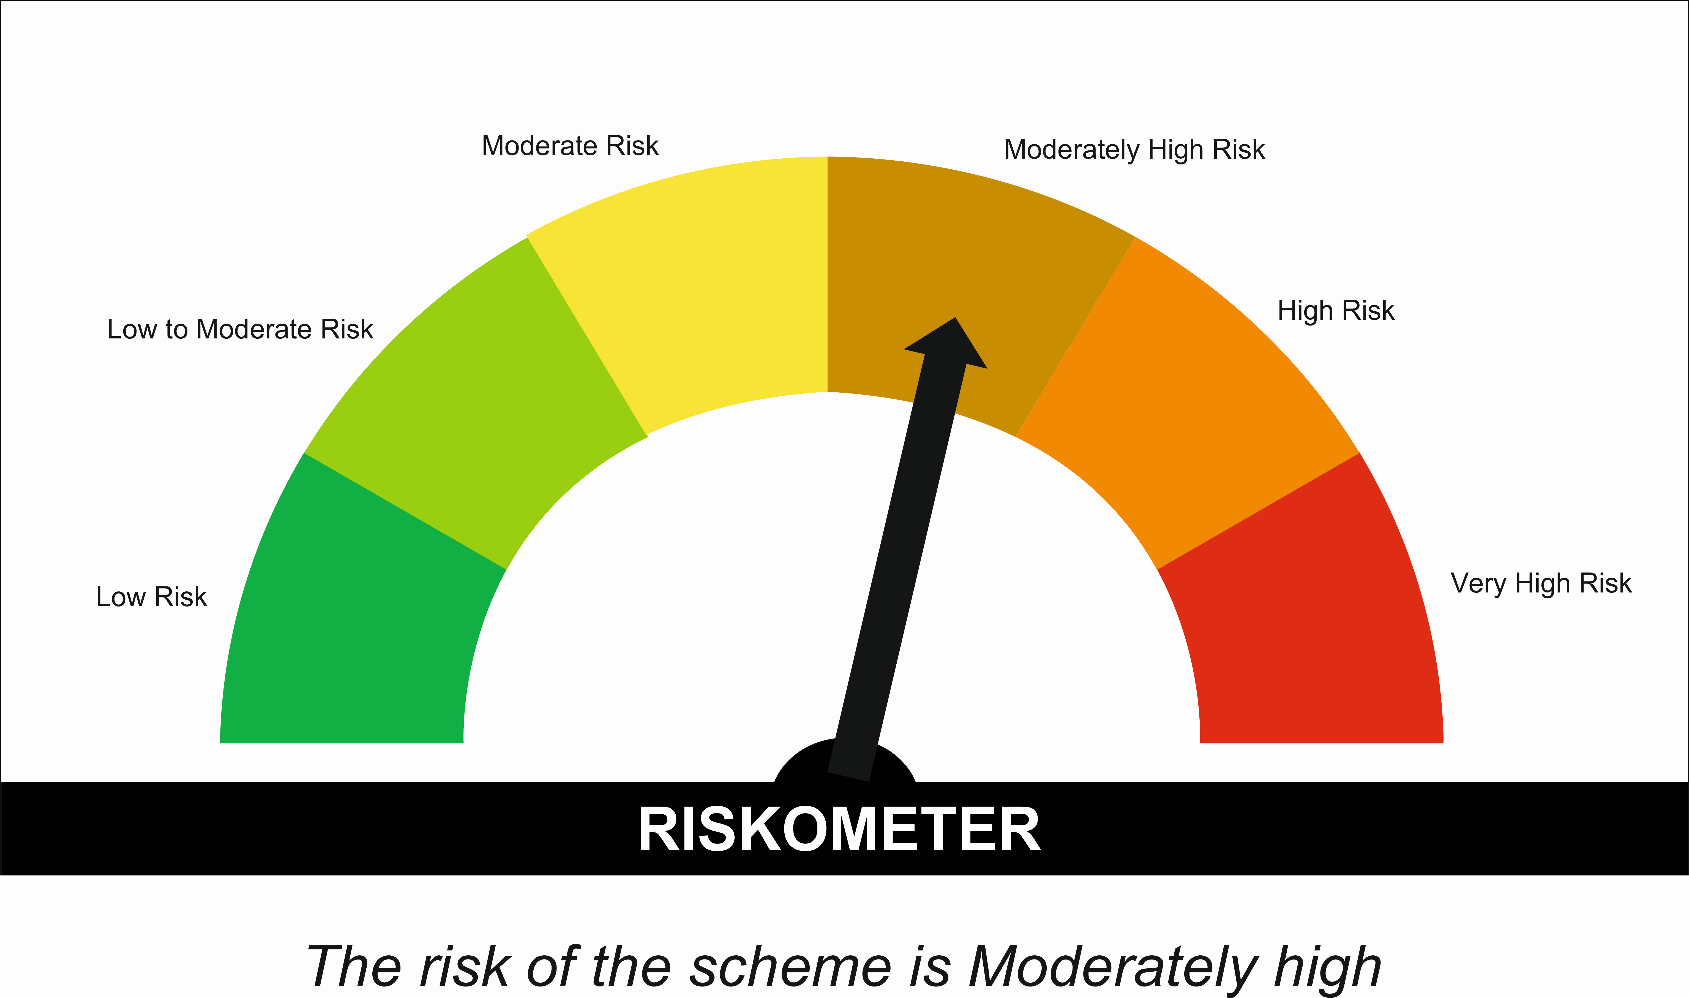

 | Tier I Benchmark Riskometer :
 | CRISIL Hybrid 85 Plus 15 - Conservative Index
 | 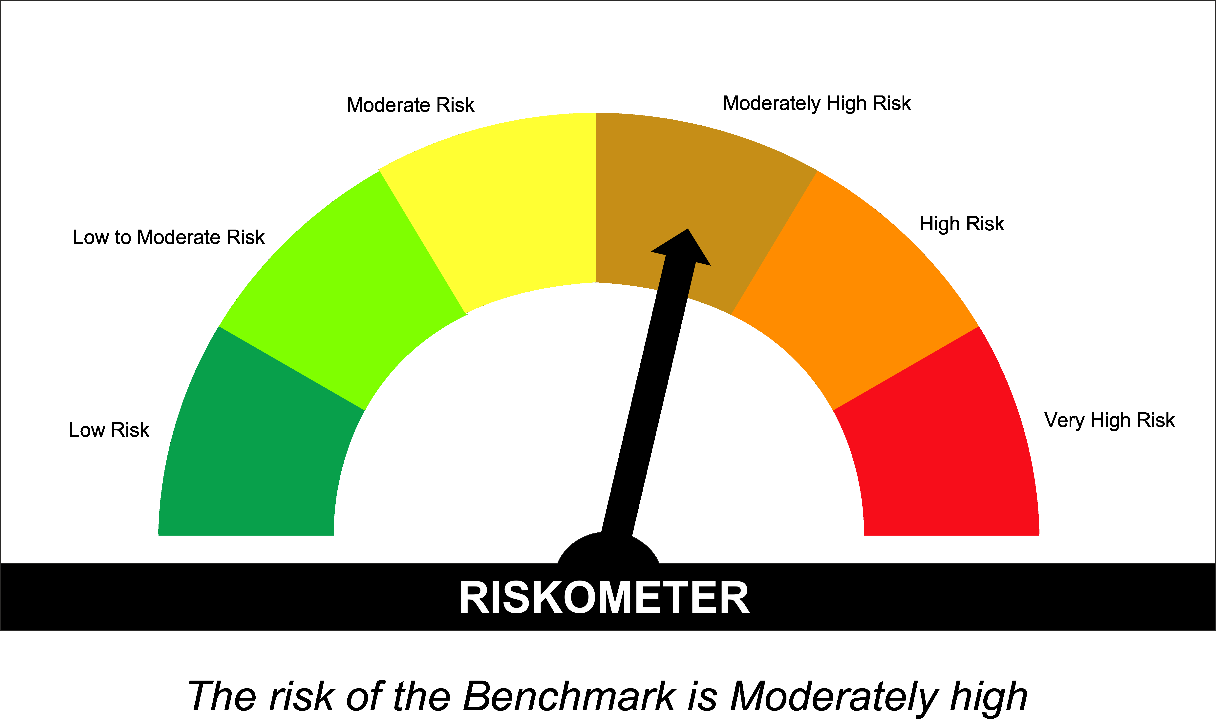

SUNONF

SUNDARAM MUTUAL FUND
Sundaram Overnight Fund
Monthly Portfolio Statement for the month ended 28 February 2026
SL No | ISIN Code | Name of the instrument | Rating / Industry | Quantity | Mkt Value Rs. in Lacs | % of Net Asset | YTM (%)
 |  | A) Equity & Equity Related
 |  | (a) Listed / awaiting listing on Stock Exchange
 |  | Sub Total |  |  | 0 | 0.00%

 |  | (b) Overseas Security
 |  | Sub Total |  |  | 0 | 0.00%

 |  | (c) Privately Placed / Unlisted
 |  | Sub Total |  |  | 0 | 0.00%

 |  | (d) Preference / Right Shares
 |  | Sub Total |  |  | 0 | 0.00%

 |  | (e) Warrants
 |  | Sub Total |  |  | 0 | 0.00%

 |  | f) Derivative
 |  | Sub Total |  |  | 0 | 0.00%

 |  | Total for Equity & Equity Related |  |  | 0.00 | 0.00%

 |  | B) Debt Instruments
 |  | (a) Listed / awaiting listing on Stock Exchange
 |  | Sub Total |  |  | 0 | 0.00%

 |  | (b) Privately Placed / Unlisted
 |  | Sub Total |  |  | 0 | 0.00%

 |  | (c) Govt Security
 |  | Sub Total |  |  | 0 | 0.00%

 |  | (d) Securitized Debt Instruments
 |  | Sub Total |  |  | 0 | 0.00%

 |  | Total for Debt Instruments |  |  | 0.00 | 0.00%

 |  | C) Money Market Instruments
 |  | (a) Certificate of Deposits
 |  | Sub Total |  |  | 0 | 0.00%

 |  | (b) Commercial Papers
 |  | Sub Total |  |  | 0 | 0.00%

 |  | (c) Treasury Bills
1 | IN002025Y255 | 182 Days - T Bill - 19/03/2026 | Sovereign | 2000000 | 1995.47 | 1.79% | 4.60
 |  | Sub Total |  |  | 1995.47 | 1.79%

 |  | (d) ReverseRepo / TREPS
1 |  | TREPS |  |  | 59552.34 | 53.32% | 4.92
2 |  | Reverse Repo |  |  | 49999.93 | 44.77% | 5.00
 |  | Sub Total |  |  | 109552.27 | 98.08%

 |  | Total for Money Market Instruments |  |  | 111547.74 | 99.87%

 |  | D) Mutual Fund Units
 |  | (a) Investment in Mutual Fund Units
 |  | Sub Total |  |  | 0 | 0.00%

 |  | E) Others
 |  | (a) Deposits with Commercial Banks
 |  | Sub Total |  |  | 0 | 0.00%

 |  | (b) Share Application Money pending Allotment
 |  | Sub Total |  |  | 0 | 0.00%

 |  | Cash and Other Net Current Assets^ |  |  | 146.33 | 0.13%
 |  | Grand Total |  |  | 111694.07 | 100.00 %

 | **Non Traded Securities - Wherever applicable
 | ^ Net current assets includes interest accrued on fixed income securities - Wherever applicable
 | # percentage to NAV of security is less than 0.01% - Wherever applicable

 | Notes
 | a) Total securities classified as below investment grade or default provided for and its percentage to NAV |  | Nil
 | b) Total value and percentage of illiquid equity shares |  | Nil
 | c) NAV per unit (Rupees per unit)
 |  | At the beginning | At the end
 | Option | 31-Jan-2026 | 28-Feb-2026
 | Direct Plan - Growth | 1419.2593 | 1424.3780
 | Direct Plan - Monthly IDCW | 1025.7612 | 1029.4607
 | Regular Plan - Growth | 1409.7111 | 1414.6865
 | Regular Plan - Monthly IDCW | 1021.0931 | 1024.6939

 | d) IDCW declared during the period (Rupees per unit) |  | Nil

 | e) Total outstanding exposure in derivative instruments at the end of the period |  | Nil
 | f) Total investments in foreign securities /ADR'S/GDR'S at the end of the period |  | Nil
 | g) Repo in corporate debt |  | Nil

 | Portfolio Information
 | Scheme Name : |  | Sundaram Overnight Fund
 | Description (if any)

 | Annualised Portfolio YTM %* : |  | 4.92

 | Macaulay Duration (Days) |  | 2
 | Average Maturity (Days) |  | 2

 | As on (Date) |  | 28-Feb-2026
 | * in case of semi annual YTM, it will be annualised

 | Scheme Riskometer :

 | 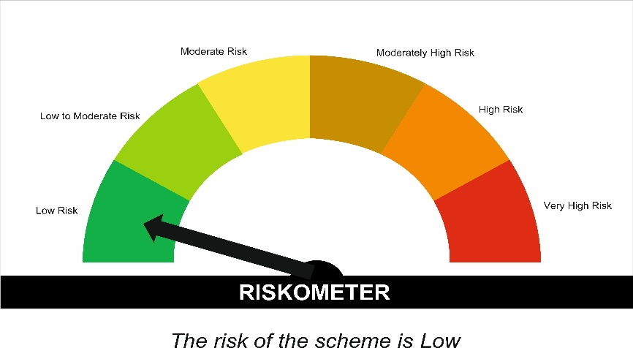

 | Tier I Benchmark Riskometer :
 | NIFTY 1D Rate Index

