SFRLTP

SUNDARAM MUTUAL FUND |  |  |  |  |  |  |  |  | Index
Sundaram Corporate Bond Fund
Monthly Portfolio Statement for the month ended 31 January 2026
SL No | ISIN Code | Name of the instrument | Rating / Industry | Quantity | Mkt Value Rs. in Lacs | % of Net Asset | YTM (%)* | Yield to call date %
 |  | A) Equity & Equity Related
 |  | (a) Listed / awaiting listing on Stock Exchange
 |  | Sub Total |  |  | 0 | 0.00%

 |  | (b) Overseas Security
 |  | Sub Total |  |  | 0 | 0.00%

 |  | (c) Privately Placed / Unlisted
 |  | Sub Total |  |  | 0 | 0.00%

 |  | (d) Preference / Right Shares
 |  | Sub Total |  |  | 0 | 0.00%

 |  | (e) Warrants
 |  | Sub Total |  |  | 0 | 0.00%

 |  | f) Derivative
 |  | Sub Total |  |  | 0 | 0.00%

 |  | Total for Equity & Equity Related |  |  | 0.00 | 0.00%

 |  | B) Debt Instruments
 |  | (a) Listed / awaiting listing on Stock Exchange
1 | INE556F08KL3 | Small Industries Development Bank of India - 7.83% - 24/11/2028** | CRISIL AAA | 5000 | 5072.71 | 6.69% | 7.22
2 | INE261F08EO7 | National Bank for Agriculture & Rural Development - 7.48% - 15/09/2028 | CRISIL AAA | 4500 | 4528.53 | 5.97% | 7.18
3 | INE053F08411 | Indian Railway Finance Corporation Ltd - 7.37% - 31/07/2029** | ICRA AAA | 4000 | 4020.07 | 5.30% | 7.20
4 | INE115A07QJ2 | LIC Housing Finance Ltd - 7.7% - 16/05/2028** | CRISIL AAA | 300 | 3022.78 | 3.99% | 7.30
5 | INE261F08EH1 | National Bank for Agriculture & Rural Development - 7.62% - 10/05/2029** | CRISIL AAA | 2500 | 2522.64 | 3.33% | 7.28
6 | INE020B08EK4 | REC LTD - 7.46% - 30/06/2028** | ICRA AAA | 2500 | 2519.16 | 3.32% | 7.07
7 | INE115A07QY1 | LIC Housing Finance Ltd - 7.57% - 18/10/2029** | CRISIL AAA | 2500 | 2514.35 | 3.32% | 7.37
8 | INE041007167 | Embassy Office Parks REIT - 7.21% - 17/03/2028** | CRISIL AAA | 2500 | 2490.08 | 3.28% | 7.61
9 | INE916DA7TD8 | Kotak Mahindra Prime Ltd - 7.299% - 22/09/2028** | CRISIL AAA | 2500 | 2483.22 | 3.28% | 7.56
10 | INE020B08FX4 | REC LTD - 6.37% - 31/03/2027** | ICRA AAA | 2500 | 2478.37 | 3.27% | 7.16
11 | INE134E08MX3 | Power Finance Corporation Ltd - 7.6% - 13/04/2029** | ICRA AAA | 2000 | 2022.52 | 2.67% | 7.20
12 | INE756I07FB6 | HDB Financial Services Ltd - 7.9611% - 05/01/2028 | CRISIL AAA | 2000 | 2014.14 | 2.66% | 7.54
13 | INE242A08544 | Indian Oil Corporation Ltd - 7.44% - 25/11/2027** | ICRA AAA | 200 | 2014.09 | 2.66% | 6.99
14 | INE296A07SV1 | Bajaj Finance Ltd - 7.82% - 31/01/2034 | CRISIL AAA | 2000 | 2013.91 | 2.66% | 7.70
15 | INE557F08FS6 | National Housing Bank - 7.4% - 16/07/2026 | CRISIL AAA | 2000 | 1999.87 | 2.64% | 7.30
16 | INE296A07TJ4 | Bajaj Finance Ltd - 7.3763% - 26/06/2028** | CRISIL AAA | 2000 | 1991.82 | 2.63% | 7.52
17 | INE514E08GE8 | Export Import Bank of India - 7.35% - 27/07/2028** | ICRA AAA | 1500 | 1511.40 | 1.99% | 7.03
18 | INE403D08298 | Bharti Telecom Ltd - 7.4% - 01/02/2029 | CRISIL AAA | 1500 | 1488.15 | 1.96% | 7.71
19 | INE062A08488 | State Bank of India - 6.93% - 20/10/2035** - Call Dt : 19-Oct-2030 | ICRA AAA | 15 | 1484.84 | 1.96% | 7.07 | 6.90
20 | INE756I07FG5 | HDB Financial Services Ltd - 7.4091% - 05/06/2028** | CRISIL AAA | 1400 | 1394.99 | 1.84% | 7.55
21 | INE134E08NS1 | Power Finance Corporation Ltd - 6.61% - 15/07/2028** | ICRA AAA | 1300 | 1285.67 | 1.70% | 7.11
22 | INE115A07MW4 | LIC Housing Finance Ltd - 7.95% - 29/01/2028** | CRISIL AAA | 100 | 1011.82 | 1.33% | 7.29
23 | INE556F08KR0 | Small Industries Development Bank of India - 7.47% - 05/09/2029** | CRISIL AAA | 1000 | 1004.05 | 1.32% | 7.32
24 | INE134E08NU7 | Power Finance Corporation Ltd - 6.59% - 15/10/2030 | CRISIL AAA | 1000 | 971.64 | 1.28% | 7.32
25 | INE556F08KP4 | Small Industries Development Bank of India - 7.68% - 10/08/2027** | CRISIL AAA | 500 | 503.18 | 0.66% | 7.24
26 | INE020B08FW6 | REC LTD - 6.52% - 31/01/2028 | ICRA AAA | 500 | 495.25 | 0.65% | 7.05
27 | INE556F08KS8 | Small Industries Development Bank of India - 7.34% - 26/02/2029 | CRISIL AAA | 400 | 400.55 | 0.53% | 7.29
 |  | Sub Total |  |  | 55259.77 | 72.89%

 |  | (b) Privately Placed / Unlisted
 |  | Sub Total |  |  | 0 | 0.00%

 |  | (c) Govt Security
1 | IN0020250091 | 6.48% Central Government Securities 06/10/2035 | Sovereign | 7500000 | 7385.45 | 9.74% | 6.81
2 | IN0020240126 | 6.79% Central Government Securities 07/10/2034 | Sovereign | 1500000 | 1505.25 | 1.99% | 6.85
3 | IN0020230135 | 7.32% Government Securities-13/11/2030 | Sovereign | 1000000 | 1036.69 | 1.37% | 6.52
4 | IN1920230100 | 7.72% Karnataka State Government Securities - 06/12/2035 | Sovereign | 1000000 | 1019.93 | 1.35% | 7.57
5 | IN0020230077 | 7.18% Government Securities - 24/07/2037 | Sovereign | 500000 | 509.75 | 0.67% | 7.05
6 | IN0020230051 | 7.30% Government Securities - 19/06/2053 | Sovereign | 500000 | 496.54 | 0.65% | 7.49
 |  | Sub Total |  |  | 11953.60 | 15.77%

 |  | (d) Securitized Debt Instruments
 |  | Sub Total |  |  | 0 | 0.00%

 |  | Total for Debt Instruments |  |  | 67213.37 | 88.66%

 |  | C) Money Market Instruments
 |  | (a) Certificate of Deposits
1 | INE160A16RK5 | Punjab National Bank - 18/03/2026 | CRISIL A1+ | 100 | 495.92 | 0.65% | 6.67
 |  | Sub Total |  |  | 495.92 | 0.65%

 |  | (b) Commercial Papers
1 | INE144H14HX3 | Deutsche Investments India Private Ltd - 09/03/2026** | CRISIL A1+ | 200 | 992.85 | 1.31% | 7.30
 |  | Sub Total |  |  | 992.85 | 1.31%

 |  | (c) Treasury Bills
 |  | Sub Total |  |  | 0 | 0.00%

 |  | (d) ReverseRepo / TREPS
1 |  | TREPS |  |  | 4649.47 | 6.13% | 5.20
 |  | Sub Total |  |  | 4649.47 | 6.13%

 |  | Total for Money Market Instruments |  |  | 6138.24 | 8.10%

 |  | D) Mutual Fund Units
 |  | (a) Investment in Mutual Fund Units
 |  | Sub Total |  |  | 0 | 0.00%

 |  | (b) Corporate Debt Market Development Fund
1 | INF0RQ622028 | Corporate Debt Market Development Fund - Class A2 |  | 2586.3710 | 299.99 | 0.40%
 |  | Sub Total |  |  | 299.99 | 0.40%

 |  | E) Others
 |  | (a) Deposits with Commercial Banks
 |  | Sub Total |  |  | 0 | 0.00%

 |  | (b) Share Application Money pending Allotment
 |  | Sub Total |  |  | 0 | 0.00%

 |  | Cash and Other Net Current Assets^ |  |  | 2161.29 | 2.85%
 |  | Grand Total |  |  | 75812.89 | 100.00 %

 | **Non Traded Securities - Wherever applicable
 | ^ Net current assets includes interest accrued on fixed income securities - Wherever applicable
 | # percentage to NAV of security is less than 0.01% - Wherever applicable

 | Notes
 | a) Total securities classified as below investment grade or default provided for and its percentage to NAV |  | Nil
 | b) Total value and percentage of illiquid equity shares |  | Nil
 | c) NAV per unit (Rupees per unit)
 |  | At the beginning | At the end
 | Option | 31-Dec-2025 | 31-Jan-2026
 | Direct Plan - Growth | 42.7530 | 42.7385
 | Direct Plan - IDCW | 19.0848 | 19.0783
 | Regular Plan - Growth | 41.2957 | 41.2708
 | Regular Plan - IDCW | 18.4661 | 18.4550

 | d) IDCW declared during the period (Rupees per unit) |  | Nil

 | e) Total outstanding exposure in derivative instruments at the end of the period |  | Nil
 | f) Total investments in foreign securities /ADR'S/GDR'S at the end of the period |  | Nil
 | g) Repo in corporate debt |  | Nil

 | Portfolio Information
 | Scheme Name : |  | Sundaram Corporate Bond Fund
 | Description (if any)

 | Annualised Portfolio YTM %* : |  | 7.10

 | Macaulay Duration (years) |  | 3.11
 | Average Maturity (years) |  | 3.86

 | As on (Date) |  | 31-Jan-2026
 | * in case of semi annual YTM, it will be annualised

 | Scheme Riskometer :

 | 

 | Tier I Benchmark Riskometer :
 | NIFTY Corporate Bond Index A-II

SFRSTP
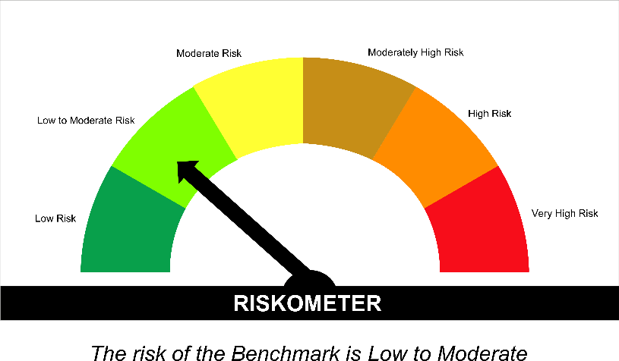
SUNDARAM MUTUAL FUND |  |  |  |  |  |  |  |  | Index
Sundaram Banking & PSU Fund
Monthly Portfolio Statement for the month ended 31 January 2026
SL No | ISIN Code | Name of the instrument | Rating / Industry | Quantity | Mkt Value Rs. in Lacs | % of Net Asset | YTM (%)* | Yield to call date %
 |  | A) Equity & Equity Related
 |  | (a) Listed / awaiting listing on Stock Exchange
 |  | Sub Total |  |  | 0 | 0.00%

 |  | (b) Overseas Security
 |  | Sub Total |  |  | 0 | 0.00%

 |  | (c) Privately Placed / Unlisted
 |  | Sub Total |  |  | 0 | 0.00%

 |  | (d) Preference / Right Shares
 |  | Sub Total |  |  | 0 | 0.00%

 |  | (e) Warrants
 |  | Sub Total |  |  | 0 | 0.00%

 |  | f) Derivative
 |  | Sub Total |  |  | 0 | 0.00%

 |  | Total for Equity & Equity Related |  |  | 0.00 | 0.00%

 |  | B) Debt Instruments
 |  | (a) Listed / awaiting listing on Stock Exchange
1 | INE242A08544 | Indian Oil Corporation Ltd - 7.44% - 25/11/2027** | ICRA AAA | 300 | 3021.14 | 8.14% | 6.99
2 | INE020B08EA5 | REC LTD - 7.55% - 31/03/2028** | ICRA AAA | 250 | 2523.47 | 6.80% | 7.05
3 | INE040A08955 | HDFC Bank Ltd - 7.7% - 16/05/2028** | ICRA AAA | 2500 | 2521.65 | 6.80% | 7.25
4 | INE556F08KS8 | Small Industries Development Bank of India - 7.34% - 26/02/2029 | CRISIL AAA | 2500 | 2503.41 | 6.75% | 7.29
5 | INE031A08962 | Housing & Urban Development Corporation Ltd - 6.9% - 23/04/2032** | ICRA AAA | 2500 | 2446.13 | 6.59% | 7.34
6 | INE514E08GE8 | Export Import Bank of India - 7.35% - 27/07/2028** | ICRA AAA | 2000 | 2015.20 | 5.43% | 7.03
7 | INE557F08FY4 | National Housing Bank - 7.59% - 14/07/2027 | CRISIL AAA | 2000 | 2014.35 | 5.43% | 7.03
8 | INE261F08EH1 | National Bank for Agriculture & Rural Development - 7.62% - 10/05/2029** | CRISIL AAA | 1500 | 1513.58 | 4.08% | 7.28
9 | INE261F08EM1 | National Bank for Agriculture & Rural Development - 7.53% - 24/03/2028** | ICRA AAA | 1000 | 1006.71 | 2.71% | 7.16
10 | INE053F08411 | Indian Railway Finance Corporation Ltd - 7.37% - 31/07/2029** | ICRA AAA | 1000 | 1005.02 | 2.71% | 7.20
11 | INE134E08NW3 | Power Finance Corporation Ltd - 6.73% - 15/10/2027** | CRISIL AAA | 1000 | 992.90 | 2.68% | 7.16
12 | INE296A07TM8 | Bajaj Finance Ltd - 7.11% - 10/07/2028** | CRISIL AAA | 1000 | 990.53 | 2.67% | 7.52
13 | INE062A08488 | State Bank of India - 6.93% - 20/10/2035** - Call Dt : 19-Oct-2030 | ICRA AAA | 10 | 989.89 | 2.67% | 7.07 | 6.90
14 | INE134E08NS1 | Power Finance Corporation Ltd - 6.61% - 15/07/2028** | ICRA AAA | 1000 | 988.98 | 2.67% | 7.11
15 | INE134E08MX3 | Power Finance Corporation Ltd - 7.6% - 13/04/2029** | ICRA AAA | 500 | 505.63 | 1.36% | 7.20
16 | INE756I07FB6 | HDB Financial Services Ltd - 7.9611% - 05/01/2028 | CRISIL AAA | 500 | 503.54 | 1.36% | 7.54
17 | INE261F08EF5 | National Bank for Agriculture & Rural Development - 7.8% - 15/03/2027** | ICRA AAA | 500 | 503.02 | 1.36% | 7.19
18 | INE053F08338 | Indian Railway Finance Corporation Ltd - 7.68% - 24/11/2026** | ICRA AAA | 500 | 501.38 | 1.35% | 7.28
19 | INE020B08FL9 | REC LTD - 7.34% - 30/04/2030** | CRISIL AAA | 500 | 500.91 | 1.35% | 7.28
20 | INE557F08FS6 | National Housing Bank - 7.4% - 16/07/2026 | CRISIL AAA | 500 | 499.97 | 1.35% | 7.30
21 | INE296A07TJ4 | Bajaj Finance Ltd - 7.3763% - 26/06/2028** | CRISIL AAA | 500 | 497.95 | 1.34% | 7.52
22 | INE403D08272 | Bharti Telecom Ltd - 7.35% - 15/10/2027** | CRISIL AAA | 500 | 496.79 | 1.34% | 7.73
23 | INE134E08NU7 | Power Finance Corporation Ltd - 6.59% - 15/10/2030 | CRISIL AAA | 500 | 485.82 | 1.31% | 7.32
24 | INE020B08FW6 | REC LTD - 6.52% - 31/01/2028 | ICRA AAA | 400 | 396.20 | 1.07% | 7.05
 |  | Sub Total |  |  | 29424.17 | 79.32%

 |  | (b) Privately Placed / Unlisted
 |  | Sub Total |  |  | 0 | 0.00%

 |  | (c) Govt Security
1 | IN0020240126 | 6.79% Central Government Securities 07/10/2034 | Sovereign | 2000000 | 2007.00 | 5.41% | 6.85
2 | IN0020230135 | 7.32% Government Securities-13/11/2030 | Sovereign | 1000000 | 1036.69 | 2.79% | 6.52
3 | IN0020250091 | 6.48% Central Government Securities 06/10/2035 | Sovereign | 1000000 | 984.73 | 2.65% | 6.81
4 | IN1920230100 | 7.72% Karnataka State Government Securities - 06/12/2035 | Sovereign | 500000 | 509.96 | 1.37% | 7.57
 |  | Sub Total |  |  | 4538.38 | 12.23%

 |  | (d) Securitized Debt Instruments
 |  | Sub Total |  |  | 0 | 0.00%

 |  | Total for Debt Instruments |  |  | 33962.55 | 91.55%

 |  | C) Money Market Instruments
 |  | (a) Certificate of Deposits
 |  | Sub Total |  |  | 0 | 0.00%

 |  | (b) Commercial Papers
 |  | Sub Total |  |  | 0 | 0.00%

 |  | (c) Treasury Bills
 |  | Sub Total |  |  | 0 | 0.00%

 |  | (d) ReverseRepo / TREPS
1 |  | TREPS |  |  | 1705.98 | 4.60% | 5.20
 |  | Sub Total |  |  | 1705.98 | 4.60%

 |  | Total for Money Market Instruments |  |  | 1705.98 | 4.60%

 |  | D) Mutual Fund Units
 |  | (a) Investment in Mutual Fund Units
 |  | Sub Total |  |  | 0 | 0.00%

 |  | (b) Corporate Debt Market Development Fund
1 | INF0RQ622028 | Corporate Debt Market Development Fund - Class A2 |  | 1167.5340 | 135.42 | 0.37%
 |  | Sub Total |  |  | 135.42 | 0.37%

 |  | E) Others
 |  | (a) Deposits with Commercial Banks
 |  | Sub Total |  |  | 0 | 0.00%

 |  | (b) Share Application Money pending Allotment
 |  | Sub Total |  |  | 0 | 0.00%

 |  | Cash and Other Net Current Assets^ |  |  | 1292.74 | 3.48%
 |  | Grand Total |  |  | 37096.69 | 100.00 %

 | **Non Traded Securities - Wherever applicable
 | ^ Net current assets includes interest accrued on fixed income securities - Wherever applicable
 | # percentage to NAV of security is less than 0.01% - Wherever applicable

 | Notes
 | a) Total securities classified as below investment grade or default provided for and its percentage to NAV |  | Nil
 | b) Total value and percentage of illiquid equity shares |  | Nil
 | c) NAV per unit (Rupees per unit)
 |  | At the beginning | At the end
 | Option | 31-Dec-2025 | 31-Jan-2026
 | Direct Plan - Growth | 44.9593 | 44.9389
 | Direct Plan - IDCW | 11.1927 | 11.1876
 | Regular Plan - Growth | 44.2981 | 44.2717
 | Regular Plan - IDCW | 11.2261 | 11.2194

 | d) IDCW declared during the period (Rupees per unit) |  | Nil

 | e) Total outstanding exposure in derivative instruments at the end of the period |  | Nil
 | f) Total investments in foreign securities /ADR'S/GDR'S at the end of the period |  | Nil
 | g) Repo in corporate debt |  | Nil

 | Portfolio Information
 | Scheme Name : |  | Sundaram Banking & PSU Fund
 | Description (if any)

 | Annualised Portfolio YTM %* : |  | 7.06

 | Macaulay Duration (years) |  | 2.87
 | Average Maturity (years) |  | 3.42

 | As on (Date) |  | 31-Jan-2026
 | * in case of semi annual YTM, it will be annualised

 | Scheme Riskometer :

 | Tier I Benchmark Riskometer :
 | NIFTY Banking and PSU Debt Index A-II

SMMF
SUNDARAM MUTUAL FUND |  |  |  |  |  |  |  | Index
Sundaram Money Market Fund
Monthly Portfolio Statement for the month ended 31 January 2026
SL No | ISIN Code | Name of the instrument | Rating / Industry | Quantity | Mkt Value Rs. in Lacs | % of Net Asset | YTM (%)*
 |  | A) Equity & Equity Related
 |  | (a) Listed / awaiting listing on Stock Exchange
 |  | Sub Total |  |  | 0 | 0.00%

 |  | (b) Overseas Security
 |  | Sub Total |  |  | 0 | 0.00%

 |  | (c) Privately Placed / Unlisted
 |  | Sub Total |  |  | 0 | 0.00%

 |  | (d) Preference / Right Shares
 |  | Sub Total |  |  | 0 | 0.00%

 |  | (e) Warrants
 |  | Sub Total |  |  | 0 | 0.00%

 |  | f) Derivative
 |  | Sub Total |  |  | 0 | 0.00%

 |  | Total for Equity & Equity Related |  |  | 0.00 | 0.00%

 |  | B) Debt Instruments
 |  | (a) Listed / awaiting listing on Stock Exchange
 |  | Sub Total |  |  | 0 | 0.00%

 |  | (b) Privately Placed / Unlisted
 |  | Sub Total |  |  | 0 | 0.00%

 |  | (c) Govt Security
1 | IN3120160053 | 8.07% Tamil Nadu State Development Loan - 15/06/2026 | Sovereign | 5000000 | 5044.08 | 2.45% | 5.67
2 | IN1520160038 | 7.98% Gujarat State Development Loan - 11/05/2026 | Sovereign | 2500000 | 2516.20 | 1.22% | 5.65
 |  | Sub Total |  |  | 7560.27 | 3.67%

 |  | (d) Securitized Debt Instruments
 |  | Sub Total |  |  | 0 | 0.00%

 |  | Total for Debt Instruments |  |  | 7560.27 | 3.67%

 |  | C) Money Market Instruments
 |  | (a) Certificate of Deposits
1 | INE514E16CK7 | Export Import Bank of India - 20/03/2026 | CRISIL A1+ | 3200 | 15864.16 | 7.69% | 6.65
2 | INE476A16E46 | Canara Bank - 11/05/2026** | CRISIL A1+ | 2000 | 9809.31 | 4.76% | 7.17
3 | INE476A16F60 | Canara Bank - 03/06/2026** | CRISIL A1+ | 2000 | 9764.60 | 4.73% | 7.21
4 | INE237A168Z9 | Kotak Mahindra Bank Ltd - 19/03/2026** | CRISIL A1+ | 1000 | 4958.70 | 2.40% | 6.61
5 | INE028A16KR4 | Bank of Baroda - 05/06/2026** | IND A1+ | 1000 | 4880.00 | 2.37% | 7.24
6 | INE008A16Y80 | IDBI Bank Ltd - 05/06/2026** | CRISIL A1+ | 1000 | 4877.79 | 2.37% | 7.38
7 | INE040A16HN4 | HDFC Bank Ltd - 11/09/2026 | CRISIL A1+ | 1000 | 4793.58 | 2.32% | 7.08
8 | INE028A16KC6 | Bank of Baroda - 16/09/2026** | IND A1+ | 1000 | 4787.32 | 2.32% | 7.14
9 | INE238AD6BI8 | Axis Bank Ltd - 15/10/2026** | CRISIL A1+ | 1000 | 4760.76 | 2.31% | 7.17
10 | INE692A16KG0 | Union Bank of India - 26/05/2026** | ICRA A1+ | 900 | 4400.87 | 2.13% | 7.21
11 | INE261F16967 | National Bank for Agriculture & Rural Development - 27/02/2026** | CRISIL A1+ | 800 | 3981.42 | 1.93% | 6.55
12 | INE692A16KC9 | Union Bank of India - 15/05/2026** | ICRA A1+ | 800 | 3920.21 | 1.90% | 7.21
13 | INE028A16KK9 | Bank of Baroda - 25/11/2026** | IND A1+ | 800 | 3780.80 | 1.83% | 7.13
14 | INE556F16BS0 | Small Industries Development Bank of India - 04/12/2026** | CRISIL A1+ | 800 | 3770.36 | 1.83% | 7.27
15 | INE028A16KW4 | Bank of Baroda - 15/12/2026** | IND A1+ | 800 | 3766.90 | 1.83% | 7.13
16 | INE556F16BW2 | Small Industries Development Bank of India - 28/01/2027** | CRISIL A1+ | 800 | 3735.13 | 1.81% | 7.17
17 | INE008A16X99 | IDBI Bank Ltd - 23/02/2026 | CRISIL A1+ | 500 | 2490.10 | 1.21% | 6.60
18 | INE160A16TT2 | Punjab National Bank - 09/03/2026** | CRISIL A1+ | 500 | 2483.66 | 1.20% | 6.67
19 | INE040A16GW7 | HDFC Bank Ltd - 19/05/2026** | CRISIL A1+ | 500 | 2448.04 | 1.19% | 7.24
20 | INE238AD6AT7 | Axis Bank Ltd - 11/06/2026** | CRISIL A1+ | 500 | 2436.62 | 1.18% | 7.30
21 | INE238AD6BP3 | Axis Bank Ltd - 27/11/2026** | CRISIL A1+ | 500 | 2361.86 | 1.15% | 7.14
22 | INE949L16EB5 | AU Small Finance Bank Ltd - 25/11/2026** | CRISIL A1+ | 500 | 2354.76 | 1.14% | 7.58
23 | INE556F16BT8 | Small Industries Development Bank of India - 16/12/2026** | CRISIL A1+ | 500 | 2351.18 | 1.14% | 7.27
24 | INE238AD6BO6 | Axis Bank Ltd - 26/11/2026** | CRISIL A1+ | 200 | 944.92 | 0.46% | 7.14
 |  | Sub Total |  |  | 109723.04 | 53.21%

 |  | (b) Commercial Papers
1 | INE556F14LT2 | Small Industries Development Bank of India - 03/06/2026** | CRISIL A1+ | 1500 | 7321.72 | 3.55% | 7.29
2 | INE756I14FC0 | HDB Financial Services Ltd - 04/03/2026** | CRISIL A1+ | 1000 | 4970.29 | 2.41% | 7.04
3 | INE879F14LJ9 | Infina Finance Pvt Ltd - 13/03/2026** | CRISIL A1+ | 1000 | 4959.89 | 2.41% | 7.38
4 | INE041014064 | Embassy Office Parks REIT - 20/03/2026** | CRISIL A1+ | 1000 | 4956.13 | 2.40% | 6.87
5 | INE725H14DK5 | Tata Projects Ltd - 11/09/2026** | CRISIL A1+ | 1000 | 4780.07 | 2.32% | 7.57
6 | INE763G14XJ8 | ICICI Securities Ltd - 03/03/2026** | CRISIL A1+ | 800 | 3976.63 | 1.93% | 7.15
7 | INE144H14HQ7 | Deutsche Investments India Private Ltd - 27/02/2026** | CRISIL A1+ | 700 | 3481.77 | 1.69% | 7.35
8 | INE121A14XO2 | Cholamandalam Investment and Finance Company Ltd - 26/05/2026** | CRISIL A1+ | 700 | 3416.29 | 1.66% | 7.85
9 | INE115A14FJ1 | LIC Housing Finance Ltd - 18/02/2026** | CRISIL A1+ | 500 | 2492.36 | 1.21% | 6.59
10 | INE338I14JI6 | Motilal Oswal Financial Services Ltd - 25/02/2026** | CRISIL A1+ | 500 | 2487.69 | 1.21% | 7.53
11 | INE763G14XI0 | ICICI Securities Ltd - 27/02/2026** | CRISIL A1+ | 500 | 2487.16 | 1.21% | 7.25
12 | INE865C14PD9 | Aditya Birla Money Ltd - 17/03/2026** | CRISIL A1+ | 500 | 2477.23 | 1.20% | 7.63
13 | INE763G14YJ6 | ICICI Securities Ltd - 15/05/2026** | CRISIL A1+ | 500 | 2445.32 | 1.19% | 7.93
14 | INE09OL14HG3 | Birla Group Holdings Pvt Ltd - 22/05/2026** | CRISIL A1+ | 500 | 2440.79 | 1.18% | 8.05
15 | INE466L14FR8 | 360 ONE WAM Ltd (Prev IIFL Wealth Management Ltd) - 21/01/2027** | CRISIL A1+ | 500 | 2306.50 | 1.12% | 8.65
16 | INE121A14XK0 | Cholamandalam Investment and Finance Company Ltd - 22/05/2026** | CRISIL A1+ | 100 | 488.45 | 0.24% | 7.85
 |  | Sub Total |  |  | 55488.28 | 26.91%

 |  | (c) Treasury Bills
1 | IN002025Y370 | 182 Days - T Bill - 11/06/2026 | Sovereign | 7000000 | 6864.59 | 3.33% | 5.54
 |  | Sub Total |  |  | 6864.59 | 3.33%

 |  | (d) ReverseRepo / TREPS
1 |  | TREPS |  |  | 26117.26 | 12.66% | 5.20
 |  | Sub Total |  |  | 26117.26 | 12.66%

 |  | Total for Money Market Instruments |  |  | 198193.16 | 96.11%

 |  | D) Mutual Fund Units
 |  | (a) Investment in Mutual Fund Units
 |  | Sub Total |  |  | 0 | 0.00%

 |  | (b) Corporate Debt Market Development Fund
1 | INF0RQ622028 | Corporate Debt Market Development Fund - Class A2 |  | 4185.0570 | 485.42 | 0.24%
 |  | Sub Total |  |  | 485.42 | 0.24%

 |  | E) Others
 |  | (a) Deposits with Commercial Banks
 |  | Sub Total |  |  | 0 | 0.00%

 |  | (b) Share Application Money pending Allotment
 |  | Sub Total |  |  | 0 | 0.00%

 |  | Cash and Other Net Current Assets^ |  |  | (15.65) | (0.01%)
 |  | Grand Total |  |  | 206223.20 | 100.00 %

 | **Non Traded Securities - Wherever applicable
 | ^ Net current assets includes interest accrued on fixed income securities - Wherever applicable
 | # percentage to NAV of security is less than 0.01% - Wherever applicable
 | ++ Aggregate Investments by Other schemes of Sundaram Mutual Fund - Rs. 23,355.68 Lakhs

 | Notes
 | a) Total securities classified as below investment grade or default provided for and its percentage to NAV |  | Nil
 | b) Total value and percentage of illiquid equity shares |  | Nil
 | c) NAV per unit (Rupees per unit)
 |  | At the beginning | At the end
 | Option | 31-Dec-2025 | 31-Jan-2026
 | Direct Plan - Growth | 15.5949 | 15.6455
 | Direct Plan - IDCW | 10.9649 | 11.0004
 | Regular Plan - Growth | 15.4817 | 15.5300
 | Regular Plan - IDCW | 10.9312 | 10.9653

 | d) IDCW declared during the period (Rupees per unit) |  | Nil

 | e) Total outstanding exposure in derivative instruments at the end of the period |  | Nil
 | f) Total investments in foreign securities /ADR'S/GDR'S at the end of the period |  | Nil
 | g) Repo in corporate debt |  | Nil

 | Portfolio Information
 | Scheme Name : |  | Sundaram Money Market Fund
 | Description (if any)

 | Annualised Portfolio YTM %* : |  | 6.81

 | Macaulay Duration (years) |  | 0.31
 | Average Maturity (years) |  | 0.31

 | As on (Date) |  | 31-Jan-2026
 | * in case of semi annual YTM, it will be annualised

 | Scheme Riskometer :



 | Tier I Benchmark Riskometer :
 | NIFTY Money Market Index A-I

SUNMIA
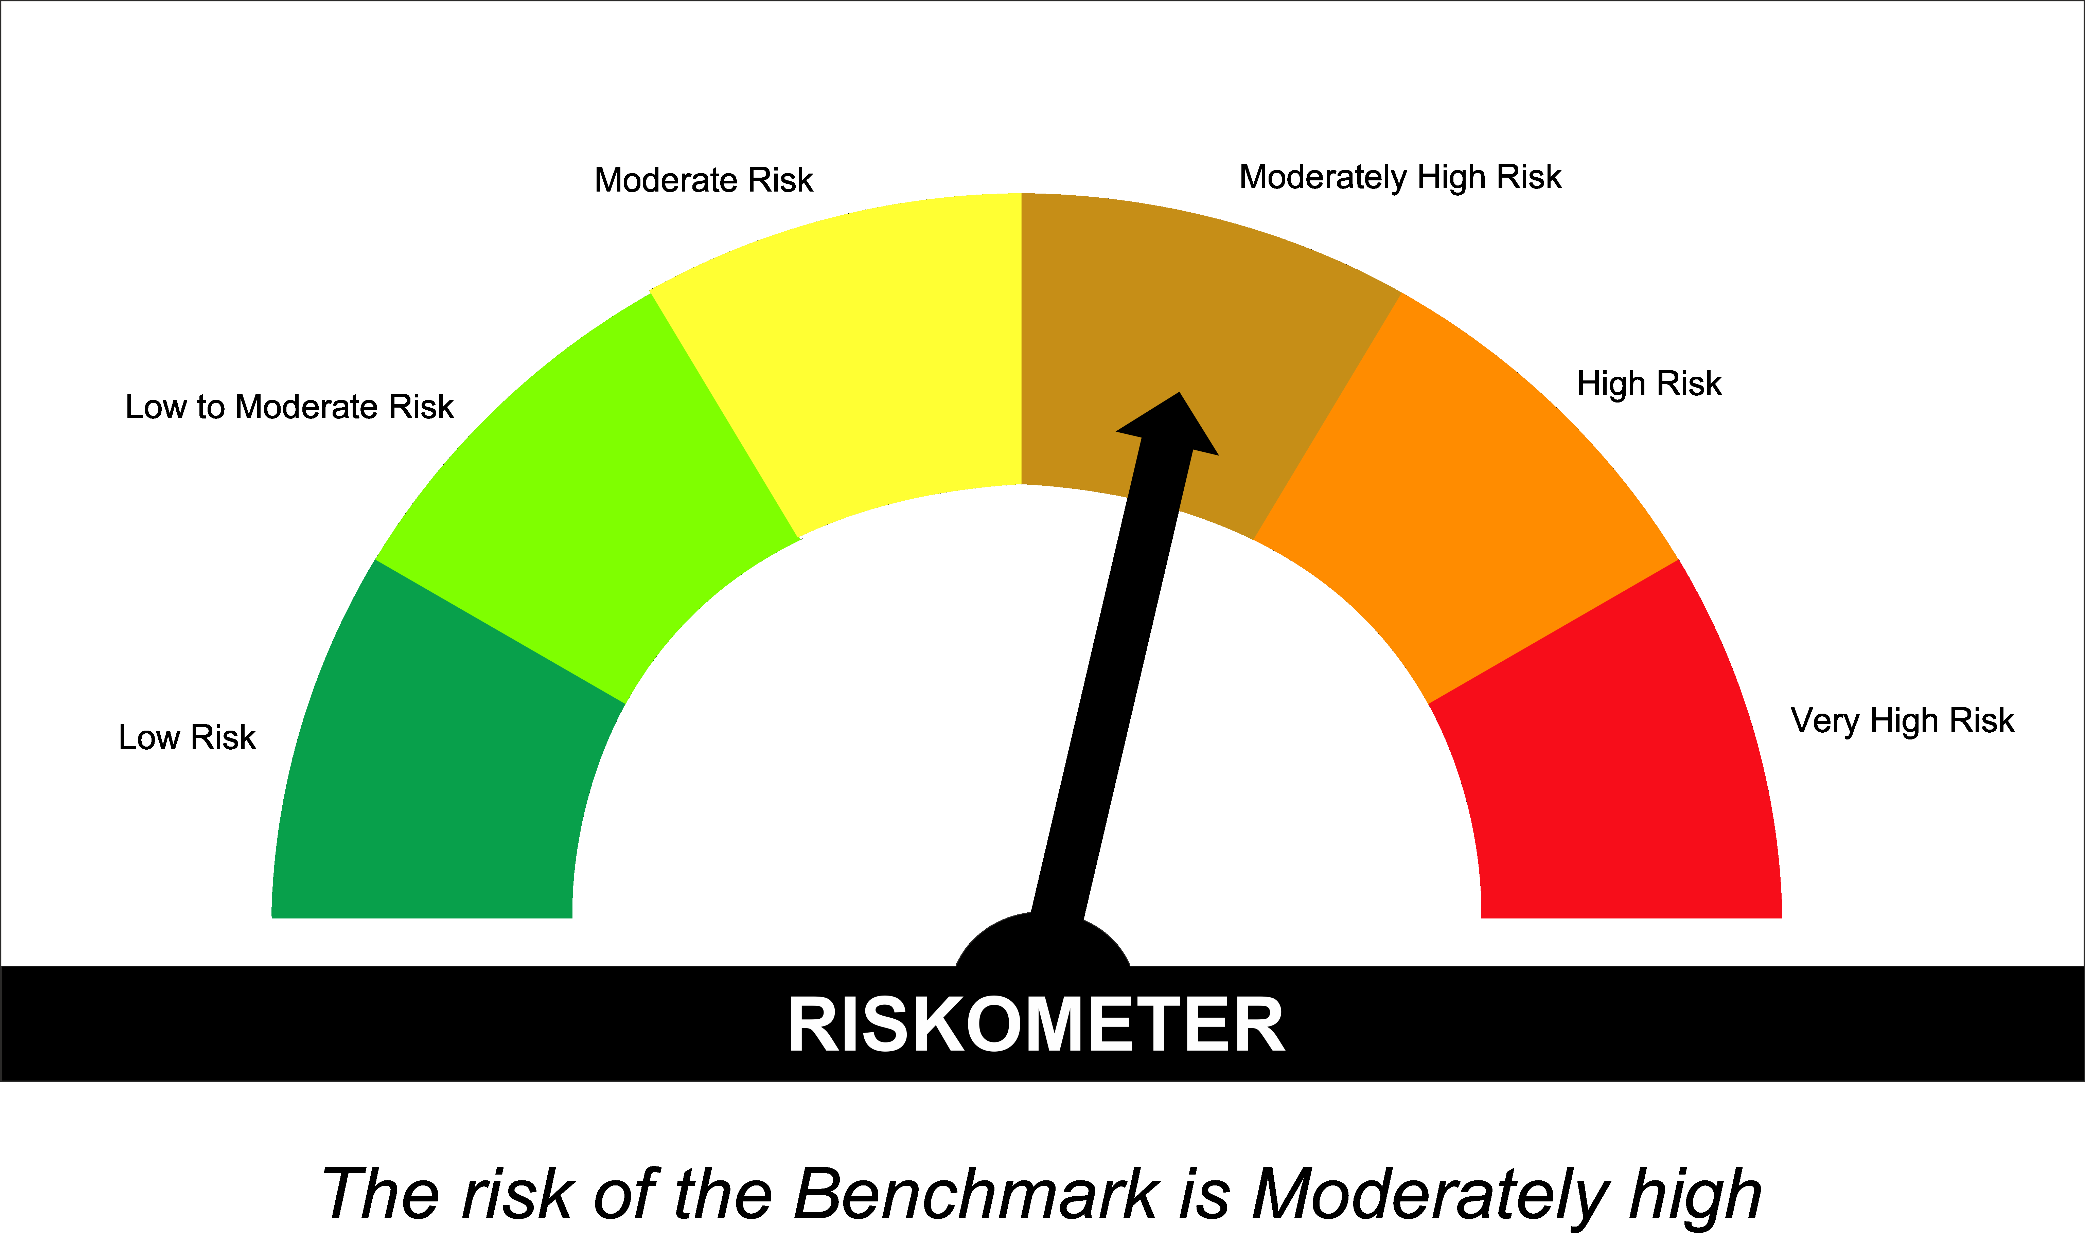
SUNDARAM MUTUAL FUND |  |  |  |  |  |  |  | Index
Sundaram Conservative Hybrid Fund
Monthly Portfolio Statement for the month ended 31 January 2026
SL No | ISIN Code | Name of the instrument | Rating / Industry | Quantity | Mkt Value Rs. in Lacs | % of Net Asset | YTM (%)*
 |  | A) Equity & Equity Related
 |  | (a) Listed / awaiting listing on Stock Exchange
1 | INE040A01034 | HDFC Bank Ltd | Banks | 5700 | 52.97 | 2.68%
2 | INE397D01024 | Bharti Airtel Ltd | Telecom - Services | 2400 | 47.25 | 2.39%
3 | INE002A01018 | Reliance Industries Ltd | Petroleum Products | 3000 | 41.86 | 2.12%
4 | INE090A01021 | ICICI Bank Ltd | Banks | 2200 | 29.81 | 1.51%
5 | INE009A01021 | Infosys Ltd | It - Software | 1707 | 28.01 | 1.42%
6 | INE062A01020 | State Bank of India | Banks | 2600 | 28.01 | 1.42%
7 | INE860A01027 | HCL Technologies Ltd | It - Software | 1400 | 23.74 | 1.20%
8 | INE238A01034 | Axis Bank Ltd | Banks | 1200 | 16.44 | 0.83%
9 | INE481G01011 | Ultratech Cement Ltd | Cement & Cement Products | 125 | 15.87 | 0.80%
10 | INE917I01010 | Bajaj Auto Ltd | Automobiles | 160 | 15.36 | 0.78%
11 | INE540L01014 | Alkem Laboratories Ltd | Pharmaceuticals & Biotechnology | 250 | 14.19 | 0.72%
12 | INE237A01036 | Kotak Mahindra Bank Ltd | Banks | 3375 | 13.77 | 0.70%
13 | INE669C01036 | Tech Mahindra Ltd | It - Software | 750 | 13.07 | 0.66%
14 | INE066F01020 | Hindustan Aeronautics Ltd | Aerospace & Defense | 250 | 11.55 | 0.58%
15 | INE029A01011 | Bharat Petroleum Corporation Ltd | Petroleum Products | 3000 | 10.94 | 0.55%
16 | INE603J01030 | PI Industries Ltd | Fertilizers & Agrochemicals | 320 | 10.23 | 0.52%
17 | INE797F01020 | Jubilant Foodworks Ltd | Leisure Services | 2000 | 9.94 | 0.50%
18 | INE018A01030 | Larsen & Toubro Ltd | Construction | 250 | 9.83 | 0.50%
19 | INE101A01026 | Mahindra & Mahindra Ltd | Automobiles | 250 | 8.58 | 0.43%
20 | INE196A01026 | Marico Ltd | Agricultural Food & Other Products | 1100 | 8.03 | 0.41%
 |  | Sub Total |  |  | 409.44 | 20.71%

 |  | (b) Overseas Security
 |  | Sub Total |  |  | 0 | 0.00%

 |  | (c) Privately Placed / Unlisted
 |  | Sub Total |  |  | 0 | 0.00%

 |  | (d) Preference / Right Shares
 |  | Sub Total |  |  | 0 | 0.00%

 |  | (e) Warrants
 |  | Sub Total |  |  | 0 | 0.00%

 |  | f) Derivative
 |  | Sub Total |  |  | 0 | 0.00%

 |  | Total for Equity & Equity Related |  |  | 409.44 | 20.71%

 |  | B) Debt Instruments
 |  | (a) Listed / awaiting listing on Stock Exchange
 |  | Sub Total |  |  | 0 | 0.00%

 |  | (b) Privately Placed / Unlisted
 |  | Sub Total |  |  | 0 | 0.00%

 |  | (c) Govt Security
1 | IN0020250075 | 7.24% Central Government Securities 18/08/2055 | Sovereign | 500000 | 493.18 | 24.94% | 7.49
 |  | Sub Total |  |  | 493.18 | 24.94%

 |  | (d) Securitized Debt Instruments
 |  | Sub Total |  |  | 0 | 0.00%

 |  | Total for Debt Instruments |  |  | 493.18 | 24.94%

 |  | C) Money Market Instruments
 |  | (a) Certificate of Deposits
 |  | Sub Total |  |  | 0 | 0.00%

 |  | (b) Commercial Papers
 |  | Sub Total |  |  | 0 | 0.00%

 |  | (c) Treasury Bills
 |  | Sub Total |  |  | 0 | 0.00%

 |  | (d) ReverseRepo / TREPS
1 |  | TREPS |  |  | 629.92 | 31.86% | 5.20
 |  | Sub Total |  |  | 629.92 | 31.86%

 |  | Total for Money Market Instruments |  |  | 629.92 | 31.86%

 |  | D) Mutual Fund Units
 |  | (a) Investment in Mutual Fund Units
 |  | Sub Total |  |  | 8.91 | 0.45%

 |  | (b) Corporate Debt Market Development Fund
1 | INF0RQ622028 | Corporate Debt Market Development Fund - Class A2 |  | 76.7960 | 8.91 | 0.45%
 |  | Sub Total |  |  | 8.91 | 0.45%

 |  | E) Others
 |  | (a) Deposits with Commercial Banks
 |  | Sub Total |  |  | 0 | 0.00%

 |  | (b) Share Application Money pending Allotment
 |  | Sub Total |  |  | 0 | 0.00%

 |  | Cash and Other Net Current Assets^ |  |  | 435.92 | 22.05%
 |  | Grand Total |  |  | 1977.37 | 100.00 %

 | **Non Traded Securities - Wherever applicable
 | ^ Net current assets includes interest accrued on fixed income securities - Wherever applicable
 | # percentage to NAV of security is less than 0.01% - Wherever applicable

 | Notes
 | a) Total securities classified as below investment grade or default provided for and its percentage to NAV |  | Refer below point h)
 | b) Total value and percentage of illiquid equity shares |  | Nil
 | c) NAV per unit (Rupees per unit)
 |  | At the beginning | At the end
 | Option | 31-Dec-2025 | 31-Jan-2026
 | Direct Plan - Growth | 33.1960 | 32.9912
 | Direct Plan - IDCW | 20.8567 | 20.7281
 | Regular Plan - Growth | 29.9739 | 29.7812
 | Regular Plan - IDCW | 18.7181 | 18.5977

 | d) IDCW declared during the period (Rupees per unit) |  | Nil

 | e) Total outstanding exposure in derivative instruments at the end of the period |  | Nil
 | f) Total investments in foreign securities /ADR'S/GDR'S at the end of the period |  | Nil
 | g) Repo in corporate debt |  | Nil

 | Portfolio Information
 | Scheme Name : |  | Sundaram Conservative Hybrid Fund
 | Description (if any)

 | Annualised Portfolio YTM %* : |  | 6.38

 | Macaulay Duration - only for Debt portion (years) |  | 5.79
 | Average Maturity - only for Debt portion (years) |  | 12.16

 | As on (Date) |  | 31-Jan-2026
 | * in case of semi annual YTM, it will be annualised

 | h) Exposure to securities classified as below investment grade or default as on 31-Jan-2026:-
 | ISIN | NAME OF THE SECURITY | VALUE OF THE SECURITY CONSIDERED UNDER NET RECEIVABLES |  |  | % TO AUM
 | INE202B07654 | 11.55% Prev 11.45%-Dewan Housing Finance Corp Ltd-12/09/2019 | - |  |  | -

 | TOTAL AMOUNT INCLUDING INTEREST DUE TO AND RECOVERED BY THE SCHEME
 | ISIN | NAME OF THE SECURITY | TOTAL AMOUNT DUE |  |  |  | Amount Recovered (Rs. In Lacs) 30th Sep 2021 | Further amount received on 31/08/2024 (Rs. In Lacs) | Total settlement till date ( Rs . In Lacs )
 |  |  | PRINCIPAL (Rs. in Lacs) | Interest Accrued till 3rd June 2019 (Rs. in Lacs) | Interest not accrued due to category by rating agency as default till maturity (Rs. in Lacs) | Total (Rs. in Lacs)
 | INE202B07654 | 11.55%_Prev 11.45%-Dewan Housing Finance Corp Ltd-12/09/2019 | 500.00 | 9.94 | 16.01 | 525.95 | 233.41 | 4.01 | 237.42

 | For Further details please refer the below Links for Rationale

 | https://www.sundarammutual.com/pdf2/2021/Rationale_for_Valuation/DHFL_Valuation_impact_22_Sep_2021.pdf

 | https://www.sundarammutual.com/pdf2/2021/Rationale_for_Valuation/Update_on_DHFL_Recovery_30_sep_2021.pdf

 | https://www.sundarammutual.com/pdf2/2024/Rationale_for_Valuation/Update_on_DHFL_Recovery_31_Aug_2024_V1.pdf

 | https://www.sundarammutual.com/pdf2/2025/Rationale_for_Valuation/Update_on_Valuation_of_RoadStar_InVIT_Units_V1.pdf

 | https://www.sundarammutual.com/pdf2/2025/Rationale_for_Valuation/Update_on_Valuation_of_RoadStar_InVIT_Units_22_Sep_2025.pdf
 | Scheme Riskometer :

 | 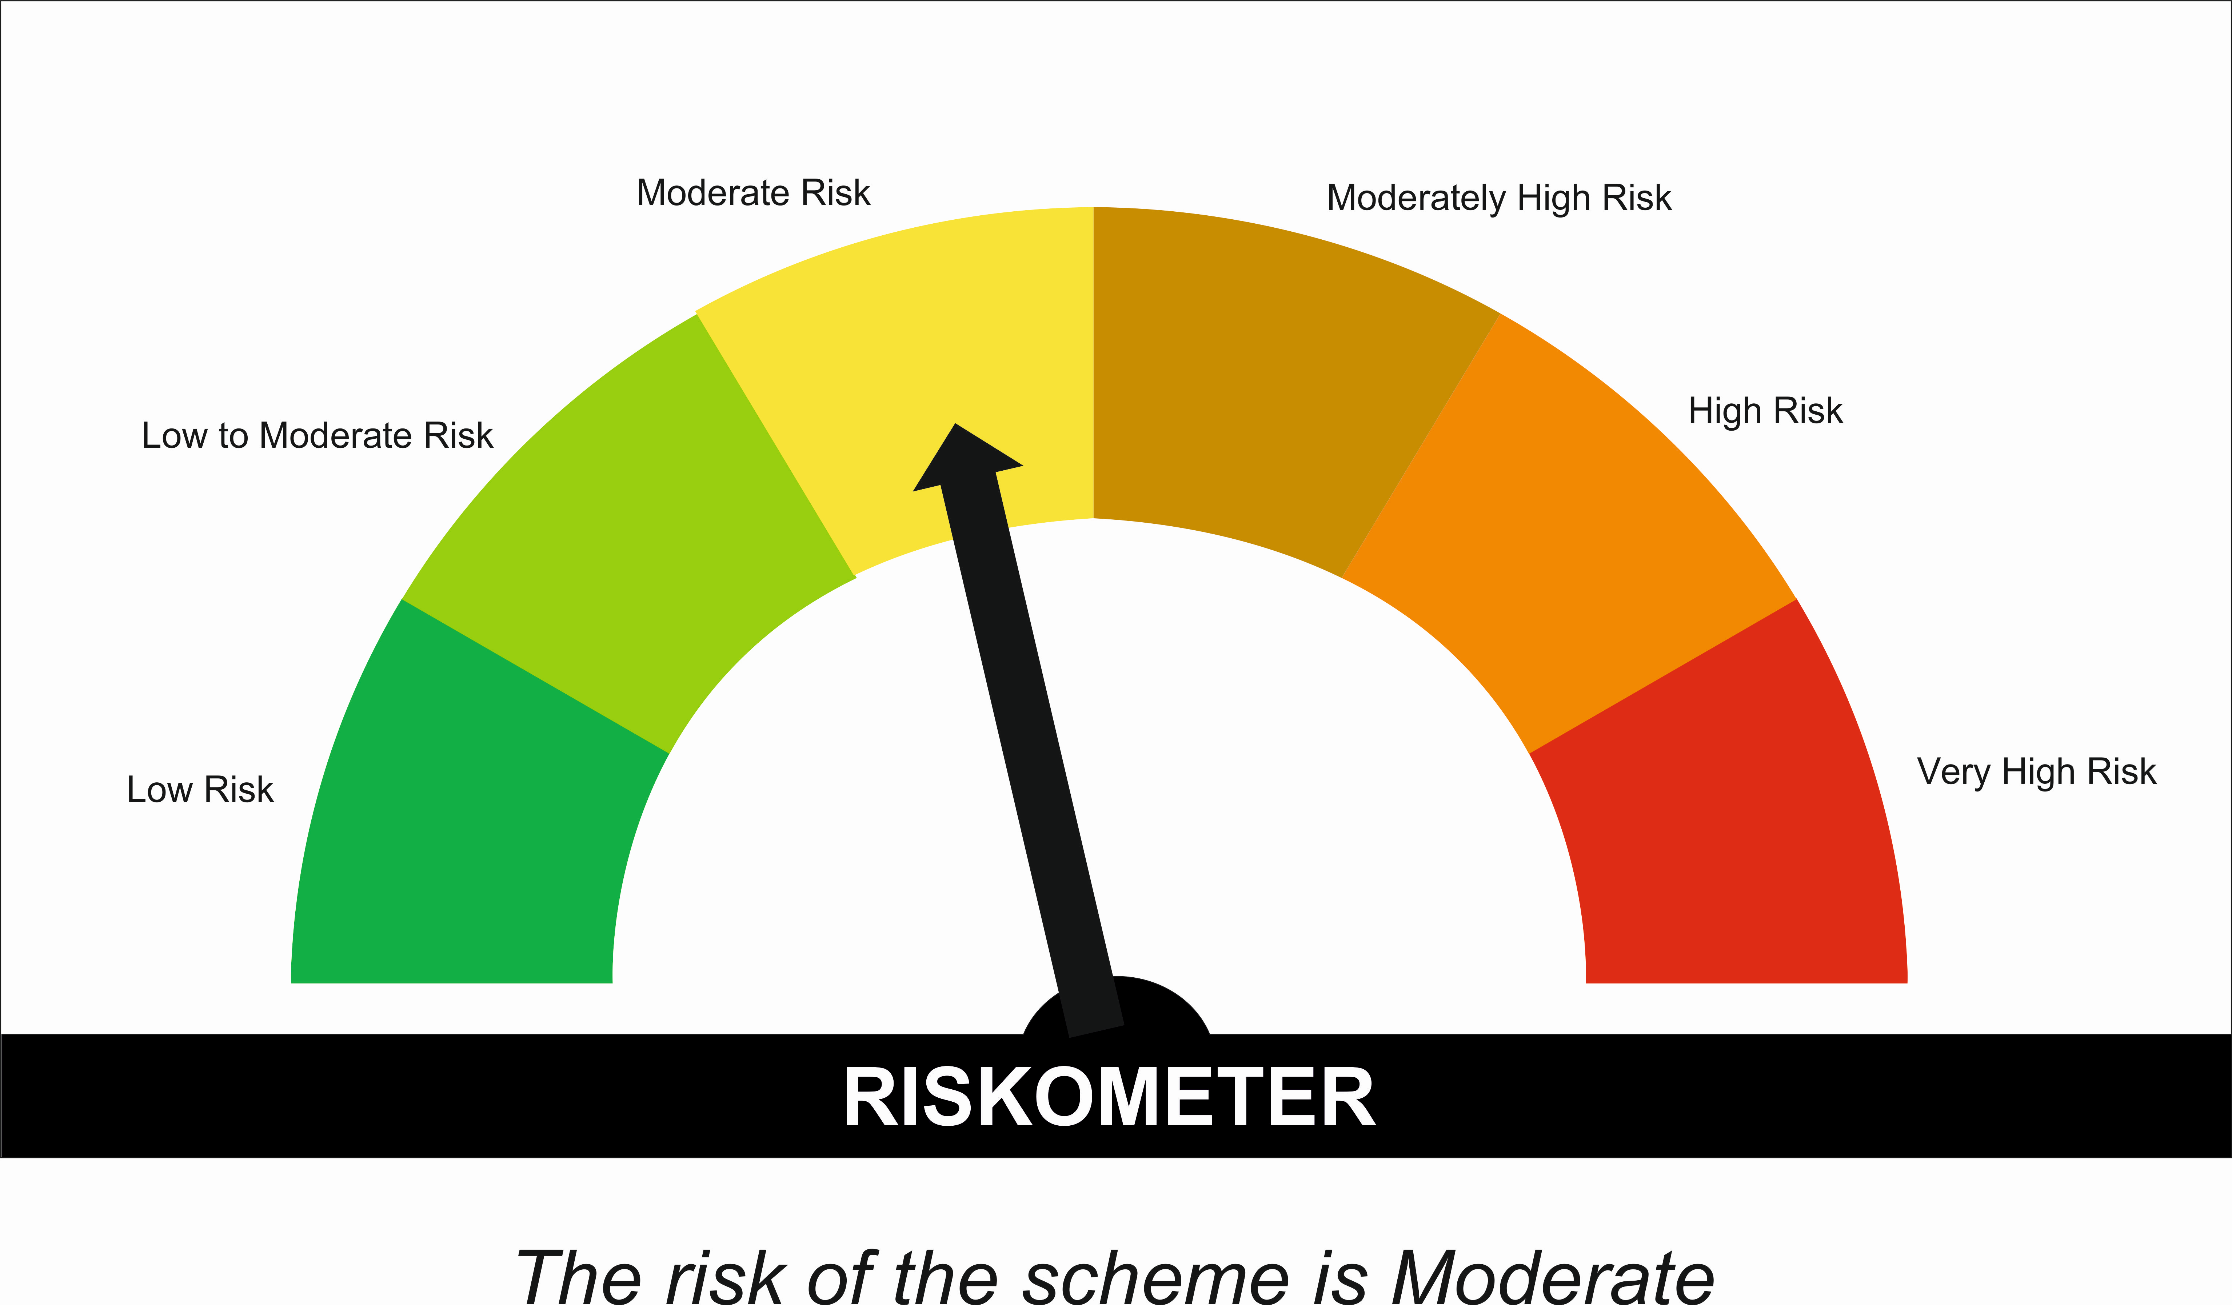

 | Tier I Benchmark Riskometer :
 | CRISIL Hybrid 85 Plus 15 - Conservative Index

SUNONF
SUNDARAM MUTUAL FUND |  |  |  |  |  |  |  | Index
Sundaram Overnight Fund
Monthly Portfolio Statement for the month ended 31 January 2026
SL No | ISIN Code | Name of the instrument | Rating / Industry | Quantity | Mkt Value Rs. in Lacs | % of Net Asset | YTM (%)
 |  | A) Equity & Equity Related
 |  | (a) Listed / awaiting listing on Stock Exchange
 |  | Sub Total |  |  | 0 | 0.00%

 |  | (b) Overseas Security
 |  | Sub Total |  |  | 0 | 0.00%

 |  | (c) Privately Placed / Unlisted
 |  | Sub Total |  |  | 0 | 0.00%

 |  | (d) Preference / Right Shares
 |  | Sub Total |  |  | 0 | 0.00%

 |  | (e) Warrants
 |  | Sub Total |  |  | 0 | 0.00%

 |  | f) Derivative
 |  | Sub Total |  |  | 0 | 0.00%

 |  | Total for Equity & Equity Related |  |  | 0.00 | 0.00%

 |  | B) Debt Instruments
 |  | (a) Listed / awaiting listing on Stock Exchange
 |  | Sub Total |  |  | 0 | 0.00%

 |  | (b) Privately Placed / Unlisted
 |  | Sub Total |  |  | 0 | 0.00%

 |  | (c) Govt Security
 |  | Sub Total |  |  | 0 | 0.00%

 |  | (d) Securitized Debt Instruments
 |  | Sub Total |  |  | 0 | 0.00%

 |  | Total for Debt Instruments |  |  | 0.00 | 0.00%

 |  | C) Money Market Instruments
 |  | (a) Certificate of Deposits
 |  | Sub Total |  |  | 0 | 0.00%

 |  | (b) Commercial Papers
 |  | Sub Total |  |  | 0 | 0.00%

 |  | (c) Treasury Bills
1 | IN002024Z446 | 364 Days - T Bill - 12/02/2026 | Sovereign | 1500000 | 1497.70 | 0.95% | 5.10
 |  | Sub Total |  |  | 1497.70 | 0.95%

 |  | (d) ReverseRepo / TREPS
1 |  | TREPS |  |  | 106212.21 | 67.12% | 5.20
2 |  | Reverse Repo |  |  | 49999.26 | 31.60% | 5.40
 |  | Sub Total |  |  | 156211.46 | 98.72%

 |  | Total for Money Market Instruments |  |  | 157709.16 | 99.67%

 |  | D) Mutual Fund Units
 |  | (a) Investment in Mutual Fund Units
 |  | Sub Total |  |  | 0 | 0.00%

 |  | E) Others
 |  | (a) Deposits with Commercial Banks
 |  | Sub Total |  |  | 0 | 0.00%

 |  | (b) Share Application Money pending Allotment
 |  | Sub Total |  |  | 0 | 0.00%

 |  | Cash and Other Net Current Assets^ |  |  | 526.63 | 0.33%
 |  | Grand Total |  |  | 158235.79 | 100.00 %

 | **Non Traded Securities - Wherever applicable
 | ^ Net current assets includes interest accrued on fixed income securities - Wherever applicable
 | # percentage to NAV of security is less than 0.01% - Wherever applicable

 | Notes
 | a) Total securities classified as below investment grade or default provided for and its percentage to NAV |  | Nil
 | b) Total value and percentage of illiquid equity shares |  | Nil
 | c) NAV per unit (Rupees per unit)
 |  | At the beginning | At the end
 | Option | 31-Dec-2025 | 31-Jan-2026
 | Direct Plan - Growth | 1413.0241 | 1419.2593
 | Direct Plan - Monthly IDCW | 1021.2542 | 1025.7612
 | Regular Plan - Growth | 1403.6372 | 1409.7111
 | Regular Plan - Monthly IDCW | 1016.6906 | 1021.0931

 | d) IDCW declared during the period (Rupees per unit) |  | Nil

 | e) Total outstanding exposure in derivative instruments at the end of the period |  | Nil
 | f) Total investments in foreign securities /ADR'S/GDR'S at the end of the period |  | Nil
 | g) Repo in corporate debt |  | Nil

 | Portfolio Information
 | Scheme Name : |  | Sundaram Overnight Fund
 | Description (if any)

 | Annualised Portfolio YTM %* : |  | 5.23

 | Macaulay Duration (Days) |  | 2
 | Average Maturity (Days) |  | 2

 | As on (Date) |  | 31-Jan-2026
 | * in case of semi annual YTM, it will be annualised

 | Scheme Riskometer :

 | 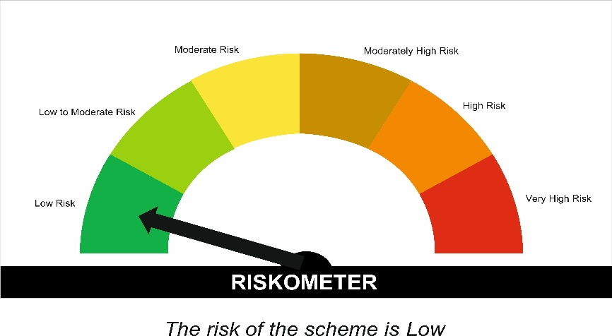


 | Tier I Benchmark Riskometer :
 | NIFTY 1D Rate Index

