SFRLTP

SUNDARAM MUTUAL FUND |  |  |  |  |  |  |  | Index
Sundaram Corporate Bond Fund
Monthly Portfolio Statement for the month ended 31 December 2025
SL No | ISIN Code | Name of the instrument | Rating / Industry | Quantity | Mkt Value Rs. in Lacs | % of Net Asset | YTM (%)*
 |  | A) Equity & Equity Related
 |  | (a) Listed / awaiting listing on Stock Exchange
 |  | Sub Total |  |  | 0 | 0.00%

 |  | (b) Overseas Security
 |  | Sub Total |  |  | 0 | 0.00%

 |  | (c) Privately Placed / Unlisted
 |  | Sub Total |  |  | 0 | 0.00%

 |  | (d) Preference / Right Shares
 |  | Sub Total |  |  | 0 | 0.00%

 |  | (e) Warrants
 |  | Sub Total |  |  | 0 | 0.00%

 |  | f) Derivative
 |  | Sub Total |  |  | 0 | 0.00%

 |  | Total for Equity & Equity Related |  |  | 0.00 | 0.00%

 |  | B) Debt Instruments
 |  | (a) Listed / awaiting listing on Stock Exchange
1 | INE556F08KL3 | Small Industries Development Bank of India - 7.83% - 24/11/2028** | CRISIL AAA | 5000 | 5117.20 | 6.66% | 6.90
2 | INE261F08EO7 | National Bank for Agriculture & Rural Development - 7.48% - 15/09/2028 | CRISIL AAA | 4500 | 4558.82 | 5.93% | 6.91
3 | INE053F08411 | Indian Railway Finance Corporation Ltd - 7.37% - 31/07/2029** | ICRA AAA | 4000 | 4056.10 | 5.28% | 6.91
4 | INE115A07QJ2 | LIC Housing Finance Ltd - 7.7% - 16/05/2028** | CRISIL AAA | 300 | 3040.04 | 3.96% | 7.04
5 | INE261F08EH1 | National Bank for Agriculture & Rural Development - 7.62% - 10/05/2029** | CRISIL AAA | 2500 | 2544.94 | 3.31% | 6.98
6 | INE020B08EK4 | REC LTD - 7.46% - 30/06/2028** | ICRA AAA | 2500 | 2534.14 | 3.30% | 6.82
7 | INE115A07QY1 | LIC Housing Finance Ltd - 7.57% - 18/10/2029 | CRISIL AAA | 2500 | 2531.17 | 3.29% | 7.17
8 | INE916DA7TD8 | Kotak Mahindra Prime Ltd - 7.299% - 22/09/2028** | CRISIL AAA | 2500 | 2502.39 | 3.26% | 7.24
9 | INE041007167 | Embassy Office Parks REIT - 7.21% - 17/03/2028** | CRISIL AAA | 2500 | 2501.51 | 3.26% | 7.37
10 | INE020B08FX4 | REC LTD - 6.37% - 31/03/2027** | ICRA AAA | 2500 | 2487.56 | 3.24% | 6.79
11 | INE134E08MX3 | Power Finance Corporation Ltd - 7.6% - 13/04/2029** | ICRA AAA | 2000 | 2035.99 | 2.65% | 6.96
12 | INE242A08544 | Indian Oil Corporation Ltd - 7.44% - 25/11/2027** | ICRA AAA | 200 | 2028.31 | 2.64% | 6.61
13 | INE296A07SV1 | Bajaj Finance Ltd - 7.82% - 31/01/2034** | CRISIL AAA | 2000 | 2026.58 | 2.64% | 7.59
14 | INE756I07FB6 | HDB Financial Services Ltd - 7.9611% - 05/01/2028** | CRISIL AAA | 2000 | 2024.69 | 2.64% | 7.28
15 | INE557F08FS6 | National Housing Bank - 7.4% - 16/07/2026** | CRISIL AAA | 2000 | 2006.33 | 2.61% | 6.69
16 | INE296A07TJ4 | Bajaj Finance Ltd - 7.3763% - 26/06/2028** | CRISIL AAA | 2000 | 2002.88 | 2.61% | 7.26
17 | INE514E08GE8 | Export Import Bank of India - 7.35% - 27/07/2028 | ICRA AAA | 1500 | 1520.46 | 1.98% | 6.77
18 | INE062A08488 | State Bank of India - 6.93% - 20/10/2035** | ICRA AAA | 15 | 1503.76 | 1.96% | 6.89
19 | INE403D08298 | Bharti Telecom Ltd - 7.4% - 01/02/2029 | CRISIL AAA | 1500 | 1492.91 | 1.94% | 7.58
20 | INE756I07FG5 | HDB Financial Services Ltd - 7.4091% - 05/06/2028** | CRISIL AAA | 1400 | 1402.08 | 1.83% | 7.31
21 | INE134E08NS1 | Power Finance Corporation Ltd - 6.61% - 15/07/2028** | ICRA AAA | 1300 | 1291.56 | 1.68% | 6.89
22 | INE115A07MW4 | LIC Housing Finance Ltd - 7.95% - 29/01/2028 | CRISIL AAA | 100 | 1017.03 | 1.32% | 7.03
23 | INE556F08KR0 | Small Industries Development Bank of India - 7.47% - 05/09/2029** | CRISIL AAA | 1000 | 1014.08 | 1.32% | 7.01
24 | INE134E08NU7 | Power Finance Corporation Ltd - 6.59% - 15/10/2030** | CRISIL AAA | 1000 | 983.07 | 1.28% | 7.01
25 | INE556F08KP4 | Small Industries Development Bank of India - 7.68% - 10/08/2027** | CRISIL AAA | 500 | 506.31 | 0.66% | 6.83
26 | INE020B08FW6 | REC LTD - 6.52% - 31/01/2028 | ICRA AAA | 500 | 497.62 | 0.65% | 6.77
27 | INE556F08KS8 | Small Industries Development Bank of India - 7.34% - 26/02/2029** | CRISIL AAA | 400 | 403.90 | 0.53% | 6.99
 |  | Sub Total |  |  | 55631.44 | 72.42%

 |  | (b) Privately Placed / Unlisted
 |  | Sub Total |  |  | 0 | 0.00%

 |  | (c) Govt Security
1 | IN0020250091 | 6.48% Central Government Securities 06/10/2035 | Sovereign | 9800000 | 9715.32 | 12.65% | 6.71
2 | IN0020240126 | 6.79% Central Government Securities 07/10/2034 | Sovereign | 1500000 | 1513.44 | 1.97% | 6.76
3 | IN0020230135 | 7.32% Government Securities-13/11/2030 | Sovereign | 1000000 | 1038.47 | 1.35% | 6.49
4 | IN1920230100 | 7.72% Karnataka State Government Securities - 06/12/2035 | Sovereign | 1000000 | 1021.97 | 1.33% | 7.54
5 | IN0020250059 | 6.28% Central Government Securities 14/07/2032 | Sovereign | 900000 | 886.34 | 1.15% | 6.68
6 | IN0020230077 | 7.18% Government Securities - 24/07/2037 | Sovereign | 500000 | 512.45 | 0.67% | 6.98
7 | IN0020230051 | 7.30% Government Securities - 19/06/2053 | Sovereign | 500000 | 500.88 | 0.65% | 7.42
 |  | Sub Total |  |  | 15188.88 | 19.77%

 |  | (d) Securitized Debt Instruments
 |  | Sub Total |  |  | 0 | 0.00%

 |  | Total for Debt Instruments |  |  | 70820.32 | 92.19%

 |  | C) Money Market Instruments
 |  | (a) Certificate of Deposits
1 | INE160A16RK5 | Punjab National Bank - 18/03/2026 | CRISIL A1+ | 100 | 493.92 | 0.64% | 5.91
 |  | Sub Total |  |  | 493.92 | 0.64%

 |  | (b) Commercial Papers
 |  | Sub Total |  |  | 0 | 0.00%

 |  | (c) Treasury Bills
 |  | Sub Total |  |  | 0 | 0.00%

 |  | (d) ReverseRepo / TREPS
1 |  | TREPS |  |  | 3017.27 | 3.93% | 5.42
 |  | Sub Total |  |  | 3017.27 | 3.93%

 |  | Total for Money Market Instruments |  |  | 3511.19 | 4.57%

 |  | D) Mutual Fund Units
 |  | (a) Investment in Mutual Fund Units
 |  | Sub Total |  |  | 0 | 0.00%

 |  | (b) Corporate Debt Market Development Fund
1 | INF0RQ622028 | Corporate Debt Market Development Fund - Class A2 |  | 2586.3710 | 298.82 | 0.39%
 |  | Sub Total |  |  | 298.82 | 0.39%

 |  | E) Others
 |  | (a) Deposits with Commercial Banks
 |  | Sub Total |  |  | 0 | 0.00%

 |  | (b) Share Application Money pending Allotment
 |  | Sub Total |  |  | 0 | 0.00%

 |  | Cash and Other Net Current Assets^ |  |  | 2189.21 | 2.85%
 |  | Grand Total |  |  | 76819.55 | 100.00 %

 | **Non Traded Securities - Wherever applicable
 | ^ Net current assets includes interest accrued on fixed income securities - Wherever applicable
 | # percentage to NAV of security is less than 0.01% - Wherever applicable

 | Notes
 | a) Total securities classified as below investment grade or default provided for and its percentage to NAV |  | Nil
 | b) Total value and percentage of illiquid equity shares |  | Nil
 | c) NAV per unit (Rupees per unit)
 |  | At the beginning | At the end
 | Option | 30-Nov-2025 | 31-Dec-2025
 | Direct Plan - Growth | 42.7334 | 42.7530
 | Direct Plan - Quarterly IDCW | 19.0760 | 19.0848
 | Regular Plan - Growth | 41.2854 | 41.2957
 | Regular Plan - Quarterly IDCW | 18.4615 | 18.4661

 | d) IDCW declared during the period (Rupees per unit) |  | Nil

 | e) Total outstanding exposure in derivative instruments at the end of the period |  | Nil
 | f) Total investments in foreign securities /ADR'S/GDR'S at the end of the period |  | Nil
 | g) Repo in corporate debt |  | Nil

 | Portfolio Information
 | Scheme Name : |  | Sundaram Corporate Bond Fund
 | Description (if any)

 | Annualised Portfolio YTM %* : |  | 6.90

 | Macaulay Duration (years) |  | 3.43
 | Average Maturity (years) |  | 4.27

 | As on (Date) |  | 31-Dec-2025
 | * in case of semi annual YTM, it will be annualised

 | Scheme Riskometer :

 | 

 | Tier I Benchmark Riskometer :
 | NIFTY Corporate Bond Index A-II

SFRSTP
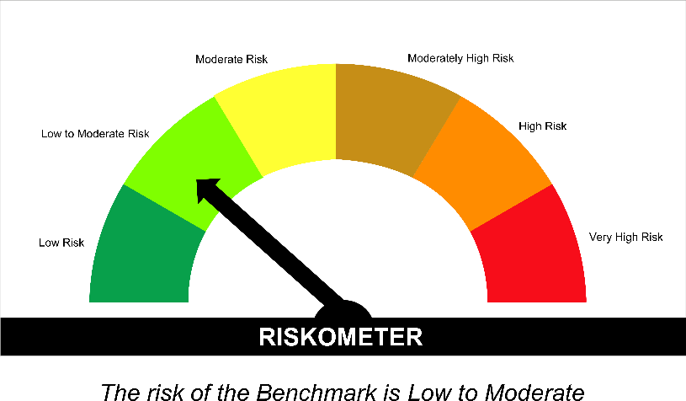
SUNDARAM MUTUAL FUND |  |  |  |  |  |  |  | Index
Sundaram Banking & PSU Fund
Monthly Portfolio Statement for the month ended 31 December 2025
SL No | ISIN Code | Name of the instrument | Rating / Industry | Quantity | Mkt Value Rs. in Lacs | % of Net Asset | YTM (%)*
 |  | A) Equity & Equity Related
 |  | (a) Listed / awaiting listing on Stock Exchange
 |  | Sub Total |  |  | 0 | 0.00%

 |  | (b) Overseas Security
 |  | Sub Total |  |  | 0 | 0.00%

 |  | (c) Privately Placed / Unlisted
 |  | Sub Total |  |  | 0 | 0.00%

 |  | (d) Preference / Right Shares
 |  | Sub Total |  |  | 0 | 0.00%

 |  | (e) Warrants
 |  | Sub Total |  |  | 0 | 0.00%

 |  | f) Derivative
 |  | Sub Total |  |  | 0 | 0.00%

 |  | Total for Equity & Equity Related |  |  | 0.00 | 0.00%

 |  | B) Debt Instruments
 |  | (a) Listed / awaiting listing on Stock Exchange
1 | INE242A08544 | Indian Oil Corporation Ltd - 7.44% - 25/11/2027** | ICRA AAA | 300 | 3042.46 | 8.07% | 6.61
2 | INE020B08EA5 | REC LTD - 7.55% - 31/03/2028 | ICRA AAA | 250 | 2536.18 | 6.73% | 6.81
3 | INE040A08955 | HDFC Bank Ltd - 7.7% - 16/05/2028** | ICRA AAA | 2500 | 2534.27 | 6.72% | 7.02
4 | INE556F08KS8 | Small Industries Development Bank of India - 7.34% - 26/02/2029** | CRISIL AAA | 2500 | 2524.38 | 6.70% | 6.99
5 | INE031A08962 | Housing & Urban Development Corporation Ltd - 6.9% - 23/04/2032** | ICRA AAA | 2500 | 2474.07 | 6.56% | 7.10
6 | INE514E08GE8 | Export Import Bank of India - 7.35% - 27/07/2028 | ICRA AAA | 2000 | 2027.28 | 5.38% | 6.77
7 | INE557F08FY4 | National Housing Bank - 7.59% - 14/07/2027 | CRISIL AAA | 2000 | 2022.78 | 5.37% | 6.76
8 | INE261F08EH1 | National Bank for Agriculture & Rural Development - 7.62% - 10/05/2029** | CRISIL AAA | 1500 | 1526.97 | 4.05% | 6.98
9 | INE053F08411 | Indian Railway Finance Corporation Ltd - 7.37% - 31/07/2029** | ICRA AAA | 1000 | 1014.03 | 2.69% | 6.91
10 | INE261F08EM1 | National Bank for Agriculture & Rural Development - 7.53% - 24/03/2028 | ICRA AAA | 1000 | 1013.30 | 2.69% | 6.84
11 | INE062A08488 | State Bank of India - 6.93% - 20/10/2035** | ICRA AAA | 10 | 1002.50 | 2.66% | 6.89
12 | INE134E08NW3 | Power Finance Corporation Ltd - 6.73% - 15/10/2027** | CRISIL AAA | 1000 | 998.85 | 2.65% | 6.78
13 | INE296A07TM8 | Bajaj Finance Ltd - 7.11% - 10/07/2028** | CRISIL AAA | 1000 | 996.02 | 2.64% | 7.26
14 | INE134E08NS1 | Power Finance Corporation Ltd - 6.61% - 15/07/2028** | ICRA AAA | 1000 | 993.51 | 2.64% | 6.89
15 | INE134E08MX3 | Power Finance Corporation Ltd - 7.6% - 13/04/2029** | ICRA AAA | 500 | 509.00 | 1.35% | 6.96
16 | INE756I07FB6 | HDB Financial Services Ltd - 7.9611% - 05/01/2028** | CRISIL AAA | 500 | 506.17 | 1.34% | 7.28
17 | INE020B08FL9 | REC LTD - 7.34% - 30/04/2030** | CRISIL AAA | 500 | 505.80 | 1.34% | 7.01
18 | INE261F08EF5 | National Bank for Agriculture & Rural Development - 7.8% - 15/03/2027 | ICRA AAA | 500 | 505.38 | 1.34% | 6.80
19 | INE053F08338 | Indian Railway Finance Corporation Ltd - 7.68% - 24/11/2026** | ICRA AAA | 500 | 503.86 | 1.34% | 6.74
20 | INE557F08FS6 | National Housing Bank - 7.4% - 16/07/2026** | CRISIL AAA | 500 | 501.58 | 1.33% | 6.69
21 | INE296A07TJ4 | Bajaj Finance Ltd - 7.3763% - 26/06/2028** | CRISIL AAA | 500 | 500.72 | 1.33% | 7.26
22 | INE403D08272 | Bharti Telecom Ltd - 7.35% - 15/10/2027** | CRISIL AAA | 500 | 498.65 | 1.32% | 7.49
23 | INE134E08NU7 | Power Finance Corporation Ltd - 6.59% - 15/10/2030** | CRISIL AAA | 500 | 491.54 | 1.30% | 7.01
24 | INE020B08FW6 | REC LTD - 6.52% - 31/01/2028 | ICRA AAA | 400 | 398.09 | 1.06% | 6.77
 |  | Sub Total |  |  | 29627.39 | 78.61%

 |  | (b) Privately Placed / Unlisted
 |  | Sub Total |  |  | 0 | 0.00%

 |  | (c) Govt Security
1 | IN0020240126 | 6.79% Central Government Securities 07/10/2034 | Sovereign | 2000000 | 2017.93 | 5.35% | 6.76
2 | IN0020250091 | 6.48% Central Government Securities 06/10/2035 | Sovereign | 2000000 | 1982.72 | 5.26% | 6.71
3 | IN0020230135 | 7.32% Government Securities-13/11/2030 | Sovereign | 1000000 | 1038.47 | 2.76% | 6.49
4 | IN1920230100 | 7.72% Karnataka State Government Securities - 06/12/2035 | Sovereign | 500000 | 510.99 | 1.36% | 7.54
5 | IN0020250059 | 6.28% Central Government Securities 14/07/2032 | Sovereign | 100000 | 98.48 | 0.26% | 6.68
 |  | Sub Total |  |  | 5648.59 | 14.99%

 |  | (d) Securitized Debt Instruments
 |  | Sub Total |  |  | 0 | 0.00%

 |  | Total for Debt Instruments |  |  | 35275.98 | 93.60%

 |  | C) Money Market Instruments
 |  | (a) Certificate of Deposits
 |  | Sub Total |  |  | 0 | 0.00%

 |  | (b) Commercial Papers
 |  | Sub Total |  |  | 0 | 0.00%

 |  | (c) Treasury Bills
 |  | Sub Total |  |  | 0 | 0.00%

 |  | (d) ReverseRepo / TREPS
1 |  | TREPS |  |  | 991.07 | 2.63% | 5.42
 |  | Sub Total |  |  | 991.07 | 2.63%

 |  | Total for Money Market Instruments |  |  | 991.07 | 2.63%

 |  | D) Mutual Fund Units
 |  | (a) Investment in Mutual Fund Units
 |  | Sub Total |  |  | 0 | 0.00%

 |  | (b) Corporate Debt Market Development Fund
1 | INF0RQ622028 | Corporate Debt Market Development Fund - Class A2 |  | 1167.5340 | 134.89 | 0.36%
 |  | Sub Total |  |  | 134.89 | 0.36%

 |  | E) Others
 |  | (a) Deposits with Commercial Banks
 |  | Sub Total |  |  | 0 | 0.00%

 |  | (b) Share Application Money pending Allotment
 |  | Sub Total |  |  | 0 | 0.00%

 |  | Cash and Other Net Current Assets^ |  |  | 1285.84 | 3.41%
 |  | Grand Total |  |  | 37687.78 | 100.00 %

 | **Non Traded Securities - Wherever applicable
 | ^ Net current assets includes interest accrued on fixed income securities - Wherever applicable
 | # percentage to NAV of security is less than 0.01% - Wherever applicable

 | Notes
 | a) Total securities classified as below investment grade or default provided for and its percentage to NAV |  | Nil
 | b) Total value and percentage of illiquid equity shares |  | Nil
 | c) NAV per unit (Rupees per unit)
 |  | At the beginning | At the end
 | Option | 30-Nov-2025 | 31-Dec-2025
 | Direct Plan - Growth | 44.9104 | 44.9593
 | Direct Plan - Monthly IDCW | 11.1805 | 11.1927
 | Regular Plan - Growth | 44.2556 | 44.2981
 | Regular Plan - Monthly IDCW | 11.2153 | 11.2261

 | d) IDCW declared during the period (Rupees per unit) |  | Nil

 | e) Total outstanding exposure in derivative instruments at the end of the period |  | Nil
 | f) Total investments in foreign securities /ADR'S/GDR'S at the end of the period |  | Nil
 | g) Repo in corporate debt |  | Nil

 | Portfolio Information
 | Scheme Name : |  | Sundaram Banking & PSU Fund
 | Description (if any)

 | Annualised Portfolio YTM %* : |  | 6.85

 | Macaulay Duration (years) |  | 3.12
 | Average Maturity (years) |  | 3.75

 | As on (Date) |  | 31-Dec-2025
 | * in case of semi annual YTM, it will be annualised

 | Scheme Riskometer :

 | Tier I Benchmark Riskometer :
 | NIFTY Banking and PSU Debt Index A-II

SMMF
SUNDARAM MUTUAL FUND |  |  |  |  |  |  |  | Index
Sundaram Money Market Fund
Monthly Portfolio Statement for the month ended 31 December 2025
SL No | ISIN Code | Name of the instrument | Rating / Industry | Quantity | Mkt Value Rs. in Lacs | % of Net Asset | YTM (%)*
 |  | A) Equity & Equity Related
 |  | (a) Listed / awaiting listing on Stock Exchange
 |  | Sub Total |  |  | 0 | 0.00%

 |  | (b) Overseas Security
 |  | Sub Total |  |  | 0 | 0.00%

 |  | (c) Privately Placed / Unlisted
 |  | Sub Total |  |  | 0 | 0.00%

 |  | (d) Preference / Right Shares
 |  | Sub Total |  |  | 0 | 0.00%

 |  | (e) Warrants
 |  | Sub Total |  |  | 0 | 0.00%

 |  | f) Derivative
 |  | Sub Total |  |  | 0 | 0.00%

 |  | Total for Equity & Equity Related |  |  | 0.00 | 0.00%

 |  | B) Debt Instruments
 |  | (a) Listed / awaiting listing on Stock Exchange
 |  | Sub Total |  |  | 0 | 0.00%

 |  | (b) Privately Placed / Unlisted
 |  | Sub Total |  |  | 0 | 0.00%

 |  | (c) Govt Security
1 | IN3120160053 | 8.07% Tamil Nadu State Development Loan - 15/06/2026 | Sovereign | 5000000 | 5054.16 | 2.75% | 5.66
2 | IN1520160038 | 7.98% Gujarat State Development Loan - 11/05/2026 | Sovereign | 2500000 | 2520.85 | 1.37% | 5.64
 |  | Sub Total |  |  | 7575.00 | 4.13%

 |  | (d) Securitized Debt Instruments
 |  | Sub Total |  |  | 0 | 0.00%

 |  | Total for Debt Instruments |  |  | 7575.00 | 4.13%

 |  | C) Money Market Instruments
 |  | (a) Certificate of Deposits
1 | INE514E16CK7 | Export Import Bank of India - 20/03/2026 | CRISIL A1+ | 2200 | 10862.81 | 5.92% | 5.91
2 | INE476A16E46 | Canara Bank - 11/05/2026** | CRISIL A1+ | 2000 | 9779.52 | 5.33% | 6.33
3 | INE476A16F60 | Canara Bank - 03/06/2026** | CRISIL A1+ | 2000 | 9740.92 | 5.31% | 6.35
4 | INE237A168Z9 | Kotak Mahindra Bank Ltd - 19/03/2026** | CRISIL A1+ | 1000 | 4938.59 | 2.69% | 5.90
5 | INE028A16KR4 | Bank of Baroda - 05/06/2026 | IND A1+ | 1000 | 4868.21 | 2.65% | 6.38
6 | INE008A16Y80 | IDBI Bank Ltd - 05/06/2026** | CRISIL A1+ | 1000 | 4866.00 | 2.65% | 6.49
7 | INE040A16HN4 | HDFC Bank Ltd - 11/09/2026** | CRISIL A1+ | 1000 | 4782.85 | 2.61% | 6.55
8 | INE028A16KC6 | Bank of Baroda - 16/09/2026** | IND A1+ | 1000 | 4780.21 | 2.60% | 6.51
9 | INE238AD6BI8 | Axis Bank Ltd - 15/10/2026** | CRISIL A1+ | 1000 | 4752.61 | 2.59% | 6.62
10 | INE692A16KG0 | Union Bank of India - 26/05/2026** | ICRA A1+ | 900 | 4388.68 | 2.39% | 6.39
11 | INE261F16967 | National Bank for Agriculture & Rural Development - 27/02/2026** | CRISIL A1+ | 800 | 3963.14 | 2.16% | 5.96
12 | INE556F16BB6 | Small Industries Development Bank of India - 27/02/2026 | CRISIL A1+ | 800 | 3962.87 | 2.16% | 6.00
13 | INE028A16KK9 | Bank of Baroda - 25/11/2026** | IND A1+ | 800 | 3777.65 | 2.06% | 6.55
14 | INE556F16BS0 | Small Industries Development Bank of India - 04/12/2026** | CRISIL A1+ | 800 | 3767.63 | 2.05% | 6.68
15 | INE028A16KW4 | Bank of Baroda - 15/12/2026** | IND A1+ | 800 | 3764.88 | 2.05% | 6.55
16 | INE084A16DC4 | Bank of India - 06/02/2026** | CRISIL A1+ | 500 | 2485.42 | 1.35% | 5.95
17 | INE008A16X99 | IDBI Bank Ltd - 23/02/2026** | CRISIL A1+ | 500 | 2478.37 | 1.35% | 6.01
18 | INE237A166Z3 | Kotak Mahindra Bank Ltd - 27/02/2026** | CRISIL A1+ | 500 | 2477.12 | 1.35% | 5.92
19 | INE160A16TT2 | Punjab National Bank - 09/03/2026** | CRISIL A1+ | 500 | 2473.16 | 1.35% | 5.91
20 | INE040A16GW7 | HDFC Bank Ltd - 19/05/2026 | CRISIL A1+ | 500 | 2441.39 | 1.33% | 6.35
21 | INE238AD6AT7 | Axis Bank Ltd - 11/06/2026** | CRISIL A1+ | 500 | 2431.57 | 1.32% | 6.38
22 | INE556F16BR2 | Small Industries Development Bank of India - 10/11/2026** | CRISIL A1+ | 500 | 2364.55 | 1.29% | 6.68
23 | INE238AD6BP3 | Axis Bank Ltd - 27/11/2026** | CRISIL A1+ | 500 | 2358.82 | 1.29% | 6.62
24 | INE949L16EB5 | AU Small Finance Bank Ltd - 25/11/2026** | CRISIL A1+ | 500 | 2352.65 | 1.28% | 6.97
25 | INE556F16BT8 | Small Industries Development Bank of India - 16/12/2026** | CRISIL A1+ | 500 | 2349.91 | 1.28% | 6.68
26 | INE556F16BA8 | Small Industries Development Bank of India - 06/02/2026** | CRISIL A1+ | 200 | 994.14 | 0.54% | 5.98
27 | INE238AD6BO6 | Axis Bank Ltd - 26/11/2026** | CRISIL A1+ | 200 | 943.69 | 0.51% | 6.62
 |  | Sub Total |  |  | 109147.33 | 59.47%

 |  | (b) Commercial Papers
1 | INE556F14LT2 | Small Industries Development Bank of India - 03/06/2026** | CRISIL A1+ | 1500 | 7303.46 | 3.98% | 6.42
2 | INE849D14HW8 | ICICI Securities Primary Dealership Ltd - 10/02/2026** | CRISIL A1+ | 1000 | 4964.83 | 2.70% | 6.47
3 | INE756I14FC0 | HDB Financial Services Ltd - 04/03/2026** | CRISIL A1+ | 1000 | 4946.11 | 2.69% | 6.42
4 | INE041014064 | Embassy Office Parks REIT - 20/03/2026** | CRISIL A1+ | 1000 | 4935.77 | 2.69% | 6.09
5 | INE879F14LJ9 | Infina Finance Pvt Ltd - 13/03/2026** | CRISIL A1+ | 1000 | 4934.97 | 2.69% | 6.78
6 | INE725H14DK5 | Tata Projects Ltd - 11/09/2026** | CRISIL A1+ | 1000 | 4767.84 | 2.60% | 7.03
7 | INE763G14XJ8 | ICICI Securities Ltd - 03/03/2026** | CRISIL A1+ | 800 | 3957.14 | 2.16% | 6.48
8 | INE144H14HQ7 | Deutsche Investments India Private Ltd - 27/02/2026** | CRISIL A1+ | 700 | 3464.51 | 1.89% | 6.56
9 | INE121A14XO2 | Cholamandalam Investment and Finance Company Ltd - 26/05/2026** | CRISIL A1+ | 700 | 3405.96 | 1.86% | 6.95
10 | INE115A14FJ1 | LIC Housing Finance Ltd - 18/02/2026** | CRISIL A1+ | 500 | 2480.43 | 1.35% | 6.00
11 | INE763G14XI0 | ICICI Securities Ltd - 27/02/2026** | CRISIL A1+ | 500 | 2474.96 | 1.35% | 6.48
12 | INE338I14JI6 | Motilal Oswal Financial Services Ltd - 25/02/2026** | CRISIL A1+ | 500 | 2474.48 | 1.35% | 6.85
13 | INE865C14PD9 | Aditya Birla Money Ltd - 17/03/2026** | CRISIL A1+ | 500 | 2465.98 | 1.34% | 6.72
14 | INE763G14YJ6 | ICICI Securities Ltd - 15/05/2026** | CRISIL A1+ | 500 | 2438.72 | 1.33% | 6.85
15 | INE09OL14HG3 | Birla Group Holdings Pvt Ltd - 22/05/2026** | CRISIL A1+ | 500 | 2433.45 | 1.33% | 7.08
16 | INE790I14GC7 | HSBC InvestDirect Financial Services India Limited - 13/02/2026** | CRISIL A1+ | 400 | 1984.41 | 1.08% | 6.67
17 | INE121A14XK0 | Cholamandalam Investment and Finance Company Ltd - 22/05/2026** | CRISIL A1+ | 100 | 486.93 | 0.27% | 6.95
 |  | Sub Total |  |  | 59919.90 | 32.65%

 |  | (c) Treasury Bills
1 | IN002025Y370 | 182 Days - T Bill - 11/06/2026 | Sovereign | 7500000 | 7326.25 | 3.99% | 5.38
 |  | Sub Total |  |  | 7326.25 | 3.99%

 |  | (d) ReverseRepo / TREPS
1 |  | TREPS |  |  | 2383.77 | 1.30% | 5.42
 |  | Sub Total |  |  | 2383.77 | 1.30%

 |  | Total for Money Market Instruments |  |  | 178777.25 | 97.40%

 |  | D) Mutual Fund Units
 |  | (a) Investment in Mutual Fund Units
 |  | Sub Total |  |  | 0 | 0.00%

 |  | (b) Corporate Debt Market Development Fund
1 | INF0RQ622028 | Corporate Debt Market Development Fund - Class A2 |  | 3208.8660 | 370.75 | 0.20%
 |  | Sub Total |  |  | 370.75 | 0.20%

 |  | E) Others
 |  | (a) Deposits with Commercial Banks
 |  | Sub Total |  |  | 0 | 0.00%

 |  | (b) Share Application Money pending Allotment
 |  | Sub Total |  |  | 0 | 0.00%

 |  | Cash and Other Net Current Assets^ |  |  | (3179.79) | (1.73%)
 |  | Grand Total |  |  | 183543.20 | 100.00 %

 | **Non Traded Securities - Wherever applicable
 | ^ Net current assets includes interest accrued on fixed income securities - Wherever applicable
 | # percentage to NAV of security is less than 0.01% - Wherever applicable
 | ++ Aggregate Investments by Other schemes of Sundaram Mutual Fund - Rs. 22,281.92 Lakhs

 | Notes
 | a) Total securities classified as below investment grade or default provided for and its percentage to NAV |  | Nil
 | b) Total value and percentage of illiquid equity shares |  | Nil
 | c) NAV per unit (Rupees per unit)
 |  | At the beginning | At the end
 | Option | 30-Nov-2025 | 31-Dec-2025
 | Direct Plan - Growth | 15.5205 | 15.5949
 | Direct Plan - Monthly IDCW | 10.9125 | 10.9649
 | Regular Plan - Growth | 15.4094 | 15.4817
 | Regular Plan - Monthly IDCW | 10.8802 | 10.9312

 | d) IDCW declared during the period (Rupees per unit) |  | Nil

 | e) Total outstanding exposure in derivative instruments at the end of the period |  | Nil
 | f) Total investments in foreign securities /ADR'S/GDR'S at the end of the period |  | Nil
 | g) Repo in corporate debt |  | Nil

 | Portfolio Information
 | Scheme Name : |  | Sundaram Money Market Fund
 | Description (if any)

 | Annualised Portfolio YTM %* : |  | 6.34

 | Macaulay Duration (years) |  | 0.41
 | Average Maturity (years) |  | 0.41

 | As on (Date) |  | 31-Dec-2025
 | * in case of semi annual YTM, it will be annualised

 | Scheme Riskometer :



 | Tier I Benchmark Riskometer :
 | NIFTY Money Market Index A-I

SUNMIA
SUNDARAM MUTUAL FUND |  |  |  |  |  |  |  | Index
Sundaram Conservative Hybrid Fund
Monthly Portfolio Statement for the month ended 31 December 2025
SL No | ISIN Code | Name of the instrument | Rating / Industry | Quantity | Mkt Value Rs. in Lacs | % of Net Asset | YTM (%)*
 |  | A) Equity & Equity Related
 |  | (a) Listed / awaiting listing on Stock Exchange
1 | INE040A01034 | HDFC Bank Ltd | Banks | 6650 | 65.91 | 3.31%
2 | INE002A01018 | Reliance Industries Ltd | Petroleum Products | 3300 | 51.82 | 2.60%
3 | INE397D01024 | Bharti Airtel Ltd | Telecom - Services | 2400 | 50.53 | 2.54%
4 | INE090A01021 | ICICI Bank Ltd | Banks | 2500 | 33.57 | 1.69%
5 | INE009A01021 | Infosys Ltd | It - Software | 1707 | 27.57 | 1.38%
6 | INE062A01020 | State Bank of India | Banks | 2600 | 25.54 | 1.28%
7 | INE860A01027 | HCL Technologies Ltd | It - Software | 1400 | 22.73 | 1.14%
8 | INE029A01011 | Bharat Petroleum Corporation Ltd | Petroleum Products | 4000 | 15.36 | 0.77%
9 | INE238A01034 | Axis Bank Ltd | Banks | 1200 | 15.23 | 0.76%
10 | INE917I01010 | Bajaj Auto Ltd | Automobiles | 160 | 14.95 | 0.75%
11 | INE237A01028 | Kotak Mahindra Bank Ltd | Banks | 675 | 14.86 | 0.75%
12 | INE481G01011 | Ultratech Cement Ltd | Cement & Cement Products | 125 | 14.73 | 0.74%
13 | INE540L01014 | Alkem Laboratories Ltd | Pharmaceuticals & Biotechnology | 250 | 13.77 | 0.69%
14 | INE101A01026 | Mahindra & Mahindra Ltd | Automobiles | 325 | 12.05 | 0.61%
15 | INE669C01036 | Tech Mahindra Ltd | It - Software | 750 | 11.93 | 0.60%
16 | INE196A01026 | Marico Ltd | Agricultural Food & Other Products | 1500 | 11.26 | 0.57%
17 | INE797F01020 | Jubilant Foodworks Ltd | Leisure Services | 2000 | 11.17 | 0.56%
18 | INE066F01020 | Hindustan Aeronautics Ltd | Aerospace & Defense | 250 | 10.97 | 0.55%
19 | INE603J01030 | PI Industries Ltd | Fertilizers & Agrochemicals | 320 | 10.36 | 0.52%
20 | INE018A01030 | Larsen & Toubro Ltd | Construction | 250 | 10.21 | 0.51%
 |  | Sub Total |  |  | 444.54 | 22.32%

 |  | (b) Overseas Security
 |  | Sub Total |  |  | 0 | 0.00%

 |  | (c) Privately Placed / Unlisted
 |  | Sub Total |  |  | 0 | 0.00%

 |  | (d) Preference / Right Shares
 |  | Sub Total |  |  | 0 | 0.00%

 |  | (e) Warrants
 |  | Sub Total |  |  | 0 | 0.00%

 |  | f) Derivative
 |  | Sub Total |  |  | 0 | 0.00%

 |  | Total for Equity & Equity Related |  |  | 444.54 | 22.32%

 |  | B) Debt Instruments
 |  | (a) Listed / awaiting listing on Stock Exchange
 |  | Sub Total |  |  | 0 | 0.00%

 |  | (b) Privately Placed / Unlisted
 |  | Sub Total |  |  | 0 | 0.00%

 |  | (c) Govt Security
1 | IN0020250091 | 6.48% Central Government Securities 06/10/2035 | Sovereign | 900000 | 892.22 | 44.79% | 6.71
2 | IN0020250075 | 7.24% Central Government Securities 18/08/2055 | Sovereign | 500000 | 498.64 | 25.03% | 7.39
 |  | Sub Total |  |  | 1390.86 | 69.82%

 |  | (d) Securitized Debt Instruments
 |  | Sub Total |  |  | 0 | 0.00%

 |  | Total for Debt Instruments |  |  | 1390.86 | 69.82%

 |  | C) Money Market Instruments
 |  | (a) Certificate of Deposits
 |  | Sub Total |  |  | 0 | 0.00%

 |  | (b) Commercial Papers
 |  | Sub Total |  |  | 0 | 0.00%

 |  | (c) Treasury Bills
 |  | Sub Total |  |  | 0 | 0.00%

 |  | (d) ReverseRepo / TREPS
1 |  | TREPS |  |  | 106.88 | 5.37% | 5.42
 |  | Sub Total |  |  | 106.88 | 5.37%

 |  | Total for Money Market Instruments |  |  | 106.88 | 5.37%

 |  | D) Mutual Fund Units
 |  | (a) Investment in Mutual Fund Units
 |  | Sub Total |  |  | 0 | 0.00%

 |  | (b) Corporate Debt Market Development Fund
1 | INF0RQ622028 | Corporate Debt Market Development Fund - Class A2 |  | 76.7960 | 8.87 | 0.45%
 |  | Sub Total |  |  | 8.87 | 0.45%

 |  | E) Others
 |  | (a) Deposits with Commercial Banks
 |  | Sub Total |  |  | 0 | 0.00%

 |  | (b) Share Application Money pending Allotment
 |  | Sub Total |  |  | 0 | 0.00%

 |  | Cash and Other Net Current Assets^ |  |  | 40.79 | 2.05%
 |  | Grand Total |  |  | 1991.93 | 100.00 %

 | **Non Traded Securities - Wherever applicable
 | ^ Net current assets includes interest accrued on fixed income securities - Wherever applicable
 | # percentage to NAV of security is less than 0.01% - Wherever applicable

 | Notes
 | a) Total securities classified as below investment grade or default provided for and its percentage to NAV |  | Refer below point h)
 | b) Total value and percentage of illiquid equity shares |  | Nil
 | c) NAV per unit (Rupees per unit)
 |  | At the beginning | At the end
 | Option | 30-Nov-2025 | 31-Dec-2025
 | Direct Plan - Growth | 33.0398 | 33.1960
 | Direct Plan - Quarterly IDCW | 20.7586 | 20.8567
 | Regular Plan - Growth | 29.8530 | 29.9739
 | Regular Plan - Quarterly IDCW | 18.6425 | 18.7181

 | d) IDCW declared during the period (Rupees per unit) |  | Nil

 | e) Total outstanding exposure in derivative instruments at the end of the period |  | Nil
 | f) Total investments in foreign securities /ADR'S/GDR'S at the end of the period |  | Nil
 | g) Repo in corporate debt |  | Nil

 | Portfolio Information
 | Scheme Name : |  | Sundaram Conservative Hybrid Fund
 | Description (if any)

 | Annualised Portfolio YTM %* : |  | 6.84

 | Macaulay Duration - only for Debt portion (years) |  | 8.35
 | Average Maturity - only for Debt portion (years) |  | 15.62

 | As on (Date) |  | 31-Dec-2025
 | * in case of semi annual YTM, it will be annualised

 | h) Exposure to securities classified as below investment grade or default as on 31-Dec-2025:-
 | ISIN | NAME OF THE SECURITY | VALUE OF THE SECURITY CONSIDERED UNDER NET RECEIVABLES |  |  | % TO AUM
 | INE202B07654 | 11.55% Prev 11.45%-Dewan Housing Finance Corp Ltd-12/09/2019 | - |  |  | -

 | TOTAL AMOUNT INCLUDING INTEREST DUE TO AND RECOVERED BY THE SCHEME
 | ISIN | NAME OF THE SECURITY | TOTAL AMOUNT DUE |  |  |  | Amount Recovered (Rs. In Lacs) 30th Sep 2021 | Further amount received on 31/08/2024 (Rs. In Lacs) | Total settlement till date ( Rs . In Lacs )
 |  |  | PRINCIPAL (Rs. in Lacs) | Interest Accrued till 3rd June 2019 (Rs. in Lacs) | Interest not accrued due to category by rating agency as default till maturity (Rs. in Lacs) | Total (Rs. in Lacs)
 | INE202B07654 | 11.55%_Prev 11.45%-Dewan Housing Finance Corp Ltd-12/09/2019 | 500.00 | 9.94 | 16.01 | 525.95 | 233.41 | 4.01 | 237.42

 | For Further details please refer the below Links for Rationale

 | https://www.sundarammutual.com/pdf2/2021/Rationale_for_Valuation/DHFL_Valuation_impact_22_Sep_2021.pdf

 | https://www.sundarammutual.com/pdf2/2021/Rationale_for_Valuation/Update_on_DHFL_Recovery_30_sep_2021.pdf

 | https://www.sundarammutual.com/pdf2/2024/Rationale_for_Valuation/Update_on_DHFL_Recovery_31_Aug_2024_V1.pdf

 | https://www.sundarammutual.com/pdf2/2025/Rationale_for_Valuation/Update_on_Valuation_of_RoadStar_InVIT_Units_V1.pdf

 | https://www.sundarammutual.com/pdf2/2025/Rationale_for_Valuation/Update_on_Valuation_of_RoadStar_InVIT_Units_22_Sep_2025.pdf
 | Scheme Riskometer :

 | 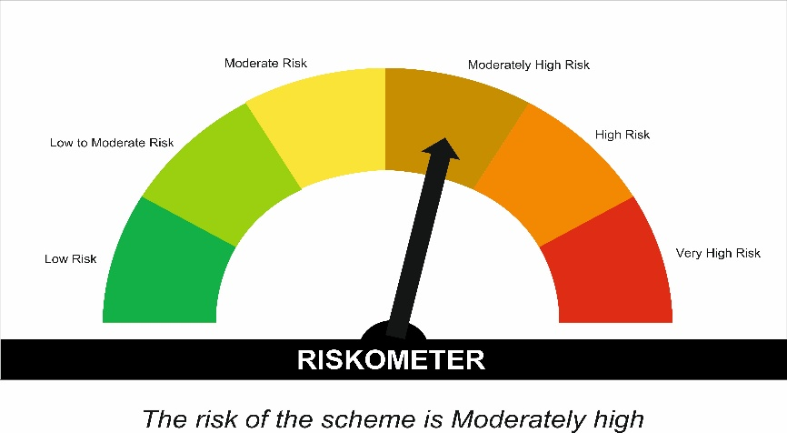

 | Tier I Benchmark Riskometer :
 | CRISIL Hybrid 85 Plus 15 - Conservative Index
 | 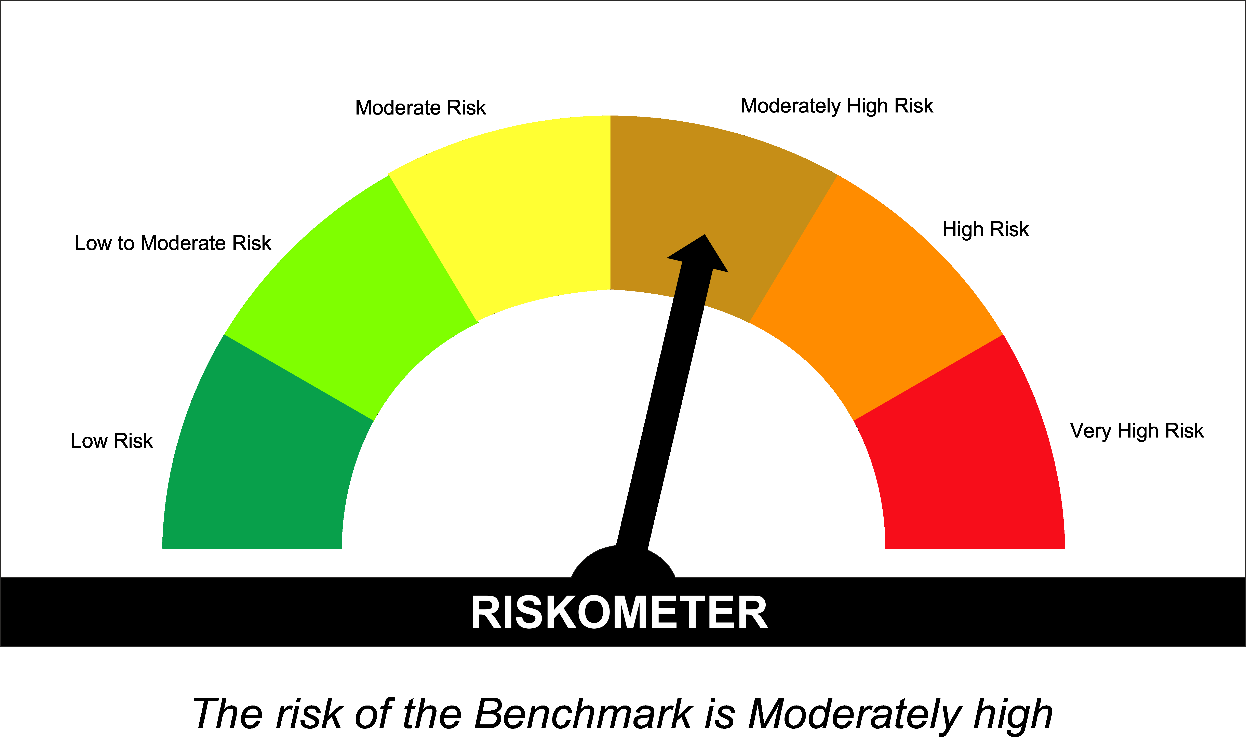

SUNONF
SUNDARAM MUTUAL FUND |  |  |  |  |  |  |  | Index
Sundaram Overnight Fund
Monthly Portfolio Statement for the month ended 31 December 2025
SL No | ISIN Code | Name of the instrument | Rating / Industry | Quantity | Mkt Value Rs. in Lacs | % of Net Asset | YTM (%)*
 |  | A) Equity & Equity Related
 |  | (a) Listed / awaiting listing on Stock Exchange
 |  | Sub Total |  |  | 0 | 0.00%

 |  | (b) Overseas Security
 |  | Sub Total |  |  | 0 | 0.00%

 |  | (c) Privately Placed / Unlisted
 |  | Sub Total |  |  | 0 | 0.00%

 |  | (d) Preference / Right Shares
 |  | Sub Total |  |  | 0 | 0.00%

 |  | (e) Warrants
 |  | Sub Total |  |  | 0 | 0.00%

 |  | f) Derivative
 |  | Sub Total |  |  | 0 | 0.00%

 |  | Total for Equity & Equity Related |  |  | 0.00 | 0.00%

 |  | B) Debt Instruments
 |  | (a) Listed / awaiting listing on Stock Exchange
 |  | Sub Total |  |  | 0 | 0.00%

 |  | (b) Privately Placed / Unlisted
 |  | Sub Total |  |  | 0 | 0.00%

 |  | (c) Govt Security
 |  | Sub Total |  |  | 0 | 0.00%

 |  | (d) Securitized Debt Instruments
 |  | Sub Total |  |  | 0 | 0.00%

 |  | Total for Debt Instruments |  |  | 0.00 | 0.00%

 |  | C) Money Market Instruments
 |  | (a) Certificate of Deposits
 |  | Sub Total |  |  | 0 | 0.00%

 |  | (b) Commercial Papers
 |  | Sub Total |  |  | 0 | 0.00%

 |  | (c) Treasury Bills
1 | IN002025Y156 | 182 Days - T Bill - 08/01/2026 | Sovereign | 1000000 | 998.99 | 1.82% | 5.25
2 | IN002024Z404 | 364 Days - T Bill - 15/01/2026 | Sovereign | 1000000 | 997.99 | 1.81% | 5.25
3 | IN002025Y164 | 182 Days - T Bill - 15/01/2026 | Sovereign | 500000 | 499.00 | 0.91% | 5.25
 |  | Sub Total |  |  | 2495.98 | 4.54%

 |  | (d) ReverseRepo / TREPS
1 |  | Reverse Repo |  |  | 28199.52 | 51.26% | 6.00
2 |  | TREPS |  |  | 24137.27 | 43.88% | 5.42
 |  | Sub Total |  |  | 52336.78 | 95.14%

 |  | Total for Money Market Instruments |  |  | 54832.76 | 99.68%

 |  | D) Mutual Fund Units
 |  | (a) Investment in Mutual Fund Units
 |  | Sub Total |  |  | 0 | 0.00%

 |  | E) Others
 |  | (a) Deposits with Commercial Banks
 |  | Sub Total |  |  | 0 | 0.00%

 |  | (b) Share Application Money pending Allotment
 |  | Sub Total |  |  | 0 | 0.00%

 |  | Cash and Other Net Current Assets^ |  |  | 177.90 | 0.32%
 |  | Grand Total |  |  | 55010.67 | 100.00 %

 | **Non Traded Securities - Wherever applicable
 | ^ Net current assets includes interest accrued on fixed income securities - Wherever applicable
 | # percentage to NAV of security is less than 0.01% - Wherever applicable

 | Notes
 | a) Total securities classified as below investment grade or default provided for and its percentage to NAV |  | Nil
 | b) Total value and percentage of illiquid equity shares |  | Nil
 | c) NAV per unit (Rupees per unit)
 |  | At the beginning | At the end
 | Option | 30-Nov-2025 | 31-Dec-2025
 | Direct Plan - Growth | 1406.7754 | 1413.0241
 | Direct Plan - Monthly IDCW | 1016.7375 | 1021.2542
 | Regular Plan - Growth | 1397.5497 | 1403.6372
 | Regular Plan - Monthly IDCW | 1012.2822 | 1016.6906

 | d) IDCW declared during the period (Rupees per unit) |  | Nil

 | e) Total outstanding exposure in derivative instruments at the end of the period |  | Nil
 | f) Total investments in foreign securities /ADR'S/GDR'S at the end of the period |  | Nil
 | g) Repo in corporate debt |  | Nil

 | Portfolio Information
 | Scheme Name : |  | Sundaram Overnight Fund
 | Description (if any)

 | Annualised Portfolio YTM %* : |  | 5.45

 | Macaulay Duration (Days) |  | 1
 | Average Maturity (Days) |  | 1

 | As on (Date) |  | 31-Dec-2025
 | * in case of semi annual YTM, it will be annualised

 | Scheme Riskometer :

 | 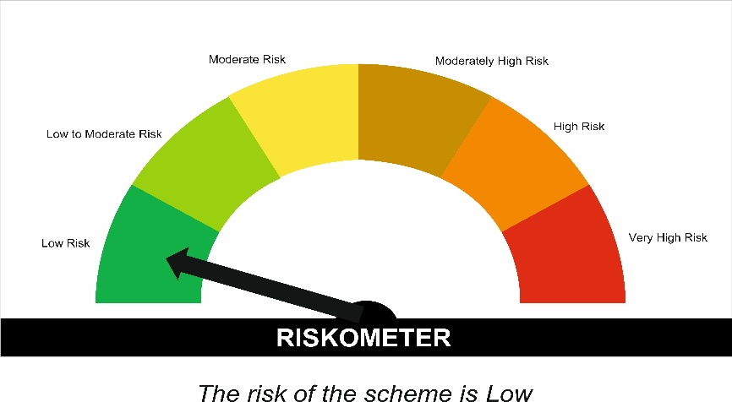


 | Tier I Benchmark Riskometer :
 | NIFTY 1D Rate Index

