YM001
 | YES Liquid Fund

 | Fortnightly Portfolio Statement as on October 15,2021
 | Name of the Instrument | ISIN | Rating | Quantity | Market/Fair Value (Rounded, Rs. in Lacs) | Rounded, % to Net Assets | YTM
 | Money Market Instruments
 | Treasury Bill
TBIL1942 | 91 Days Tbill (MD 16/12/2021) | IN002021X272 | SOVEREIGN | 2,500,000 | 2,486.56 | 71.59% | 3.24%
 | Sub Total |  |  |  | 2,486.56 | 71.59%
 | Total |  |  |  | 2,486.56 | 71.59%
 | CBLO / Reverse Repo
TRP_181021 | CBLO / TREPS |  |  |  | 956.23 | 27.53% | 3.18%
 | Sub Total |  |  |  | 956.23 | 27.53%
 | Total |  |  |  | 956.23 | 27.53%
 | Net Receivables / (Payables) |  |  |  | 30.63 | 0.88%
 | GRAND TOTAL |  |  |  | 3,473.42 | 100.00%

 | Scheme Name & Type of the scheme | Product Labelling | Scheme Riskometer(s) | Benchmark Riskometer (s)
 | YES Liquid Fund
 | (An Open Ended Liquid Scheme) | Regular income over short term | 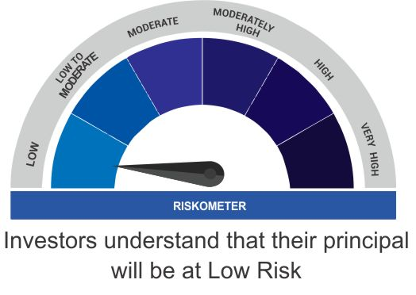 | 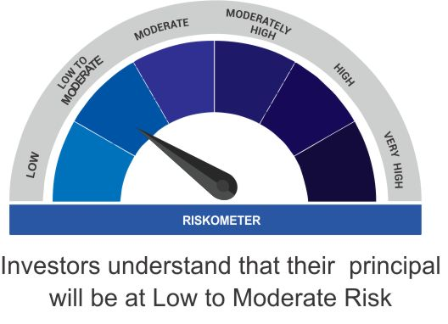
 |  | Investment in debt and money market instruments

 | Scheme Benchmark
 | CRISIL Liquid Fund

