YM001
 | YES Liquid Fund

 | Fortnightly Portfolio Statement as on November 15,2021
 | Name of the Instrument | ISIN | Industry / Rating | Quantity | Market/Fair Value (Rounded, Rs. in Lacs) | Rounded, % to Net Assets | YTM
 | CBLO / Reverse Repo
TRP_161121 | CBLO / TREPS |  |  |  | 1,919.29 | 97.20% | 3.23%
 | Sub Total |  |  |  | 1,919.29 | 97.20%
 | Total |  |  |  | 1,919.29 | 97.20%
 | Net Receivables / (Payables) |  |  |  | 55.38 | 2.80%
 | GRAND TOTAL |  |  |  | 1,974.67 | 100.00%

 | Scheme Name & Type of the scheme | Product Labelling | Scheme Riskometer(s) | Benchmark Riskometer (s)
 | YES Liquid Fund
 | (An Open Ended Liquid Scheme) | Regular income over short term | 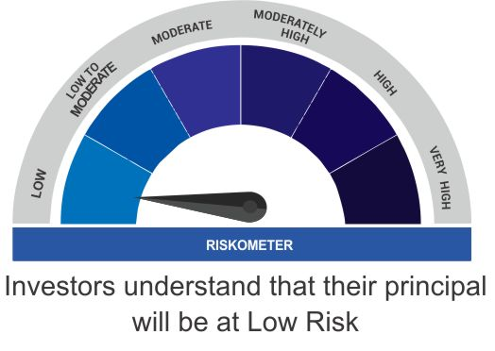 | 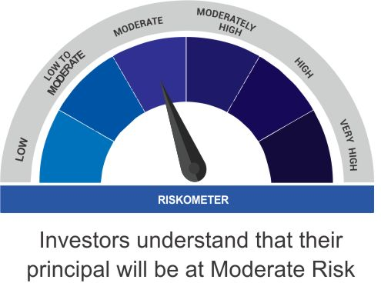
 |  | Investment in debt and money market instruments

 | Scheme Benchmark
 | CRISIL Liquid Fund

