YM001
 | YES Liquid Fund

 | Fortnightly Portfolio Statement as on October 31,2021
 | Name of the Instrument | ISIN | Rating | Quantity | Market/Fair Value (Rounded, Rs. in Lacs) | Rounded, % to Net Assets | YTM
 | Money Market Instruments
 | Treasury Bill
TBIL1942 | 91 Days Tbill (MD 16/12/2021) | IN002021X272 | SOVEREIGN | 2,500,000 | 2,489.40 | 71.56% | 3.45%
 | Sub Total |  |  |  | 2,489.40 | 71.56%
 | Total |  |  |  | 2,489.40 | 71.56%
 | CBLO / Reverse Repo
TRP_011121 | CBLO / TREPS |  |  |  | 952.27 | 27.37%
 | Sub Total |  |  |  | 952.27 | 27.37%
 | Total |  |  |  | 952.27 | 27.37%
 | Net Receivables / (Payables) |  |  |  | 37.29 | 1.07%
 | GRAND TOTAL |  |  |  | 3,478.96 | 100.00%

 | Scheme Name & Type of the scheme | Product Labelling | Scheme Riskometer(s) | Benchmark Riskometer (s)
 | YES Liquid Fund
 | (An Open Ended Liquid Scheme) | Regular income over short term | 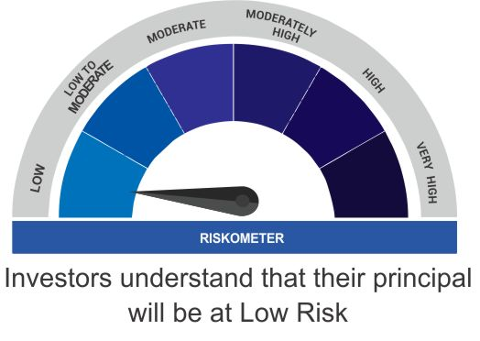 | 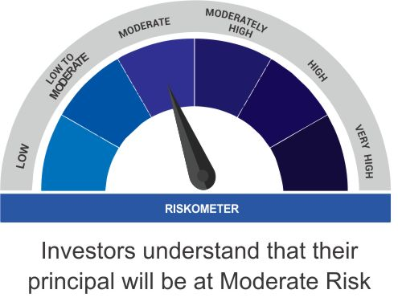
 |  | Investment in debt and money market instruments

 | Scheme Benchmark
 | CRISIL Liquid Fund

