YM001
 | WhiteOak Capital Liquid Fund (formerly known as YES Liquid Fund )

 | Fortnightly Portfolio Statement as on February 15,2022
 | Name of the Instrument | ISIN | Rating | Quantity | Market/Fair Value(Rs. in Lacs) | % to Net Assets | YTM
 | Money Market Instruments
TRP_170122 | Treasury Bill
 | 91 Days Tbill (MD 05/05/2022) | IN002021X512 | SOVEREIGN | 2,000,000 | 1984.376 | 41.90842577% | 3.68%
 | Sub Total |  |  |  | 1984.376 | 41.90842577%
 | Total |  |  |  | 1984.376 | 41.90842577%
 | CBLO / Reverse Repo
 | CBLO / TREPS |  |  |  | 2676.54 | 56.52637298% | 3.28%
 | Sub Total |  |  |  | 2676.54 | 56.52637298%
 | Total |  |  |  | 2676.54 | 56.52637298%
 | Net Receivables / (Payables) |  |  |  | 74.1127293 | 1.56520126%
 | GRAND TOTAL |  |  |  | 4735.0287293 | 100.00%

 | Scheme Name & Type of the scheme | Product Labelling | Scheme Riskometer(s) | Benchmark Riskometer (s)
 | WhiteOak Capital Liquid Fund
 | (An Open Ended Liquid Scheme. A relatively low interest rate risk and moderate credit risk.) | Regular income over short term | 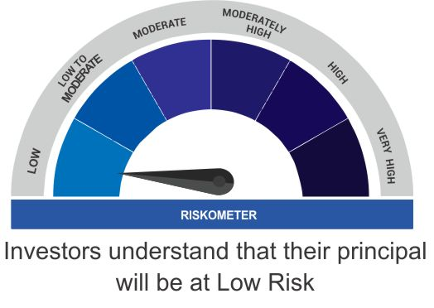 | 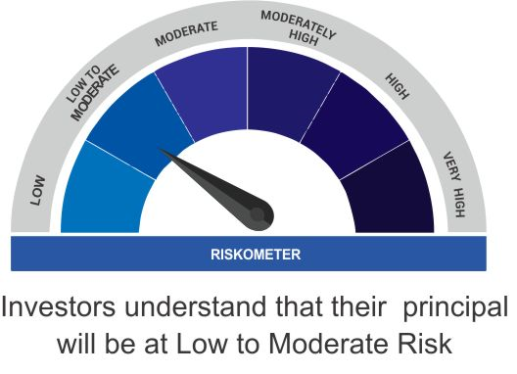
 |  | Investment in debt and money market instruments

 | Scheme Benchmark
 | CRISIL Liquid Fund

 | Potential Risk Class Matrix (PRC) for WhiteOak Capital Liquid Fund

 | Credit Risk | Relatively Low(Class A) | Moderate (Class B) | Relatively High (Class C)
 | Interest Rate Risk

 | Relatively Low (Class I ) | - | B-I | -

 | Moderate (Class II) | - | - | -

 | Relatively High (Class III) | - | - | -

