YM001
 | WhiteOak Capital Liquid Fund

 | Fortnightly Portfolio Statement as on February 28,2022
 | Name of the Instrument | ISIN | Rating | Quantity | Market/Fair Value (Rounded, Rs. in Lacs) | Rounded, % to Net Assets | YTM
 | Money Market Instruments
 | Treasury Bill
TBIL2005 | 91 Days Tbill (MD 05/05/2022) | IN002021X512 | SOVEREIGN | 2,000,000 | 1,986.91 | 42.92% | 3.70%
 | Sub Total |  |  |  | 1,986.91 | 42.92%
 | Total |  |  |  | 1,986.91 | 42.92%
 | CBLO / Reverse Repo
TRP_020322 | CBLO / TREPS |  |  |  | 2,590.09 | 55.94% | 3.20%
 | Sub Total |  |  |  | 2,590.09 | 55.94%
 | Total |  |  |  | 2,590.09 | 55.94%
 | Net Receivables / (Payables) |  |  |  | 52.75 | 1.14%
 | GRAND TOTAL |  |  |  | 4,629.75 | 100.00%

 |  |  |  | Product Labelling & Risk-o-meter
 |  |  |  | Scheme Name & Type of the Scheme | Product Labelling | Scheme Risk-o-meter (Feb'22) | Benchmark Risk-o-meter (Feb'22)
 |  |  |  | WhiteOak Capital Liquid Fund | This Product is suitable for investors who are seeking *
 |  |  |  | An Open Ended Liquid Scheme. A relatively Low Interest Rate Risk and Moderate Credit Risk | ◦Regular income over short term ◦Investments in money market and debt instruments | 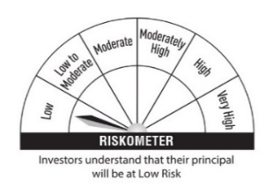 | 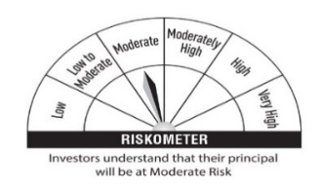
 |  |  |  |  | * Investors should consult their finacial advisers if in doubt about whether the product is suitabl for them
 |  |  |  |  |  |  | Scheme Benchmark
 |  |  |  |  |  |  | CRISIL Liquid Fund Index

 |  |  |  | Potential Risk Class (PRC) Matrix
 |  |  |  | Credit Risk | Relatively Low | Moderate | Relatively High
 |  |  |  |  | (Class A) | (Class B) | (Class C)
 |  |  |  | Interest Rate Risk
 |  |  |  | Relatively Low (Class I) |  | B-I
 |  |  |  | Moderate (Class II)
 |  |  |  | Relatively High (Class III)

