YM001
 | WhiteOak Capital Liquid Fund

 | Fortnightly Portfolio Statement as on March 31,2022
 | Name of the Instrument | ISIN | Rating | Quantity | Market/Fair Value (Rounded, Rs. in Lacs) | Rounded, % to Net Assets | YTM
 | Money Market Instruments
 | Treasury Bill
TBIL2005 | 91 Days Tbill (MD 05/05/2022) | IN002021X512 | SOVEREIGN | 2,000,000 | 1,993.50 | 33.29% | 3.50%
 | 91 Days Tbill (MD 30/06/2022) | IN002021X595 | SOVEREIGN | 1,300,000 | 1,288.21 | 21.51% | 3.71%
 | Sub Total |  |  |  | 3,281.71 | 54.80%
 | Total |  |  |  | 3,281.71 | 54.80%
TRP_160322 | CBLO / Reverse Repo
 | CBLO / TREPS |  |  |  | 2,654.92 | 44.33% | 3.80%
 | Sub Total |  |  |  | 2,654.92 | 44.33%
 | Total |  |  |  | 2,654.92 | 44.33%
 | Net Receivables / (Payables) |  |  |  | 52.35 | 0.87%
 | GRAND TOTAL |  |  |  | 5,988.98 | 100.00%

 |  |  |  |  | Product Labelling & Risk-o-meter
 |  |  |  |  | Scheme Name & Type of the Scheme | Product Labelling | Scheme Risk-o-meter (Mar'22) | Benchmark Risk-o-meter (Feb'22)
 |  |  |  |  | WhiteOak Capital Liquid Fund | This Product is suitable for investors who are seeking *
 |  |  |  |  | An Open Ended Liquid Scheme. A relatively Low Interest Rate Risk and Moderate Credit Risk | ◦Regular income over short term ◦Investments in money market and debt instruments | 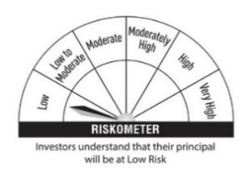 | 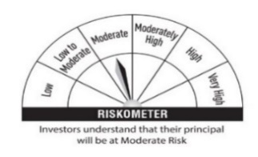
 |  |  |  |  |  | * Investors should consult their finacial advisers if in doubt about whether the product is suitabl for them
 |  |  |  |  |  |  |  | Scheme Benchmark
 |  |  |  |  |  |  |  | CRISIL Liquid Fund Index

 |  |  |  |  | Potential Risk Class (PRC) Matrix
 |  |  |  |  | Credit Risk | Relatively Low | Moderate | Relatively High
 |  |  |  |  |  | (Class A) | (Class B) | (Class C)
 |  |  |  |  | Interest Rate Risk
 |  |  |  |  | Relatively Low (Class I) |  | B-I
 |  |  |  |  | Moderate (Class II)
 |  |  |  |  | Relatively High (Class III)

