YM001
 | YES Liquid Fund

 | Fortnightly Portfolio Statement as on December 15,2021
 | Name of the Instrument | ISIN | Rating | Quantity | Market/Fair Value (Rounded, Rs. in Lacs) | Rounded, % to Net Assets | YTM
 | Money Market Instruments
 | Treasury Bill
TBIL1977 | 91 Days Tbill (MD 10/03/2022) | IN002021X397 | SOVEREIGN | 2,500,000 | 2,479.99 | 34.36% | 3.51%
 | Sub Total |  |  |  | 2,479.99 | 34.36%
 | Total |  |  |  | 2,479.99 | 34.36%
 | CBLO / Reverse Repo
TRP_161221 | CBLO / TREPS |  |  |  | 4,665.32 | 64.65% | 3.30%
 | Sub Total |  |  |  | 4,665.32 | 64.65%
 | Total |  |  |  | 4,665.32 | 64.65%
 | Net Receivables / (Payables) |  |  |  | 71.43 | 0.99%
 | GRAND TOTAL |  |  |  | 7,216.74 | 100.00%

 | Scheme Name & Type of the scheme | Product Labelling | Scheme Riskometer(s) | Benchmark Riskometer (s)
 | YES Liquid Fund
 | (An Open Ended Liquid Scheme. A relatively low interest rate risk and moderate credit risk.) | Regular income over short term | 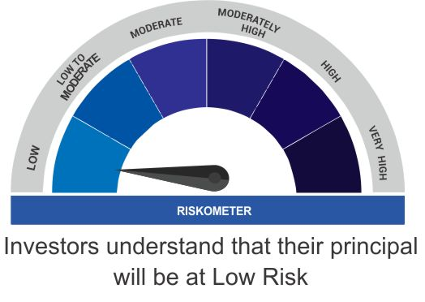 | 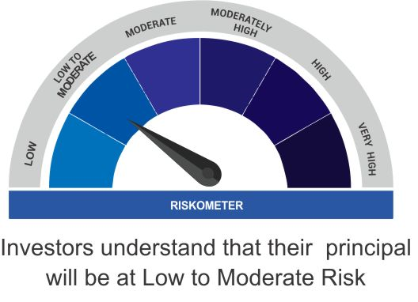
 |  | Investment in debt and money market instruments

 | Scheme Benchmark
 | CRISIL Liquid Fund

 | Potential Risk Class Matrix (PRC) for YES Liquid

 | Credit Risk | Relatively Low(Class A) | Moderate (Class B) | Relatively High (Class C)
 | Interest Rate Risk

 | Relatively Low (Class I ) | - | B-I | -

 | Moderate (Class II) | - | - | -

 | Relatively High (Class III) | - | - | -

