YM003
 | YES Overnight Fund

 | Fortnightly Portfolio Statement as on October 15,2021
 | Name of the Instrument | ISIN | Industry / Rating | Quantity | Market/Fair Value (Rounded, Rs. in Lacs) | Rounded, % to Net Assets | YTM
 | CBLO / Reverse Repo
TRP_181021 | CBLO / TREPS |  |  |  | 6,179.52 | 99.46% | 3.18%
 | Sub Total |  |  |  | 6,179.52 | 99.46%
 | Total |  |  |  | 6,179.52 | 99.46%
 | Net Receivables / (Payables) |  |  |  | 33.25 | 0.54%
 | GRAND TOTAL |  |  |  | 6,212.78 | 100.00%

 | Scheme Name & Type of the scheme | Product Labelling | Scheme Riskometer(s) | Benchmark Riskometer (s)
 | YES Overnight Fund |  | 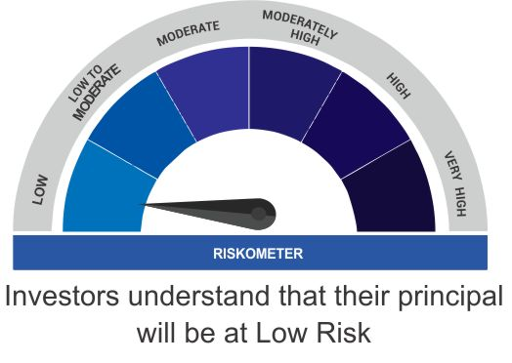
 | (An open ended debt scheme investing in overnight securities) | Reasonable returns commensurate with low risk and convenience of liquidity over short term
 |  | Investment in debt and money market instruments having maturity of upto 1 business day

 | Scheme Benchmark
 | CRISIL Overnight Fund

