YM003
 | WhiteOak Capital Overnight Fund

 | Fortnightly Portfolio Statement as on December 15, 2022
 | Name of the Instrument | ISIN | Industry / Rating | Quantity | Market/Fair Value (Rs. in Lakhs) | % to Net Assets | YTM~ | null
 | Reverse Repo / TREPS
TRP_161222 | Clearing Corporation of India Ltd |  |  |  | 1,364.18 | 98.29% | 6.25%
 | Sub Total |  |  |  | 1,364.18 | 98.29%
 | Total |  |  |  | 1,364.18 | 98.29%
 | Net Receivables / (Payables) |  |  |  | 23.74 | 1.71%
 | GRAND TOTAL |  |  |  | 1,387.92 | 100.00%
 |  |  |  |  |  |  |  |  | Scheme Name & Type of the Scheme | Product Labelling | Scheme Risk-o-meter (Nov'22) | Benchmark Risk-o-meter (Nov'22)
 | ~ YTM as on December 15, 2022 |  |  |  |  |  |  |  | WhiteOak Capital Overnight Fund
 |  |  |  |  |  |  |  |  | An open ended debt scheme investing in overnight securities. A relatively Low Interest Rate Risk and relatively Low Credit Risk | This Product is suitable for investors who are seeking * | 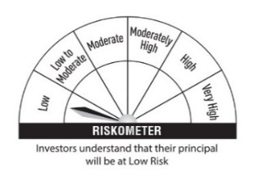 | 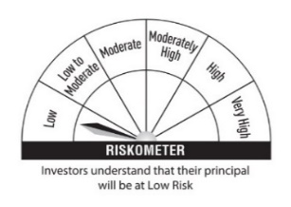
 |  |  |  |  |  |  |  |  |  | ◦ Reasonable returns commensurate with low risk and convenience of liquidity over short term. ◦Investment in debt and money market instruments having maturity of upto 1 business day.
 |  |  |  |  |  |  |  |  |  | * Investors should consult their financial advisers if in doubt about whether the product is suitable for them |  | Scheme Benchmark
 |  |  |  |  |  |  |  |  |  |  |  | CRISIL Overnight Fund AI Index

 |  |  |  |  |  |  |  |  | Potential Risk Class (PRC) Matrix
 |  |  |  |  |  |  |  |  | Credit Risk | Relatively Low | Moderate | Relatively High
 |  |  |  |  |  |  |  |  |  | (Class A) | (Class B) | (Class C)
 |  |  |  |  |  |  |  |  | Interest Rate Risk
 |  |  |  |  |  |  |  |  | Relatively Low (Class I) | A-1
 |  |  |  |  |  |  |  |  | Moderate (Class II)
 |  |  |  |  |  |  |  |  | Relatively High (Class III)

