YM003
 | WhiteOak Capital Overnight Fund (formerly known as YES Overnight Fund)

 | Fortnightly Portfolio Statement as on January 31,2022
 | Name of the Instrument | ISIN | Industry / Rating | Quantity | Market/Fair Value (Rounded, Rs. in Lacs) | Rounded, % to Net Assets | YTM
 | CBLO / Reverse Repo
TRP_170122 | CBLO / TREPS |  |  |  | 3,347.42 | 99.47% | 3.15%
 | Sub Total |  |  |  | 3,347.42 | 99.47%
 | Total |  |  |  | 3,347.42 | 99.47%
 | Net Receivables / (Payables) |  |  |  | 17.93 | 0.53%
 | GRAND TOTAL |  |  |  | 3,365.35 | 100.00%

 | Scheme Name & Type of the scheme | Product Labelling | Scheme Riskometer(s) | Benchmark Riskometer (s)
 | (An open ended debt scheme investing in overnight securities. A relatively low interest rate risk and relatively low credit risk) | Reasonable returns commensurate with low risk and convenience of liquidity over short term | 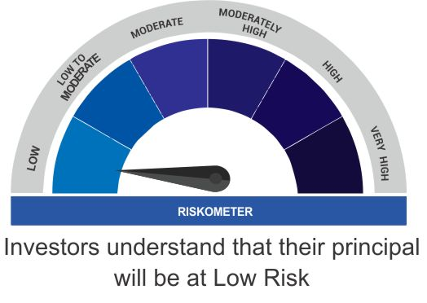
 |  | Investment in debt and money market instruments having maturity of upto 1 business day

 | Scheme Benchmark
 | CRISIL Overnight Fund

 | Potential Risk Class Matrix (PRC) for WhiteOak Capital Overnight Fund
 | Credit Risk | Relatively Low(Class A) | Moderate (Class B) | Relatively High (Class C)
 | Interest Rate Risk

 | Relatively Low (Class I ) | A-I | - | -

 | Moderate (Class II) | - | - | -

 | Relatively High (Class III) | - | - | -

