YM002
 | YES Ultra Short Term Fund

 | Fortnightly Portfolio Statement as on November 15,2021
 | Name of the Instrument | ISIN | Industry / Rating | Quantity | Market/Fair Value (Rounded, Rs. in Lacs) | Rounded, % to Net Assets | YTM
 | CBLO / Reverse Repo
TRP_161121 | CBLO / TREPS |  |  |  | 1,337.76 | 98.23% | 3.23%
 | Sub Total |  |  |  | 1,337.76 | 98.23%
 | Total |  |  |  | 1,337.76 | 98.23%
 | Net Receivables / (Payables) |  |  |  | 24.16 | 1.77%
 | GRAND TOTAL |  |  |  | 1,361.92 | 100.00%

 | Scheme Name & Type of the scheme | Product Labelling | Scheme Riskometer(s) | Benchmark Riskometer (s)
 | (An open ended ultra-short term debt scheme investing in instruments such that the Macaulay duration of the portfolio is between 3 months and 6 months) | Regular income over short term | 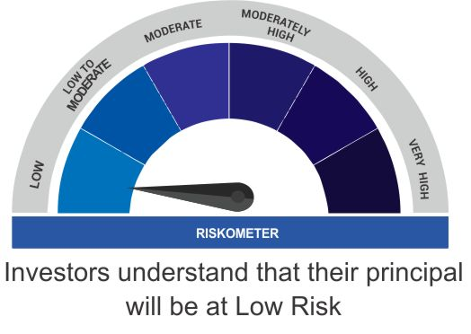 | 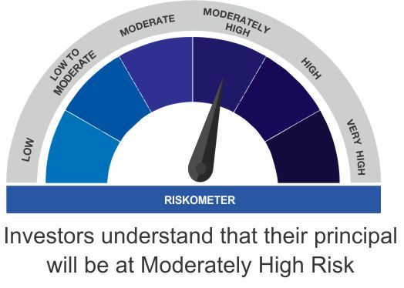
 |  | Investment in debt and money market instruments such that the Macaulay duration of the portfolio is between 3 - 6 months

 | Scheme Benchmark
 | CRISIL Ultra Short Term Fund

