YM002
 | YES Ultra Short Term Fund

 | Fortnightly Portfolio Statement as on October 31,2021
 | Name of the Instrument | ISIN | Rating | Quantity | Market/Fair Value (Rounded, Rs. in Lacs) | Rounded, % to Net Assets | YTM
 | Money Market Instruments
 | Treasury Bill
TBIL1944 | 182 Days Tbill (MD 17/03/2022) | IN002021Y254 | SOVEREIGN | 5,000,000 | 4,932.91 | 69.46% | 3.65%
 | Sub Total |  |  |  | 4,932.91 | 69.46%
 | Total |  |  |  | 4,932.91 | 69.46%
 | CBLO / Reverse Repo
TRP_011121 | CBLO / TREPS |  |  |  | 2,134.38 | 30.06%
 | Sub Total |  |  |  | 2,134.38 | 30.06%
 | Total |  |  |  | 2,134.38 | 30.06%
 | Net Receivables / (Payables) |  |  |  | 34.25 | 0.48%
 | GRAND TOTAL |  |  |  | 7,101.54 | 100.00%

 | Scheme Name & Type of the scheme | Product Labelling | Scheme Riskometer(s) | Benchmark Riskometer (s)
 | (An open ended ultra-short term debt scheme investing in instruments such that the Macaulay duration of the portfolio is between 3 months and 6 months) | Regular income over short term | 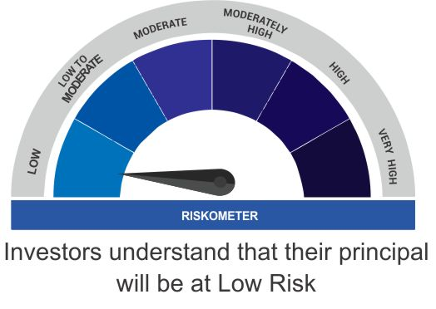 | 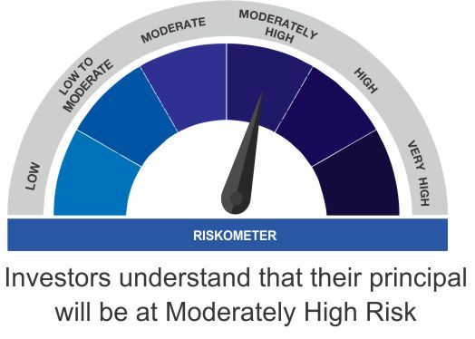
 |  | Investment in debt and money market instruments such that the Macaulay duration of the portfolio is between 3 - 6 months

 | Scheme Benchmark
 | CRISIL Ultra Short Term Fund

