YM002
 | WhiteOak Capital Ultra Short Term Fund ( formerly known as YES Ultra Short Term Fund)

 | Fortnightly Portfolio Statement as on February 15,2022
 | Name of the Instrument | ISIN | Rating | Quantity | Market/Fair Value (Rounded, Rs. in Lacs) | Rounded, % to Net Assets | YTM
 | Money Market Instruments
 | Treasury Bill
TBIL1967 | 182 Days Tbill (MD 19/05/2022) | IN002021Y346 | SOVEREIGN | 1,000,000 | 990.62 | 37.48% | 3.76%
TBIL1975 | 182 Days Tbill (MD 09/06/2022) | IN002021Y379 | SOVEREIGN | 500,000 | 494.20 | 18.70% | 3.79%
 | 182 Days Tbill (MD 04/08/2022) | IN002021Y478 | SOVEREIGN | 500,000 | 490.57 | 18.56% | 4.15%
 | Sub Total |  |  |  | 1,975.39 | 74.74%
 | Total |  |  |  | 1,975.39 | 74.74%
 | CBLO / Reverse Repo
TRP_170122 | CBLO / TREPS |  |  |  | 667.99 | 25.27% | 3.28%
 | Sub Total |  |  |  | 667.99 | 25.27%
 | Total |  |  |  | 667.99 | 25.27%
 | Net Receivables / (Payables) |  |  |  | (0.21) | (0.01)%
 | GRAND TOTAL |  |  |  | 2,643.17 | 100.00%

 | Scheme Name & Type of the scheme | Product Labelling | Scheme Riskometer(s) | Benchmark Riskometer (s)
 | (An open ended ultra-short term debt scheme investing in debt and money market instruments such that the Macaulay duration of the portfolio is between 3 - 6 months. A relatively low interest rate risk and moderate credit risk. (Please refer to the page number 2 of the Scheme Information Document on which the concept of Macaulay’s Duration has been explained)) | Regular income over short term | 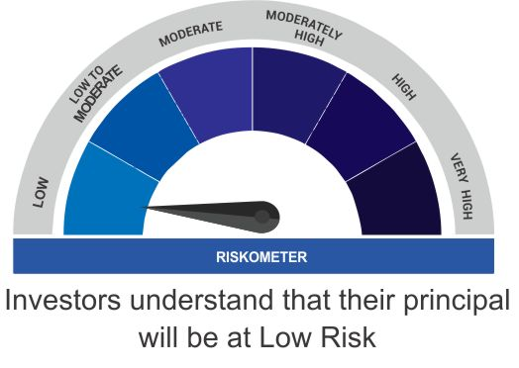 | 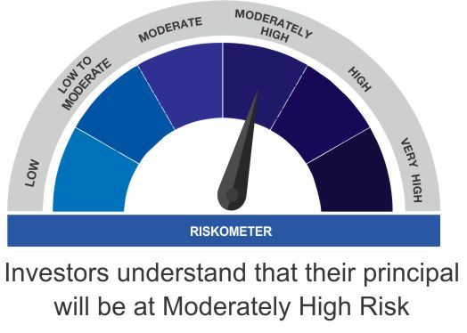
 |  | Investment in debt and money market instruments such that the Macaulay duration of the portfolio is between 3 - 6 months

 | Scheme Benchmark
 | CRISIL Ultra Short Term Fund

 | Potential Risk Class Matrix (PRC) for WhiteOak Capital Ultra Short Term Fund
 | Credit Risk | Relatively Low(Class A) | Moderate (Class B) | Relatively High (Class C)
 | Interest Rate Risk

 | Relatively Low (Class I ) | - | B-I | -

 | Moderate (Class II) | - | - | -

 | Relatively High (Class III) | - | - | -

