YM002
 | WhiteOak Capital Ultra Short Term Fund

 | Fortnightly Portfolio Statement as on March 15,2022
 | Name of the Instrument | ISIN | Rating | Quantity | Market/Fair Value (Rounded, Rs. in Lacs) | Rounded, % to Net Assets | YTM
 | Money Market Instruments
 | Treasury Bill
TBIL2004 | 182 Days Tbill (MD 04/08/2022) | IN002021Y478 | SOVEREIGN | 500,000 | 492.04 | 23.07% | 4.19%
 | Sub Total |  |  |  | 492.04 | 23.07%
 | Total |  |  |  | 492.04 | 23.07%
 | CBLO / Reverse Repo
TRP_160322 | CBLO / TREPS |  |  |  | 156.67 | 7.35% | 3.29%
 | Sub Total |  |  |  | 156.67 | 7.35%
 | Total |  |  |  | 156.67 | 7.35%
 | Net Receivables / (Payables) |  |  |  | 1,483.88 | 69.58%
 | GRAND TOTAL |  |  |  | 2,132.59 | 100.00%

 |  |  |  |  | Scheme Name & Type of the Scheme | Product Labelling | Scheme Risk-o-meter | Benchmark Risk-o-meter
 |  |  |  |  | WhiteOak Capital Ultra Short Term Fund | This Product is suitable for investors who are seeking *
 |  |  |  |  | An open ended ultra-short term debt scheme investing in debt and money market instruments such that the Macaulay duration of the portfolio is between 3-6 months. A relatively Low Interest Rate Risk and Moderate Credit Risk | ◦Regular income over short term ◦Investments in debt and money market instruments such that the Macaulay duration of the portfolio is between 3-6 months | 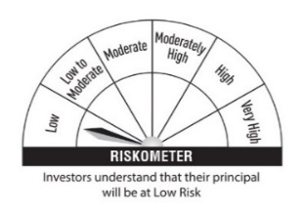 | 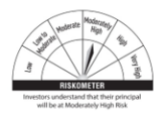
 |  |  |  |  |  | * Investors should consult their finacial advisers if in doubt about whether the product is suitabl for them
 |  |  |  |  |  |  |  | Scheme Benchmark
 |  |  |  |  |  |  |  | CRISIL Ultra Short Term Debt Index

 |  |  |  |  | Potential Risk Class (PRC) Matrix
 |  |  |  |  | Credit Risk | Relatively Low | Moderate | Relatively High
 |  |  |  |  |  | (Class A) | (Class B) | (Class C)
 |  |  |  |  | Interest Rate Risk
 |  |  |  |  | Relatively Low (Class I) |  | B-I
 |  |  |  |  | Moderate (Class II)
 |  |  |  |  | Relatively High (Class III)

