YM001
 | YES Liquid Fund
 | (An Open ended Liquid scheme)
 | Half Yearly Portfolio Statement as on September 30, 2021
 | Name of the Instrument | ISIN | Rating | Quantity | Market/Fair Value (Rounded, Rs. in Lacs) | Rounded, % to Net Assets
 | Money Market Instruments
 | Treasury Bill
TBIL1734 | 91 Days Tbill (MD 16/12/2021) | IN002021X272 | SOVEREIGN | 2,500,000 | 2,482.29 | 71.49%
 | Sub Total |  |  |  | 2,482.29 | 71.49%
 | Total |  |  |  | 2,482.29 | 71.49%
 | CBLO / TREPS / Reverse Repo
TRP_050421 | Clearing Corporation of India Ltd |  |  |  | 959.54 | 27.63%
 | Sub Total |  |  |  | 959.54 | 27.63%
 | Total |  |  |  | 3,441.83 | 99.12%
 | Net Receivables / (Payables) |  |  |  | 30.39 | 0.88%
 | GRAND TOTAL |  |  |  | 3,472.22 | 100.00%

 | Notes :
 | (1) The provision for below investment grade or default securities as of September 30, 2021 is Rs. Nil and its percentage to Net Asset Value is Nil.
 | (2) Deviation from the valuation prices given by valuation agencies during the half-year ended September 30, 2021: Nil
 | (3) Net Assets Value per unit (in Rupees) are as follows:
 | Plan/Option | As on September 30, 2021 | As on March 31, 2021
 | Direct Plan Growth | 1128.2694 | 1,112.0974
 | Regular Plan Growth | 1125.8500 | 1,110.1562
 | Regular Plan Fortnightly IDCW | 1002.8373 | 1,002.7590
 | Regular Plan Monthly IDCW | 1002.3033 | 1,002.7551
 | Direct Plan Monthly IDCW | 1001.8135 | 1,002.2722
 | Regular Plan Weekly IDCW | 1001.4009 | 1,001.3109
 | Direct Plan Weekly IDCW | 1001.3951 | 1,001.3002
 | Direct Plan Daily IDCW | 1000.9501 | 1,000.9390
 | Regular Plan Daily IDCW | 1000.9407 | 1,000.9393
 | Direct Plan Fortnightly IDCW | 1000.8267 | 1,000.7395

 | (4) Details of Dividend declared per unit (In Rupees) during the half year ending September 30, 2021:
 |  |  | (Rs. per unit)
 | Option Name | Individual & HUF * | Others *
 | Direct Plan Daily IDCW | 16.76554396 | 16.76554396
 | Direct Plan Fortnightly IDCW | 14.37899088 | 14.37899088
 | Direct Plan Monthly IDCW | 14.92860149 | 14.92860149
 | Direct Plan Weekly IDCW | 14.62671676 | 14.62671676
 | Regular Plan Daily IDCW | 13.86886852 | 13.86886852
 | Regular Plan Fortnightly IDCW | 14.02851472 | 14.02851472
 | Regular Plan Monthly IDCW | 14.52651235 | 14.52651235
 | Regular Plan Weekly IDCW | 14.02505269 | 14.02505269
 | * Dividends are declared on face value of Rs.1,000 per unit. After distribution of dividend, the NAV falls to the extent of dividend payout and
 | statutory levy, if any.

 | (5) No Bonus declared during the half-year ended September, 2021
 | (6) Total outstanding exposure in derivative instruments as on September,2021 is Nil
 | (7) Total investments in Foreign Securities / Overseas ETFs as at September,2021 and its percentage to NAV: Nil
 | (8) Average maturity of the portfolio is 55 days
 | (9) Repo transactions in corporate debt securities as on September, 2021 is Rs. Nil.

 | Mutual Fund investments are subject to market risks, read all scheme related documents carefully.

 | Scheme Name & Type of the scheme | Product Labelling | Scheme Riskometer(s) | Benchmark Riskometer (s)
 | YES Liquid Fund
 | (An Open Ended Liquid Scheme) | Regular income over short term | 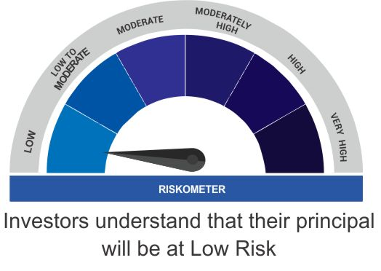 | 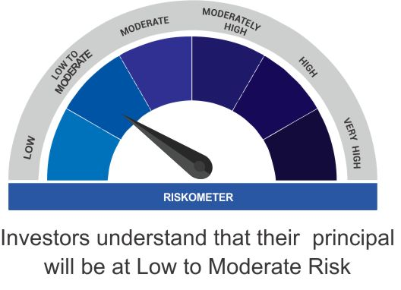
 |  | Investment in debt and money market instruments

 | Scheme Benchmark
 | CRISIL Liquid Fund

