YM003
YES Overnight Fund
(An open ended debt scheme investing in overnight securities)
Half Yearly Portfolio Statement as on September 30,2021
Name of the Instrument | ISIN | Industry / Rating | Quantity | Market/Fair Value (Rounded, Rs. in Lacs) | Rounded, % to Net Assets
CBLO / TREPS / Reverse Repo
Clearing Corporation of India Ltd |  |  |  | 6,173.60 | 99.49%
Sub Total |  |  |  | 6,173.60 | 99.49%
Total |  |  |  | 6,173.60 | 99.49%
Net Receivables / (Payables) |  |  |  | 31.90 | 0.51%
GRAND TOTAL |  |  |  | 6,205.50 | 100.00%

Notes :
(1) The provision for below investment grade or default securities as of September 30, 2021 is Rs. Nil and its percentage to Net Asset Value is Nil.
(2) Deviation from the valuation prices given by valuation agencies during the half-year ended September 30, 2021: Nil
(3) Net Assets Value per unit (in Rupees) are as follows:
Plan/Option | As on September 30, 2021 | As on March 31,2021
Direct Plan - Growth | 1075.5082 | 1059.1134
Regular Plan - Growth | 1074.0628 | 1058.1001
Direct Plan - Fortnightly IDCW | 1002.9301 | 1001.7816
Direct Plan - Monthly IDCW | 1002.7421 | 1002.2975
Direct Plan - Weekly IDCW | 1000.6789 | 1000.3668
Direct Plan - Daily IDCW | 1000.3835 | 1000.3774
Regular Plan - Weekly IDCW | - | 1001.1114

(4) Details of Dividend declared per unit (In Rupees) during the half year ending September 30, 2021:
 |  | (Rs. per unit)
Option Name | Individual & HUF * | Others *
Direct Plan - Daily IDCW | 17.97498106 | 17.97498106
Direct Plan - Fortnightly IDCW | 13.83906405 | 13.83906405
Direct Plan - Monthly IDCW | 14.90434000 | 14.90434000
Direct Plan - Weekly IDCW | 14.72907275 | 14.72907275
Regular Plan - Weekly IDCW | 13.47740296 | 13.47740296
* Dividends are declared on face value of Rs.1,000 per unit. After distribution of dividend, the NAV falls to the extent of dividend payout and
statutory levy, if any.

(5) No Bonus declared during the half-year ended September 30, 2021.
(6) Total outstanding exposure in derivative instruments as on September 30, 2021 is Nil
(7) Total investments in Foreign Securities / Overseas ETFs as at September 30, 2021 and its percentage to NAV is Nil
(8) Average maturity of the portfolio is 1 day.
(9) Repo transactions in corporate debt securities as on September 30, 2021 is Rs. Nil.

Mutual Fund investments are subject to market risks, read all scheme related documents carefully.

Scheme Name & Type of the scheme | Product Labelling | Scheme Riskometer(s) | Benchmark Riskometer (s)
YES Overnight Fund |  | 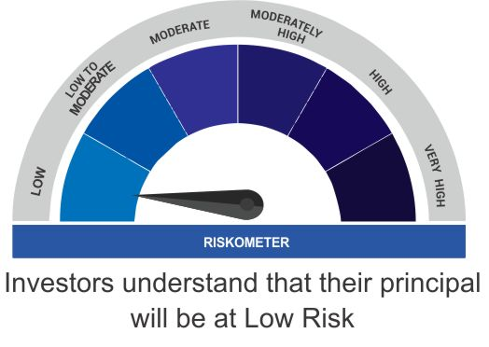
(An open ended debt scheme investing in overnight securities) | Reasonable returns commensurate with low risk and convenience of liquidity over short term
 | Investment in debt and money market instruments having maturity of upto 1 business day

Scheme Benchmark
CRISIL Overnight Fund

