YM002
YES Ultra Short Term Fund
(An open ended ultra-short term debt scheme investing in debt and money market instruments such that the Macaulay Duration of the portfolio is between 3 months and 6 months)
Half Yearly Portfolio Statement as on September 30,2021
Name of the Instrument | ISIN | Rating | Quantity | Market/Fair Value (Rounded, Rs. in Lacs) | Rounded, % to Net Assets
Money Market Instruments
Treasury Bill
182 Days Tbill (MD 17/03/2022) | IN002021Y254 | SOVEREIGN | 5,000,000 | 4,920.53 | 69.48%
Sub Total |  |  |  | 4,920.53 | 69.48%
Total |  |  |  | 4,920.53 | 69.48%
CBLO / TREPS / Reverse Repo
CBLO / TREPS / Reverse Repo |  |  |  | 2,136.86 | 30.17%
Sub Total |  |  |  | 2,136.86 | 30.17%
Total |  |  |  | 7,057.39 | 99.65%
Net Receivables / (Payables) |  |  |  | 24.90 | 0.35%
GRAND TOTAL |  |  |  | 7,082.29 | 100.00%

Notes :
(1) The provision for below investment grade or default securities as of September 30, 2021 is Rs. Nil and its percentage to Net Asset Value is Nil.
(2) Deviation from the valuation prices given by valuation agencies during the half-year ended September 30, 2021: Nil
(3) Net Assets Value per unit (in Rupees) are as follows:
Plan/Option | As on September 30, 2021 | As on March 31,2021
Direct Plan Growth | 1120.0373 | 1095.8045
Regular Plan Growth | 1106.527 | 1085.3052
Direct Plan Monthly IDCW | 1002.1713 | 1003.0655
Regular Plan Monthly IDCW | 1001.9264 | 1002.8045
Direct Plan Weekly IDCW | 1001.3215 | 1001.4124
Direct Plan Daily IDCW | 1001.3046 | 1001.4503
Regular Plan Daily IDCW | 1001.2897 | 1001.4446
Direct Plan Fortnightly IDCW | 1001.1873 | 1001.3439
Regular Plan Fortnightly IDCW | - | 1001.2862

(4) Details of Dividend declared per unit (In Rupees) during the half year ending September 30, 2021:
 |  |  | (Rs. per unit)
Option Name |  | Individual & HUF * | Others *
Direct Plan Daily IDCW |  | 23.97411555 | 23.97411555
Direct Plan Fortnightly IDCW |  | 22.34443966 | 22.34443966
Direct Plan Monthly IDCW |  | 22.8648131 | 22.8648131
Direct Plan Weekly IDCW |  | 22.65221358 | 22.65221358
Regular Plan Daily IDCW |  | 20.45028312 | 20.45028312
Regular Plan Fortnightly IDCW |  | 9.05075773 | 9.05075773
Regular Plan Monthly IDCW |  | 20.31822527 | 20.31822527
* Dividends are declared on face value of Rs.1,000 per unit. After distribution of dividend, the NAV falls to the extent of dividend payout and
statutory levy, if any.
(5) No Bonus declared during the half-year ended September 30, 2021
(6) Total outstanding exposure in derivative instruments as on September 30, 2021 is Nil
(7) Total investments in Foreign Securities / Overseas ETFs as at September,2021 and its percentage to NAV: Nil
(8) Average maturity of the portfolio is 117 days
(9) Repo transactions in corporate debt securities as on September, 2021 is Rs. Nil.

Mutual Fund investments are subject to market risks, read all scheme related documents carefully.

Scheme Name & Type of the scheme | Product Labelling | Scheme Riskometer(s) | Benchmark Riskometer (s)
YES Ultra Short Fund |  | 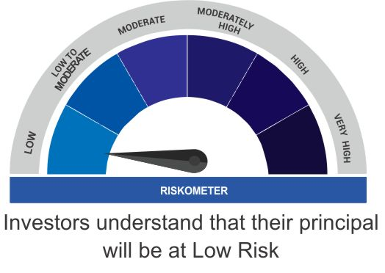 | 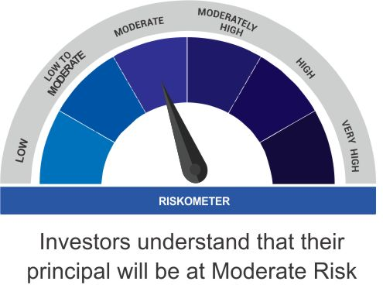
(An open ended ultra-short term debt scheme investing in instruments such that the Macaulay duration of the portfolio is between 3 months and 6 months) | Regular income over short term
 | Investment in debt and money market instruments such that the Macaulay duration of the portfolio is between 3 - 6 months

Scheme Benchmark
CRISIL Ultra Short Term Fund

