YM002
 | WhiteOak Capital Ultra Short Term Fund

 | Monthly Portfolio Statement as on February 28,2022
 | Name of the Instrument | ISIN | Rating | Quantity | Market/Fair Value (Rounded, Rs. in Lacs) | Rounded, % to Net Assets | YTM
 | Money Market Instruments
 | Treasury Bill
TBIL2004 | 182 Days Tbill (MD 04/08/2022) | IN002021Y478 | SOVEREIGN | 1,000,000 | 982.37 | 37.70% | 4.20%
TBIL1967 | 182 Days Tbill (MD 19/05/2022) | IN002021Y346 | SOVEREIGN | 500,000 | 496.00 | 19.03% | 3.73%
TBIL1975 | 182 Days Tbill (MD 09/06/2022) | IN002021Y379 | SOVEREIGN | 500,000 | 494.81 | 18.99% | 3.83%
 | Sub Total |  |  |  | 1,973.18 | 75.72%
 | Total |  |  |  | 1,973.18 | 75.72%
 | CBLO / Reverse Repo
TRP_020322 | CBLO / TREPS |  |  |  | 637.18 | 24.45% | 3.20%
 | Sub Total |  |  |  | 637.18 | 24.45%
 | Total |  |  |  | 637.18 | 24.45%
 | Net Receivables / (Payables) |  |  |  | (4.64) | (0.17)%
 | GRAND TOTAL |  |  |  | 2,605.72 | 100.00%

 |  |  |  |  | Product Labelling & Risk-o-meter
 |  |  |  |  | Scheme Name & Type of the Scheme | Product Labelling | Scheme Risk-o-meter | Benchmark Risk-o-meter
 |  |  |  |  | WhiteOak Capital Ultra Short Term Fund | This Product is suitable for investors who are seeking *
 |  |  |  |  | An open ended ultra-short term debt scheme investing in debt and money market instruments such that the Macaulay duration of the portfolio is between 3-6 months. A relatively Low Interest Rate Risk and Moderate Credit Risk | ◦Regular income over short term ◦Investments in debt and money market instruments such that the Macaulay duration of the portfolio is between 3-6 months | 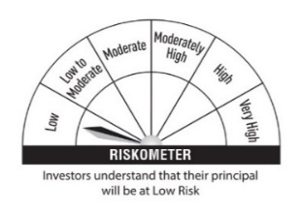 | 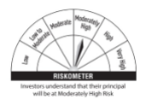
 |  |  |  |  |  | * Investors should consult their finacial advisers if in doubt about whether the product is suitabl for them
 |  |  |  |  |  |  |  | Scheme Benchmark
 |  |  |  |  |  |  |  | CRISIL Ultra Short Term Debt Index

 |  |  |  |  | Potential Risk Class (PRC) Matrix
 |  |  |  |  | Credit Risk | Relatively Low | Moderate | Relatively High
 |  |  |  |  |  | (Class A) | (Class B) | (Class C)
 |  |  |  |  | Interest Rate Risk
 |  |  |  |  | Relatively Low (Class I) |  | B-I
 |  |  |  |  | Moderate (Class II)
 |  |  |  |  | Relatively High (Class III)

