qAF
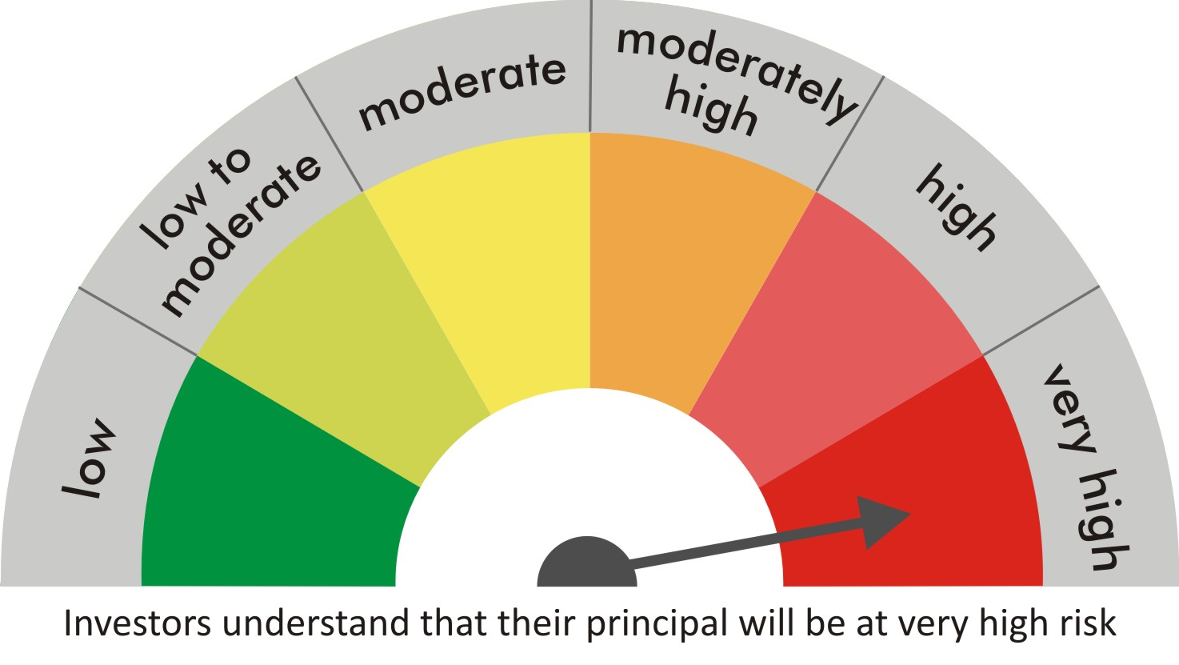
 |  | quant Mutual Fund
 |  | quant Absolute Fund

 |  | MONTHLY PORTFOLIO STATEMENT AS ON 30 Aug 2022

 |  |  | Risk-o-meter of the Scheme |  | Risk-o-meter of the Benchmark

SR | ISIN | NAME OF THE INSTRUMENT | RATING | INDUSTRY | QUANTITY | MARKET VALUE(Rs.in Lakhs) | % to NAV
 |  | EQUITY & EQUITY RELATED
 |  | (a) Listed / awaiting listing on Stock Exchanges
1 | INE079A01024 | Ambuja Cements Ltd | N.A. | Cement & Cement Products | 1006900 | 4140.88 | 7.10
2 | INE733E01010 | NTPC Limited | N.A. | Power | 2473500 | 4056.54 | 6.95
3 | INE154A01025 | ITC Limited | N.A. | Diversified FMCG | 1128600 | 3617.16 | 6.20
4 | INE742F01042 | Adani Ports & Special Economic Zone Ltd | N.A. | Transport Infrastructure | 409850 | 3451.55 | 5.92
5 | INE062A01020 | State Bank of India | N.A. | Banks | 619350 | 3290.3 | 5.64
6 | INE018A01030 | Larsen & Toubro Limited | N.A. | Construction | 160250 | 3080.81 | 5.28
7 | INE423A01024 | Adani Enterprises Limited | N.A. | Metals & Minerals Trading | 83456 | 2665.88 | 4.57
8 | INE192A01025 | Tata Consumer Products Ltd | N.A. | Agricultural Food & other Products | 269250 | 2179.98 | 3.74
9 | INE397D01024 | Bharti Airtel Limited | N.A. | Telecom - Services | 288100 | 2093.33 | 3.59
10 | INE003A01024 | Siemens Ltd | N.A. | Electrical Equipment | 65450 | 1887.32 | 3.24
11 | INE765G01017 | ICICI Lombard General Insurance Company Ltd. | N.A. | Insurance | 138550 | 1784.94 | 3.06
12 | INE053A01029 | Indian Hotels Co Ltd | N.A. | Leisure Services | 495050 | 1413.12 | 2.42
13 | INE208A01029 | Ashok Leyland Limited | N.A. | Agricultural, Commercial & Construction Vehicles | 910150 | 1401.63 | 2.40
14 | INE237A01028 | Kotak Mahindra Bank Limited | N.A. | Banks | 64250 | 1230.68 | 2.11
15 | INE619A01035 | Patanjali Foods Limited | N.A. | Agricultural Food & other Products | 94674 | 1156.06 | 1.98
16 | INE047A01021 | Grasim Industries Ltd | N.A. | Cement & Cement Products | 66100 | 1109.59 | 1.90
17 | INE548A01028 | HFCL Limited | N.A. | Telecom - Services | 1478088 | 1098.22 | 1.88
18 | INE821I01014 | IRB Infrastructure Developers Limited | N.A. | Construction | 433640 | 1026.21 | 1.76
19 | INE140A01024 | Piramal Enterprises Limited | N.A. | Finance | 88600 | 942.31 | 1.62
20 | INE795G01014 | HDFC Life Insurance Co Ltd | N.A. | Insurance | 160000 | 920.32 | 1.58
21 | INE881D01027 | Oracle Financial Services Software Ltd | N.A. | IT - Software | 25250 | 800.39 | 1.37
22 | INPIRAPHARMA | Piramal Pharma Limited | N.A. | N.A. | 354400 | 764.57 | 1.31
23 | INE111A01025 | Container Corporation of India Ltd | N.A. | Transport Services | 87550 | 609.83 | 1.05
24 | INE007A01025 | CRISIL Limited | N.A. | Finance | 16434 | 539.59 | 0.92
25 | INE151A01013 | Tata Communications Limited | N.A. | Telecom - Services | 41000 | 492.92 | 0.84
26 | INE002A01018 | Reliance Industries Limited | N.A. | Petroleum Products | 10700 | 282.26 | 0.48
27 | INE585B01010 | Maruti Suzuki India Limited | N.A. | Automobiles | 2350 | 213.43 | 0.37
 |  | Sub Total |  |  |  | 46249.82 | 79.28

 |  | (b) Unlisted
 |  | Sub Total
 |  | Total |  |  |  | 46249.82 | 79.28

 |  | DERIVATIVES
 |  | (a) Index / Stock Futures
 |  | Sub Total

 |  | (b) Index / Stock Options
 |  | Sub Total
 |  | Total

 |  | DEBT INSTRUMENTS
 |  | (a) Listed / awaited listed on Stock Exchanges
28 | IN0020210186 | 5.74% GOI - 15-Nov-2026 | Sovereign | N.A. | 5110000 | 4891.87 | 8.39
29 | IN0020210020 | 6.64% GOI - 16-Jun-2035 | Sovereign | N.A. | 1833600 | 1735.52 | 2.97
30 | IN0020060029 | 8.23% GOI 12-FEB-2027 | Sovereign | N.A. | 100000 | 103.22 | 0.18
 |  | Sub Total |  |  |  | 6730.6 | 11.54

 |  | (b) Unlisted / Privately Placed
 |  | Sub Total

 |  | (c) Securitised Debt Instruments
 |  | Sub Total
 |  | Total |  |  |  | 6730.6 | 11.54

 |  | MONEY MARKET INSTRUMENTS
 |  | a) Commercial Paper
 |  | Sub Total

 |  | b) CD-Certificate of Deposits
 |  | Sub Total

 |  | c) Treasury Bills
 |  | Sub Total
 |  | Total

 |  | OTHERS
 |  | (a) Mutual Fund Unit
 |  | Sub Total

 |  | (b) Tri Party Repo (TREPs)
31 | INCBLO010922 | TREPS 01-Sep-2022 DEPO 10 | N.A. | N.A. | 55476 | 5546.78 | 9.51
 |  | Sub Total |  |  |  | 5546.78 | 9.51

 |  | (c) Other Receivables (Payables)
32 |  | NCA-NET CURRENT ASSETS | N.A. | N.A. |  | -190.41 | -0.33
 |  | Sub Total |  |  |  | -190.41 | -0.33
 |  | Total |  |  |  | 5356.38 | 9.18
 |  | Grand Total |  |  |  | 58336.8 | 100

 | Underlying | Long / Short | Future Price when Purchased | Current price of the contract | Margin maintained in Rs.Lakhs

 | Total %age of existing assets hedged through futures
 | For the period ended … specify the following for hedging transactions through futures which have been squared off/expired
 | Total Number of contracts where futures were bought
 | Total Number of contracts where futures were sold
 | Gross Notional Value of contracts where futures were bought
 | Gross Notional Value of contracts where futures were sold
 | Net Profit/Loss value on all contracts combined

 | Other than Hedging Positions through Futures as on |  | 30/08/2022
 | Underlying | Long / Short | Future Price when Purchased | Current price of the contract | Margin maintained in Rs.Lakhs

 | Total Exposure due to futures (non hedging positions) as a %age of net assets
 | For the period ended .. Specify the following for non hedging transactions through futures which have been squared off/expired
 | Total number of contracts where futures were bought
 | Total number of contracts where futures were sold (carry forward)
 | Gross Notional value of contracts where future were bought
 | Gross Notional Value of contracts where futures were sold
 | Net Profit/Loss value on all contracts combined

 | Hedging Positions through Put Options as on |  | 30/08/2022
 | Underlying | Number of contracts | Option Price when purchased | Current option price

 | Total %age of existing assets hedged through put options
 | For the period ended 30/08/22, Specify the following for hedging transactions through options which have been execised/expired
 | Total number of contracts entered into |  | 1350
 | Gross Notional value of contracts |  | 10433137.25
 | Net Profit/Loss Value on all contracts (treat premium paid as loss) |  | 12947657

 | Other than Hedging Positions through Options as on |  | 30/08/2022
 | Underlying | Call/Put | Number of contracts | Option Price when purchased | Current option price

 | Total Exposure through options as a %age of net assets
 | For the period ended … with regard to non-hedging transactions through options which have already been exercised/expired specify:
 | Total number of contracts entered into
 | Gross Notional value of contracts
 | Net Profit/Loss Value on all contracts (treat premium paid as loss)

 | Notes :-

1 | Total NPA provided for is NIL.
2 | NAV as on 30 Aug 2022
 | quant Absolute Fund - Growth - Direct Plan 313.863
 | quant Absolute Fund - Growth 299.917
 | quant Absolute Fund - IDCW - Direct Plan 43.4635
 | quant Absolute Fund - IDCW 41.3755
3 | NAV as on 29 Jul 2022
 | quant Absolute Fund - Growth - Direct Plan 295.79
 | quant Absolute Fund - Growth 283.089
 | quant Absolute Fund - IDCW - Direct Plan 40.9638
 | quant Absolute Fund - IDCW 39.0631
4 | Dividend declared during the period is NIL
5 | Bonus declared during the period is NIL
6 | Total outstanding exposure in derivatives instruments as on 30-Aug-2022 is NIL
7 | Total Investments in foreign securities/ADRs / GDRs as on 30-Aug-2022 is NIL
8 | The Portfolio Turnover Ratio is 0.25 times / The Average Maturity period is 1308.218171 Days
9 | The funds parked in short term deposit(s) as on 30-Aug-2022 were NIL

