qActive
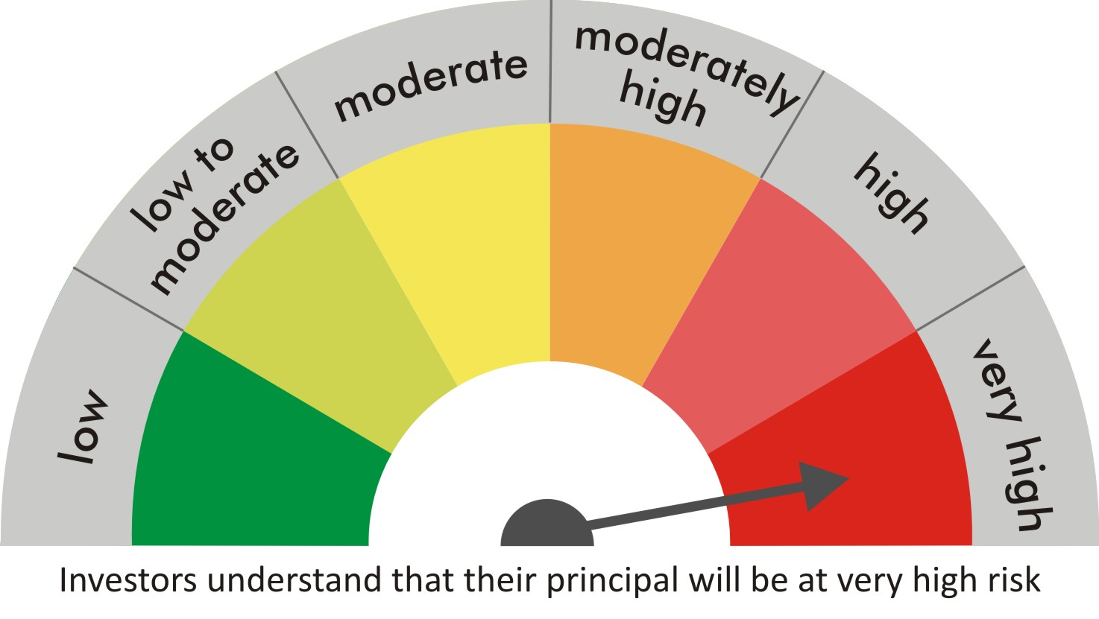
 |  | quant Mutual Fund
 |  | quant Active Fund

 |  | MONTHLY PORTFOLIO STATEMENT AS ON 30 Aug 2022

 |  |  | Risk-o-meter of the Scheme |  | Risk-o-meter of the Benchmark

SR | ISIN | NAME OF THE INSTRUMENT | RATING | INDUSTRY | QUANTITY | MARKET VALUE(Rs.in Lakhs) | % to NAV
 |  | EQUITY & EQUITY RELATED
 |  | (a) Listed / awaiting listing on Stock Exchanges
1 | INE154A01025 | ITC Limited | N.A. | Diversified FMCG | 7289550 | 23363.01 | 8.18
2 | INE079A01024 | Ambuja Cements Ltd | N.A. | Cement & Cement Products | 5046000 | 20751.68 | 7.26
3 | INE062A01020 | State Bank of India | N.A. | Banks | 2919800 | 15511.44 | 5.43
4 | INE742F01042 | Adani Ports & Special Economic Zone Ltd | N.A. | Transport Infrastructure | 1729200 | 14562.46 | 5.10
5 | INE018A01030 | Larsen & Toubro Limited | N.A. | Construction | 648700 | 12471.26 | 4.37
6 | INE205A01025 | Vedanta Limited | N.A. | Diversified Metals | 4330500 | 11703.18 | 4.10
7 | INE423A01024 | Adani Enterprises Limited | N.A. | Metals & Minerals Trading | 359797 | 11493.18 | 4.02
8 | INE619A01035 | Patanjali Foods Limited | N.A. | Agricultural Food & other Products | 831600 | 10154.67 | 3.55
9 | INE821I01014 | IRB Infrastructure Developers Limited | N.A. | Construction | 4190950 | 9917.88 | 3.47
10 | INE061F01013 | Fortis Healthcare Ltd | N.A. | Healthcare Services | 3290542 | 9684.07 | 3.39
11 | INE473A01011 | Linde India Ltd. | N.A. | Chemicals & Petrochemicals | 271555 | 9311.89 | 3.26
12 | INE042A01014 | Escorts Kubota Limited | N.A. | Agricultural, Commercial & Construction Vehicles | 295500 | 5894.49 | 2.06
13 | INE208C01025 | Aegis Logistics Limited | N.A. | Gas | 1909348 | 5615.39 | 1.97
14 | INE007A01025 | CRISIL Limited | N.A. | Finance | 169696 | 5571.8 | 1.95
15 | INE151A01013 | Tata Communications Limited | N.A. | Telecom - Services | 413797 | 4974.87 | 1.74
16 | INE237A01028 | Kotak Mahindra Bank Limited | N.A. | Banks | 254250 | 4870.03 | 1.70
17 | INE548A01028 | HFCL Limited | N.A. | Telecom - Services | 6350452 | 4718.39 | 1.65
18 | INE733E01010 | NTPC Limited | N.A. | Power | 2759000 | 4524.76 | 1.58
19 | INE07O001018 | Easy Trip Planners Limited | N.A. | Leisure Services | 1130000 | 4416.04 | 1.55
20 | INE208A01029 | Ashok Leyland Limited | N.A. | Agricultural, Commercial & Construction Vehicles | 2795000 | 4304.3 | 1.51
21 | INE298A01020 | Cummins India Ltd. | N.A. | Industrial Products | 344000 | 4102.54 | 1.44
22 | INE256A01028 | Zee Entertainment Ent Ltd | N.A. | Entertainment | 1560000 | 4009.98 | 1.40
23 | INE139A01034 | National Aluminium Company Limited | N.A. | Non - Ferrous Metals | 4740650 | 3816.22 | 1.34
24 | INE531E01026 | Hindustan Copper Limited | N.A. | Non - Ferrous Metals | 3142100 | 3731.24 | 1.31
25 | INE03Q201024 | Glenmark Life Sciences Limited | N.A. | Pharmaceuticals & Biotechnology | 849202 | 3730.54 | 1.31
26 | INE111A01025 | Container Corporation of India Ltd | N.A. | Transport Services | 526500 | 3667.34 | 1.28
27 | INE0D6701023 | India Pesticides Limited | N.A. | Fertilizers & Agrochemicals | 1265509 | 3593.41 | 1.26
28 | INE047A01021 | Grasim Industries Ltd | N.A. | Cement & Cement Products | 210750 | 3537.75 | 1.24
29 | INE191B01025 | Welspun Corp Limited | N.A. | Industrial Products | 1512190 | 3422.84 | 1.20
30 | INE930P01018 | Anupam Rasayan India Limited | N.A. | Chemicals & Petrochemicals | 437500 | 3399.38 | 1.19
31 | INE239C01020 | Stylam Industries Limited | N.A. | Consumer Durables | 285970 | 3262.06 | 1.14
32 | INE140A01024 | Piramal Enterprises Limited | N.A. | Finance | 306370 | 3258.4 | 1.14
33 | INE599M01018 | Just Dial Limited | N.A. | Retailing | 496030 | 2940.47 | 1.03
34 | INE493A01027 | Tata Coffee Ltd. | N.A. | Agricultural Food & other Products | 1194000 | 2801.72 | 0.98
35 | INE383A01012 | The India Cements Limited | N.A. | Cement & Cement Products | 1200000 | 2741.4 | 0.96
36 | INE886H01027 | TV18 Broadcast Ltd | N.A. | Entertainment | 6696500 | 2738.87 | 0.96
37 | INE881D01027 | Oracle Financial Services Software Ltd | N.A. | IT - Software | 86000 | 2726.07 | 0.95
38 | INPIRAPHARMA | Piramal Pharma Limited | N.A. | N.A. | 1225480 | 2643.82 | 0.93
39 | INE887G01027 | Gokaldas Exports Ltd | N.A. | Textiles & Apparels | 701407 | 2538.74 | 0.89
40 | INE053A01029 | Indian Hotels Co Ltd | N.A. | Leisure Services | 884055 | 2523.53 | 0.88
41 | INE0GFE01018 | Exxaro Tiles Limited | N.A. | Consumer Durables | 2173410 | 2496.16 | 0.87
42 | INE126A01031 | EID Parry (India) Ltd | N.A. | Agricultural Food & other Products | 459425 | 2434.26 | 0.85
43 | INE397D01024 | Bharti Airtel Limited | N.A. | Telecom - Services | 302500 | 2197.97 | 0.77
44 | INE424H01027 | SUN TV Network Limited | N.A. | Entertainment | 413960 | 2078.08 | 0.73
45 | INE765G01017 | ICICI Lombard General Insurance Company Ltd. | N.A. | Insurance | 161000 | 2074.16 | 0.73
46 | INE258G01013 | Sumitomo Chemical India Limited | N.A. | Fertilizers & Agrochemicals | 366100 | 1793.71 | 0.63
47 | INE034A01011 | Arvind Limited | N.A. | Textiles & Apparels | 1795000 | 1764.49 | 0.62
48 | INE485A01015 | Century Enka Limited | N.A. | Textiles & Apparels | 309798 | 1431.11 | 0.50
49 | INE933A01014 | Lyka Labs Limited | N.A. | Pharmaceuticals & Biotechnology | 923623 | 1382.2 | 0.48
50 | INE847C01020 | Rossell India Limited | N.A. | Aerospace & Defense | 556525 | 1286.69 | 0.45
51 | INE192A01025 | Tata Consumer Products Ltd | N.A. | Agricultural Food & other Products | 129800 | 1050.93 | 0.37
52 | INE002A01018 | Reliance Industries Limited | N.A. | Petroleum Products | 36000 | 949.66 | 0.33
53 | INE385W01011 | Dishman Carbogen Amcis Ltd | N.A. | Pharmaceuticals & Biotechnology | 706450 | 830.79 | 0.29
54 | INE585B01010 | Maruti Suzuki India Limited | N.A. | Automobiles | 9050 | 821.94 | 0.29
55 | INE634A01018 | Honda India Power Products Limited | N.A. | Industrial Manufacturing | 53583 | 787.32 | 0.28
56 | INE870H01013 | Network18 Media & Investments Limited | N.A. | Entertainment | 990000 | 698.94 | 0.24
 |  | Sub Total |  |  |  | 283079.5 | 99.10

 |  | (b) Unlisted
 |  | Sub Total
 |  | Total |  |  |  | 283079.5 | 99.10

 |  | DERIVATIVES
 |  | (a) Index / Stock Futures
 |  | Sub Total

 |  | (b) Index / Stock Options
 |  | Sub Total
 |  | Total

 |  | DEBT INSTRUMENTS
 |  | (a) Listed / awaited listed on Stock Exchanges
 |  | Sub Total

 |  | (b) Unlisted / Privately Placed
 |  | Sub Total

 |  | (c) Securitised Debt Instruments
 |  | Sub Total
 |  | Total

 |  | MONEY MARKET INSTRUMENTS
 |  | a) Commercial Paper
 |  | Sub Total

 |  | b) CD-Certificate of Deposits
 |  | Sub Total

 |  | c) Treasury Bills
 |  | Sub Total
 |  | Total

 |  | OTHERS
 |  | (a) Mutual Fund Unit
 |  | Sub Total

 |  | (b) Tri Party Repo (TREPs)
57 | INCBLO010922 | TREPS 01-Sep-2022 DEPO 10 | N.A. | N.A. | 11485.5 | 1148.38 | 0.40
 |  | Sub Total |  |  |  | 1148.38 | 0.40

 |  | (c) Other Receivables (Payables)
58 |  | NCA-NET CURRENT ASSETS | N.A. | N.A. |  | 1431.64 | 0.50
 |  | Sub Total |  |  |  | 1431.64 | 0.50
 |  | Total |  |  |  | 2580.02 | 0.90
 |  | Grand Total |  |  |  | 285659.52 | 100

 | Underlying | Long / Short | Future Price when Purchased | Current price of the contract | Margin maintained in Rs.Lakhs

 | Total %age of existing assets hedged through futures
 | For the period ended … specify the following for hedging transactions through futures which have been squared off/expired
 | Total Number of contracts where futures were bought
 | Total Number of contracts where futures were sold
 | Gross Notional Value of contracts where futures were bought
 | Gross Notional Value of contracts where futures were sold
 | Net Profit/Loss value on all contracts combined

 | Other than Hedging Positions through Futures as on |  | 30/08/2022
 | Underlying | Long / Short | Future Price when Purchased | Current price of the contract | Margin maintained in Rs.Lakhs

 | Total Exposure due to futures (non hedging positions) as a %age of net assets
 | For the period ended .. Specify the following for non hedging transactions through futures which have been squared off/expired
 | Total number of contracts where futures were bought
 | Total number of contracts where futures were sold (carry forward)
 | Gross Notional value of contracts where future were bought
 | Gross Notional Value of contracts where futures were sold
 | Net Profit/Loss value on all contracts combined

 | Hedging Positions through Put Options as on |  | 30/08/2022
 | Underlying | Number of contracts | Option Price when purchased | Current option price

 | Total %age of existing assets hedged through put options
 | For the period ended 30/08/2022, Specify the following for hedging transactions through options which have been execised/expired
 | Total number of contracts entered into |  | 7000
 | Gross Notional value of contracts |  | 59165075
 | Net Profit/Loss Value on all contracts (treat premium paid as loss) |  | 7425195

 | Other than Hedging Positions through Options as on |  | 30/08/2022
 | Underlying | Call/Put | Number of contracts | Option Price when purchased | Current option price

 | Total Exposure through options as a %age of net assets
 | For the period ended … with regard to non-hedging transactions through options which have already been exercised/expired specify:
 | Total number of contracts entered into
 | Gross Notional value of contracts
 | Net Profit/Loss Value on all contracts (treat premium paid as loss)

 | Notes :-

1 | Total NPA provided for is NIL.
2 | NAV as on 30 Aug 2022
 | quant Active Fund - Growth - Direct Plan 456.187
 | quant Active Fund - Growth 432.501
 | quant Active Fund - IDCW - Direct Plan 52.8355
 | quant Active Fund - IDCW 49.5104
3 | NAV as on 29 Jul 2022
 | quant Active Fund - Growth - Direct Plan 432.761
 | quant Active Fund - Growth 410.875
 | quant Active Fund - IDCW - Direct Plan 50.1204
 | quant Active Fund - IDCW 47.0694
4 | Dividend declared during the period is NIL
5 | Bonus declared during the period is NIL
6 | Total outstanding exposure in derivatives instruments as on 30-Aug-2022 is NIL
7 | Total Investments in foreign securities/ADRs / GDRs as on 30-Aug-2022 is NIL
8 | The Portfolio Turnover Ratio is 0.17 times / The Average Maturity period is 0 Days
9 | The funds parked in short term deposit(s) as on 30-Aug-2022 were NIL

