qESG
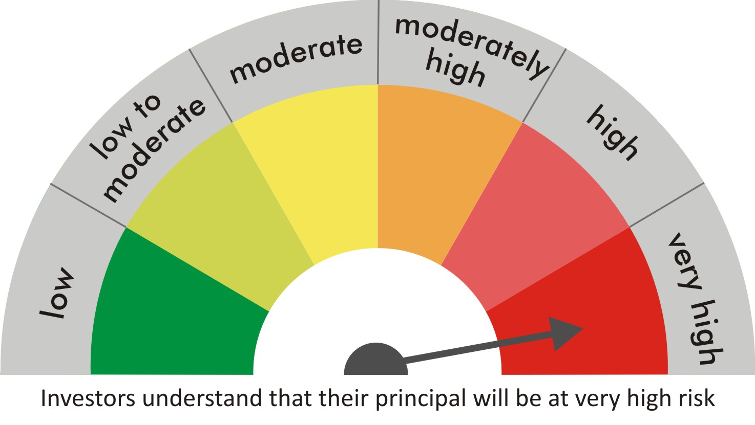
 |  | quant Mutual Fund
 |  | quant ESG Equity Fund

 |  | MONTHLY PORTFOLIO STATEMENT AS ON 30 Aug 2022

 |  |  | Risk-o-meter of the Scheme |  | Risk-o-meter of the Benchmark

SR | ISIN | NAME OF THE INSTRUMENT | ESG RATING | INDUSTRY | QUANTITY | MARKET VALUE(Rs.in Lakhs) | % to NAV
 |  | EQUITY & EQUITY RELATED
 |  | (a) Listed / awaiting listing on Stock Exchanges
1 | INE062A01020 | State Bank of India | 69.91 | Banks | 151600 | 805.38 | 8.09
2 | INE397D01024 | Bharti Airtel Limited | 39.83 | Telecom - Services | 98500 | 715.7 | 7.19
3 | INE765G01017 | ICICI Lombard General Insurance Company Ltd. | 74.29 | Insurance | 49700 | 640.29 | 6.43
4 | INE053A01029 | Indian Hotels Co Ltd | 54.79 | Leisure Services | 222762 | 635.87 | 6.38
5 | INE423A01024 | Adani Enterprises Limited | 53.35 | Metals & Minerals Trading | 19650 | 627.69 | 6.30
6 | INE619A01035 | Patanjali Foods Limited | 53.66 | Agricultural Food & other Products | 46930 | 573.06 | 5.75
7 | INE192A01025 | Tata Consumer Products Ltd | 61.08 | Agricultural Food & other Products | 69750 | 564.73 | 5.67
8 | INE742F01042 | Adani Ports & Special Economic Zone Ltd | 51.85 | Transport Infrastructure | 63600 | 535.61 | 5.38
9 | INE003A01024 | Siemens Ltd | 33.35 | Electrical Equipment | 17100 | 493.1 | 4.95
10 | INE079A01024 | Ambuja Cements Ltd | 41.34 | Cement & Cement Products | 116500 | 479.11 | 4.81
11 | INE047A01021 | Grasim Industries Ltd | 55.44 | Cement & Cement Products | 27750 | 465.83 | 4.68
12 | INE061F01013 | Fortis Healthcare Ltd | 40.24 | Healthcare Services | 150000 | 441.45 | 4.43
13 | INE881D01027 | Oracle Financial Services Software Ltd | 82.22 | IT - Software | 13650 | 432.68 | 4.34
14 | INE018A01030 | Larsen & Toubro Limited | 48.16 | Construction | 20450 | 393.15 | 3.95
15 | INE151A01013 | Tata Communications Limited | 69.52 | Telecom - Services | 28530 | 343 | 3.44
16 | INE548A01028 | HFCL Limited | 37.06 | Telecom - Services | 453368 | 336.85 | 3.38
17 | INE237A01028 | Kotak Mahindra Bank Limited | 70.66 | Banks | 16650 | 318.92 | 3.20
18 | INE140A01024 | Piramal Enterprises Limited | 77.89 | Finance | 25375 | 269.88 | 2.71
19 | INPIRAPHARMA | Piramal Pharma Limited | 0 | N.A. | 101500 | 218.97 | 2.20
20 | INE424H01027 | SUN TV Network Limited | 55.1 | Entertainment | 42000 | 210.84 | 2.12
21 | INE002A01018 | Reliance Industries Limited | 39 | Petroleum Products | 6850 | 180.7 | 1.81
22 | INE795G01014 | HDFC Life Insurance Co Ltd | 83.7 | Insurance | 25000 | 143.8 | 1.44
23 | INE208A01029 | Ashok Leyland Limited | 48.98 | Agricultural, Commercial & Construction Vehicles | 88200 | 135.83 | 1.36
24 | INE585B01010 | Maruti Suzuki India Limited | 64.3 | Automobiles | 300 | 27.25 | 0.27
25 | INE042A01014 | Escorts Kubota Limited | 40.4 | Agricultural, Commercial & Construction Vehicles | 1000 | 19.95 | 0.20
 |  | Sub Total | 54.99 |  |  | 10009.63 | 100.49

 |  | (b) Unlisted
 |  | Sub Total
 |  | Total |  |  |  | 10009.63 | 100.49

 |  | DERIVATIVES
 |  | (a) Index / Stock Futures
 |  | Sub Total

 |  | (b) Index / Stock Options
 |  | Sub Total
 |  | Total

 |  | DEBT INSTRUMENTS
 |  | (a) Listed / awaited listed on Stock Exchanges
 |  | Sub Total

 |  | (b) Unlisted / Privately Placed
 |  | Sub Total

 |  | (c) Securitised Debt Instruments
 |  | Sub Total
 |  | Total

 |  | MONEY MARKET INSTRUMENTS
 |  | a) Commercial Paper
 |  | Sub Total

 |  | b) CD-Certificate of Deposits
 |  | Sub Total

 |  | c) Treasury Bills
 |  | Sub Total
 |  | Total

 |  | OTHERS
 |  | (a) Mutual Fund Unit
 |  | Sub Total

 |  | (b) Tri Party Repo (TREPs)
26 | INCBLO010922 | TREPS 01-Sep-2022 DEPO 10 | N.A. | N.A. | 717.4 | 71.73 | 0.72
 |  | Sub Total |  |  |  | 71.73 | 0.72

 |  | (c) Other Receivables (Payables)
27 |  | NCA-NET CURRENT ASSETS | N.A. | N.A. |  | -120.44 | -1.21
 |  | Sub Total |  |  |  | -120.44 | -1.21
 |  | Total |  |  |  | -48.71 | -0.49
 |  | Grand Total |  |  |  | 9960.92 | 100

 | Underlying | Long / Short | Future Price when Purchased | Current price of the contract | Margin maintained in Rs.Lakhs

 | Total %age of existing assets hedged through futures
 | For the period ended … specify the following for hedging transactions through futures which have been squared off/expired
 | Total Number of contracts where futures were bought
 | Total Number of contracts where futures were sold
 | Gross Notional Value of contracts where futures were bought
 | Gross Notional Value of contracts where futures were sold
 | Net Profit/Loss value on all contracts combined

 | Other than Hedging Positions through Futures as on |  | 30/08/2022
 | Underlying | Long / Short | Future Price when Purchased | Current price of the contract | Margin maintained in Rs.Lakhs

 | Total Exposure due to futures (non hedging positions) as a %age of net assets
 | For the period ended .. Specify the following for non hedging transactions through futures which have been squared off/expired
 | Total number of contracts where futures were bought
 | Total number of contracts where futures were sold (carry forward)
 | Gross Notional value of contracts where future were bought
 | Gross Notional Value of contracts where futures were sold
 | Net Profit/Loss value on all contracts combined

 | Hedging Positions through Put Options as on |  | 30/08/2022
 | Underlying | Number of contracts | Option Price when purchased | Current option price

 | Total %age of existing assets hedged through put options
 | For the period ended 30/08/2022 Specify the following for hedging transactions through options which have been execised/expired
 | Total number of contracts entered into |  | 350
 | Gross Notional value of contracts |  | 3038402.5
 | Net Profit/Loss Value on all contracts (treat premium paid as loss) |  | 249849.25

 | Other than Hedging Positions through Options as on |  | 30/08/2022
 | Underlying | Call/Put | Number of contracts | Option Price when purchased | Current option price

 | Total Exposure through options as a %age of net assets
 | For the period ended … with regard to non-hedging transactions through options which have already been exercised/expired specify:
 | Total number of contracts entered into
 | Gross Notional value of contracts
 | Net Profit/Loss Value on all contracts (treat premium paid as loss)

 | Notes :-

1 | Total NPA provided for is NIL.
2 | NAV as on 30 Aug 2022
 | quant ESG Equity Fund - Growth - Direct Plan 21.9533
 | quant ESG Equity Fund - IDCW - Direct Plan 21.9284
 | quant ESG Equity Fund - Regular Plan - Growth 21.4054
 | quant ESG Equity Fund - Regular Plan - IDCW 21.3368
3 | NAV as on 29 Jul 2022
 | quant ESG Equity Fund - Growth - Direct Plan 20.5825
 | quant ESG Equity Fund - IDCW - Direct Plan 20.5591
 | quant ESG Equity Fund - Regular Plan - Growth 20.1032
 | quant ESG Equity Fund - Regular Plan - IDCW 20.0405
4 | Dividend declared during the period is NIL
5 | Bonus declared during the period is NIL
6 | Total outstanding exposure in derivatives instruments as on 30-Aug-2022 is NIL
7 | Total Investments in foreign securities/ADRs / GDRs as on 30-Aug-2022 is NIL
8 | The Portfolio Turnover Ratio is 0.33 times / The Average Maturity period is 0 Days
9 | The funds parked in short term deposit(s) as on 30-Aug-2022 were NIL
10 | Weighted Average ESG Score : ESG Score of Unrated Securities, TREPS / Reverse Repo Investments and Other Current Assets / (Liabilities) is considered as 0 for calculation of Weighted Average ESG Score.
11 | Link to BRSR:
 | State Bank of India | https://www.bseindia.com/bseplus/AnnualReport/500112/73059500112.pdf
 | Bharti Airtel Limited | https://www.bseindia.com/bseplus/AnnualReport/532454/73851532454.pdf
 | ICICI Lombard General Insurance Company Ltd. | https://www.icicilombard.com/docs/default-source/esg/icici-lombard-business-responsibility-and-sustainability-reporting-fy2022.pdf
 | Indian Hotels Co Ltd | https://www.ihcltata.com/content/dam/tajhotels/ihcl/sustainabilities/IHCL-Sustainability-Report-20-2
 | Adani Enterprises Limited | https://www.bseindia.com/bseplus/AnnualReport/532921/73447532921.pdf
 | Patanjali Foods Limited | http://www.ruchisoya.com/investors_policies.php
 | Tata Consumer Products Ltd | https://www.bseindia.com/bseplus/AnnualReport/500800/73101500800.pdf
 | Adani Ports & Special Economic Zone Ltd | https://www.bseindia.com/bseplus/AnnualReport/532921/73447532921.pdf
 | Siemens Ltd | Not Available
 | Ambuja Cements Ltd | https://www.bseindia.com/bseplus/AnnualReport/500425/72960500425.pdf
 | Grasim Industries Ltd | https://www.grasim.com/Upload/PDF/grasim-sustainability-report-2019-20.pdf
 | Fortis Healthcare Ltd | https://www.bseindia.com/bseplus/AnnualReport/532843/73572532843.pdf
 | Oracle Financial Services Software Ltd | Not Available
 | Larsen & Toubro Limited | https://www.bseindia.com/bseplus/AnnualReport/500510/73655500510.pdf
 | Tata Communications Limited | https://www.bseindia.com/bseplus/AnnualReport/500483/73164500483.pdf
 | HFCL Limited | https://www.hfcl.com/archive/#corporate-covernance-arc
 | Kotak Mahindra Bank Limited | https://www.bseindia.com/bseplus/AnnualReport/500247/73932500247.pdf
 | Piramal Enterprises Limited | https://www.bseindia.com/bseplus/AnnualReport/500302/73518500302.pdf
 | Piramal Pharma Limited | Not Available
 | SUN TV Network Limited | https://www.bseindia.com/bseplus/AnnualReport/532733/69945532733.pdf
 | Reliance Industries Limited | https://www.bseindia.com/bseplus/AnnualReport/500325/74185500325.pdf
 | HDFC Life Insurance Co Ltd | https://www.bseindia.com/bseplus/AnnualReport/540777/73107540777.pdf
 | Ashok Leyland Limited | https://www.bseindia.com/bseplus/AnnualReport/500477/73509500477.pdf
 | Maruti Suzuki India Limited | https://www.bseindia.com/bseplus/AnnualReport/532500/74208532500.pdf
 | Escorts Kubota Limited | https://www.bseindia.com/bseplus/AnnualReport/500495/73261500495.pdf

