qFLEXI
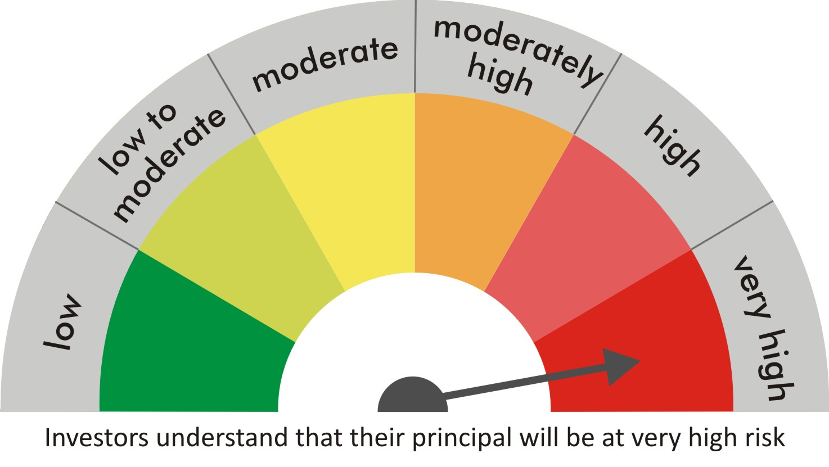
 |  | quant Mutual Fund
 |  | quant Flexi Cap Fund

 |  | MONTHLY PORTFOLIO STATEMENT AS ON 30 Aug 2022

 |  |  | Risk-o-meter of the Scheme |  | Risk-o-meter of the Benchmark

SR | ISIN | NAME OF THE INSTRUMENT | RATING | INDUSTRY | QUANTITY | MARKET VALUE(Rs.in Lakhs) | % to NAV
 |  | EQUITY & EQUITY RELATED
 |  | (a) Listed / awaiting listing on Stock Exchanges
1 | INE079A01024 | Ambuja Cements Ltd | N.A. | Cement & Cement Products | 1094400 | 4500.72 | 8.37
2 | INE742F01042 | Adani Ports & Special Economic Zone Ltd | N.A. | Transport Infrastructure | 522590 | 4400.99 | 8.18
3 | INE154A01025 | ITC Limited | N.A. | Diversified FMCG | 1347990 | 4320.31 | 8.03
4 | INE062A01020 | State Bank of India | N.A. | Banks | 756050 | 4016.52 | 7.47
5 | INE733E01010 | NTPC Limited | N.A. | Power | 2251500 | 3692.46 | 6.86
6 | INE018A01030 | Larsen & Toubro Limited | N.A. | Construction | 144850 | 2784.74 | 5.18
7 | INE053A01029 | Indian Hotels Co Ltd | N.A. | Leisure Services | 957014 | 2731.8 | 5.08
8 | INE397D01024 | Bharti Airtel Limited | N.A. | Telecom - Services | 315550 | 2292.79 | 4.26
9 | INE003A01024 | Siemens Ltd | N.A. | Electrical Equipment | 78300 | 2257.86 | 4.20
10 | INE047A01021 | Grasim Industries Ltd | N.A. | Cement & Cement Products | 113050 | 1897.71 | 3.53
11 | INE619A01035 | Patanjali Foods Limited | N.A. | Agricultural Food & other Products | 150074 | 1832.55 | 3.41
12 | INE237A01028 | Kotak Mahindra Bank Limited | N.A. | Banks | 89900 | 1721.99 | 3.20
13 | INE821I01014 | IRB Infrastructure Developers Limited | N.A. | Construction | 681500 | 1612.77 | 3.00
14 | INE192A01025 | Tata Consumer Products Ltd | N.A. | Agricultural Food & other Products | 189500 | 1534.29 | 2.85
15 | INE208A01029 | Ashok Leyland Limited | N.A. | Agricultural, Commercial & Construction Vehicles | 911000 | 1402.94 | 2.61
16 | INE765G01017 | ICICI Lombard General Insurance Company Ltd. | N.A. | Insurance | 95350 | 1228.39 | 2.28
17 | INE795G01014 | HDFC Life Insurance Co Ltd | N.A. | Insurance | 200000 | 1150.4 | 2.14
18 | INE151A01013 | Tata Communications Limited | N.A. | Telecom - Services | 90000 | 1082.03 | 2.01
19 | INE881D01027 | Oracle Financial Services Software Ltd | N.A. | IT - Software | 33068 | 1048.21 | 1.95
20 | INE140A01024 | Piramal Enterprises Limited | N.A. | Finance | 78300 | 832.76 | 1.55
21 | INE886H01027 | TV18 Broadcast Ltd | N.A. | Entertainment | 1895000 | 775.06 | 1.44
22 | INE423A01024 | Adani Enterprises Limited | N.A. | Metals & Minerals Trading | 21430 | 684.55 | 1.27
23 | INPIRAPHARMA | Piramal Pharma Limited | N.A. | N.A. | 313200 | 675.69 | 1.26
24 | INE548A01028 | HFCL Limited | N.A. | Telecom - Services | 851000 | 632.29 | 1.18
25 | INE208C01025 | Aegis Logistics Limited | N.A. | Gas | 206000 | 605.85 | 1.13
26 | INE256A01028 | Zee Entertainment Ent Ltd | N.A. | Entertainment | 225000 | 578.36 | 1.08
27 | INE233A01035 | Godrej Industries Limited | N.A. | Food Products | 120000 | 575.46 | 1.07
28 | INE298A01020 | Cummins India Ltd. | N.A. | Industrial Products | 47000 | 560.52 | 1.04
29 | INE493A01027 | Tata Coffee Ltd. | N.A. | Agricultural Food & other Products | 236000 | 553.77 | 1.03
30 | INE424H01027 | SUN TV Network Limited | N.A. | Entertainment | 89000 | 446.78 | 0.83
31 | INE002A01018 | Reliance Industries Limited | N.A. | Petroleum Products | 13500 | 356.12 | 0.66
32 | INE485A01015 | Century Enka Limited | N.A. | Textiles & Apparels | 55500 | 256.38 | 0.48
33 | INE111A01025 | Container Corporation of India Ltd | N.A. | Transport Services | 28650 | 199.56 | 0.37
34 | INE585B01010 | Maruti Suzuki India Limited | N.A. | Automobiles | 1900 | 172.56 | 0.32
35 | INE042A01014 | Escorts Kubota Limited | N.A. | Agricultural, Commercial & Construction Vehicles | 5500 | 109.71 | 0.20
 |  | Sub Total |  |  |  | 53524.89 | 99.49

 |  | (b) Unlisted
 |  | Sub Total
 |  | Total |  |  |  | 53524.89 | 99.49

 |  | DERIVATIVES
 |  | (a) Index / Stock Futures
 |  | Sub Total

 |  | (b) Index / Stock Options
 |  | Sub Total
 |  | Total

 |  | DEBT INSTRUMENTS
 |  | (a) Listed / awaited listed on Stock Exchanges
 |  | Sub Total

 |  | (b) Unlisted / Privately Placed
 |  | Sub Total

 |  | (c) Securitised Debt Instruments
 |  | Sub Total
 |  | Total

 |  | MONEY MARKET INSTRUMENTS
 |  | a) Commercial Paper
 |  | Sub Total

 |  | b) CD-Certificate of Deposits
 |  | Sub Total

 |  | c) Treasury Bills
 |  | Sub Total
 |  | Total

 |  | OTHERS
 |  | (a) Mutual Fund Unit
 |  | Sub Total

 |  | (b) Tri Party Repo (TREPs)
36 | INCBLO010922 | TREPS 01-Sep-2022 DEPO 10 | N.A. | N.A. | 3011.9 | 301.15 | 0.56
 |  | Sub Total |  |  |  | 301.15 | 0.56

 |  | (c) Other Receivables (Payables)
37 |  | NCA-NET CURRENT ASSETS | N.A. | N.A. |  | -29.07 | -0.05
 |  | Sub Total |  |  |  | -29.07 | -0.05
 |  | Total |  |  |  | 272.07 | 0.51
 |  | Grand Total |  |  |  | 53796.96 | 100

 | Underlying | Long / Short | Future Price when Purchased | Current price of the contract | Margin maintained in Rs.Lakhs

 | Total %age of existing assets hedged through futures
 | For the period ended … specify the following for hedging transactions through futures which have been squared off/expired
 | Total Number of contracts where futures were bought
 | Total Number of contracts where futures were sold
 | Gross Notional Value of contracts where futures were bought
 | Gross Notional Value of contracts where futures were sold
 | Net Profit/Loss value on all contracts combined

 | Other than Hedging Positions through Futures as on |  | 30/08/2022
 | Underlying | Long / Short | Future Price when Purchased | Current price of the contract | Margin maintained in Rs.Lakhs

 | Total Exposure due to futures (non hedging positions) as a %age of net assets
 | For the period ended .. Specify the following for non hedging transactions through futures which have been squared off/expired
 | Total number of contracts where futures were bought
 | Total number of contracts where futures were sold (carry forward)
 | Gross Notional value of contracts where future were bought
 | Gross Notional Value of contracts where futures were sold
 | Net Profit/Loss value on all contracts combined

 | Hedging Positions through Put Options as on |  | 30/08/2022
 | Underlying | Number of contracts | Option Price when purchased | Current option price

 | Total %age of existing assets hedged through put options
 | For the period ended 30/08/22, Specify the following for hedging transactions through options which have been execised/expired
 | Total number of contracts entered into |  | 1750
 | Gross Notional value of contracts |  | 15087623.75
 | Net Profit/Loss Value on all contracts (treat premium paid as loss) |  | -127372.5

 | Other than Hedging Positions through Options as on |  | 30/08/2022
 | Underlying | Call/Put | Number of contracts | Option Price when purchased | Current option price

 | Total Exposure through options as a %age of net assets
 | For the period ended … with regard to non-hedging transactions through options which have already been exercised/expired specify:
 | Total number of contracts entered into
 | Gross Notional value of contracts
 | Net Profit/Loss Value on all contracts (treat premium paid as loss)

 | Notes :-

1 | Total NPA provided for is NIL.
2 | NAV as on 30 Aug 2022
 | quant Flexicap Fund - Growth - Direct Plan 64.0244
 | quant Flexicap Fund - Growth 59.8054
 | quant Flexicap Fund - IDCW - Direct Plan 43.5448
 | quant Flexicap Fund - IDCW 42.7356
3 | NAV as on 29 Jul 2022
 | quant Flexicap Fund - Growth - Direct Plan 60.3201
 | quant Flexicap Fund - Growth 56.4317
 | quant Flexicap Fund - IDCW - Direct Plan 41.0255
 | quant Flexicap Fund - IDCW 40.3242
4 | Dividend declared during the period is NIL
5 | Bonus declared during the period is NIL
6 | Total outstanding exposure in derivatives instruments as on 30-Aug-2022 is NIL
7 | Total Investments in foreign securities/ADRs / GDRs as on 30-Aug-2022 is NIL
8 | The Portfolio Turnover Ratio is 0.3 times / The Average Maturity period is 0 Days
9 | The funds parked in short term deposit(s) as on 30-Aug-2022 were NIL

