qFF
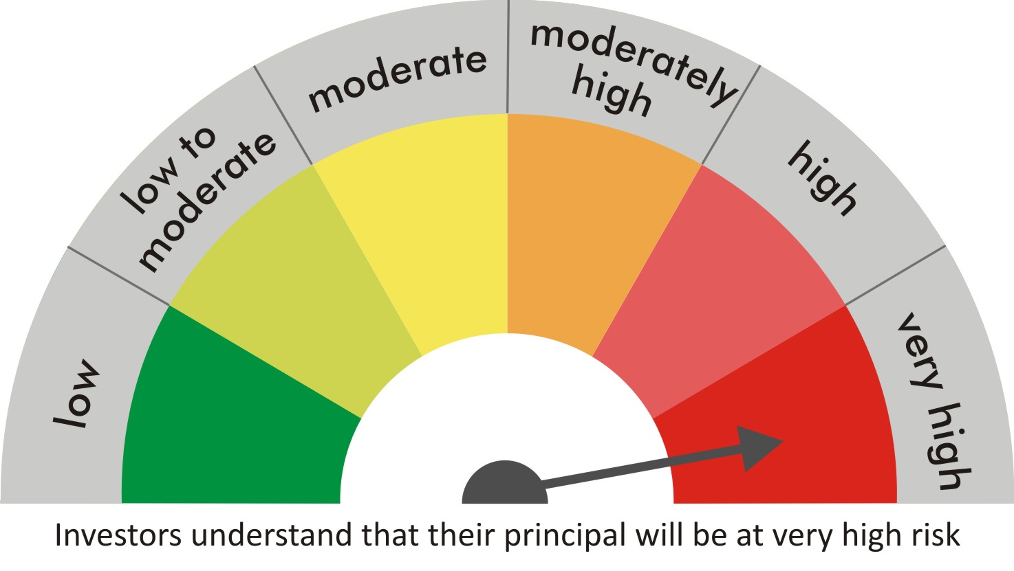
 |  | quant Mutual Fund
 |  | quant Focused Fund

 |  | MONTHLY PORTFOLIO STATEMENT AS ON 30 Aug 2022

 |  |  | Risk-o-meter of the Scheme |  | Risk-o-meter of the Benchmark

SR | ISIN | NAME OF THE INSTRUMENT | RATING | INDUSTRY | QUANTITY | MARKET VALUE(Rs.in Lakhs) | % to NAV
 |  | EQUITY & EQUITY RELATED
 |  | (a) Listed / awaiting listing on Stock Exchanges
1 | INE742F01042 | Adani Ports & Special Economic Zone Ltd | N.A. | Transport Infrastructure | 128300 | 1080.48 | 8.50
2 | INE423A01024 | Adani Enterprises Limited | N.A. | Metals & Minerals Trading | 33300 | 1063.72 | 8.37
3 | INE733E01010 | NTPC Limited | N.A. | Power | 645800 | 1059.11 | 8.34
4 | INE018A01030 | Larsen & Toubro Limited | N.A. | Construction | 54890 | 1055.26 | 8.31
5 | INE154A01025 | ITC Limited | N.A. | Diversified FMCG | 314400 | 1007.65 | 7.93
6 | INE062A01020 | State Bank of India | N.A. | Banks | 179600 | 954.13 | 7.51
7 | INE079A01024 | Ambuja Cements Ltd | N.A. | Cement & Cement Products | 203000 | 834.84 | 6.57
8 | INE765G01017 | ICICI Lombard General Insurance Company Ltd. | N.A. | Insurance | 58525 | 753.98 | 5.93
9 | INE003A01024 | Siemens Ltd | N.A. | Electrical Equipment | 19500 | 562.3 | 4.43
10 | INE821I01014 | IRB Infrastructure Developers Limited | N.A. | Construction | 223950 | 529.98 | 4.17
11 | INE140A01024 | Piramal Enterprises Limited | N.A. | Finance | 45550 | 484.45 | 3.81
12 | INE047A01021 | Grasim Industries Ltd | N.A. | Cement & Cement Products | 28850 | 484.29 | 3.81
13 | INE192A01025 | Tata Consumer Products Ltd | N.A. | Agricultural Food & other Products | 53750 | 435.19 | 3.43
14 | INPIRAPHARMA | Piramal Pharma Limited | N.A. | N.A. | 182200 | 393.07 | 3.09
15 | INE237A01028 | Kotak Mahindra Bank Limited | N.A. | Banks | 18350 | 351.49 | 2.77
16 | INE397D01024 | Bharti Airtel Limited | N.A. | Telecom - Services | 46050 | 334.6 | 2.63
17 | INE323A01026 | Bosch Limited | N.A. | Auto Components | 1750 | 306.95 | 2.42
18 | INE976G01028 | RBL Bank Limited | N.A. | Banks | 195000 | 238.49 | 1.88
19 | INE002A01018 | Reliance Industries Limited | N.A. | Petroleum Products | 6500 | 171.47 | 1.35
20 | INE795G01014 | HDFC Life Insurance Co Ltd | N.A. | Insurance | 25000 | 143.8 | 1.13
21 | INE548A01028 | HFCL Limited | N.A. | Telecom - Services | 100000 | 74.3 | 0.58
22 | INE585B01010 | Maruti Suzuki India Limited | N.A. | Automobiles | 800 | 72.66 | 0.57
 |  | Sub Total |  |  |  | 12392.18 | 97.53

 |  | (b) Unlisted
 |  | Sub Total
 |  | Total |  |  |  | 12392.18 | 97.53

 |  | DERIVATIVES
 |  | (a) Index / Stock Futures
 |  | Sub Total

 |  | (b) Index / Stock Options
 |  | Sub Total
 |  | Total

 |  | DEBT INSTRUMENTS
 |  | (a) Listed / awaited listed on Stock Exchanges
 |  | Sub Total

 |  | (b) Unlisted / Privately Placed
 |  | Sub Total

 |  | (c) Securitised Debt Instruments
 |  | Sub Total
 |  | Total

 |  | MONEY MARKET INSTRUMENTS
 |  | a) Commercial Paper
 |  | Sub Total

 |  | b) CD-Certificate of Deposits
 |  | Sub Total

 |  | c) Treasury Bills
 |  | Sub Total
 |  | Total

 |  | OTHERS
 |  | (a) Mutual Fund Unit
 |  | Sub Total

 |  | (b) Tri Party Repo (TREPs)
23 | INCBLO010922 | TREPS 01-Sep-2022 DEPO 10 | N.A. | N.A. | 839.1 | 83.9 | 0.66
 |  | Sub Total |  |  |  | 83.9 | 0.66

 |  | (c) Other Receivables (Payables)
24 |  | NCA-NET CURRENT ASSETS | N.A. | N.A. |  | 229.96 | 1.81
 |  | Sub Total |  |  |  | 229.96 | 1.81
 |  | Total |  |  |  | 313.85 | 2.47
 |  | Grand Total |  |  |  | 12706.04 | 100

 | Underlying | Long / Short | Future Price when Purchased | Current price of the contract | Margin maintained in Rs.Lakhs

 | Total %age of existing assets hedged through futures
 | For the period ended … specify the following for hedging transactions through futures which have been squared off/expired
 | Total Number of contracts where futures were bought
 | Total Number of contracts where futures were sold
 | Gross Notional Value of contracts where futures were bought
 | Gross Notional Value of contracts where futures were sold
 | Net Profit/Loss value on all contracts combined

 | Other than Hedging Positions through Futures as on |  | 30/08/2022
 | Underlying | Long / Short | Future Price when Purchased | Current price of the contract | Margin maintained in Rs.Lakhs

 | Total Exposure due to futures (non hedging positions) as a %age of net assets
 | For the period ended .. Specify the following for non hedging transactions through futures which have been squared off/expired
 | Total number of contracts where futures were bought
 | Total number of contracts where futures were sold (carry forward)
 | Gross Notional value of contracts where future were bought
 | Gross Notional Value of contracts where futures were sold
 | Net Profit/Loss value on all contracts combined

 | Hedging Positions through Put Options as on |  | 30/08/2022
 | Underlying | Number of contracts | Option Price when purchased | Current option price

 | Total %age of existing assets hedged through put options
 | For the period ended 30/08/22, Specify the following for hedging transactions through options which have been execised/expired
 | Total number of contracts entered into |  | 450
 | Gross Notional value of contracts |  | 3938184
 | Net Profit/Loss Value on all contracts (treat premium paid as loss) |  | 148824

 | Other than Hedging Positions through Options as on |  | 30/08/2022
 | Underlying | Call/Put | Number of contracts | Option Price when purchased | Current option price

 | Total Exposure through options as a %age of net assets
 | For the period ended … with regard to non-hedging transactions through options which have already been exercised/expired specify:
 | Total number of contracts entered into
 | Gross Notional value of contracts
 | Net Profit/Loss Value on all contracts (treat premium paid as loss)

 | Notes :-

1 | Total NPA provided for is NIL.
2 | NAV as on 30 Aug 2022
 | quant Focused Fund - Growth - Direct Plan 60.5485
 | quant Focused Fund - Growth 57.1627
 | quant Focused Fund - IDCW - Direct Plan 35.3898
 | quant Focused Fund - IDCW 42.4356
3 | NAV as on 29 Jul 2022
 | quant Focused Fund - Growth - Direct Plan 56.4181
 | quant Focused Fund - Growth 53.359
 | quant Focused Fund - IDCW - Direct Plan 32.9749
 | quant Focused Fund - IDCW 39.6137
4 | Dividend declared during the period is NIL
5 | Bonus declared during the period is NIL
6 | Total outstanding exposure in derivatives instruments as on 30-Aug-2022 is NIL
7 | Total Investments in foreign securities/ADRs / GDRs as on 30-Aug-2022 is NIL
8 | The Portfolio Turnover Ratio is 0.39 times / The Average Maturity period is 0 Days
9 | The funds parked in short term deposit(s) as on 30-Aug-2022 were NIL

