qIF
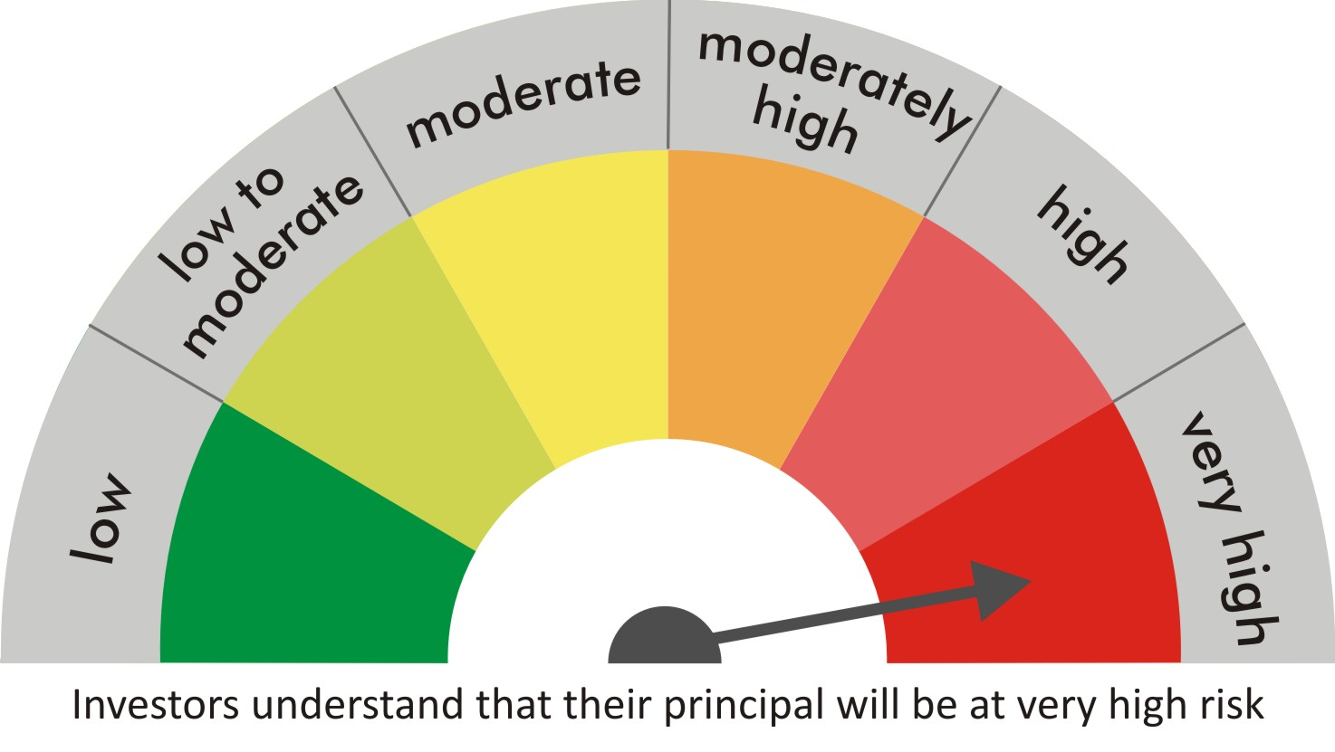
 |  | quant Mutual Fund
 |  | quant Infrastructure Fund

 |  | MONTHLY PORTFOLIO STATEMENT AS ON 30 Aug 2022

 |  |  | Risk-o-meter of the Scheme |  | Risk-o-meter of the Benchmark

SR | ISIN | NAME OF THE INSTRUMENT | RATING | INDUSTRY | QUANTITY | MARKET VALUE(Rs.in Lakhs) | % to NAV
 |  | EQUITY & EQUITY RELATED
 |  | (a) Listed / awaiting listing on Stock Exchanges
1 | INE018A01030 | Larsen & Toubro Limited | N.A. | Construction | 289340 | 5562.56 | 8.34
2 | INE079A01024 | Ambuja Cements Ltd | N.A. | Cement & Cement Products | 1319496 | 5426.43 | 8.14
3 | INE062A01020 | State Bank of India | N.A. | Banks | 860000 | 4568.75 | 6.85
4 | INE423A01024 | Adani Enterprises Limited | N.A. | Metals & Minerals Trading | 140104 | 4475.41 | 6.71
5 | INE742F01042 | Adani Ports & Special Economic Zone Ltd | N.A. | Transport Infrastructure | 521800 | 4394.34 | 6.59
6 | INE733E01010 | NTPC Limited | N.A. | Power | 2308000 | 3785.12 | 5.68
7 | INE003A01024 | Siemens Ltd | N.A. | Electrical Equipment | 116600 | 3362.28 | 5.04
8 | INE821I01014 | IRB Infrastructure Developers Limited | N.A. | Construction | 1399200 | 3311.21 | 4.97
9 | INE151A01013 | Tata Communications Limited | N.A. | Telecom - Services | 258700 | 3110.22 | 4.67
10 | INE205A01025 | Vedanta Limited | N.A. | Diversified Metals | 965000 | 2607.91 | 3.91
11 | INE111A01025 | Container Corporation of India Ltd | N.A. | Transport Services | 354400 | 2468.57 | 3.70
12 | INE191B01025 | Welspun Corp Limited | N.A. | Industrial Products | 1019000 | 2306.51 | 3.46
13 | INE473A01011 | Linde India Ltd. | N.A. | Chemicals & Petrochemicals | 64525 | 2212.63 | 3.32
14 | INE208A01029 | Ashok Leyland Limited | N.A. | Agricultural, Commercial & Construction Vehicles | 1396300 | 2150.3 | 3.23
15 | INE208C01025 | Aegis Logistics Limited | N.A. | Gas | 722000 | 2123.4 | 3.19
16 | INE366I01010 | VRL Logistics Limited | N.A. | Transport Services | 305600 | 1899.76 | 2.85
17 | INE548A01028 | HFCL Limited | N.A. | Telecom - Services | 2378912 | 1767.53 | 2.65
18 | INE140A01024 | Piramal Enterprises Limited | N.A. | Finance | 158250 | 1683.07 | 2.52
19 | INPIRAPHARMA | Piramal Pharma Limited | N.A. | N.A. | 633000 | 1365.62 | 2.05
20 | INE531E01026 | Hindustan Copper Limited | N.A. | Non - Ferrous Metals | 1128150 | 1339.68 | 2.01
21 | INE139A01034 | National Aluminium Company Limited | N.A. | Non - Ferrous Metals | 1435000 | 1155.18 | 1.73
22 | INE042A01014 | Escorts Kubota Limited | N.A. | Agricultural, Commercial & Construction Vehicles | 45000 | 897.64 | 1.35
23 | INE298A01020 | Cummins India Ltd. | N.A. | Industrial Products | 68500 | 816.93 | 1.23
24 | INE949H01023 | Man Infraconstruction Limited | N.A. | Construction | 885000 | 807.56 | 1.21
25 | INE047A01021 | Grasim Industries Ltd | N.A. | Cement & Cement Products | 41500 | 696.64 | 1.04
26 | INE397D01024 | Bharti Airtel Limited | N.A. | Telecom - Services | 91000 | 661.21 | 0.99
27 | INE955D01029 | Genus Power Infrastructures Limited | N.A. | Electrical Equipment | 768916 | 653.19 | 0.98
28 | INE765G01017 | ICICI Lombard General Insurance Company Ltd. | N.A. | Insurance | 48000 | 618.38 | 0.93
29 | INE237A01028 | Kotak Mahindra Bank Limited | N.A. | Banks | 22000 | 421.4 | 0.63
30 | INE002A01018 | Reliance Industries Limited | N.A. | Petroleum Products | 13400 | 353.49 | 0.53
31 | INE536A01023 | Grindwell Norton Limited | N.A. | Industrial Products | 1000 | 22 | 0.03
 |  | Sub Total |  |  |  | 67024.91 | 100.54

 |  | (b) Unlisted
 |  | Sub Total
 |  | Total |  |  |  | 67024.91 | 100.54

 |  | DERIVATIVES
 |  | (a) Index / Stock Futures
 |  | Sub Total

 |  | (b) Index / Stock Options
 |  | Sub Total
 |  | Total

 |  | DEBT INSTRUMENTS
 |  | (a) Listed / awaited listed on Stock Exchanges
 |  | Sub Total

 |  | (b) Unlisted / Privately Placed
 |  | Sub Total

 |  | (c) Securitised Debt Instruments
 |  | Sub Total
 |  | Total

 |  | MONEY MARKET INSTRUMENTS
 |  | a) Commercial Paper
 |  | Sub Total

 |  | b) CD-Certificate of Deposits
 |  | Sub Total

 |  | c) Treasury Bills
 |  | Sub Total
 |  | Total

 |  | OTHERS
 |  | (a) Mutual Fund Unit
 |  | Sub Total

 |  | (b) Tri Party Repo (TREPs)
32 | INCBLO010922 | TREPS 01-Sep-2022 DEPO 10 | N.A. | N.A. | 8461.7 | 846.05 | 1.27
 |  | Sub Total |  |  |  | 846.05 | 1.27

 |  | (c) Other Receivables (Payables)
33 |  | NCA-NET CURRENT ASSETS | N.A. | N.A. |  | -1205.73 | -1.81
 |  | Sub Total |  |  |  | -1205.73 | -1.81
 |  | Total |  |  |  | -359.68 | -0.54
 |  | Grand Total |  |  |  | 66665.23 | 100

 | Underlying | Long / Short | Future Price when Purchased | Current price of the contract | Margin maintained in Rs.Lakhs

 | Total %age of existing assets hedged through futures
 | For the period ended … specify the following for hedging transactions through futures which have been squared off/expired
 | Total Number of contracts where futures were bought
 | Total Number of contracts where futures were sold
 | Gross Notional Value of contracts where futures were bought
 | Gross Notional Value of contracts where futures were sold
 | Net Profit/Loss value on all contracts combined

 | Other than Hedging Positions through Futures as on |  | 30/08/2022
 | Underlying | Long / Short | Future Price when Purchased | Current price of the contract | Margin maintained in Rs.Lakhs

 | Total Exposure due to futures (non hedging positions) as a %age of net assets
 | For the period ended .. Specify the following for non hedging transactions through futures which have been squared off/expired
 | Total number of contracts where futures were bought
 | Total number of contracts where futures were sold (carry forward)
 | Gross Notional value of contracts where future were bought
 | Gross Notional Value of contracts where futures were sold
 | Net Profit/Loss value on all contracts combined

 | Hedging Positions through Put Options as on |  | 30/08/2022
 | Underlying | Number of contracts | Option Price when purchased | Current option price

 | Total %age of existing assets hedged through put options
 | For the period ended 30/08/22, Specify the following for hedging transactions through options which have been execised/expired
 | Total number of contracts entered into |  | 2000
 | Gross Notional value of contracts |  | 17198960
 | Net Profit/Loss Value on all contracts (treat premium paid as loss) |  | 1581600

 | Other than Hedging Positions through Options as on |  | 30/08/2022
 | Underlying | Call/Put | Number of contracts | Option Price when purchased | Current option price

 | Total Exposure through options as a %age of net assets
 | For the period ended … with regard to non-hedging transactions through options which have already been exercised/expired specify:
 | Total number of contracts entered into
 | Gross Notional value of contracts
 | Net Profit/Loss Value on all contracts (treat premium paid as loss)

 | Notes :-

1 | Total NPA provided for is NIL.
2 | NAV as on 30 Aug 2022
 | quant Infrastructure Fund - Growth - Direct Plan 23.9955
 | quant Infrastructure Fund - Growth 22.7572
 | quant Infrastructure Fund - IDCW - Direct Plan 23.9797
 | quant Infrastructure Fund - IDCW 22.7044
3 | NAV as on 29 Jul 2022
 | quant Infrastructure Fund - Growth - Direct Plan 22.3952
 | quant Infrastructure Fund - Growth 21.2711
 | quant Infrastructure Fund - IDCW - Direct Plan 22.3802
 | quant Infrastructure Fund - IDCW 21.2223
4 | Dividend declared during the period is NIL
5 | Bonus declared during the period is NIL
6 | Total outstanding exposure in derivatives instruments as on 30-Aug-2022 is NIL
7 | Total Investments in foreign securities/ADRs / GDRs as on 30-Aug-2022 is NIL
8 | The Portfolio Turnover Ratio is 0.15 times / The Average Maturity period is 0 Days
9 | The funds parked in short term deposit(s) as on 30-Aug-2022 were NIL

