qL&MF
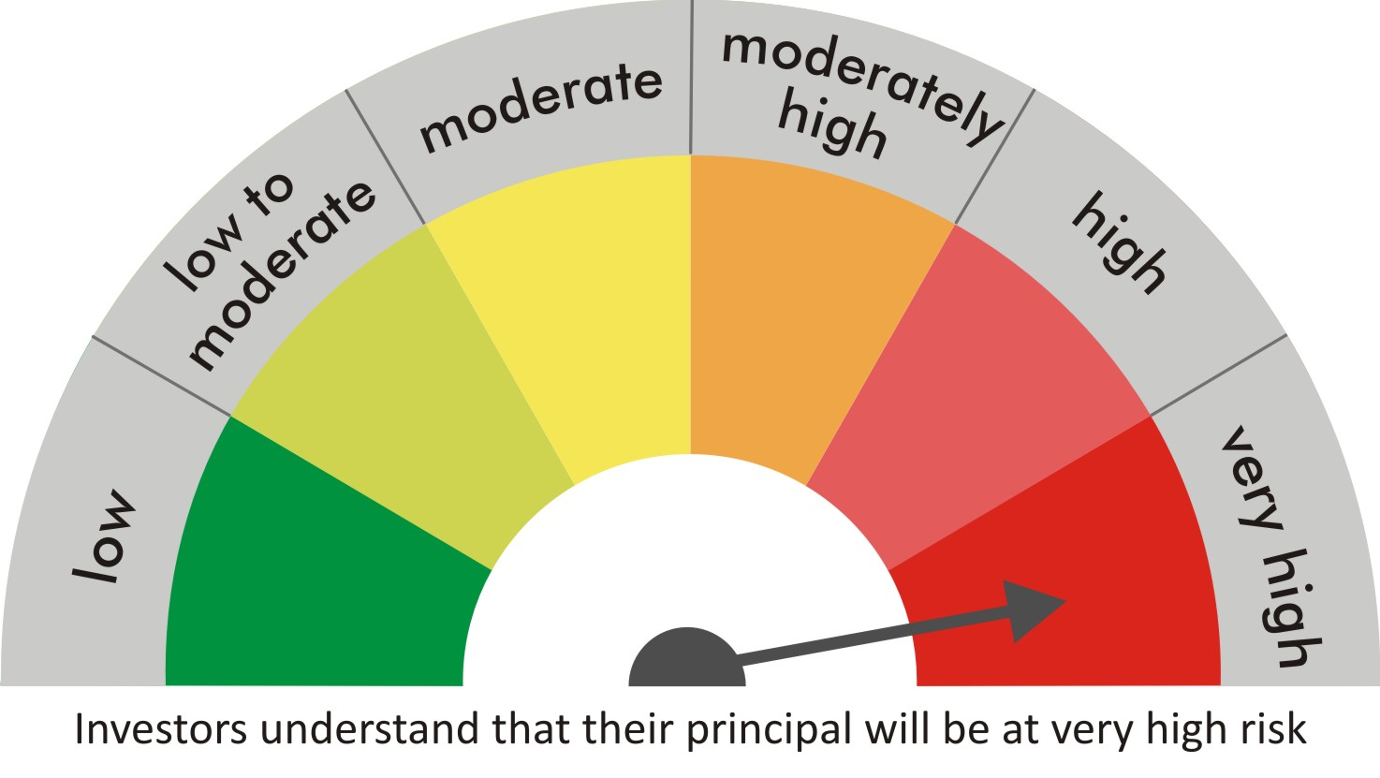
 |  | quant Mutual Fund
 |  | quant Large & Mid Cap Fund

 |  | MONTHLY PORTFOLIO STATEMENT AS ON 30 Aug 2022

 |  |  | Risk-o-meter of the Scheme |  | Risk-o-meter of the Benchmark

SR | ISIN | NAME OF THE INSTRUMENT | RATING | INDUSTRY | QUANTITY | MARKET VALUE(Rs.in Lakhs) | % to NAV
 |  | EQUITY & EQUITY RELATED
 |  | (a) Listed / awaiting listing on Stock Exchanges
1 | INE079A01024 | Ambuja Cements Ltd | N.A. | Cement & Cement Products | 392555 | 1614.38 | 6.56
2 | INE154A01025 | ITC Limited | N.A. | Diversified FMCG | 427904 | 1371.43 | 5.57
3 | INE062A01020 | State Bank of India | N.A. | Banks | 233750 | 1241.8 | 5.04
4 | INE765G01017 | ICICI Lombard General Insurance Company Ltd. | N.A. | Insurance | 96125 | 1238.38 | 5.03
5 | INE018A01030 | Larsen & Toubro Limited | N.A. | Construction | 63930 | 1229.05 | 4.99
6 | INE881D01027 | Oracle Financial Services Software Ltd | N.A. | IT - Software | 38650 | 1225.15 | 4.98
7 | INE151A01013 | Tata Communications Limited | N.A. | Telecom - Services | 96300 | 1157.77 | 4.70
8 | INE111A01025 | Container Corporation of India Ltd | N.A. | Transport Services | 159200 | 1108.91 | 4.50
9 | INE619A01035 | Patanjali Foods Limited | N.A. | Agricultural Food & other Products | 89647 | 1094.68 | 4.45
10 | INE208A01029 | Ashok Leyland Limited | N.A. | Agricultural, Commercial & Construction Vehicles | 695000 | 1070.3 | 4.35
11 | INE742F01042 | Adani Ports & Special Economic Zone Ltd | N.A. | Transport Infrastructure | 109260 | 920.13 | 3.74
12 | INE298A01020 | Cummins India Ltd. | N.A. | Industrial Products | 72500 | 864.64 | 3.51
13 | INE053A01029 | Indian Hotels Co Ltd | N.A. | Leisure Services | 295521 | 843.56 | 3.43
14 | INE423A01024 | Adani Enterprises Limited | N.A. | Metals & Minerals Trading | 23940 | 764.73 | 3.11
15 | INE061F01013 | Fortis Healthcare Ltd | N.A. | Healthcare Services | 232000 | 682.78 | 2.77
16 | INE733E01010 | NTPC Limited | N.A. | Power | 396500 | 650.26 | 2.64
17 | INE237A01028 | Kotak Mahindra Bank Limited | N.A. | Banks | 29100 | 557.4 | 2.26
18 | INE397D01024 | Bharti Airtel Limited | N.A. | Telecom - Services | 74900 | 544.22 | 2.21
19 | INE002A01018 | Reliance Industries Limited | N.A. | Petroleum Products | 19650 | 518.36 | 2.11
20 | INE047A01021 | Grasim Industries Ltd | N.A. | Cement & Cement Products | 25750 | 432.25 | 1.76
21 | INE585B01010 | Maruti Suzuki India Limited | N.A. | Automobiles | 4250 | 386 | 1.57
22 | INE042A01014 | Escorts Kubota Limited | N.A. | Agricultural, Commercial & Construction Vehicles | 18000 | 359.06 | 1.46
23 | INE003A01024 | Siemens Ltd | N.A. | Electrical Equipment | 12350 | 356.12 | 1.45
24 | INE140A01024 | Piramal Enterprises Limited | N.A. | Finance | 33025 | 351.24 | 1.43
25 | INE007A01025 | CRISIL Limited | N.A. | Finance | 10356 | 340.03 | 1.38
26 | INPIRAPHARMA | Piramal Pharma Limited | N.A. | N.A. | 132100 | 284.99 | 1.16
27 | INE205A01025 | Vedanta Limited | N.A. | Diversified Metals | 98500 | 266.2 | 1.08
28 | INE256A01028 | Zee Entertainment Ent Ltd | N.A. | Entertainment | 100000 | 257.05 | 1.04
29 | INE424H01027 | SUN TV Network Limited | N.A. | Entertainment | 50100 | 251.5 | 1.02
30 | INE795G01014 | HDFC Life Insurance Co Ltd | N.A. | Insurance | 42000 | 241.58 | 0.98
31 | INE192A01025 | Tata Consumer Products Ltd | N.A. | Agricultural Food & other Products | 26200 | 212.13 | 0.86
32 | INE548A01028 | HFCL Limited | N.A. | Telecom - Services | 275000 | 204.33 | 0.83
33 | INE139A01034 | National Aluminium Company Limited | N.A. | Non - Ferrous Metals | 226500 | 182.33 | 0.74
34 | INE536A01023 | Grindwell Norton Limited | N.A. | Industrial Products | 7300 | 160.61 | 0.65
 |  | Sub Total |  |  |  | 22983.33 | 93.36

 |  | (b) Unlisted
 |  | Sub Total
 |  | Total |  |  |  | 22983.33 | 93.36

 |  | DERIVATIVES
 |  | (a) Index / Stock Futures
 |  | Sub Total

 |  | (b) Index / Stock Options
 |  | Sub Total
 |  | Total

 |  | DEBT INSTRUMENTS
 |  | (a) Listed / awaited listed on Stock Exchanges
 |  | Sub Total

 |  | (b) Unlisted / Privately Placed
 |  | Sub Total

 |  | (c) Securitised Debt Instruments
 |  | Sub Total
 |  | Total

 |  | MONEY MARKET INSTRUMENTS
 |  | a) Commercial Paper
 |  | Sub Total

 |  | b) CD-Certificate of Deposits
 |  | Sub Total

 |  | c) Treasury Bills
 |  | Sub Total
 |  | Total

 |  | OTHERS
 |  | (a) Mutual Fund Unit
 |  | Sub Total

 |  | (b) Tri Party Repo (TREPs)
35 | INCBLO010922 | TREPS 01-Sep-2022 DEPO 10 | N.A. | N.A. | 3379.4 | 337.89 | 1.37
 |  | Sub Total |  |  |  | 337.89 | 1.37

 |  | (c) Other Receivables (Payables)
36 |  | NCA-NET CURRENT ASSETS | N.A. | N.A. |  | 1297.45 | 5.27
 |  | Sub Total |  |  |  | 1297.45 | 5.27
 |  | Total |  |  |  | 1635.34 | 6.64
 |  | Grand Total |  |  |  | 24618.67 | 100

 | Underlying | Long / Short | Future Price when Purchased | Current price of the contract | Margin maintained in Rs.Lakhs

 | Total %age of existing assets hedged through futures
 | For the period ended … specify the following for hedging transactions through futures which have been squared off/expired
 | Total Number of contracts where futures were bought
 | Total Number of contracts where futures were sold
 | Gross Notional Value of contracts where futures were bought
 | Gross Notional Value of contracts where futures were sold
 | Net Profit/Loss value on all contracts combined

 | Other than Hedging Positions through Futures as on |  | 30/08/2022
 | Underlying | Long / Short | Future Price when Purchased | Current price of the contract | Margin maintained in Rs.Lakhs

 | Total Exposure due to futures (non hedging positions) as a %age of net assets
 | For the period ended .. Specify the following for non hedging transactions through futures which have been squared off/expired
 | Total number of contracts where futures were bought
 | Total number of contracts where futures were sold (carry forward)
 | Gross Notional value of contracts where future were bought
 | Gross Notional Value of contracts where futures were sold
 | Net Profit/Loss value on all contracts combined

 | Hedging Positions through Put Options as on |  | 30/08/2022
 | Underlying | Number of contracts | Option Price when purchased | Current option price

 | Total %age of existing assets hedged through put options
 | For the period ended 30/08/22, Specify the following for hedging transactions through options which have been execised/expired
 | Total number of contracts entered into |  | 825
 | Gross Notional value of contracts |  | 7104525
 | Net Profit/Loss Value on all contracts (treat premium paid as loss) |  | 305097

 | Other than Hedging Positions through Options as on |  | 30/08/2022
 | Underlying | Call/Put | Number of contracts | Option Price when purchased | Current option price

 | Total Exposure through options as a %age of net assets
 | For the period ended … with regard to non-hedging transactions through options which have already been exercised/expired specify:
 | Total number of contracts entered into
 | Gross Notional value of contracts
 | Net Profit/Loss Value on all contracts (treat premium paid as loss)

 | Notes :-

1 | Total NPA provided for is NIL.
2 | NAV as on 30 Aug 2022
 | quant Large & Mid Cap Fund - Bonus - Direct Plan 70.8448
 | quant Large & Mid Cap Fund - Bonus 70.8448
 | quant Large & Mid Cap Fund - Growth - Direct Plan 74.3354
 | quant Large & Mid Cap Fund - Growth 70.796
 | quant Large & Mid Cap Fund - IDCW - Direct Plan 34.6633
 | quant Large & Mid Cap Fund - IDCW 43.1193
3 | NAV as on 29 Jul 2022
 | quant Large & Mid Cap Fund - Bonus - Direct Plan 67.7814
 | quant Large & Mid Cap Fund - Bonus 67.7814
 | quant Large & Mid Cap Fund - Growth - Direct Plan 71.0123
 | quant Large & Mid Cap Fund - Growth 67.7326
 | quant Large & Mid Cap Fund - IDCW - Direct Plan 33.1135
 | quant Large & Mid Cap Fund - IDCW 41.2547
4 | Dividend declared during the period is NIL
5 | Bonus declared during the period is NIL
6 | Total outstanding exposure in derivatives instruments as on 30-Aug-2022 is NIL
7 | Total Investments in foreign securities/ADRs / GDRs as on 30-Aug-2022 is NIL
8 | The Portfolio Turnover Ratio is 0.32 times / The Average Maturity period is 0 Days
9 | The funds parked in short term deposit(s) as on 30-Aug-2022 were NIL

