qMLC
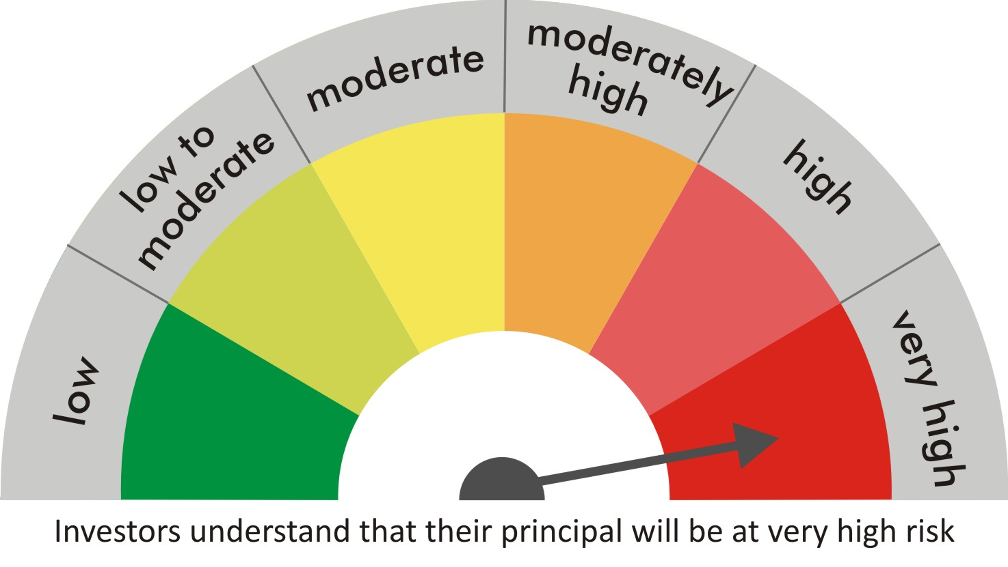
 |  | quant Mutual Fund
 |  | quant Large Cap Fund

 |  | MONTHLY PORTFOLIO STATEMENT AS ON 30 Aug 2022

 |  |  | Risk-o-meter of the Scheme |  | Risk -o-meter of the Benchmark

SR | ISIN | NAME OF THE INSTRUMENT | RATING | INDUSTRY | QUANTITY | MARKET VALUE(Rs.in Lakhs) | % to NAV
 |  | EQUITY & EQUITY RELATED
 |  | (a) Listed / awaiting listing on Stock Exchanges
1 | INE079A01024 | Ambuja Cements Ltd | N.A. | Cement & Cement Products | 498000 | 2048.03 | 8.82
2 | INE237A01028 | Kotak Mahindra Bank Limited | N.A. | Banks | 98000 | 1877.14 | 8.08
3 | INE018A01030 | Larsen & Toubro Limited | N.A. | Construction | 94000 | 1807.15 | 7.78
4 | INE002A01018 | Reliance Industries Limited | N.A. | Petroleum Products | 68500 | 1807 | 7.78
5 | INE154A01025 | ITC Limited | N.A. | Diversified FMCG | 560000 | 1794.8 | 7.73
6 | INE733E01010 | NTPC Limited | N.A. | Power | 1090000 | 1787.6 | 7.70
7 | INE742F01042 | Adani Ports & Special Economic Zone Ltd | N.A. | Transport Infrastructure | 208000 | 1751.67 | 7.54
8 | INE585B01010 | Maruti Suzuki India Limited | N.A. | Automobiles | 16500 | 1498.57 | 6.45
9 | INE795G01014 | HDFC Life Insurance Co Ltd | N.A. | Insurance | 260000 | 1495.52 | 6.44
10 | INE062A01020 | State Bank of India | N.A. | Banks | 277000 | 1471.56 | 6.34
11 | INE765G01017 | ICICI Lombard General Insurance Company Ltd. | N.A. | Insurance | 114000 | 1468.66 | 6.32
12 | INE192A01025 | Tata Consumer Products Ltd | N.A. | Agricultural Food & other Products | 148000 | 1198.28 | 5.16
13 | INE140A01024 | Piramal Enterprises Limited | N.A. | Finance | 99500 | 1058.23 | 4.56
14 | INPIRAPHARMA | Piramal Pharma Limited | N.A. | N.A. | 398000 | 858.64 | 3.70
15 | INE271C01023 | DLF Limited | N.A. | Realty | 150000 | 585 | 2.52
16 | INE323A01026 | Bosch Limited | N.A. | Auto Components | 1145 | 200.83 | 0.86
 |  | Sub Total |  |  |  | 22708.68 | 97.77

 |  | (b) Unlisted
 |  | Sub Total
 |  | Total |  |  |  | 22708.68 | 97.77

 |  | DERIVATIVES
 |  | (a) Index / Stock Futures
 |  | Sub Total

 |  | (b) Index / Stock Options
 |  | Sub Total
 |  | Total

 |  | DEBT INSTRUMENTS
 |  | (a) Listed / awaited listed on Stock Exchanges
 |  | Sub Total

 |  | (b) Unlisted / Privately Placed
 |  | Sub Total

 |  | (c) Securitised Debt Instruments
 |  | Sub Total
 |  | Total

 |  | MONEY MARKET INSTRUMENTS
 |  | a) Commercial Paper
 |  | Sub Total

 |  | b) CD-Certificate of Deposits
 |  | Sub Total

 |  | c) Treasury Bills
 |  | Sub Total
 |  | Total

 |  | OTHERS
 |  | (a) Mutual Fund Unit
 |  | Sub Total

 |  | (b) Tri Party Repo (TREPs)
17 | INCBLO010922 | TREPS 01-Sep-2022 DEPO 10 | N.A. | N.A. | 5951.3 | 595.04 | 2.56
 |  | Sub Total |  |  |  | 595.04 | 2.56

 |  | (c) Other Receivables (Payables)
18 |  | NCA-NET CURRENT ASSETS | N.A. | N.A. |  | -75.96 | -0.33
 |  | Sub Total |  |  |  | -75.96 | -0.33
 |  | Total |  |  |  | 519.08 | 2.23
 |  | Grand Total |  |  |  | 23227.76 | 100

 | Notes :-

1 | Total NPA provided for is NIL.
2 | NAV as on 30 Aug 2022
 | quant Large Cap Fund Growth-Direct Plan 10.1172
 | quant Large Cap Fund-Growth 10.1058
 | quant Large Cap Fund-IDCW 10.1053
 | quant Large Cap Fund-IDCW-Direct Plan 10.118
3 | Dividend declared during the period is NIL
4 | Bonus declared during the period is NIL
5 | Total outstanding exposure in derivatives instruments as on 30-Aug-2022 is NIL
6 | Total Investments in foreign securities/ADRs / GDRs as on 30-Aug-2022 is NIL
7 | The Portfolio Turnover Ratio is 0.13 times / The Average Maturity period is 0 Days
8 | The funds parked in short term deposit(s) as on 30-Aug-2022 were NIL

