qLF
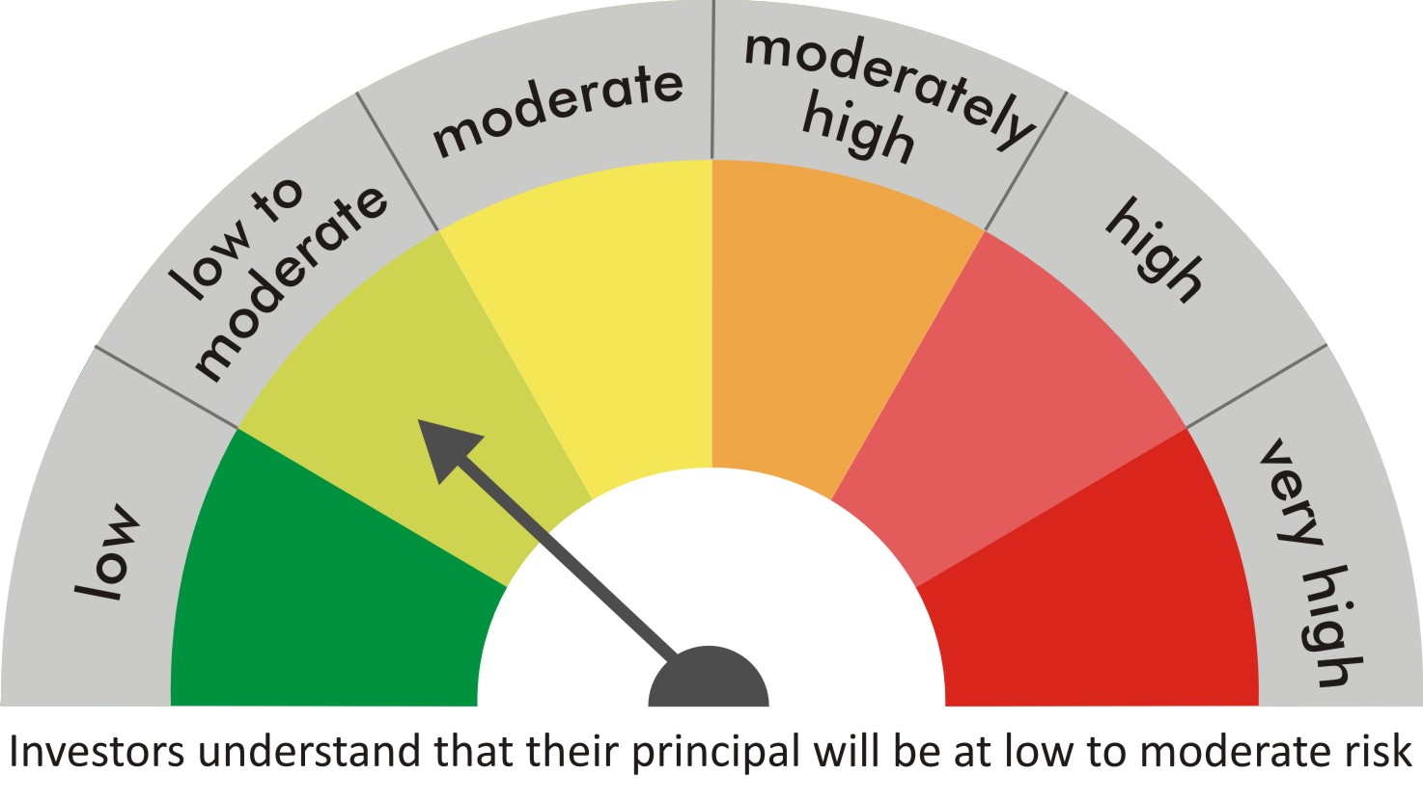
 |  | quant Mutual Fund
 |  | quant Liquid Fund

 |  | MONTHLY PORTFOLIO STATEMENT AS ON 31 Aug 2022

 |  |  | Risk-o-meter of the Scheme |  | Risk-o-meter of the Benchmark

SR | ISIN | NAME OF THE INSTRUMENT | RATING | INDUSTRY | QUANTITY | MARKET VALUE(Rs.in Lakhs) | % to NAV
 |  | EQUITY & EQUITY RELATED
 |  | (a) Listed / awaiting listing on Stock Exchanges
 |  | Sub Total

 |  | (b) Unlisted
 |  | Sub Total
 |  | Total

 |  | DERIVATIVES
 |  | (a) Index / Stock Futures
 |  | Sub Total

 |  | (b) Index / Stock Options
 |  | Sub Total
 |  | Total

 |  | DEBT INSTRUMENTS
 |  | (a) Listed / awaited listed on Stock Exchanges
 |  | Sub Total

 |  | (b) Unlisted / Privately Placed
 |  | Sub Total

 |  | (c) Securitised Debt Instruments
 |  | Sub Total
 |  | Total

 |  | MONEY MARKET INSTRUMENTS
 |  | a) Commercial Paper
1 | INE115A14DL2 | LIC Housing Finance Ltd CP 12-Sep-2022 | A1+ | N.A. | 5000000 | 4990.67 | 6.31
2 | INE929O14677 | Reliance Retail VentureLtd CP19-Sep-2022 | A1+ | N.A. | 5000000 | 4985.15 | 6.31
3 | INE306N14UM2 | Tata Capital Fin Ser Ltd CP 23-Sep-2022 | A1+ | N.A. | 5000000 | 4981.56 | 6.30
4 | INE702C14BX2 | APL Apollo Tubes Ltd CP 26-Sep-2022 | A1+ | N.A. | 5000000 | 4978.53 | 6.30
5 | INE296A14TI2 | Bajaj Finance Limited CP 21-Oct-2022 | A1+ | N.A. | 5000000 | 4958.43 | 6.27
6 | INE0BY014094 | Jubilant Ingrevia Ltd CP -28-Oct-2022 | A1+ | N.A. | 5000000 | 4952.08 | 6.27
7 | INE823G14785 | JK Cement Limited CP -28-Sep-2022 | A1+ | N.A. | 2500000 | 2488.79 | 3.15
8 | INE763G14MX2 | ICICI Securities Ltd CP 31-Oct-2022 | A1+ | N.A. | 2500000 | 2474.61 | 3.13
 |  | Sub Total |  |  |  | 34809.8 | 44.04

 |  | b) CD-Certificate of Deposits
9 | INE040A16CY2 | HDFC Bank Ltd CD 02-Sep-2022 | A1+ | N.A. | 5000000 | 4998.5 | 6.32
10 | INE514E16BX2 | EXIM Bank CD 14-Sep-2022 | A1+ | N.A. | 2500000 | 2494.73 | 3.16
 |  | Sub Total |  |  |  | 7493.22 | 9.48

 |  | c) Treasury Bills
11 | IN002022X205 | 91 Days Treasury Bill 17-Nov-2022 | SOV | N.A. | 4571400 | 4517.63 | 5.72
 |  | Sub Total |  |  |  | 4517.63 | 5.72
 |  | Total |  |  |  | 46820.65 | 59.24

 |  | OTHERS
 |  | (a) Mutual Fund Unit
 |  | Sub Total

 |  | (b) Tri Party Repo (TREPs)
12 | INCBLO010922 | TREPS 01-Sep-2022 DEPO 10 | N.A. | N.A. | 325525.6 | 32547.76 | 41.18
 |  | Sub Total |  |  |  | 32547.76 | 41.18

 |  | (c) Other Receivables (Payables)
13 |  | NCA-NET CURRENT ASSETS | N.A. | N.A. |  | -331.26 | -0.42
 |  | Sub Total |  |  |  | -331.26 | -0.42
 |  | Total |  |  |  | 32216.5 | 40.76
 |  | Grand Total |  |  |  | 79037.15 | 100

 | Notes :-

1 | Total NPA provided for is NIL.
2 | NAV as on 31 Aug 2022
 | quant Liquid Fund - Daily IDCW 12.9351
 | quant Liquid Fund - Growth 34.3044
 | quant Liquid Fund - Monthly IDCW 15.1666
 | quant Liquid Fund - Weekly IDCW 13.3638
 | quant Liquid Fund - Growth Option - Direct Plan 34.9474
 | quant Liquid Fund - Monthly IDCW - Direct Plan 15.5485
 | quant Liquid Fund - Weekly IDCW - Direct Plan 14.027
 | quant Liquid Fund - Daily IDCW - Direct Plan 13.2738
3 | NAV as on 31 Jul 2022
 | quant Liquid Fund - Daily IDCW 12.9571
 | quant Liquid Fund - Growth 34.1564
 | quant Liquid Fund - Monthly IDCW 15.1745
 | quant Liquid Fund - Weekly IDCW 13.381
 | quant Liquid Fund - Growth Option - Direct Plan 34.7894
 | quant Liquid Fund - Monthly IDCW - Direct Plan 15.5515
 | quant Liquid Fund - Weekly IDCW - Direct Plan 14.0392
 | quant Liquid Fund - Daily IDCW - Direct Plan 13.2916
4 | Dividend declared during the period
 | ,Rs.0.0755 (Daily Direct Dividend)
 | Rs.0.0737 (Regular Monthly),Rs.0.0737 (Direct Monthly),
 | ,Rs.0.0775 (Weekly Dividend)
5 | Bonus declared during the period is NIL
6 | Total outstanding exposure in derivatives instruments as on 31-Aug-2022 is NIL
7 | Total Investments in foreign securities/ADRs / GDRs as on 31-Aug-2022 is NIL
8 | The Average Maturity period is 21.10 Days
9 | The funds parked in short term deposit(s) as on 31-Aug-2022 were NIL

