qMCF
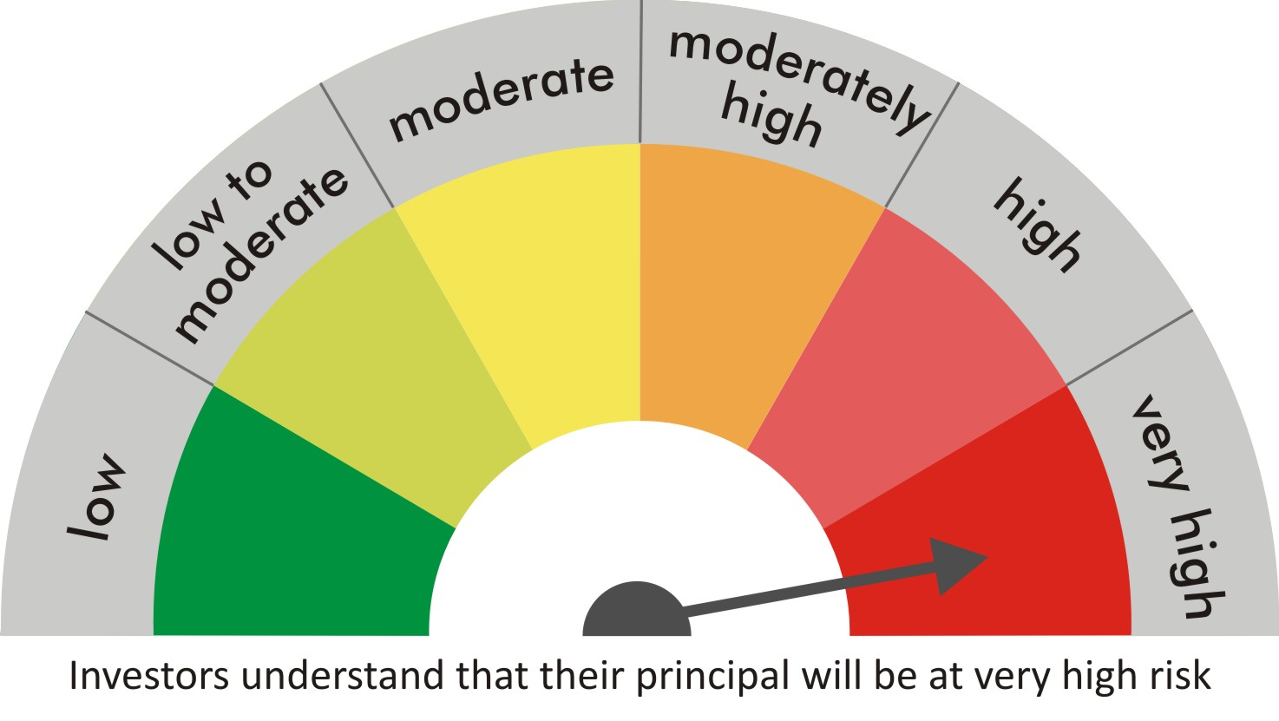
 |  | quant Mutual Fund
 |  | quant Mid Cap Fund

 |  | MONTHLY PORTFOLIO STATEMENT AS ON 30 Aug 2022

 |  |  | Risk-o-meter of the Scheme |  | Risk-o-meter of the Benchmark

SR | ISIN | NAME OF THE INSTRUMENT | RATING | INDUSTRY | QUANTITY | MARKET VALUE(Rs.in Lakhs) | % to NAV
 |  | EQUITY & EQUITY RELATED
 |  | (a) Listed / awaiting listing on Stock Exchanges
1 | INE111A01025 | Container Corporation of India Ltd | N.A. | Transport Services | 769050 | 5356.82 | 7.56
2 | INE042A01014 | Escorts Kubota Limited | N.A. | Agricultural, Commercial & Construction Vehicles | 267500 | 5335.96 | 7.53
3 | INE619A01035 | Patanjali Foods Limited | N.A. | Agricultural Food & other Products | 435185 | 5314.04 | 7.50
4 | INE881D01027 | Oracle Financial Services Software Ltd | N.A. | IT - Software | 151621 | 4806.16 | 6.78
5 | INE208A01029 | Ashok Leyland Limited | N.A. | Agricultural, Commercial & Construction Vehicles | 3108350 | 4786.86 | 6.75
6 | INE053A01029 | Indian Hotels Co Ltd | N.A. | Leisure Services | 1481737 | 4229.62 | 5.97
7 | INE151A01013 | Tata Communications Limited | N.A. | Telecom - Services | 293520 | 3528.84 | 4.98
8 | INE742F01042 | Adani Ports & Special Economic Zone Ltd | N.A. | Transport Infrastructure | 392900 | 3308.81 | 4.67
9 | INE733E01010 | NTPC Limited | N.A. | Power | 1810000 | 2968.4 | 4.19
10 | INE079A01024 | Ambuja Cements Ltd | N.A. | Cement & Cement Products | 654000 | 2689.58 | 3.79
11 | INE423A01024 | Adani Enterprises Limited | N.A. | Metals & Minerals Trading | 80210 | 2562.19 | 3.61
12 | INE424H01027 | SUN TV Network Limited | N.A. | Entertainment | 435440 | 2185.91 | 3.08
13 | INE660A01013 | Sundaram Finance Ltd | N.A. | Finance | 98025 | 2056.76 | 2.90
14 | INE003A01024 | Siemens Ltd | N.A. | Electrical Equipment | 67050 | 1933.45 | 2.73
15 | INE007A01025 | CRISIL Limited | N.A. | Finance | 56133 | 1843.07 | 2.60
16 | INE298A01020 | Cummins India Ltd. | N.A. | Industrial Products | 147500 | 1759.09 | 2.48
17 | INE256A01028 | Zee Entertainment Ent Ltd | N.A. | Entertainment | 625000 | 1606.56 | 2.27
18 | INE139A01034 | National Aluminium Company Limited | N.A. | Non - Ferrous Metals | 1907200 | 1535.3 | 2.17
19 | INE473A01011 | Linde India Ltd. | N.A. | Chemicals & Petrochemicals | 44300 | 1519.09 | 2.14
20 | INE536A01023 | Grindwell Norton Limited | N.A. | Industrial Products | 66000 | 1452.07 | 2.05
21 | INE233A01035 | Godrej Industries Limited | N.A. | Food Products | 278604 | 1336.05 | 1.88
22 | INE061F01013 | Fortis Healthcare Ltd | N.A. | Healthcare Services | 415000 | 1221.35 | 1.72
23 | INE548A01028 | HFCL Limited | N.A. | Telecom - Services | 1630000 | 1211.09 | 1.71
24 | INE323A01026 | Bosch Limited | N.A. | Auto Components | 6155 | 1079.59 | 1.52
25 | INE047A01021 | Grasim Industries Ltd | N.A. | Cement & Cement Products | 64050 | 1075.18 | 1.52
26 | INE397D01024 | Bharti Airtel Limited | N.A. | Telecom - Services | 138000 | 1002.71 | 1.41
27 | INE237A01028 | Kotak Mahindra Bank Limited | N.A. | Banks | 46000 | 881.11 | 1.24
28 | INE008A01015 | IDBI Bank Limited | N.A. | Banks | 1900000 | 835.05 | 1.18
29 | INE140A01024 | Piramal Enterprises Limited | N.A. | Finance | 47800 | 508.38 | 0.72
30 | INPIRAPHARMA | Piramal Pharma Limited | N.A. | N.A. | 191200 | 412.49 | 0.58
 |  | Sub Total |  |  |  | 70341.54 | 99.23

 |  | (b) Unlisted
 |  | Sub Total
 |  | Total |  |  |  | 70341.54 | 99.23

 |  | DERIVATIVES
 |  | (a) Index / Stock Futures
 |  | Sub Total

 |  | (b) Index / Stock Options
 |  | Sub Total
 |  | Total

 |  | DEBT INSTRUMENTS
 |  | (a) Listed / awaited listed on Stock Exchanges
 |  | Sub Total

 |  | (b) Unlisted / Privately Placed
 |  | Sub Total

 |  | (c) Securitised Debt Instruments
 |  | Sub Total
 |  | Total

 |  | MONEY MARKET INSTRUMENTS
 |  | a) Commercial Paper
 |  | Sub Total

 |  | b) CD-Certificate of Deposits
 |  | Sub Total

 |  | c) Treasury Bills
 |  | Sub Total
 |  | Total

 |  | OTHERS
 |  | (a) Mutual Fund Unit
 |  | Sub Total

 |  | (b) Tri Party Repo (TREPs)
31 | INCBLO010922 | TREPS 01-Sep-2022 DEPO 10 | N.A. | N.A. | 4026 | 402.54 | 0.57
 |  | Sub Total |  |  |  | 402.54 | 0.57

 |  | (c) Other Receivables (Payables)
32 |  | NCA-NET CURRENT ASSETS | N.A. | N.A. |  | 145.87 | 0.21
 |  | Sub Total |  |  |  | 145.87 | 0.21
 |  | Total |  |  |  | 548.41 | 0.77
 |  | Grand Total |  |  |  | 70889.95 | 100

 | Underlying | Long / Short | Future Price when Purchased | Current price of the contract | Margin maintained in Rs.Lakhs

 | Total %age of existing assets hedged through futures
 | For the period ended … specify the following for hedging transactions through futures which have been squared off/expired
 | Total Number of contracts where futures were bought
 | Total Number of contracts where futures were sold
 | Gross Notional Value of contracts where futures were bought
 | Gross Notional Value of contracts where futures were sold
 | Net Profit/Loss value on all contracts combined

 | Other than Hedging Positions through Futures as on |  | 30/08/2022
 | Underlying | Long / Short | Future Price when Purchased | Current price of the contract | Margin maintained in Rs.Lakhs

 | Total Exposure due to futures (non hedging positions) as a %age of net assets
 | For the period ended .. Specify the following for non hedging transactions through futures which have been squared off/expired
 | Total number of contracts where futures were bought
 | Total number of contracts where futures were sold (carry forward)
 | Gross Notional value of contracts where future were bought
 | Gross Notional Value of contracts where futures were sold
 | Net Profit/Loss value on all contracts combined

 | Hedging Positions through Put Options as on |  | 30/08/2022
 | Underlying | Number of contracts | Option Price when purchased | Current option price

 | Total %age of existing assets hedged through put options
 | For the period ended 30/08/22, Specify the following for hedging transactions through options which have been execised/expired
 | Total number of contracts entered into |  | 6000
 | Gross Notional value of contracts |  | 51542160
 | Net Profit/Loss Value on all contracts (treat premium paid as loss) |  | -329070

 | Other than Hedging Positions through Options as on |  | 30/08/2022
 | Underlying | Call/Put | Number of contracts | Option Price when purchased | Current option price

 | Total Exposure through options as a %age of net assets
 | For the period ended … with regard to non-hedging transactions through options which have already been exercised/expired specify:
 | Total number of contracts entered into
 | Gross Notional value of contracts
 | Net Profit/Loss Value on all contracts (treat premium paid as loss)

 | Notes :-

1 | Total NPA provided for is NIL.
2 | NAV as on 30 Aug 2022
 | quant Mid Cap Fund - Growth - Direct Plan 139.807
 | quant Mid Cap Fund - Growth 129.861
 | quant Mid Cap Fund - IDCW - Direct Plan 49.3442
 | quant Mid Cap Fund - IDCW 46.0917
3 | NAV as on 29 Jul 2022
 | quant Mid Cap Fund - Growth - Direct Plan 132.637
 | quant Mid Cap Fund - Growth 123.427
 | quant Mid Cap Fund - IDCW - Direct Plan 46.8163
 | quant Mid Cap Fund - IDCW 43.8063
4 | Dividend declared during the period is NIL
5 | Bonus declared during the period is NIL
6 | Total outstanding exposure in derivatives instruments as on 30-Aug-2022 is NIL
7 | Total Investments in foreign securities/ADRs / GDRs as on 30-Aug-2022 is NIL
8 | The Portfolio Turnover Ratio is 0.24 times / The Average Maturity period is 0 Days
9 | The funds parked in short term deposit(s) as on 30-Aug-2022 were NIL

